Dividend Data Analysis
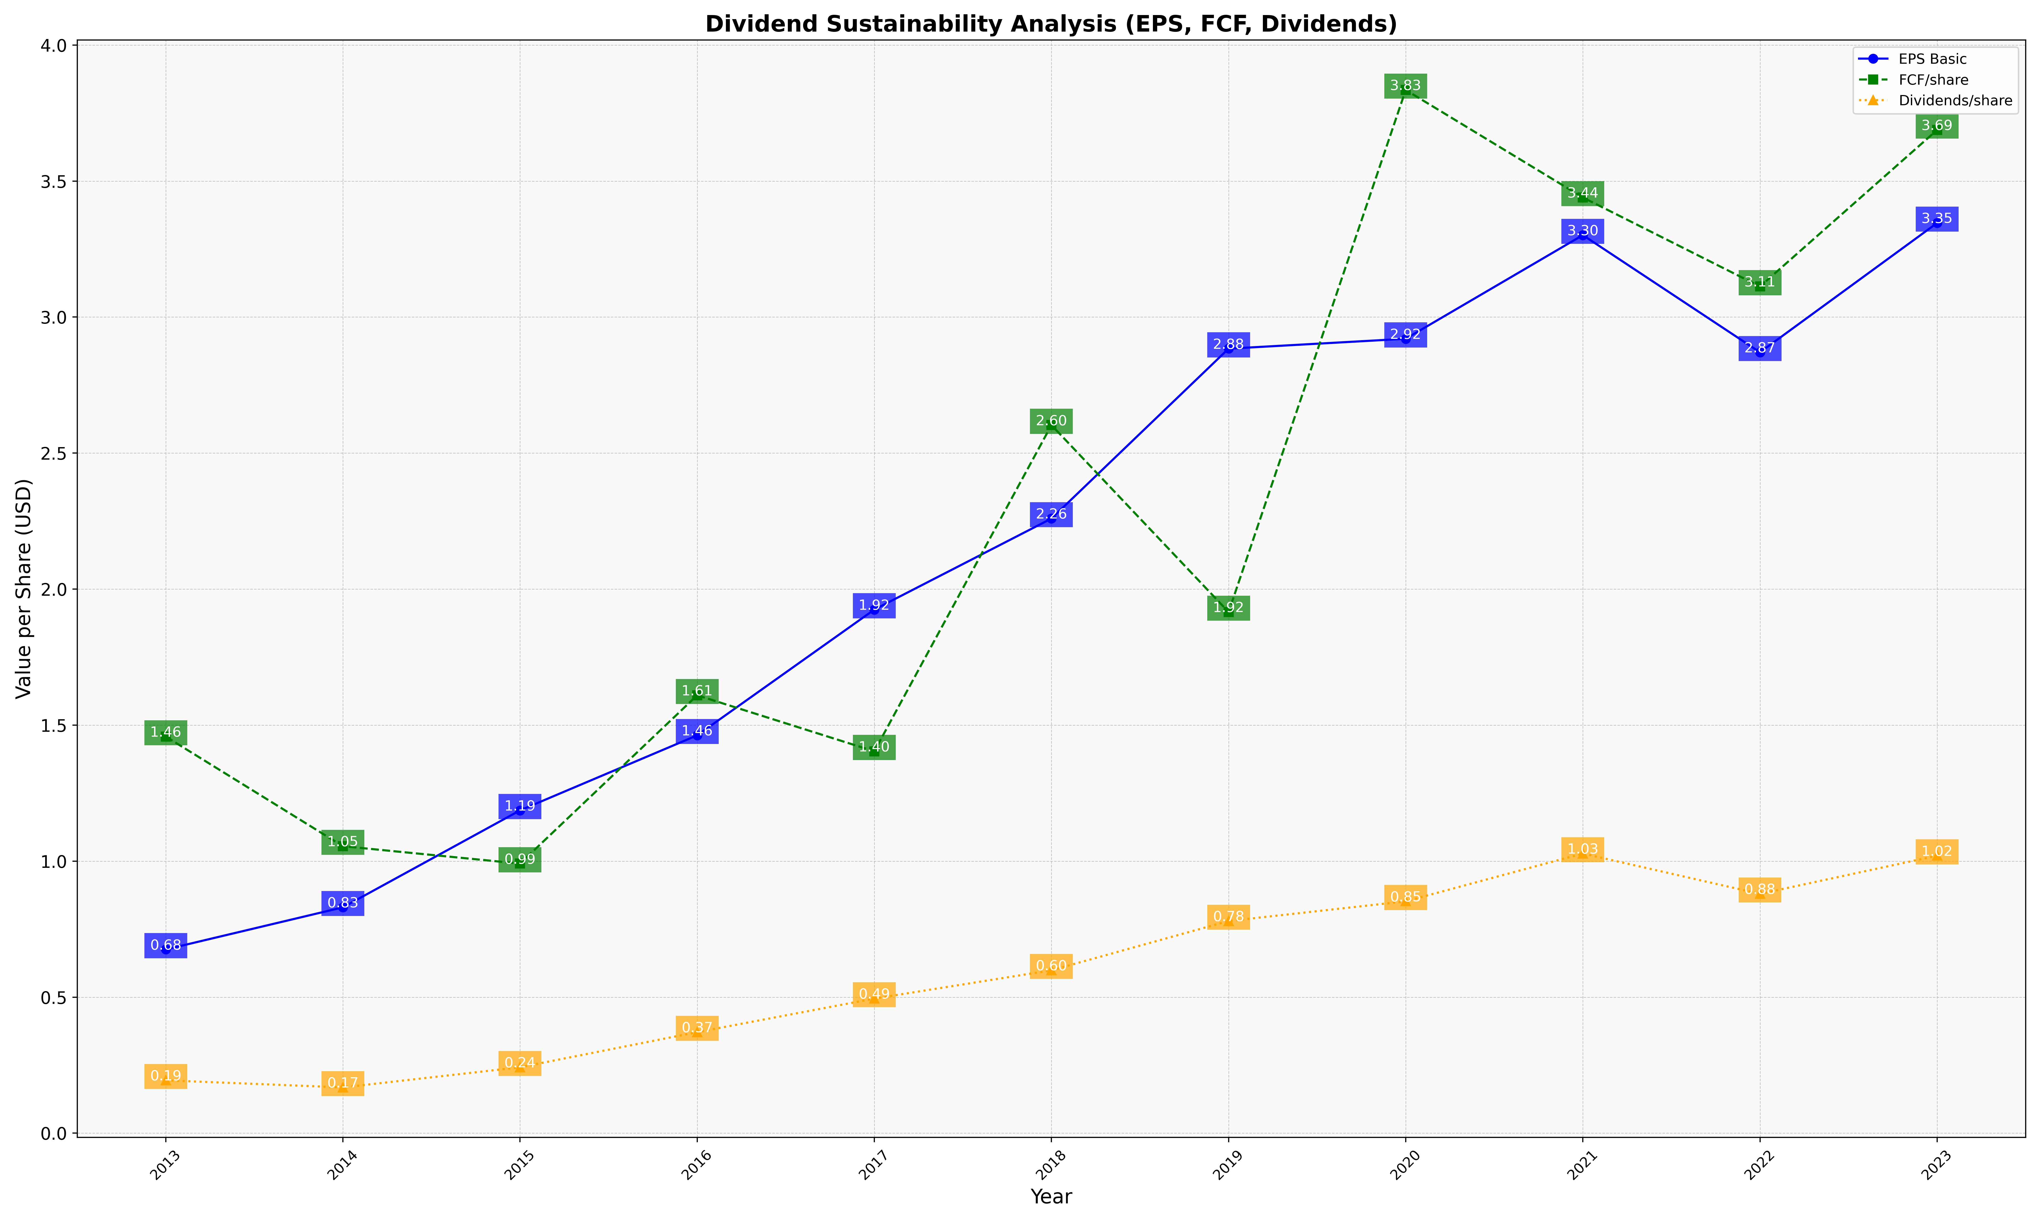
fiscal_date_ending | eps_per_share | free_cash_flow_per_share | dividend_per_share
2013 | 0.67522720963 | 1.4577640199 | 0.19417927744
2014 | 0.83010090621 | 1.0548666901 | 0.16814864511
2015 | 1.1864616314 | 0.99086430267 | 0.24224307067
2016 | 1.4622973824 | 1.6096216115 | 0.37126281778
2017 | 1.9245825033 | 1.4037348067 | 0.49462870719
2018 | 2.2592352541 | 2.6028292527 | 0.59868855994
2019 | 2.8837545572 | 1.9157398613 | 0.77976627181
2020 | 2.9201786159 | 3.8347724459 | 0.85226524111
2021 | 3.3011911121 | 3.4396632912 | 1.0279494784
2022 | 2.8703646044 | 3.1122779603 | 0.87959647539
2023 | 3.3456963793 | 3.6878165969 | 1.0199451275

