Dividend Data Analysis
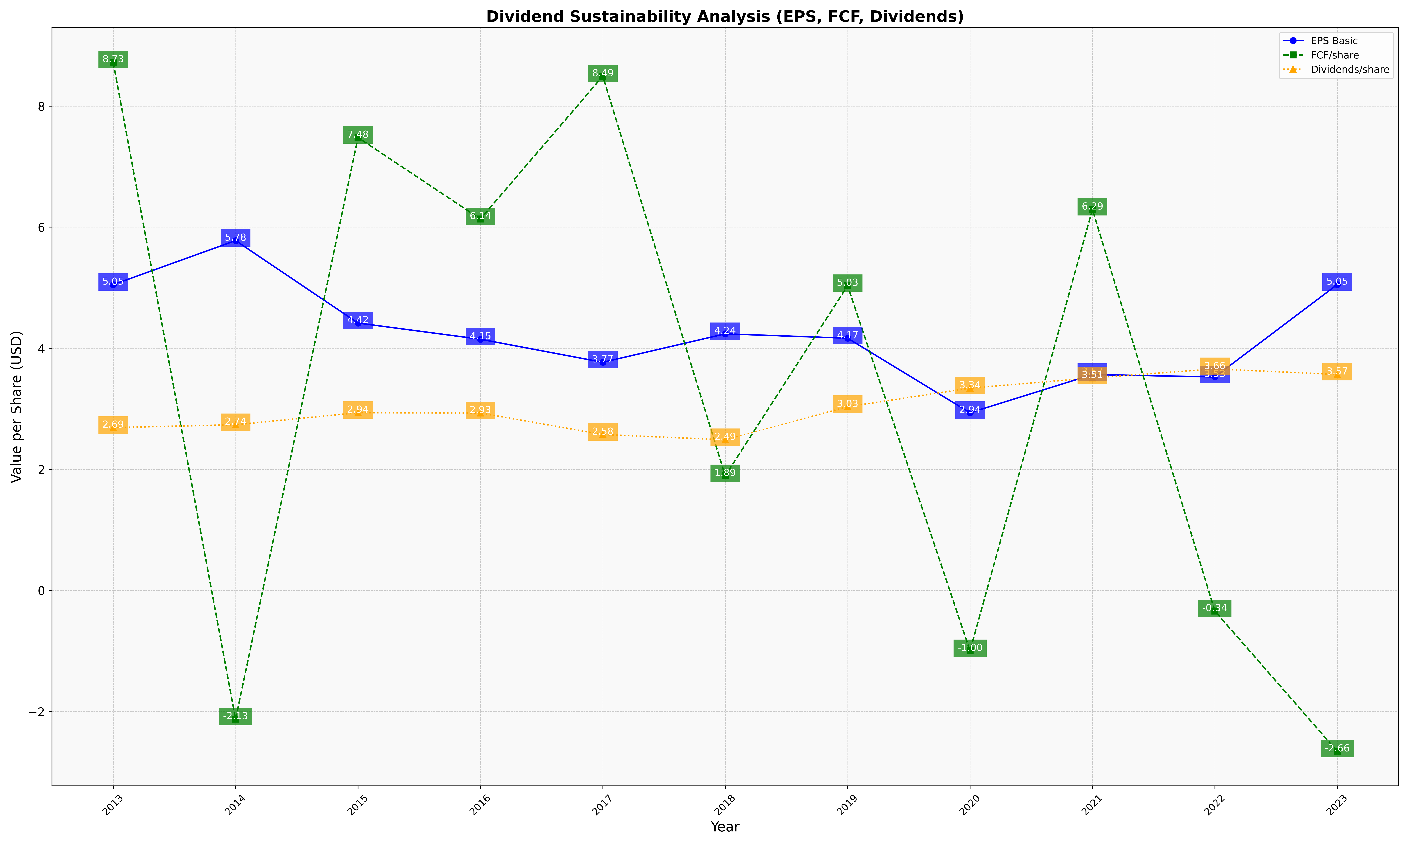
fiscal_date_ending | eps_per_share | free_cash_flow_per_share | dividend_per_share
2013 | 5.0505541623 | 8.7252928197 | 2.6903303906
2014 | 5.7786525267 | -2.1257467594 | 2.7369549479
2015 | 4.4165372107 | 7.4801934346 | 2.9364501794
2016 | 4.1495333932 | 6.1352067008 | 2.9310140293
2017 | 3.7683426928 | 8.4941323878 | 2.575282777
2018 | 4.238224119 | 1.8935670744 | 2.4888566217
2019 | 4.1665156059 | 5.0325038718 | 3.0340601776
2020 | 2.9350783837 | -0.99623963556 | 3.3420502595
2021 | 3.5655914429 | 6.2925081339 | 3.5104412355
2022 | 3.5265553155 | -0.33894067455 | 3.6588973719
2023 | 5.0519314296 | -2.6564871109 | 3.5679377713

