Dividend Data Analysis
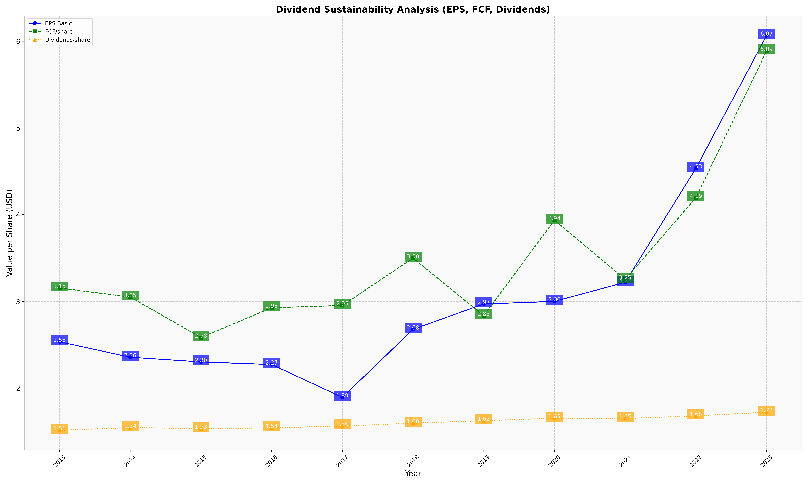
fiscal_date_ending | eps_per_share | free_cash_flow_per_share | dividend_per_share
2013 | 2.5340248963 | 3.1543568465 | 1.5124858544
2014 | 2.3556418722 | 3.0499126044 | 1.5444163915
2015 | 2.3015120652 | 2.5826543403 | 1.5325916641
2016 | 2.2717026286 | 2.9265835488 | 1.5410506813
2017 | 1.8930936613 | 2.9530368969 | 1.5628760643
2018 | 2.6772914328 | 3.4981668537 | 1.5950243172
2019 | 2.9705491095 | 2.8345281206 | 1.6237528638
2020 | 2.9997015705 | 3.9371805872 | 1.6519938822
2021 | 3.2200178664 | 3.2535919005 | 1.649073178
2022 | 4.5343885854 | 4.1946642886 | 1.6788169286
2023 | 6.0653143864 | 5.8883056503 | 1.7229950133

