Dividend Data Analysis
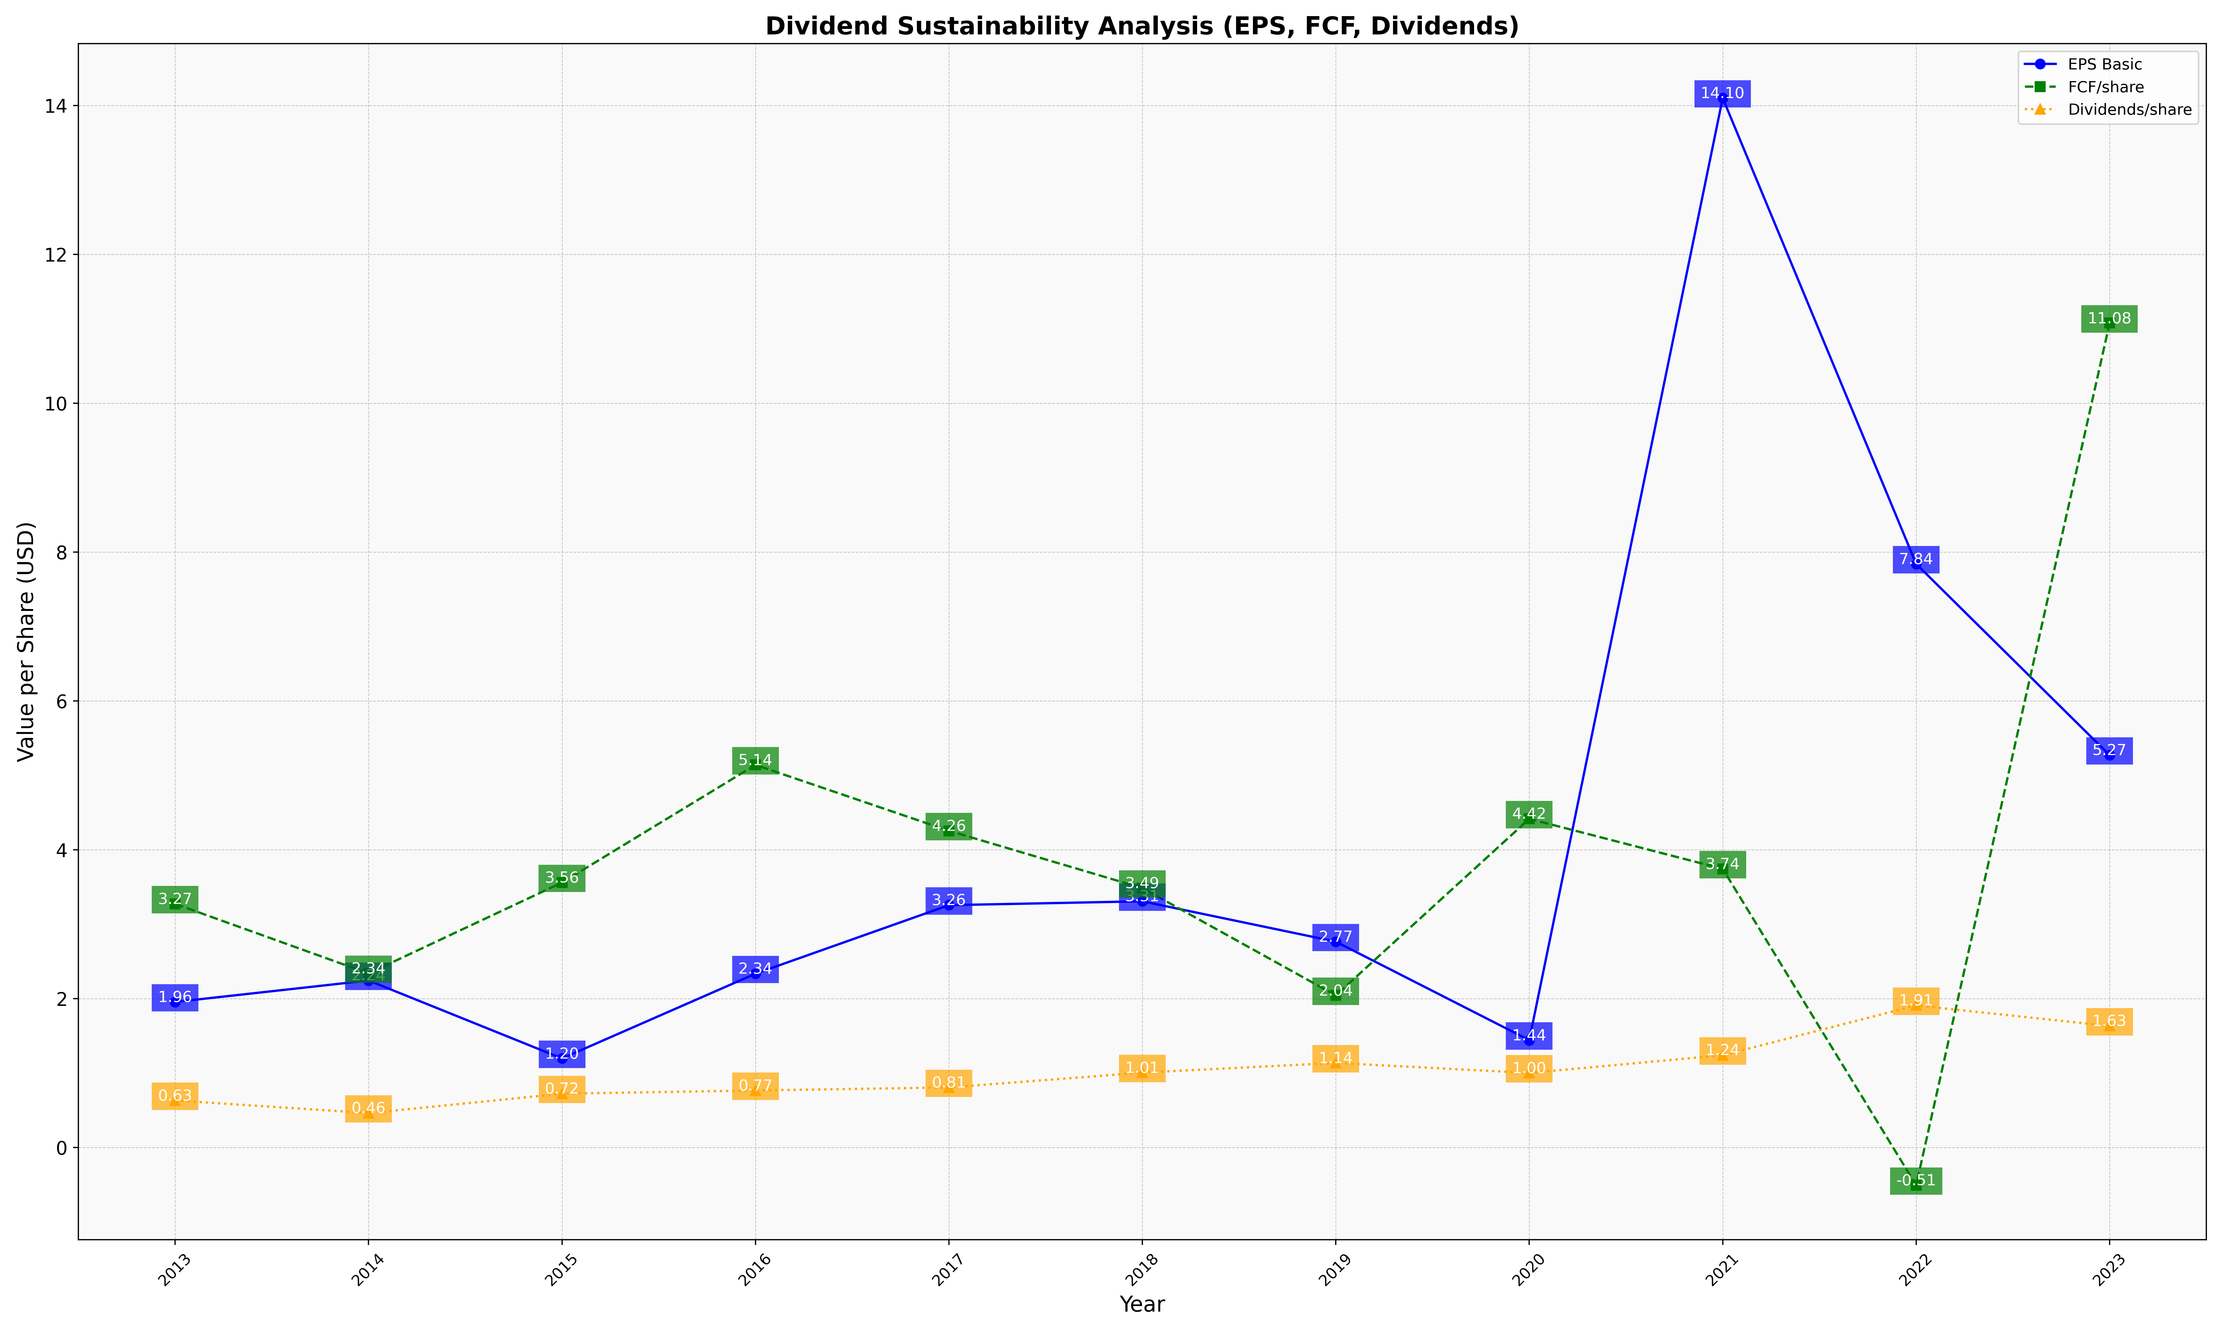
fiscal_date_ending | eps_per_share | free_cash_flow_per_share | dividend_per_share
2013 | 1.9560900913 | 3.2742810854 | 0.63286701301
2014 | 2.2445245913 | 2.3395868093 | 0.46282008063
2015 | 1.1971192806 | 3.5603638569 | 0.7239309328
2016 | 2.3355506777 | 5.1410554625 | 0.76694599126
2017 | 3.2564809249 | 4.2559800528 | 0.80754803602
2018 | 3.3084950213 | 3.4862047219 | 1.0067442216
2019 | 2.7665737745 | 2.0437183739 | 1.1368814455
2020 | 1.4427145943 | 4.4166701684 | 1.0022981157
2021 | 14.100722912 | 3.744393156 | 1.240611134
2022 | 7.841775976 | -0.50615839831 | 1.9095243103
2023 | 5.2719188058 | 11.076972855 | 1.633376609

