Sheet1
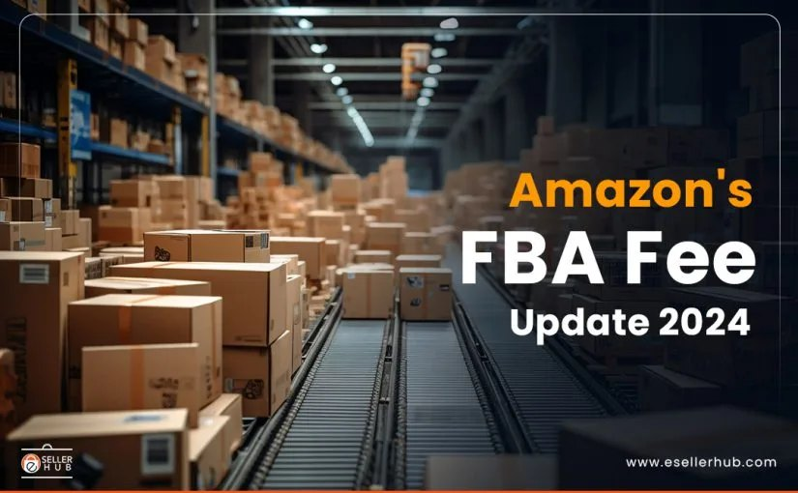
Date | Facebook and Instagram
a. 25-09-2024

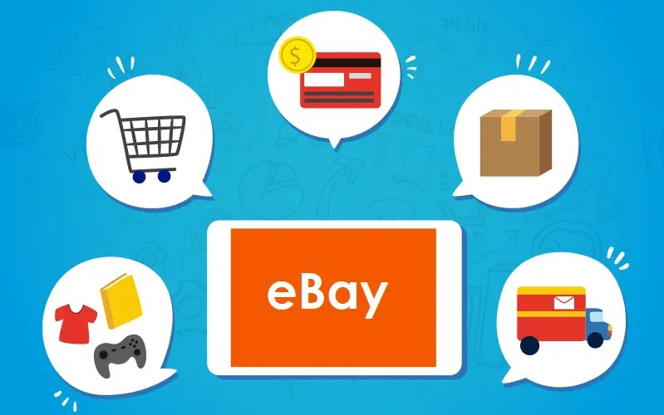
 | Streamline Your Amazon Business with eSeller Hub Integration Unlock the full potential of your Amazon store with seamless eSeller Hub integration. Simplify inventory management, automate order processing, and gain real-time analytics all in one powerful platform. Grow your business with efficiency and precision today! #AmazonBusiness #eSellerHub #EcommerceIntegration #OnlineRetail #Automation #BusinessGrowth #InventoryManagement #AmazonSeller #MetaBusiness
b. 26-09-2024

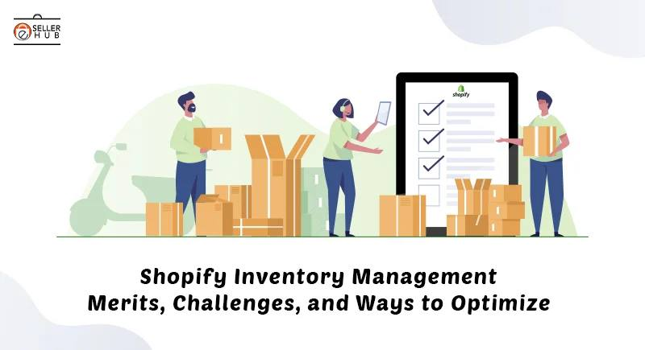
 | Boost Your eBay Sales with eSeller Hub Integration Maximize your eBay store’s potential by integrating with eSeller Hub. Simplify listings, automate order processing, and get real-time insights to manage your business with ease. Supercharge your eBay growth with smarter tools today! #eBaySellers #eSellerHub #EcommerceIntegration #OnlineRetail #OrderAutomation #SalesGrowth #BusinessEfficiency #eBayStore
c. 27-09-2024

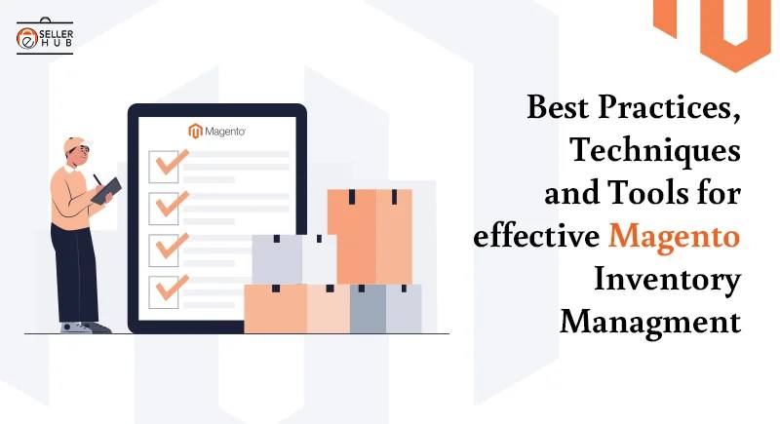
 | Seamless Shopify Integration with eSeller Hub – Boost Your eCommerce Efficiency! Streamline your Shopify store management with eSeller Hub's seamless integration. Sync orders, manage inventory, and automate processes, all in one platform to enhance productivity and sales. Start optimizing your eCommerce business today! #ShopifyIntegration #eCommerceSolutions #eSellerHub #BoostSales #BusinessAutomation
d. 28-09-2024

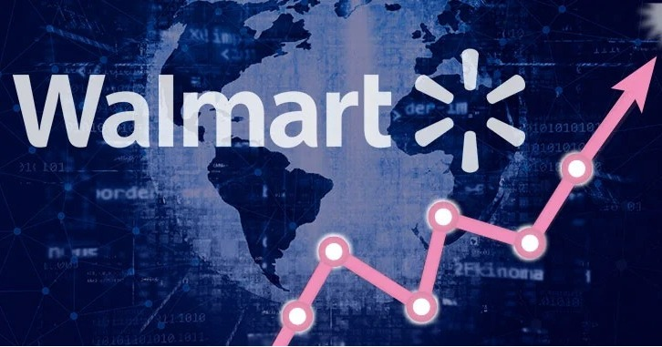
 | Power Up Your Magento Store with eSeller Hub Integration! Take control of your Magento store with eSeller Hub’s advanced integration. Effortlessly manage orders, track inventory, and streamline operations from a single platform, enabling smoother workflows and driving growth for your eCommerce business. #MagentoIntegration #eSellerHub #eCommerceSolutions #OrderManagement #InventoryControl #BusinessGrowth
e. 30-09-2024

 | Unlock Walmart Marketplace Success with eSeller Hub Integration! Maximize your reach on Walmart Marketplace with eSeller Hub’s powerful integration. Simplify inventory management, order processing, and product listing all in one place, ensuring smooth operations and higher sales for your business. #WalmartIntegration #eSellerHub #WalmartMarketplace #eCommerceSolutions #OrderManagement #InventoryManagement #BoostSales #ecommerceautomation

