Sheet1
Data | Accuracy | Val_acccuracy |  | model summary | vocab_size | oov_tok | embeddind_dim | max_length | trunc_type | num_epochs
Training_Reddit_Datataset | 0.545 | 0.5291 | 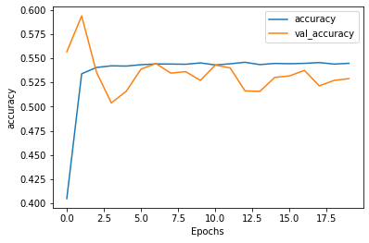 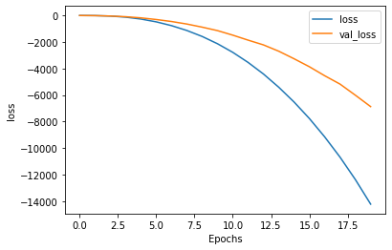 | model = tf.keras.Sequential([ tf.keras.layers.Embedding(vocab_size, embedding_dim,input_length=max_length), tf.keras.layers.Flatten(), tf.keras.layers.Dense(6, activation='relu'), tf.keras.layers.Dense(1, activation='sigmoid') ]) model.compile(loss='binary_crossentropy',optimizer='adam',metrics=['accuracy']) model.summary() | 60000 | <OOV> | 16 | 300 | post' | 20

