Estimator parameters
Input parameters |  |  | Output parameters

Peak voltage | 24 | V | NORM_VOLTAGE_CONST (U0) | 0.000406
Peak current | 22 | A | NORM_CURRENT_CONST (I0) | 0.000671
PWM Period (Ts) | 0.000050 | s | NORM_OMEGA_CONST (W0) | 0.104720
Deat time | 0.000002 | s

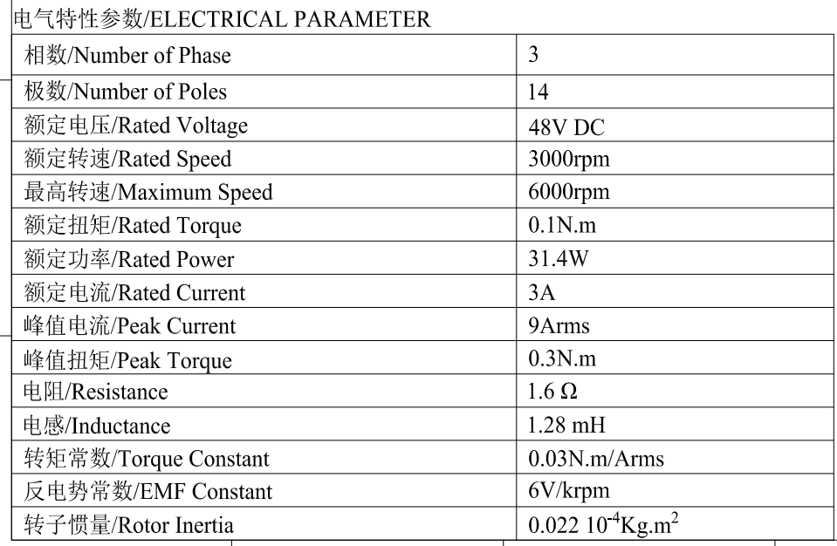
Pole pairs | 5 | - |  |  | Predivision
Stator resistance (Rs) | 2.03 | Ohm | NORM_RS | 110014 | 4 | 27503 | NORM_RS_SCALINGFACTOR 2 | 2^2 = 4
Stator inductance (Ls) | 0.0023 | H | NORM_LSDTBASE | 2492921 | 256 | 9738 | NORM_LSDTBASE_SCALINGFACTOR 8 | 2^8 = 256
Voltage constant (Kfi) | 7.24 | Vp/KRPM | NORM_INVKFIBASE | 15912 | 2 | 7956
Nominal speed | 2000 | RPM | NORM_DELTAT | 1790
Maximum speed | 3500 | RPM
 |  |  | D_ILIMIT_HS | 956
 |  |  | D_ILIMIT_LS | 4369

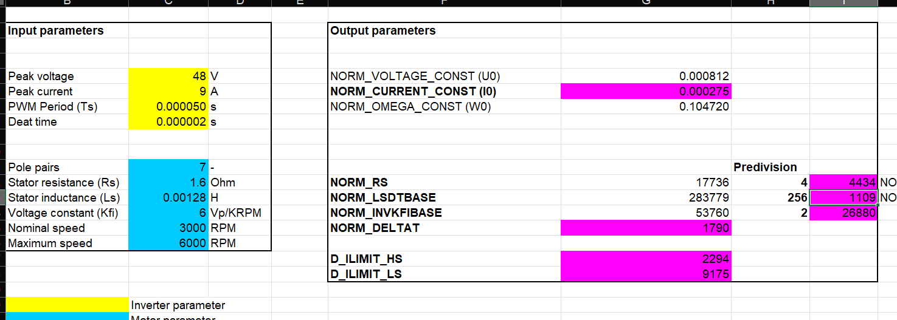
 | Inverter parameter
 | Motor parameter
 | Constant to set in "userparms.h"

