Sheet1
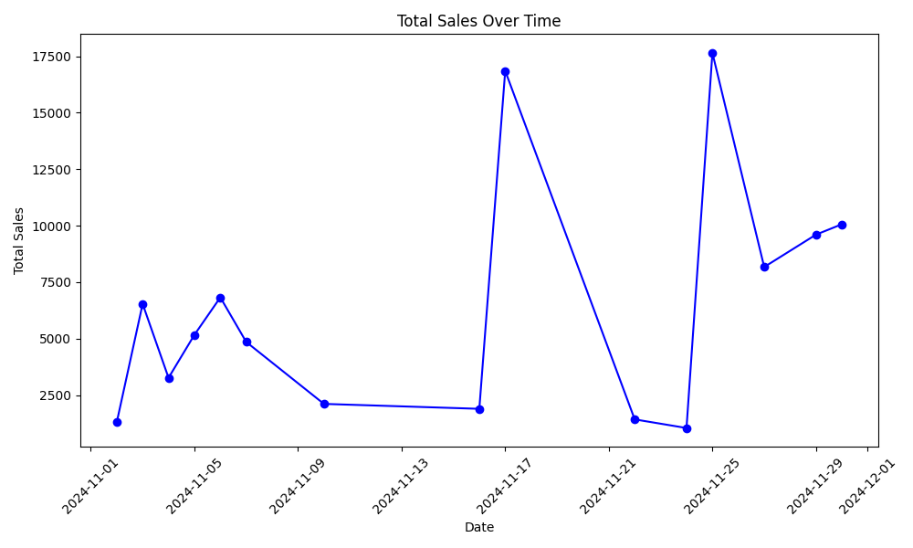
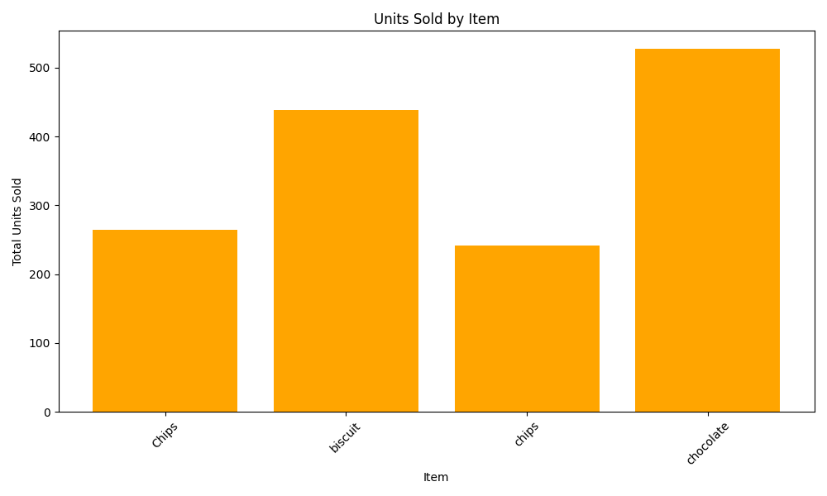
Dashboard

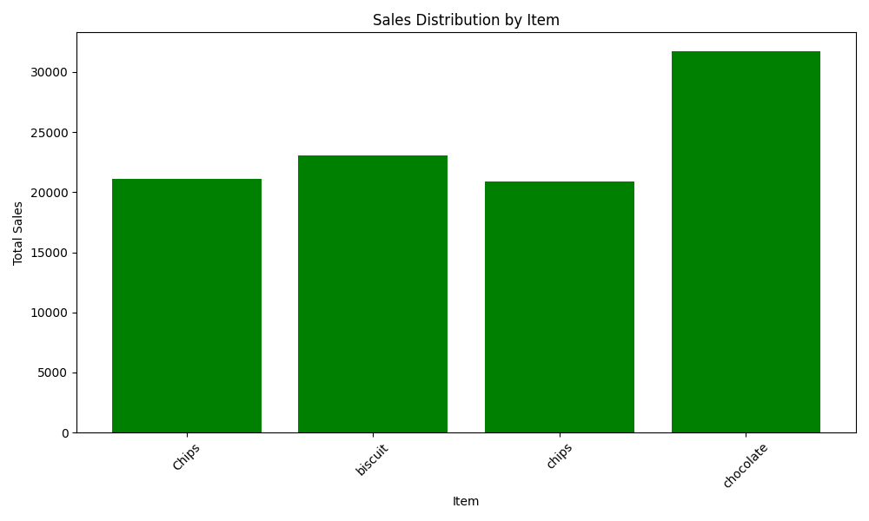
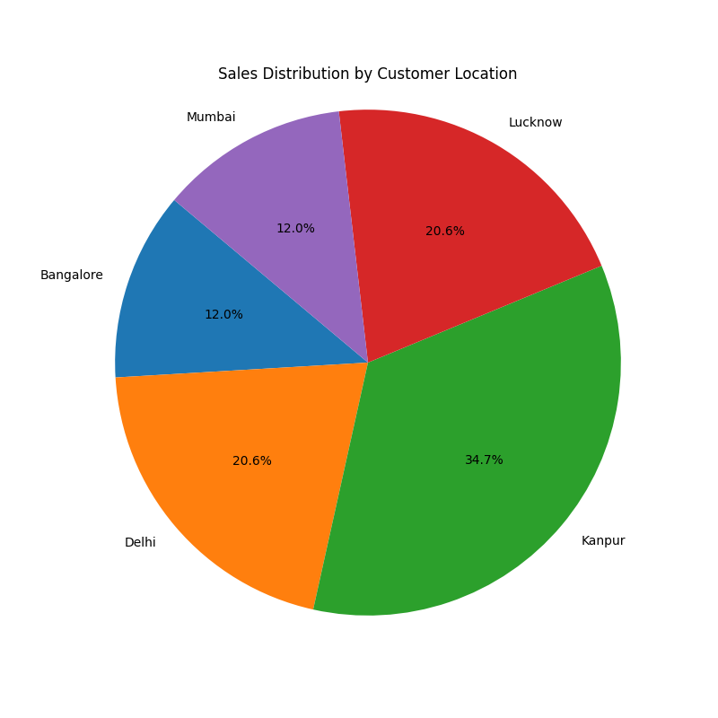
 |  | INSIGHTS

 | 1. Chocolate is the top selling item by sales
 | 2. Kanpur is the most popular location by sales
 | 3. Chocolate is the most selling item among all by units

