Charts
Segment | (Todas) |  |  | Segment | (Todas)

State | Total Sales | % Cumulative Sales |  | Etiquetas de fila | Suma de Profit | Suma de Sales | Etiquetas de fila | Suma de Profit
California | $457,687.63 | 19.92% |  | California | 76381.3871 | 457687.6315 | Zebra ZM400 Thermal Label Printer | 3343.536
New York | $310,876.27 | 33.46% |  | New York | 74038.5486 | 310876.271 | Ibico EPK-21 Electric Binding System | 3345.2823
Texas | $170,188.05 | 40.87% |  | Washington | 33402.6517 | 138641.27 | Plantronics Savi W720 Multi-Device Wireless Headset System | 3696.282
Washington | $138,641.27 | 46.90% |  | Michigan | 24463.1876 | 76269.614 | 3D Systems Cube Printer, 2nd Generation, Magenta | 3717.9714
Pennsylvania | $116,511.91 | 51.97% |  | Virginia | 18597.9504 | 70636.72 | Ativa V4110MDD Micro-Cut Shredder | 3772.9461
Florida | $89,473.71 | 55.87% |  | Indiana | 18382.9363 | 53555.36 | HP Designjet T520 Inkjet Large Format Printer - 24" Color | 4094.9766
Illinois | $80,166.10 | 59.36% | 2297201 | Georgia | 16250.0433 | 49095.84 | Canon PC1060 Personal Laser Copier | 4570.9347
Ohio | $78,258.14 | 62.76% | 286397 | Kentucky | 11199.6966 | 36591.75 | Hewlett Packard LaserJet 3310 Copier | 6983.8836
Michigan | $76,269.61 | 66.08% | 12.5% | Minnesota | 10823.1874 | 29863.15 | Fellowes PB500 Electric Punch Plastic Comb Binding Machine with Manual Bind | 7753.039
Top 10 Most Profitable Products: High-Margin Drivers
Virginia | $70,636.72 | 69.16% |  | Delaware | 9977.3748 | 27451.069 | Canon imageCLASS 2200 Advanced Copier | 25199.928
North Carolina | $55,603.16 | 71.58% |  | New Jersey | 9772.9138 | 35764.312 | Total general | 66478.7797
Indiana | $53,555.36 | 73.91% |  | Wisconsin | 8401.8004 | 32114.61
Georgia | $49,095.84 | 76.05% |  | Rhode Island | 7285.6293 | 22627.956
Kentucky | $36,591.75 | 77.64% |  | Maryland | 7031.1788 | 23705.523
New Jersey | $35,764.31 | 79.20% |  | Massachusetts | 6785.5016 | 28634.434
Arizona | $35,282.00 | 80.73% |  | Missouri | 6436.2105 | 22205.15
Wisconsin | $32,114.61 | 82.13% |  | Alabama | 5786.8253 | 19510.64
Colorado | $32,108.12 | 83.53% |  | Oklahoma | 4853.956 | 19683.39
Tennessee | $30,661.87 | 84.86% |  | Arkansas | 4008.6871 | 11678.13
Minnesota | $29,863.15 | 86.16% |  | Connecticut | 3511.4918 | 13384.357
Massachusetts | $28,634.43 | 87.41% |  | Nevada | 3316.7659 | 16729.102
Delaware | $27,451.07 | 88.61% |  | Mississippi | 3172.9762 | 10771.34
Maryland | $23,705.52 | 89.64% |  | Utah | 2546.5335 | 11220.056
Rhode Island | $22,627.96 | 90.62% |  | Vermont | 2244.9783 | 8929.37
Missouri | $22,205.15 | 91.59% |  | Louisiana | 2196.1023 | 9217.03
Oklahoma | $19,683.39 | 92.45% |  | Nebraska | 2037.0942 | 7464.93
Alabama | $19,510.64 | 93.29% |  | Montana | 1833.3285 | 5589.352
Oregon | $17,431.15 | 94.05% |  | South Carolina | 1769.0566 | 8481.71
Nevada | $16,729.10 | 94.78% |  | New Hampshire | 1706.5028 | 7292.524
Connecticut | $13,384.36 | 95.36% |  | Iowa | 1183.8119 | 4579.76
Arkansas | $11,678.13 | 95.87% |  | New Mexico | 1157.1161 | 4783.522
Utah | $11,220.06 | 96.36% |  | District of Columbia | 1059.5893 | 2865.02
Mississippi | $10,771.34 | 96.83% |  | Kansas | 836.4435 | 2914.31
Louisiana | $9,217.03 | 97.23% |  | Idaho | 826.7231 | 4382.486
Vermont | $8,929.37 | 97.62% |  | Maine | 454.4862 | 1270.53
South Carolina | $8,481.71 | 97.99% |  | South Dakota | 394.8283 | 1315.56
Nebraska | $7,464.93 | 98.31% |  | North Dakota | 230.1497 | 919.91
New Hampshire | $7,292.52 | 98.63% |  | West Virginia | 185.9216 | 1209.824
Montana | $5,589.35 | 98.87% |  | Wyoming | 100.196 | 1603.136
New Mexico | $4,783.52 | 99.08% |  | Oregon | -1190.4705 | 17431.15
Iowa | $4,579.76 | 99.28% |  | Florida | -3399.3017 | 89473.708
Idaho | $4,382.49 | 99.47% |  | Arizona | -3427.9246 | 35282.001
Kansas | $2,914.31 | 99.60% |  | Tennessee | -5341.6936 | 30661.873
District of Columbia | $2,865.02 | 99.72% |  | Colorado | -6527.8579 | 32108.118
Wyoming | $1,603.14 | 99.79% |  | North Carolina | -7490.9122 | 55603.164
South Dakota | $1,315.56 | 99.85% |  | Illinois | -12607.887 | 80166.101
Maine | $1,270.53 | 99.91% |  | Pennsylvania | -15559.9603 | 116511.914
West Virginia | $1,209.82 | 99.96% |  | Ohio | -16971.3766 | 78258.136
North Dakota | $919.91 | 100.00% |  | Texas | -25729.3563 | 170188.0458
Grand Total | $2,297,200.86 |  |  | Total general | 286397.0217 | 2297200.8603

Dashboard
Sales Performance Dashboard - Global Superstore
2297201
Sales revenue
286397
Total Profit
12.5%
Profit Margin (%)

Sales Performance Dashboard - Global Superstore

Sales Trend by Month and Year (2014-2017)
 | 2014 | 2015 | 2016 | 2017
January | $14,236.89 | $18,174.08 | $18,542.49 | $43,971.37
February | $4,519.89 | $11,951.41 | $22,978.82 | $20,301.13
March | $55,691.01 | $38,726.25 | $51,715.88 | $58,872.35
April | $28,295.34 | $34,195.21 | $38,750.04 | $36,521.54
May | $23,648.29 | $30,131.69 | $56,987.73 | $44,261.11
June | $34,595.13 | $24,797.29 | $40,344.53 | $52,981.73
July | $33,946.39 | $28,765.32 | $39,261.96 | $45,264.42
August | $27,909.47 | $36,898.33 | $31,115.37 | $63,120.89
September | $81,777.35 | $64,595.92 | $73,410.02 | $87,866.65
October | $31,453.39 | $31,404.92 | $59,687.75 | $77,776.92
November | $78,628.72 | $75,972.56 | $79,411.97 | $118,447.83
December | $69,545.62 | $74,919.52 | $96,999.04 | $83,829.32
Pareto Analysis: Sales by State
 | Total Sales | % Cumulative Sales
California | $457,687.63 | 19.92%
New York | $310,876.27 | 33.46%
Texas | $170,188.05 | 40.87%
Washington | $138,641.27 | 46.90%
Pennsylvania | $116,511.91 | 51.97%
Florida | $89,473.71 | 55.87%
Illinois | $80,166.10 | 59.36%
Ohio | $78,258.14 | 62.76%
Michigan | $76,269.61 | 66.08%
Virginia | $70,636.72 | 69.16%
North Carolina | $55,603.16 | 71.58%
Indiana | $53,555.36 | 73.91%
Georgia | $49,095.84 | 76.05%
Kentucky | $36,591.75 | 77.64%
New Jersey | $35,764.31 | 79.20%
Arizona | $35,282.00 | 80.73%
Wisconsin | $32,114.61 | 82.13%
Colorado | $32,108.12 | 83.53%
Tennessee | $30,661.87 | 84.86%
Minnesota | $29,863.15 | 86.16%
Massachusetts | $28,634.43 | 87.41%
Delaware | $27,451.07 | 88.61%
Maryland | $23,705.52 | 89.64%
Rhode Island | $22,627.96 | 90.62%
Missouri | $22,205.15 | 91.59%
Oklahoma | $19,683.39 | 92.45%
Alabama | $19,510.64 | 93.29%
Oregon | $17,431.15 | 94.05%
Nevada | $16,729.10 | 94.78%
Connecticut | $13,384.36 | 95.36%
Arkansas | $11,678.13 | 95.87%
Utah | $11,220.06 | 96.36%
Mississippi | $10,771.34 | 96.83%
Louisiana | $9,217.03 | 97.23%
Vermont | $8,929.37 | 97.62%
South Carolina | $8,481.71 | 97.99%
Nebraska | $7,464.93 | 98.31%
New Hampshire | $7,292.52 | 98.63%
Montana | $5,589.35 | 98.87%
New Mexico | $4,783.52 | 99.08%
Iowa | $4,579.76 | 99.28%
Idaho | $4,382.49 | 99.47%
Kansas | $2,914.31 | 99.60%
District of Columbia | $2,865.02 | 99.72%
Wyoming | $1,603.14 | 99.79%
South Dakota | $1,315.56 | 99.85%
Maine | $1,270.53 | 99.91%
West Virginia | $1,209.82 | 99.96%
North Dakota | $919.91 | 100.00%
Top 10 Most Profitable Products: High-Margin Drivers
 | Total
Zebra ZM400 Thermal Label Printer | 3343.536
Ibico EPK-21 Electric Binding System | 3345.2823
Plantronics Savi W720 Multi-Device Wireless Headset System | 3696.282
3D Systems Cube Printer, 2nd Generation, Magenta | 3717.9714
Ativa V4110MDD Micro-Cut Shredder | 3772.9461
HP Designjet T520 Inkjet Large Format Printer - 24" Color | 4094.9766
Canon PC1060 Personal Laser Copier | 4570.9347
Hewlett Packard LaserJet 3310 Copier | 6983.8836
Fellowes PB500 Electric Punch Plastic Comb Binding Machine with Manual Bind | 7753.039
Canon imageCLASS 2200 Advanced Copier | 25199.928

Insights:
- Concentration: California and New York dominate with ~35% of total sales.
- Seasonality: Recurring demand spikes in September and November (Q4).
- Profitability: The Canon 2200 copier is the primary driver of net profit (+$25k).

Insights
DEEP DIVE & STRATEGIC INSIGHTS
Market Penetration vs. Population Density
- Observation: Sales in top states like California, New York, and Texas strongly align with high population counts.
- The 80% Threshold: As observed in the Pareto chart, the top 80% of total revenue is concentrated in only 15 states, concluding with Arizona.
- The Washington Exception: Washington significantly outperforms its population rank (#13), suggesting exceptional market penetration in the Pacific Northwest.
- Recommendation: Focus marketing efforts on maintaining dominance in these 15 states while using Washington’s strategy as a benchmark for growth in mid-sized markets.

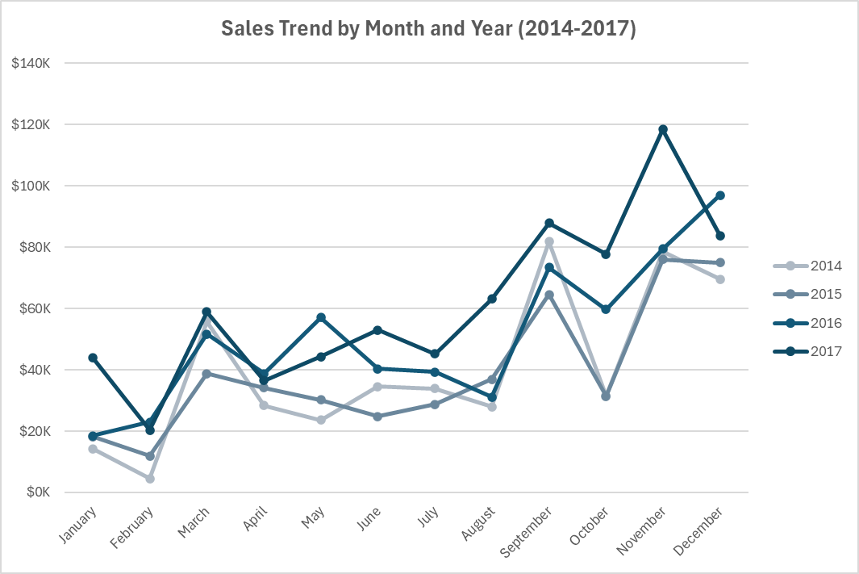
Seasonal Inventory Strategy (Q4 Focus)
-Analysis: Sales data from 2014 to 2017 confirms a systematic revenue spike during September and November each year.
- Year-over-Year Growth: By comparing the Q4 (October-December) periods, we can observe the annual growth trend and the increasing scale of the year-end peak.
- Operational Impact: These months represent the most critical period for hitting annual revenue targets, requiring precise inventory management.
- Recommendation: Based on the consistent spikes, the supply chain should begin "inventory ramp-up" in August to ensure full stock availability for the September and November surges.

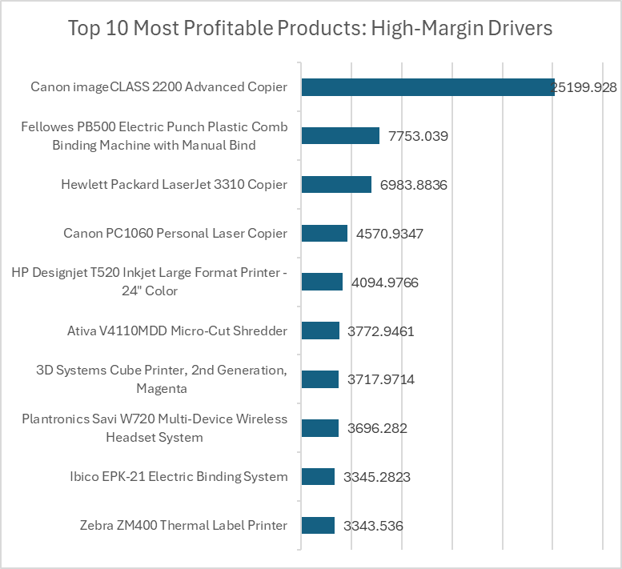
Profit Concentration Risk
- Finding: A significant portion of the total net profit is driven by a small group of "Hero Products." The Canon imageCLASS 2200 alone contributes over $25k, vastly outperforming any other SKU.
- Margin Analysis: While the overall company profit margin stands at 12.47%, these specific high-value items are what sustain the bottom line.
- Risk: This creates a high dependency on a few manufacturers and specific high-end technology products. Any supply chain disruption or price increase for these items would disproportionately impact total profitability.
- Recommendation: Diversify the high-margin portfolio by identifying and promoting "Tier 2" profitable products to reduce the risk of over-reliance on a single SKU.

