Dashboard
PERSONAL FINANCE DASHBOARD | FY-2026



Track your income, savings & Budget in one place

Total Expenses
Net Savings
Savings Rate
Budget Utilization
Current Balance
Total Income
10%
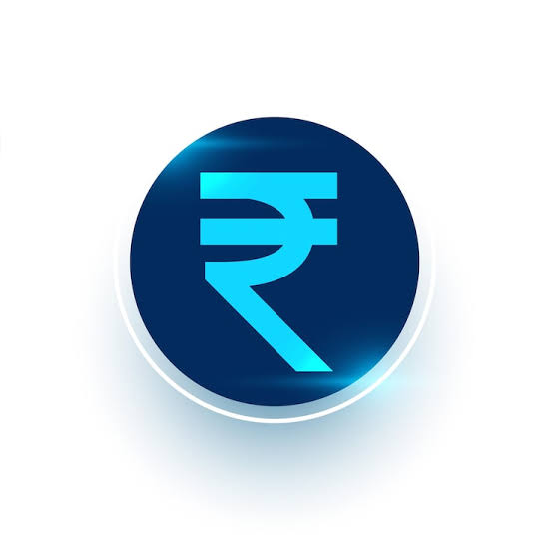
₹ 3,836K
₹ 3,452K
₹ 384K
93%
₹ 120K

Income this period
Expenses this period
Income minus Expenses
of Total Income
Spent vs Budgeted
Lates Balance

Monthly income & Expenses
 | Expense | Income
Jan | ₹461K | ₹685K
Feb | ₹336K | ₹284K
Mar | ₹427K | ₹632K
Apr | ₹434K | ₹507K
May | ₹337K | ₹176K
Jun | ₹138K | ₹203K
Jul | ₹261K | ₹97K
Aug | ₹223K | ₹118K
Sep | ₹263K | ₹130K
Oct | ₹164K | ₹430K
Nov | ₹195K | ₹340K
Dec | ₹212K | ₹234K
Savings goal by Amount
 | Total
Car | ₹1,968K
Emergency Fund | ₹1,331K
Investment | ₹1,937K
Vacation | ₹2,051K
Expenses by Category
 | Total
Dining | ₹433K
Electricity | ₹449K
Fuel | ₹429K
Grocery | ₹418K
Healthcare | ₹467K
Internet | ₹421K
Rent | ₹367K
Shopping | ₹469K

Income by Category
 | Total
Bonus | ₹834K
Freelancing | ₹1,167K
Interest | ₹857K
Salary | ₹978K
By Account
 | Total
Credit Card | ₹2,333K
Savings | ₹2,833K
Wallet | ₹2,121K
Budget vs Actual
 | Sum of Amount (₹) | Sum of Budget (₹)
Dining | ₹433K | ₹477K
Electricity | ₹449K | ₹462K
Fuel | ₹429K | ₹449K
Grocery | ₹418K | ₹432K
Healthcare | ₹467K | ₹511K
Internet | ₹421K | ₹476K
Rent | ₹367K | ₹334K
Shopping | ₹469K | ₹551K
Payment menthod (Expenses)
 | Total
Bank Transfer | ₹585K
Cash | ₹572K
Credit Card | ₹535K
Debit Card | ₹592K
Net Banking | ₹547K
UPI | ₹621K

