Introduction
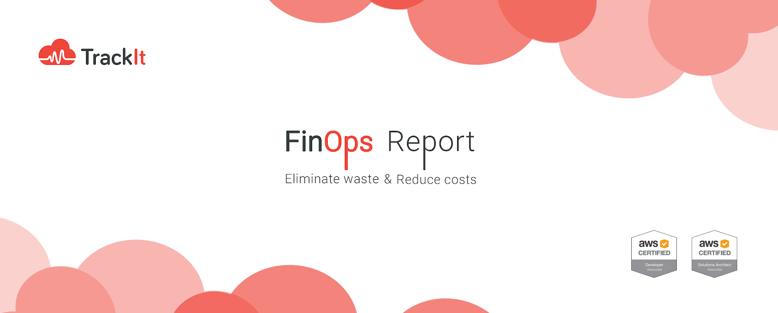

Instance count history chart
 | Amazon SimpleDB - Standard | m3.medium | m4.large | m4.xlarge | m5.large | t2.medium | t2.micro | t2.small
2017-10-01T00:00:00Z | 0 | 0 | 2 | 0 | 0 | 0 | 4 | 0
2017-10-01T01:00:00Z | 0 | 0 | 2 | 0 | 0 | 0 | 4 | 0
2017-10-01T02:00:00Z | 0 | 0 | 2 | 0 | 0 | 0 | 4 | 0
2017-10-01T03:00:00Z | 0 | 0 | 2 | 0 | 0 | 0 | 4 | 0
2017-10-01T04:00:00Z | 0 | 0 | 2 | 0 | 0 | 0 | 4 | 0
2017-10-01T05:00:00Z | 0 | 0 | 2 | 0 | 0 | 0 | 4 | 0
2017-10-01T06:00:00Z | 0 | 0 | 2 | 0 | 0 | 0 | 4 | 0
2017-10-01T07:00:00Z | 0 | 0 | 2 | 0 | 0 | 0 | 4 | 0
2017-10-01T08:00:00Z | 0 | 0 | 2 | 0 | 0 | 0 | 4 | 0
2017-10-01T09:00:00Z | 0 | 0 | 2 | 0 | 0 | 0 | 4 | 0
2017-10-01T10:00:00Z | 0 | 0 | 2 | 0 | 0 | 0 | 4 | 0
2017-10-01T11:00:00Z | 0 | 0 | 2 | 0 | 0 | 0 | 4 | 0
2017-10-01T12:00:00Z | 0 | 0 | 2 | 0 | 0 | 0 | 4 | 0
2017-10-01T13:00:00Z | 0 | 0 | 2 | 0 | 0 | 0 | 4 | 0
2017-10-01T14:00:00Z | 0 | 0 | 2 | 0 | 0 | 0 | 4 | 0
2017-10-01T15:00:00Z | 0 | 0 | 2 | 0 | 0 | 0 | 4 | 0
2017-10-01T16:00:00Z | 0 | 0 | 2 | 0 | 0 | 0 | 4 | 0
2017-10-01T17:00:00Z | 0 | 0 | 2 | 0 | 0 | 0 | 4 | 0
2017-10-01T18:00:00Z | 0 | 0 | 2 | 0 | 0 | 0 | 4 | 0
2017-10-01T19:00:00Z | 0 | 0 | 2 | 0 | 0 | 0 | 4 | 0
2017-10-01T20:00:00Z | 0 | 0 | 2 | 0 | 0 | 0 | 4 | 0
2017-10-01T21:00:00Z | 0 | 0 | 2 | 0 | 0 | 0 | 4 | 0
2017-10-01T22:00:00Z | 0 | 0 | 2 | 0 | 0 | 0 | 4 | 0
2017-10-01T23:00:00Z | 0 | 0 | 2 | 0 | 0 | 0 | 4 | 0
2017-10-02T00:00:00Z | 0 | 0 | 2 | 0 | 0 | 0 | 4 | 0
2017-10-02T01:00:00Z | 0 | 0 | 2 | 0 | 0 | 0 | 4 | 0
2017-10-02T02:00:00Z | 0 | 0 | 2 | 0 | 0 | 0 | 4 | 0
2017-10-02T03:00:00Z | 0 | 0 | 2 | 0 | 0 | 0 | 4 | 0
2017-10-02T04:00:00Z | 0 | 0 | 2 | 0 | 0 | 0 | 4 | 0
2017-10-02T05:00:00Z | 0 | 0 | 2 | 0 | 0 | 0 | 4 | 0
2017-10-02T06:00:00Z | 0 | 0 | 2 | 0 | 0 | 0 | 4 | 0
2017-10-02T07:00:00Z | 0 | 0 | 2 | 0 | 0 | 0 | 4 | 0
2017-10-02T08:00:00Z | 0 | 0 | 2 | 0 | 0 | 0 | 4 | 0
2017-10-02T09:00:00Z | 0 | 0 | 2 | 0 | 0 | 0 | 4 | 0
2017-10-02T10:00:00Z | 0 | 0 | 2 | 0 | 0 | 0 | 4 | 0
2017-10-02T11:00:00Z | 0 | 0 | 2 | 0 | 0 | 0 | 4 | 0
2017-10-02T12:00:00Z | 0 | 0 | 2 | 0 | 0 | 0 | 4 | 0
2017-10-02T13:00:00Z | 0 | 0 | 2 | 0 | 0 | 0 | 4 | 0
2017-10-02T14:00:00Z | 0 | 0 | 2 | 0 | 0 | 0 | 4 | 0
2017-10-02T15:00:00Z | 0 | 0 | 2 | 0 | 0 | 0 | 4 | 0
2017-10-02T16:00:00Z | 0 | 0 | 2 | 0 | 0 | 0 | 4 | 0
2017-10-02T17:00:00Z | 0 | 0 | 2 | 0 | 0 | 0 | 4 | 0
2017-10-02T18:00:00Z | 0 | 0 | 2 | 0 | 0 | 0 | 4 | 0
2017-10-02T19:00:00Z | 0 | 0 | 2 | 0 | 0 | 0 | 4 | 0
2017-10-02T20:00:00Z | 0 | 0 | 2 | 0 | 0 | 0 | 4 | 0
2017-10-02T21:00:00Z | 0 | 0 | 2 | 0 | 0 | 0 | 4 | 0
2017-10-02T22:00:00Z | 0 | 0 | 2 | 0 | 0 | 0 | 4 | 0
2017-10-02T23:00:00Z | 0 | 0 | 2 | 0 | 0 | 0 | 4 | 0
2017-10-03T00:00:00Z | 0 | 0 | 2 | 0 | 0 | 0 | 4 | 0
2017-10-03T01:00:00Z | 0 | 0 | 2 | 0 | 0 | 0 | 4 | 0
...

