ESP32
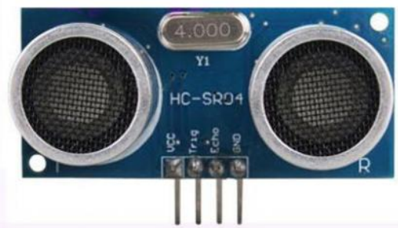
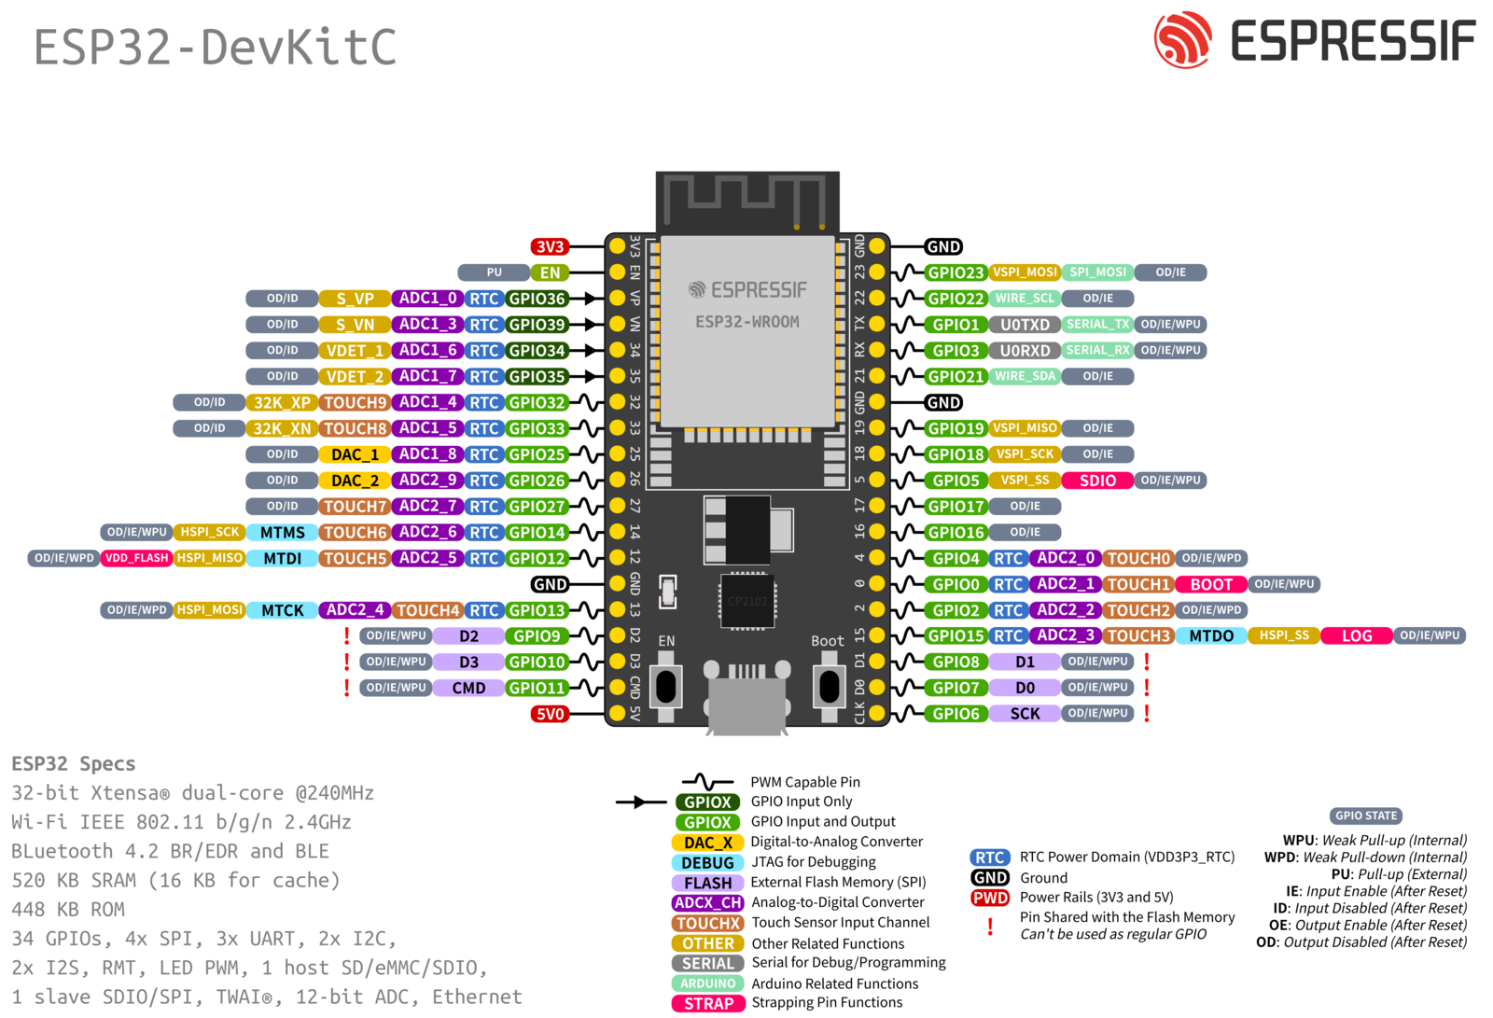
 | GPIO0 | Boot
 | GPIO1 | TX1
 | GPIO2
 | GPIO3 | RX1
 | GPIO4 | Right Front Motor ENA
 | GPIO5 | Left Front Motor ENA
 | GPIO6 | Reserved SPI Flash
 | GPIO7 | Reserved SPI Flash
 | GPIO8 | Reserved SPI Flash
 | GPIO9 | Reserved SPI Flash
 | GPIO10 | Reserved SPI Flash
 | GPIO11 | Reserved SPI Flash
 | GPIO12 | Right Rear Motor ENA
 | GPIO13
 | GPIO14 | Right Rear Motor IN1
 | GPIO15
 | GPIO16 | Right Front Motor IN2
 | GPIO17 | Right Front Motor IN1
 | GPIO18 | Left Front Motor IN1
 | GPIO19 | Left Front Motor ENA
 | GPIO20
 | GPIO21 | MP3RX2
 | GPIO22 | MP3TX2
 | GPIO23 | US Right Trigger
 | GPIO24
 | GPIO25 | Left Rear Motor IN2
 | GPIO26 | Left Rear Motor IN1
 | GPIO27 | Right Rear Motor IN2
 | GPIO28
 | GPIO29
 | GPIO30
 | GPIO31
 | GPIO32 | US Left Trigger
 | GPIO33 | Left Rear Motor ENA
Input Only | GPIO34 | US Left Echo
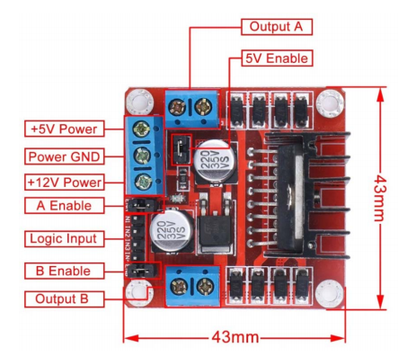
Input Only | GPIO35 | US Right Echo
Input Only | GPIO36
 | GPIO37
 | GPIO38
Input Only | GPIO39

