Sheet1
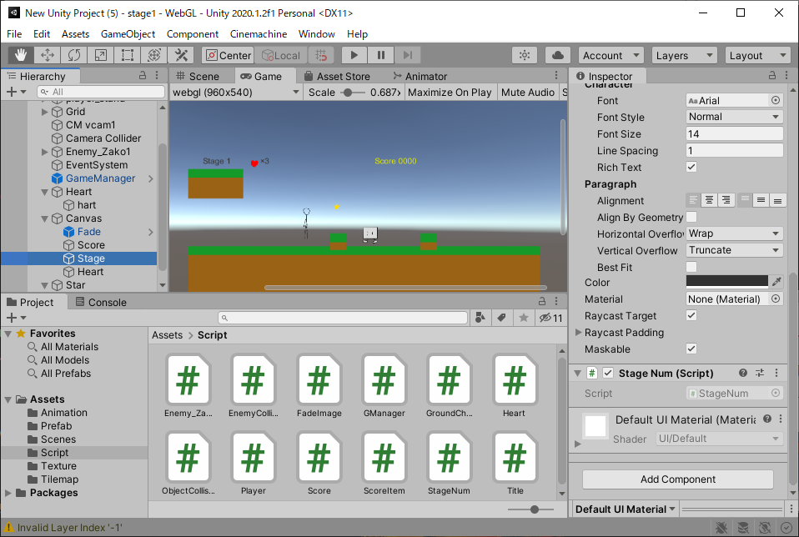
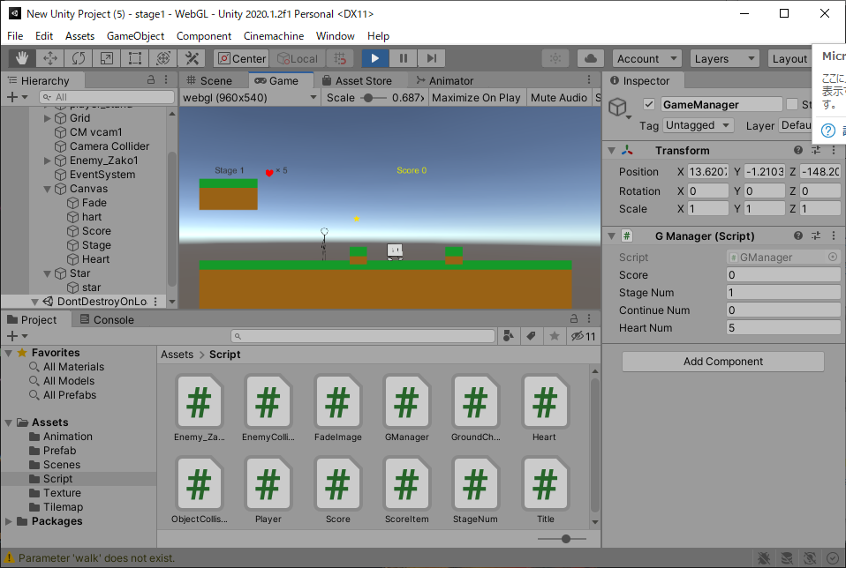
課題内容：勤務先使用環境学習
 | 9：00～12：00 | Unityでプログラミングをやってみよう【C#基本】(プログラミング作成・動作理解)
 | 12：00～13：00 | 昼食
 | 13：00～15：00 | Unityでプログラミングをやってみよう【C#基本】(プログラミング作成・動作理解)
 | 15：00～17：30 | ゲーム開発ができるようになる基礎知識まとめ(資料まとめ)
 | 17：30～18：00 | 本日のまとめ／明日の課題準備

 | 1．Unityでプログラミングをやってみよう【C#基本】
 | https://dkrevel.com/makegame-beginner/program-beginner/

 | 上記URL内容を確認しながらプログラムの作成を行いました。

 | Unityでプログラミングをやってみよう【C#基本】

 | スコア・残機・アイテム作成

 | ・スコア表示
 | ・残機表示
 | ・現在のステージ表示

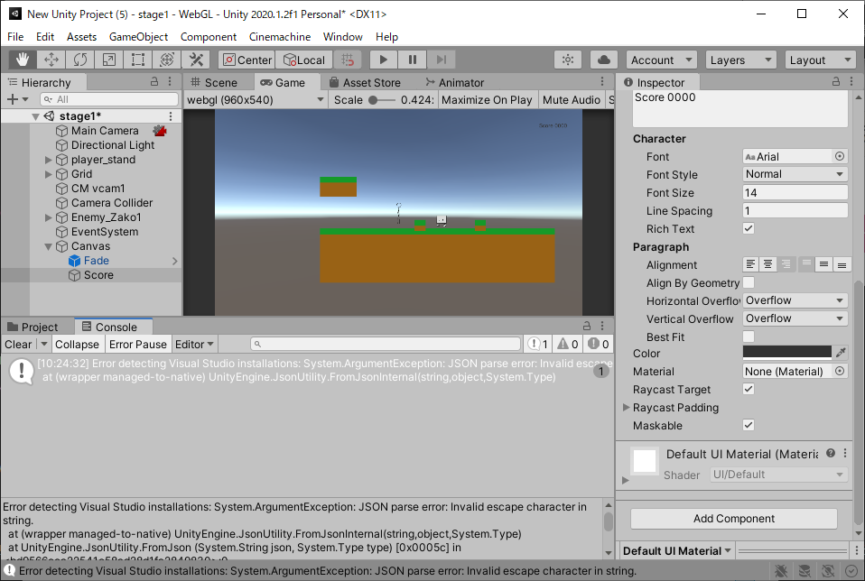

 | スコアを表示するスクリプト

 | using System.Collections;
 | using System.Collections.Generic;
 | using UnityEngine;
 | using UnityEngine.UI;

 | public class Score : MonoBehaviour
 | {
 | private Text scoreText;
 | private int oldScore;

 | void Start()
 | {
 | scoreText = GetComponent<Text>();
 | if (scoreText != null && GManager.instance != null)
 | {
 | scoreText.text = "Score " + GManager.instance.score.ToString();
 | }
 | }

 | void Update()
 | {
 | if (scoreText != null && GManager.instance != null)
 | {
 | if (oldScore != GManager.instance.score)
 | {
 | scoreText.text = "Score " + GManager.instance.score.ToString();
 | oldScore = GManager.instance.score;
 | }
 | }
 | }
 | }

 | ゲームマネージャーをうまく使おう

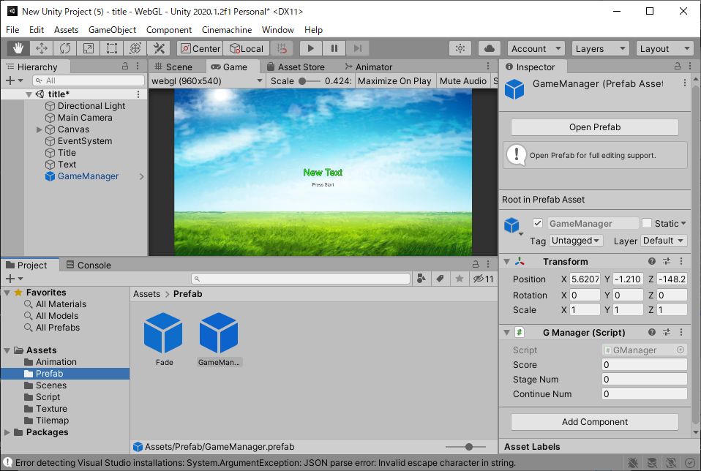

 | スコアを加算しよう

 | using System.Collections;
 | using System.Collections.Generic;
 | using UnityEngine;

 | public class Enemy_Zako1 : MonoBehaviour
 | {
 | #region//インスペクターで設定する
 | [Header("加算スコア")] public int myScore; //New!
 | [Header("移動速度")] public float speed;
 | [Header("重力")] public float gravity;
 | [Header("画面外でも行動する")] public bool nonVisibleAct;
 | [Header("接触判定")] public EnemyCollisionCheck checkCollision;
 | #endregion

 | #region//プライベート変数
 | private Rigidbody2D rb = null;
 | private SpriteRenderer sr = null;
 | private Animator anim = null;
 | private ObjectCollision oc = null;
 | private BoxCollider2D col = null;
 | private bool rightTleftF = false;
 | private bool isDead = false;
 | private float deadTimer = 0.0f;
 | #endregion

 | // Start is called before the first frame update
 | void Start()
 | {
 | rb = GetComponent<Rigidbody2D>();
 | sr = GetComponent<SpriteRenderer>();
 | anim = GetComponent<Animator>();
 | oc = GetComponent<ObjectCollision>();
 | col = GetComponent<BoxCollider2D>();
 | }

 | void FixedUpdate()
 | {
 | if (!oc.playerStepOn)
 | {
 | if (sr.isVisible || nonVisibleAct)
 | {
 | if (checkCollision.isOn)
 | {
 | rightTleftF = !rightTleftF;
 | }
 | int xVector = -1;
 | if (rightTleftF)
 | {
 | xVector = 1;
 | transform.localScale = new Vector3(-1, 1, 1);
 | }
 | else
 | {
 | transform.localScale = new Vector3(1, 1, 1);
 | }
 | rb.velocity = new Vector2(xVector * speed, -gravity);
 | anim.SetBool("walk", true);
 | }
 | else
 | {
 | anim.SetBool("walk", false);
 | }
 | }
 | else
 | {
 | if (!isDead)
 | {
 | anim.Play("dead");
 | rb.velocity = new Vector2(0, -gravity);
 | isDead = true;
 | col.enabled = false;

 | //New!
 | if(GManager.instance != null)
 | {
 | GManager.instance.score += myScore;
 | }
 | }
 | else
 | {
 | transform.Rotate(new Vector3(0, 0, 5));
 | if (deadTimer > 3.0f)
 | {
 | Destroy(this.gameObject);
 | }
 | else
 | {
 | deadTimer += Time.deltaTime;
 | }
 | }
 | }
 | }
 | }

 | スコアを加算するアイテムを作ろう

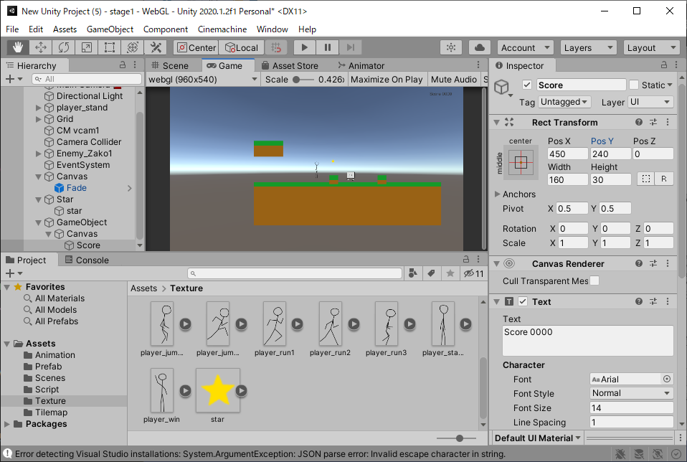

 | アイテム用のスクリプト

 | using System.Collections;
 | using System.Collections.Generic;
 | using UnityEngine;

 | public class ScoreItem : MonoBehaviour
 | {
 | [Header("加算スコア")] public int myScore;

 | private string playerTag = "Player";

 | private void OnTriggerEnter2D(Collider2D collision)
 | {
 | if (collision.tag == playerTag)
 | {
 | if (GManager.instance != null)
 | {
 | GManager.instance.score += myScore;
 | Destroy(this.gameObject);
 | }
 | }
 | }
 | }

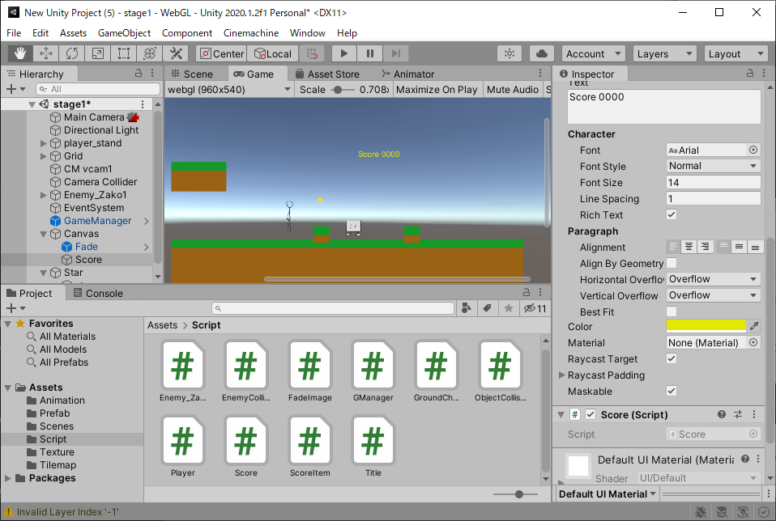

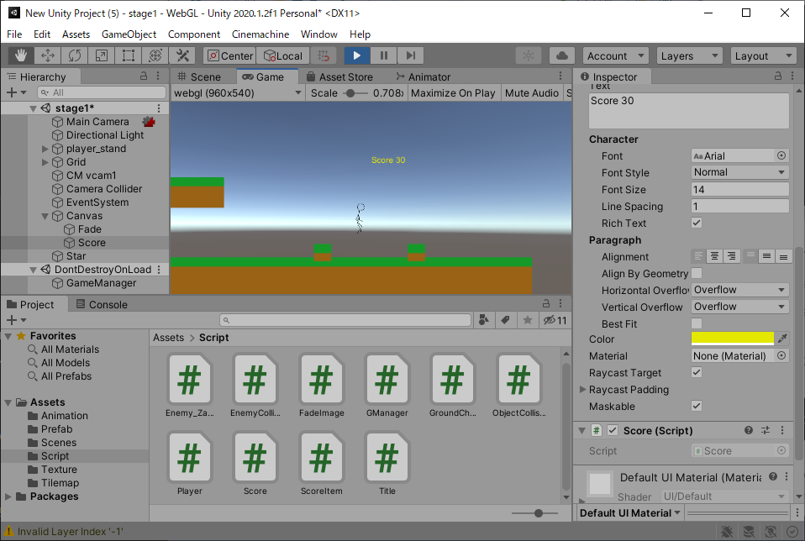

 | 残機表示・ステージ数表示

 | using System.Collections;
 | using System.Collections.Generic;
 | using UnityEngine;

 | public class GManager : MonoBehaviour
 | {
 | public static GManager instance = null;

 | public int score = 0;
 | public int stageNum = 1;
 | public int continueNum = 0;
 | public int heartNum = 3;

 | private void Awake()
 | {
 | if(instance == null)
 | {
 | instance = this;
 | DontDestroyOnLoad(this.gameObject);
 | }
 | else
 | {
 | Destroy(this.gameObject);
 | }
 | }
 | }

 | using System.Collections;
 | using System.Collections.Generic;
 | using UnityEngine;
 | using UnityEngine.UI;

 | public class StageNum : MonoBehaviour
 | {
 | private Text stageText;
 | private int oldStageNum;

 | void Start()
 | {
 | stageText = GetComponent<Text>();
 | if (stageText != null && GManager.instance != null)
 | {
 | stageText.text = "Stage " + GManager.instance.stageNum.ToString();
 | }
 | }

 | void Update()
 | {
 | if (stageText != null && GManager.instance != null)
 | {
 | if (oldStageNum != GManager.instance.stageNum)
 | {
 | stageText.text = "Stage " + GManager.instance.stageNum.ToString();
 | oldStageNum = GManager.instance.stageNum;
 | }
 | }
 | }
 | }

 | using System.Collections;
 | using System.Collections.Generic;
 | using UnityEngine;
 | using UnityEngine.UI;

 | public class Heart : MonoBehaviour
 | {
 | private Text heartText;
 | private int oldHeartNum;

 | void Start()
 | {
 | heartText = GetComponent<Text>();
 | if (heartText != null && GManager.instance != null)
 | {
 | heartText.text = "× " + GManager.instance.heartNum.ToString();
 | }
 | }

 | void Update()
 | {
 | if (heartText != null && GManager.instance != null)
 | {
 | if (oldHeartNum != GManager.instance.heartNum)
 | {
 | heartText.text = "× " + GManager.instance.heartNum.ToString();
 | oldHeartNum = GManager.instance.heartNum;
 | }
 | }
 | }
 | }

