PC
header.l-header

div.l-header__right

ul.l-header-left
ul.l-header-right
ul.l-header-left__top
ul.l-header-right li

ul.l-header-left__top li
background: url()にて設定

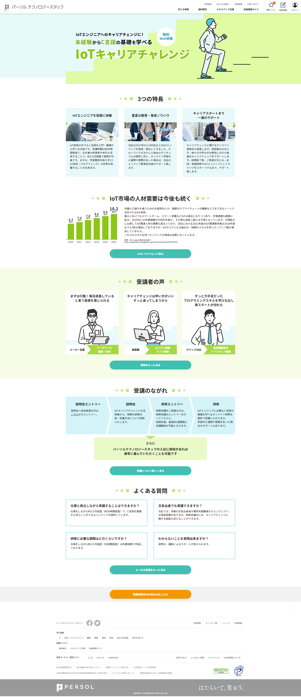
div.l-header__logo (a img)
h1.l-kv

ul.l-header-left__bottom li

ul.l-header-left__bottom

main.l-main
div.p-contents
h2.c-heading
seciton.p-contents__item
div.l-section
div.p-contents
h3.p-contents__heading

figure.p-contents__image (img)

p.p-contents__description

div.p-contents

div.p-contents

p.p-contents__description

p.p-contents__description
p.p-contents__description--small

figure.p-contents__image (img)
c-button

div.l-section
div.l-section--green

h2.c-heading

div.p-contents
section.p-contents__item

h3.p-contents__heading

figure.p-contents__image (img)

figure.p-contents-flow

p.p-contents-flow__right

c-button
p.p-contents-flow__left

div.l-section
div.l-section--green

h2.c-heading

div.p-contents
section.p-contents__item

h3.p-contents__heading

p.p-contents__description

div.p-contents__advanced::before

div.p-contents__advanced

div.p-contents__suggest

c-button

h2.c-heading
div.l-section
div.l-section--green

div.p-contents
section.p-contents__item

h3.p-contents__heading

p.p-contents__description

p a.c-button

p a.c-button
p a.c-button--yellow
div.p-apply

footer.l-footer
div.l-footer-top

div.p-footer__top

div.p-footer__aboveTheMiddle

div.p-footer__belowTheMiddle

div.p-footer__bottom

div.l-footer-bottom

SP
l-header

l-kv

l-main

l-footer

