Battery Runtime
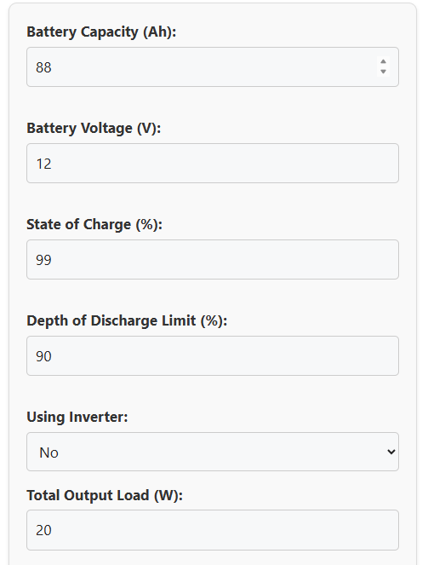
Battery Runtime Calculator
 | Assume: 5v x 4A = 20W of power draw (constant)

