huerhuero_HrC
Huerohuero loam, 15-30% slopes, eroded. Geomorphic position: marine terraces
HrE2, HrC (soil properties same for all)
areasymbol | hzname | desgndisc | desgnmaster | desgnmasterprime | desgnvert | hzdept_l | hzdept_r | hzdept_h | hzdepb_l | hzdepb_r | hzdepb_h | hzthk_l | hzthk_r | hzthk_h | fraggt10_l | fraggt10_r | fraggt10_h | frag3to10_l | frag3to10_r | frag3to10_h | sieveno4_l | sieveno4_r | sieveno4_h | sieveno10_l | sieveno10_r | sieveno10_h | sieveno40_l | sieveno40_r | sieveno40_h | sieveno200_l | sieveno200_r | sieveno200_h | sandtotal_l | sandtotal_r | sandtotal_h | sandvc_l | sandvc_r | sandvc_h | sandco_l | sandco_r | sandco_h | sandmed_l | sandmed_r | sandmed_h | sandfine_l | sandfine_r | sandfine_h | sandvf_l | sandvf_r | sandvf_h | silttotal_l | silttotal_r | silttotal_h | siltco_l | siltco_r | siltco_h | siltfine_l | siltfine_r | siltfine_h | claytotal_l | claytotal_r | claytotal_h | claysizedcarb_l | claysizedcarb_r | claysizedcarb_h | om_l | om_r | om_h | dbtenthbar_l | dbtenthbar_r | dbtenthbar_h | dbthirdbar_l | dbthirdbar_r | dbthirdbar_h | dbfifteenbar_l | dbfifteenbar_r | dbfifteenbar_h | dbovendry_l | dbovendry_r | dbovendry_h | partdensity | ksat_l | ksat_r | ksat_h | awc_l | awc_r | awc_h | wtenthbar_l | wtenthbar_r | wtenthbar_h | wthirdbar_l | wthirdbar_r | wthirdbar_h | wfifteenbar_l | wfifteenbar_r | wfifteenbar_h | wsatiated_l | wsatiated_r | wsatiated_h | lep_l | lep_r | lep_h | ll_l | ll_r | ll_h | pi_l | pi_r | pi_h | aashind_l | aashind_r | aashind_h | kwfact | kffact | caco3_l | caco3_r | caco3_h | gypsum_l | gypsum_r | gypsum_h | sar_l | sar_r | sar_h | ec_l | ec_r | ec_h | cec7_l | cec7_r | cec7_h | ecec_l | ecec_r | ecec_h | sumbases_l | sumbases_r | sumbases_h | ph1to1h2o_l | ph1to1h2o_r | ph1to1h2o_h | ph01mcacl2_l | ph01mcacl2_r | ph01mcacl2_h | freeiron_l | freeiron_r | freeiron_h | feoxalate_l | feoxalate_r | feoxalate_h | extracid_l | extracid_r | extracid_h | extral_l | extral_r | extral_h | aloxalate_l | aloxalate_r | aloxalate_h | pbray1_l | pbray1_r | pbray1_h | poxalate_l | poxalate_r | poxalate_h | ph2osoluble_l | ph2osoluble_r | ph2osoluble_h | ptotal_l | ptotal_r | ptotal_h | excavdifcl | excavdifms | cokey | chkey
ca638 | H1 |  | H |  | 1 |  | 0 |  |  | 25 |  |  |  |  | 0 | 0 | 0 | 0 | 0 | 0 | 95 | 97.5 | 100 | 90 | 95 | 100 | 80 | 87.5 | 95 | 50 | 62.5 | 75 |  | 42.1 |  |  | 4 |  |  | 5.5 |  |  | 7.4 |  |  | 13.1 |  |  | 12.1 |  |  | 37.9 |  |  |  |  |  |  |  | 15 | 20 | 25 |  |  |  | 1 | 1.5 | 2 |  |  |  | 1.45 | 1.5 | 1.55 |  |  |  | 1.52 | 1.57 | 1.64 |  | 4 | 9 | 14 | 0.14 | 0.16 | 0.18 |  |  |  | 24.6 | 28.2 | 31.5 | 9.8 | 13.7 | 17.7 | 36 | 39 | 42 | 0 | 1.5 | 2.9 | 25 | 30 | 35 | 5 | 7.5 | 10 | 0 | 2 | 7 | 0.43 | 0.43 | 0 | 0 | 0 | 0 | 0 | 0 | 0 | 3 | 5 | 0 | 0 | 0 | 15 | 17.5 | 20 |  |  |  |  |  |  | 5.1 | 5.6 | 6 |  |  |  |  |  |  |  |  |  |  |  |  |  |  |  |  |  |  |  |  |  |  |  |  |  |  |  |  |  |  |  |  | 13080262 | 37484260
ca638 | H2 |  | H |  | 2 |  | 25 |  |  | 127 |  |  |  |  | 0 | 0 | 0 | 0 | 0 | 0 | 95 | 97.5 | 100 | 90 | 95 | 100 | 90 | 95 | 100 | 70 | 82.5 | 95 |  | 29 |  |  | 2 |  |  | 3.1 |  |  | 4.7 |  |  | 9.4 |  |  | 9.8 |  |  | 31 |  |  |  |  |  |  |  | 35 | 40 | 45 |  |  |  | 0.5 | 0.75 | 1 |  |  |  | 1.35 | 1.4 | 1.45 |  |  |  | 1.7 | 1.75 | 1.82 |  | 0.01 | 0.215 | 0.42 | 0.03 | 0.05 | 0.06 |  |  |  | 27.6 | 30.1 | 38 | 18.4 | 21.9 | 25.4 | 40 | 43 | 46 | 6 | 7.5 | 8.9 | 40 | 50 | 60 | 20 | 25 | 30 | 12 | 22 | 34 | 0.32 | 0.32 | 0 | 0 | 0 | 0 | 0 | 0 | 15 | 20 | 25 | 0 | 1 | 2 | 25 | 30 | 35 |  |  |  |  |  |  | 7.4 | 7.9 | 8.4 |  |  |  |  |  |  |  |  |  |  |  |  |  |  |  |  |  |  |  |  |  |  |  |  |  |  |  |  |  |  |  |  | 13080262 | 37484258
ca638 | H3 |  | H |  | 3 |  | 127 |  |  | 152 |  |  |  |  | 0 | 0 | 0 | 0 | 0 | 0 | 90 | 95 | 100 | 90 | 95 | 100 | 50 | 62.5 | 75 | 25 | 30 | 35 |  | 90 |  |  | 0.5 |  |  | 10.8 |  |  | 33.2 |  |  | 37.5 |  |  | 8 |  |  | 0 |  |  |  |  |  |  |  | 5 | 10 | 15 |  |  |  | 0 | 0.25 | 0.5 |  |  |  | 1.5 | 1.58 | 1.65 |  |  |  | 1.57 | 1.65 | 1.73 |  | 1.4 | 2.7 | 4 | 0.06 | 0.09 | 0.12 | 13.2 | 16.6 | 19.1 | 9.5 | 13.5 | 16.8 | 3.3 | 7.1 | 11.2 | 33 | 37 | 41 | 0 | 1.5 | 2.9 | 15 | 20 | 25 | 5 | 7.5 | 10 | 0 | 0 | 0 | 0.15 | 0.15 | 0 | 0 | 0 | 0 | 0 | 0 | 5 | 10 | 15 | 0 | 1 | 2 | 15 | 17.5 | 20 |  |  |  |  |  |  | 7.4 | 7.9 | 8.4 |  |  |  |  |  |  |  |  |  |  |  |  |  |  |  |  |  |  |  |  |  |  |  |  |  |  |  |  |  |  |  |  | 13080262 | 37484259
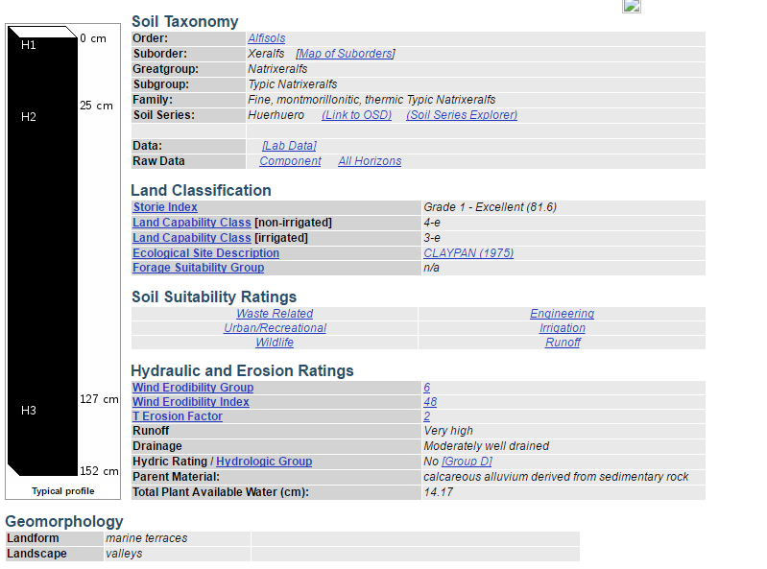
https://casoilresource.lawr.ucdavis.edu/soil_web/ssurgo.php?action=explain_component&mukey=456839&cokey=13080262

Click on "map units", which gives hyperlinks to profile data

https://casoilresource.lawr.ucdavis.edu/sde/?series=huerhuero#osd

