general Data
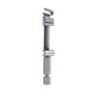
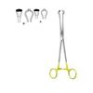
Category | Title | Price | SKU Combined | Description | Size | Image
General | Matrix Retainer Toffilemire Junior | $ $0.00 | SKU:C-2514 C-2514 | N/A | N/A
Intestines & Stomach | Babcock | $ $0.00 | SKU:C-18-110-16 C-18-110-16 | Intestinal and Tissue Grasping Forceps.. | 16.5cm, 21cm

