haemostatic-forceps Data
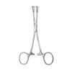
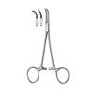
Category | Title | Price | SKU Combined | Description | Size | Image
Haemostatic Forceps | Haemostatic Forceps | $ $0.00 | SKU:C-05-607-14 C-05-607-14 | Haemostatic Forceps.. | N/A
Haemostatic Forceps | Haemostatic Forceps | $ $0.00 | SKU:C-05-613-01 C-05-613-01 | Face-lift Forceps.. | N/A
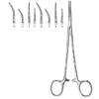
Haemostatic Forceps | Hartmann | $ $0.00 | SKU:C-05-616-18 C-05-616-18 | Dissecting and Ligature Forceps.. | 10.5cm, 9cm
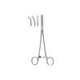
Haemostatic Forceps | Heiss | $ $0.00 | SKU:C-05-643-20 C-05-643-20 | Dissecting and Ligature Forceps.. | 20.5cm, 20cm, 21cm
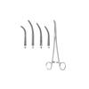
Haemostatic Forceps | Kelly | $ $0.00 | SKU:C-05-671-19 C-05-671-19 | Bile Duct Clamp.. | 19.5cm, fig1
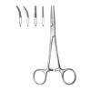
Haemostatic Forceps | Kelly | $ $0.00 | SKU:C-05-620-14 C-05-620-14 | Haemostatic Forceps.. | 14.5cm, 14cm
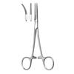
Haemostatic Forceps | Kelly-Rankin | $ $0.00 | SKU:C-05-621-16 C-05-621-16 | Haemostatic Forceps.. | 15.5cm, 16cm
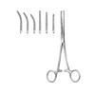
Haemostatic Forceps | Kocher | $ $0.00 | SKU:C-05-635-13 C-05-635-13 | Haemostatic Forceps.. | 13.5cm, 14cm, 16cm
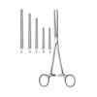
Haemostatic Forceps | Kocher (Ochsner) | $ $0.00 | SKU:C-05-638-14 C-05-638-14 | Haemostatic Forceps.. | 14.5cm, 16cm, 18.5cm, 20.5cm, 24cm, 26.5cm
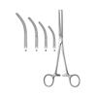
Haemostatic Forceps | Kocher (Ochsner) | $ $0.00 | SKU:C-05-639-14 C-05-639-14 | Haemostatic Forceps.. | 14cm, 16cm, 18cm, 20cm, 22cm, 24cm
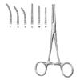
Haemostatic Forceps | Kocher-Nippon | $ $0.00 | SKU:C-05-633-14 C-05-633-14 | Haemostatic Forceps.. | 14.5cm, 16.5cm, 16cm, 18cm
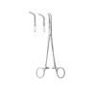
Haemostatic Forceps | Lahey | $ $0.00 | SKU:C-05-665-19 C-05-665-19 | Dissecting and Ligature Forceps.. | 19.5cm, 22cm
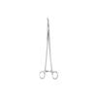
Haemostatic Forceps | Lawrence | $ $0.00 | SKU:C-05-672-28 C-05-672-28 | N/A | 28cm
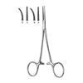
Haemostatic Forceps | Leriche | $ $0.00 | SKU:C-05-619-15 C-05-619-15 | N/A | 15.5cm, 15cm
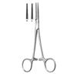
Haemostatic Forceps | Lovelace | $ $0.00 | SKU:C-05-625-15 C-05-625-15 | Haemostatic Forceps.. | 16cm
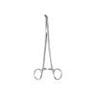
Haemostatic Forceps | Lower | $ $0.00 | SKU:C-05-664-18 C-05-664-18 | N/A | 18.5cm
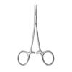
Haemostatic Forceps | Martel-Rees | $ $0.00 | SKU:C-05-612-12 C-05-612-12 | Haemostatic Forceps.. | 13.5cm
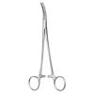
Haemostatic Forceps | Martin-Fuchsig | $ $0.00 | SKU:C-05-630-20 C-05-630-20 | Dissecting and Ligature Forceps.. | 20.5cm
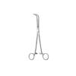
Haemostatic Forceps | Mc Quigg-Mixter | $ $0.00 | SKU:C-05-663-22 C-05-663-22 | Dissecting and Ligature Forceps.. | 23.5cm
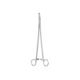
Haemostatic Forceps | Meeke | $ $0.00 | SKU:C-05-673-28 C-05-673-28 | Dissecting and Ligature Forceps.. | 28cm
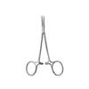
Haemostatic Forceps | Mikro-Mosquito | $ $0.00 | SKU:C-05-617-10s C-05-617-10s | Haemostatic Forceps.. | 10cm, 11.5cm, 9cm
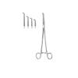
Haemostatic Forceps | Mini-Gemini | $ $0.00 | SKU:C-05-653-18 C-05-653-18 | Dissecting and Ligature Forceps.. | 18cm, 22cm, 25.5cm, 28cm
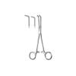
Haemostatic Forceps | Mixter | $ $0.00 | SKU:C-05-657-15 C-05-657-15 | Dissecting and Ligature Forceps.. | 16cm, 18cm
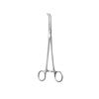
Haemostatic Forceps | Mixter | $ $0.00 | SKU:C-05-659-22 C-05-659-22 | Dissecting and Ligature Forceps.. | 22.5cm
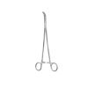
Haemostatic Forceps | Mixter | $ $0.00 | SKU:C-05-660-23 C-05-660-23 | N/A | 23cm
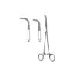
Haemostatic Forceps | Mixter | $ $0.00 | SKU:C-05-662-22 C-05-662-22 | Dissecting and Ligature Forceps | 22.5cm, 26cm, 28cm
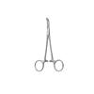
Haemostatic Forceps | Mixter-Baby | $ $0.00 | SKU:C-05-656-14 C-05-656-14 | N/A | 13.5cm
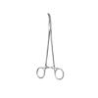
Haemostatic Forceps | Mixter-Baby | $ $0.00 | SKU:C-05-641-18 C-05-641-18 | Dissecting and Ligature Forceps.. | 18.5cm
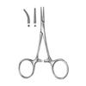
Haemostatic Forceps | Mixter-Baby | $ $0.00 | SKU:C-05-614-10 C-05-614-10 | N/A | 13.5cm, 13cm
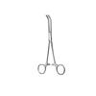
Haemostatic Forceps | Mixter-O Shaugnessy | $ $0.00 | SKU:C-05-658-19 C-05-658-19 | Dissecting and Ligature Forceps.. | 18cm
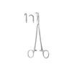
Haemostatic Forceps | Negus | $ $0.00 | SKU:C-05-674-19 C-05-674-19 | Haemostatic Forceps.. | 20.5cm, 28cm, fig1, fig2
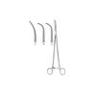
Haemostatic Forceps | Overholt | $ $0.00 | SKU:C-05-650-00 C-05-650-00 | Dissecting and Ligature Forceps.. | 29.5cm, 30cm
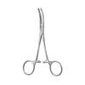
Haemostatic Forceps | Overholt-Baby | $ $0.00 | SKU:C-05-622-14 C-05-622-14 | Haemostatic Forceps.. | 14.5cm, 14cm
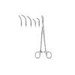
Haemostatic Forceps | Overholt-Fino | $ $0.00 | SKU:C-05-649-00 C-05-649-00 | Dissecting and Ligature Forceps.. | 21.5cm, 21cm, 222.5cm, 22cm
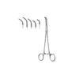
Haemostatic Forceps | Overholt-Geissendorfer | $ $0.00 | SKU:C-05-648-01 C-05-648-01 | N/A | 20.5cm, fig1
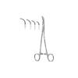
Haemostatic Forceps | Overholt-Martin | $ $0.00 | SKU:C-05-640-01 C-05-640-01 | N/A | 20.5cm, 21cm, fig1, fig2, fig3

