obstetrics Data
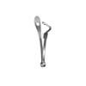
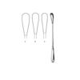
Category | Title | Price | SKU Combined | Description | Size | Image
Obstetrics | Collin | $ $0.00 | SKU:C-21-114-09 C-21-114-09 | Mouth Gags, | 8.5cm
Obstetrics | Cuzzi | $ $0.00 | SKU:C-21-111-01 C-21-111-01 | N/A | 14cm, 30cm
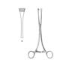
Obstetrics | Green-Armytage | $ $0.00 | SKU:C-21-107-21 C-21-107-21 | Obstetrical Forceps.. | 21cm
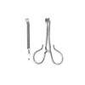
Obstetrics | Kane | $ $0.00 | SKU:C-21-113-08 C-21-113-08 | Tongue Depressor and Cheek Retractors | 8.5cm
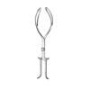
Obstetrics | Kielland | $ $0.00 | SKU:C-21-106-41 C-21-106-41 | Obstetrical Forceps.. | 42x15mm
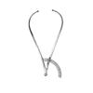
Obstetrics | Martin | $ $0.00 | SKU:C-01-101-34 C-01-101-34 | N/A | 34cm
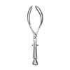
Obstetrics | Nagele | $ $0.00 | SKU:C-05-102-36 C-05-102-36 | N/A | 35x8mm
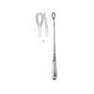
Obstetrics | Pestalozza | $ $0.00 | SKU:C-21-112-30 C-21-112-30 | Mouth Gags | 30cm
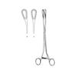
Obstetrics | Sanger | $ $0.00 | SKU:C-21-109-27 C-21-109-27 | N/A | 27cm
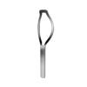
Obstetrics | Sellheim | $ $0.00 | SKU:C-21-108-28 C-21-108-28 | N/A | 32cm
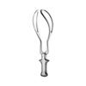
Obstetrics | Simpson | $ $0.00 | SKU:C-05-103-30 C-05-103-30 | N/A | 31cm
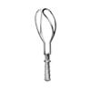
Obstetrics | Simpson | $ $0.00 | SKU:C-21-105-36 C-21-105-36 | Obstetrical Forceps.. | N/A
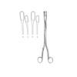
Obstetrics | Winter | $ $0.00 | SKU:C-21-110-01 C-21-110-01 | N/A | 28cm, fig1
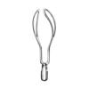
Obstetrics | Wrigley | $ $0.00 | SKU:C-05-104-28 C-05-104-28 | N/A | 28cm

