probes Data
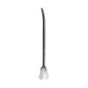
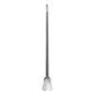
Category | Title | Price | SKU Combined | Description | Size | Image
Probes | Doyen | $ $0.00 | SKU:C-05-1009-14 C-05-1009-14 | Myrtle Leaf Probe.. | 14.5cm
Probes | Nelaton | $ $0.00 | SKU:C-05-1010-16 C-05-1010-16 | N/A | 16cm

Probes | Probe | $ $0.00 | SKU:C-05-1002-11 C-05-1002-11 | N/A | 11.5cm, 13cm, 18.5cm, 20cm, 25cm

Probes | Probes | $ $0.00 | SKU:C-05-1001-11 C-05-1001-11 | N/A | 11.5cm, 13.5cm, 18.5cm, 25cm
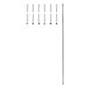
Probes | Probes | $ $0.00 | SKU:C-05-1003-13 C-05-1003-13 | Probe.. | 13cm, 14.5cm, 16cm, 18cm, 20cm

Probes | Probes | $ $0.00 | SKU:C-05-1004-13 C-05-1004-13 | Probe.. | 13cm, 14.5cm, 16cm
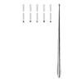
Probes | Probes | $ $0.00 | SKU:C-05-1006-13 C-05-1006-13 | N/A | 13cm, 14.5cm, 16cm, 18cm, 20cm
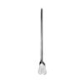
Probes | Probes | $ $0.00 | SKU:C-05-1007-13 C-05-1007-13 | N/A | 13cm, 14.5cm, 16cm
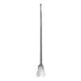
Probes | Probes | $ $0.00 | SKU:C-05-1008-13 C-05-1008-13 | Grooved Director.. | 13cm, 14.5cm, 16cm
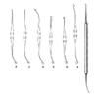
Probes | Varady | $ $0.00 | SKU:C-05-1011-01 C-05-1011-01 | N/A | 17.5cm, 18cm

