UttarPradesh
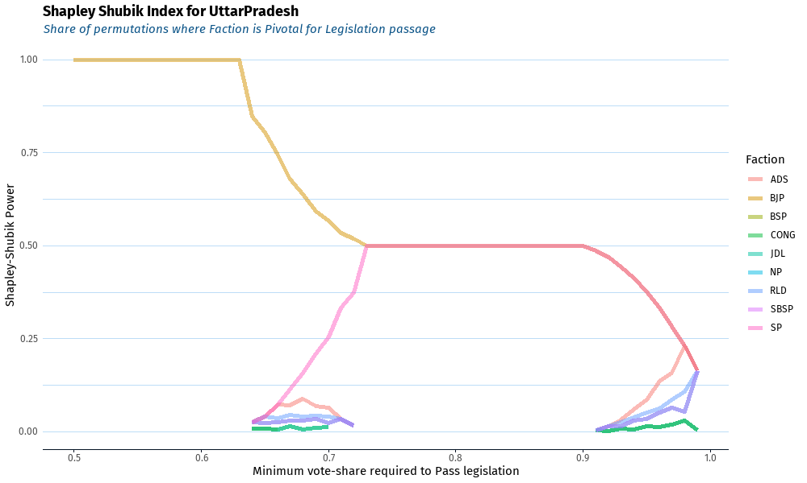
BJP | ADS | NP | SP | RLD | SBSP | JDL | CONG | BSP | Pass | State
1 |  |  |  |  |  |  |  |  | 0.5 | UttarPradesh
1 |  |  |  |  |  |  |  |  | 0.51 | UttarPradesh
1 |  |  |  |  |  |  |  |  | 0.52 | UttarPradesh
1 |  |  |  |  |  |  |  |  | 0.53 | UttarPradesh
1 |  |  |  |  |  |  |  |  | 0.54 | UttarPradesh
1 |  |  |  |  |  |  |  |  | 0.55 | UttarPradesh
1 |  |  |  |  |  |  |  |  | 0.56 | UttarPradesh
1 |  |  |  |  |  |  |  |  | 0.57 | UttarPradesh
1 |  |  |  |  |  |  |  |  | 0.58 | UttarPradesh
1 |  |  |  |  |  |  |  |  | 0.59 | UttarPradesh
1 |  |  |  |  |  |  |  |  | 0.6 | UttarPradesh
1 |  |  |  |  |  |  |  |  | 0.61 | UttarPradesh
1 |  |  |  |  |  |  |  |  | 0.62 | UttarPradesh
1 |  |  |  |  |  |  |  |  | 0.63 | UttarPradesh
0.84722222222 | 0.025793650794 | 0.025793650794 | 0.025793650794 | 0.025793650794 | 0.025793650794 | 0.0079365079365 | 0.0079365079365 | 0.0079365079365 | 0.64 | UttarPradesh
0.80555555556 | 0.04126984127 | 0.023412698413 | 0.04126984127 | 0.04126984127 | 0.023412698413 | 0.0079365079365 | 0.0079365079365 | 0.0079365079365 | 0.65 | UttarPradesh
0.74404761905 | 0.072619047619 | 0.02619047619 | 0.072619047619 | 0.036904761905 | 0.02619047619 | 0.0071428571429 | 0.0071428571429 | 0.0071428571429 | 0.66 | UttarPradesh
0.67857142857 | 0.071428571429 | 0.030952380952 | 0.11428571429 | 0.045238095238 | 0.030952380952 | 0.014285714286 | 0.014285714286 |  | 0.67 | UttarPradesh
0.6380952381 | 0.088095238095 | 0.030952380952 | 0.15714285714 | 0.040476190476 | 0.030952380952 | 0.0071428571429 | 0.0071428571429 |  | 0.68 | UttarPradesh
0.59285714286 | 0.069047619048 | 0.033333333333 | 0.20952380952 | 0.042857142857 | 0.033333333333 | 0.0095238095238 | 0.0095238095238 |  | 0.69 | UttarPradesh
0.56547619048 | 0.065476190476 | 0.022619047619 | 0.25595238095 | 0.041666666667 | 0.022619047619 | 0.013095238095 | 0.013095238095 |  | 0.7 | UttarPradesh
0.53333333333 | 0.033333333333 | 0.033333333333 | 0.33333333333 | 0.033333333333 | 0.033333333333 |  |  |  | 0.71 | UttarPradesh
0.51785714286 | 0.017857142857 | 0.017857142857 | 0.375 | 0.017857142857 | 0.017857142857 | 0.017857142857 | 0.017857142857 |  | 0.72 | UttarPradesh
0.5 |  |  | 0.5 |  |  |  |  |  | 0.73 | UttarPradesh
0.5 |  |  | 0.5 |  |  |  |  |  | 0.74 | UttarPradesh
0.5 |  |  | 0.5 |  |  |  |  |  | 0.75 | UttarPradesh
0.5 |  |  | 0.5 |  |  |  |  |  | 0.76 | UttarPradesh
0.5 |  |  | 0.5 |  |  |  |  |  | 0.77 | UttarPradesh
0.5 |  |  | 0.5 |  |  |  |  |  | 0.78 | UttarPradesh
0.5 |  |  | 0.5 |  |  |  |  |  | 0.79 | UttarPradesh
0.5 |  |  | 0.5 |  |  |  |  |  | 0.8 | UttarPradesh
0.5 |  |  | 0.5 |  |  |  |  |  | 0.81 | UttarPradesh
0.5 |  |  | 0.5 |  |  |  |  |  | 0.82 | UttarPradesh
0.5 |  |  | 0.5 |  |  |  |  |  | 0.83 | UttarPradesh
0.5 |  |  | 0.5 |  |  |  |  |  | 0.84 | UttarPradesh
0.5 |  |  | 0.5 |  |  |  |  |  | 0.85 | UttarPradesh
0.5 |  |  | 0.5 |  |  |  |  |  | 0.86 | UttarPradesh
0.5 |  |  | 0.5 |  |  |  |  |  | 0.87 | UttarPradesh
0.5 |  |  | 0.5 |  |  |  |  |  | 0.88 | UttarPradesh
0.5 |  |  | 0.5 |  |  |  |  |  | 0.89 | UttarPradesh
0.5 |  |  | 0.5 |  |  |  |  |  | 0.9 | UttarPradesh
0.48611111111 | 0.0039682539683 | 0.0039682539683 | 0.48611111111 | 0.0039682539683 | 0.0039682539683 | 0.0039682539683 | 0.0039682539683 | 0.0039682539683 | 0.91 | UttarPradesh
0.46825396825 | 0.014682539683 | 0.014682539683 | 0.46825396825 | 0.014682539683 | 0.014682539683 | 0.0015873015873 | 0.0015873015873 | 0.0015873015873 | 0.92 | UttarPradesh
0.44285714286 | 0.032142857143 | 0.015476190476 | 0.44285714286 | 0.02619047619 | 0.015476190476 | 0.0083333333333 | 0.0083333333333 | 0.0083333333333 | 0.93 | UttarPradesh
0.4126984127 | 0.060317460317 | 0.029365079365 | 0.4126984127 | 0.038888888889 | 0.029365079365 | 0.0055555555556 | 0.0055555555556 | 0.0055555555556 | 0.94 | UttarPradesh
0.37579365079 | 0.086507936508 | 0.034126984127 | 0.37579365079 | 0.051984126984 | 0.034126984127 | 0.013888888889 | 0.013888888889 | 0.013888888889 | 0.95 | UttarPradesh
0.33293650794 | 0.13650793651 | 0.050793650794 | 0.33293650794 | 0.061507936508 | 0.050793650794 | 0.011507936508 | 0.011507936508 | 0.011507936508 | 0.96 | UttarPradesh
0.28293650794 | 0.15793650794 | 0.065079365079 | 0.28293650794 | 0.086507936508 | 0.065079365079 | 0.019841269841 | 0.019841269841 | 0.019841269841 | 0.97 | UttarPradesh
0.23214285714 | 0.23214285714 | 0.053571428571 | 0.23214285714 | 0.10714285714 | 0.053571428571 | 0.029761904762 | 0.029761904762 | 0.029761904762 | 0.98 | UttarPradesh
0.16468253968 | 0.16468253968 | 0.16468253968 | 0.16468253968 | 0.16468253968 | 0.16468253968 | 0.0039682539683 | 0.0039682539683 | 0.0039682539683 | 0.99 | UttarPradesh

Uttarakhand
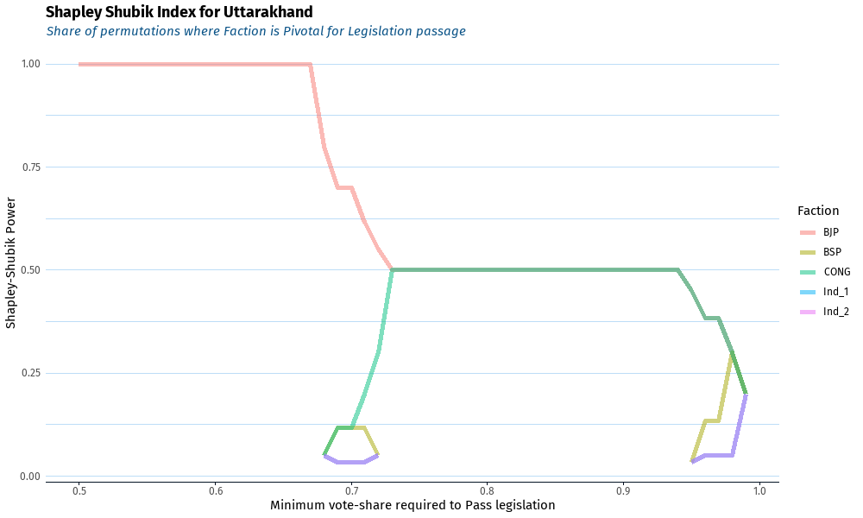
BJP | CONG | BSP | Ind_1 | Ind_2 | Pass | State
1 |  |  |  |  | 0.5 | Uttarakhand
1 |  |  |  |  | 0.51 | Uttarakhand
1 |  |  |  |  | 0.52 | Uttarakhand
1 |  |  |  |  | 0.53 | Uttarakhand
1 |  |  |  |  | 0.54 | Uttarakhand
1 |  |  |  |  | 0.55 | Uttarakhand
1 |  |  |  |  | 0.56 | Uttarakhand
1 |  |  |  |  | 0.57 | Uttarakhand
1 |  |  |  |  | 0.58 | Uttarakhand
1 |  |  |  |  | 0.59 | Uttarakhand
1 |  |  |  |  | 0.6 | Uttarakhand
1 |  |  |  |  | 0.61 | Uttarakhand
1 |  |  |  |  | 0.62 | Uttarakhand
1 |  |  |  |  | 0.63 | Uttarakhand
1 |  |  |  |  | 0.64 | Uttarakhand
1 |  |  |  |  | 0.65 | Uttarakhand
1 |  |  |  |  | 0.66 | Uttarakhand
1 |  |  |  |  | 0.67 | Uttarakhand
0.8 | 0.05 | 0.05 | 0.05 | 0.05 | 0.68 | Uttarakhand
0.7 | 0.11666666667 | 0.11666666667 | 0.033333333333 | 0.033333333333 | 0.69 | Uttarakhand
0.7 | 0.11666666667 | 0.11666666667 | 0.033333333333 | 0.033333333333 | 0.7 | Uttarakhand
0.61666666667 | 0.2 | 0.11666666667 | 0.033333333333 | 0.033333333333 | 0.71 | Uttarakhand
0.55 | 0.3 | 0.05 | 0.05 | 0.05 | 0.72 | Uttarakhand
0.5 | 0.5 |  |  |  | 0.73 | Uttarakhand
0.5 | 0.5 |  |  |  | 0.74 | Uttarakhand
0.5 | 0.5 |  |  |  | 0.75 | Uttarakhand
0.5 | 0.5 |  |  |  | 0.76 | Uttarakhand
0.5 | 0.5 |  |  |  | 0.77 | Uttarakhand
0.5 | 0.5 |  |  |  | 0.78 | Uttarakhand
0.5 | 0.5 |  |  |  | 0.79 | Uttarakhand
0.5 | 0.5 |  |  |  | 0.8 | Uttarakhand
0.5 | 0.5 |  |  |  | 0.81 | Uttarakhand
0.5 | 0.5 |  |  |  | 0.82 | Uttarakhand
0.5 | 0.5 |  |  |  | 0.83 | Uttarakhand
0.5 | 0.5 |  |  |  | 0.84 | Uttarakhand
0.5 | 0.5 |  |  |  | 0.85 | Uttarakhand
0.5 | 0.5 |  |  |  | 0.86 | Uttarakhand
0.5 | 0.5 |  |  |  | 0.87 | Uttarakhand
0.5 | 0.5 |  |  |  | 0.88 | Uttarakhand
0.5 | 0.5 |  |  |  | 0.89 | Uttarakhand
0.5 | 0.5 |  |  |  | 0.9 | Uttarakhand
0.5 | 0.5 |  |  |  | 0.91 | Uttarakhand
0.5 | 0.5 |  |  |  | 0.92 | Uttarakhand
0.5 | 0.5 |  |  |  | 0.93 | Uttarakhand
0.5 | 0.5 |  |  |  | 0.94 | Uttarakhand
0.45 | 0.45 | 0.033333333333 | 0.033333333333 | 0.033333333333 | 0.95 | Uttarakhand
0.38333333333 | 0.38333333333 | 0.13333333333 | 0.05 | 0.05 | 0.96 | Uttarakhand
0.38333333333 | 0.38333333333 | 0.13333333333 | 0.05 | 0.05 | 0.97 | Uttarakhand
0.3 | 0.3 | 0.3 | 0.05 | 0.05 | 0.98 | Uttarakhand
0.2 | 0.2 | 0.2 | 0.2 | 0.2 | 0.99 | Uttarakhand

Punjab
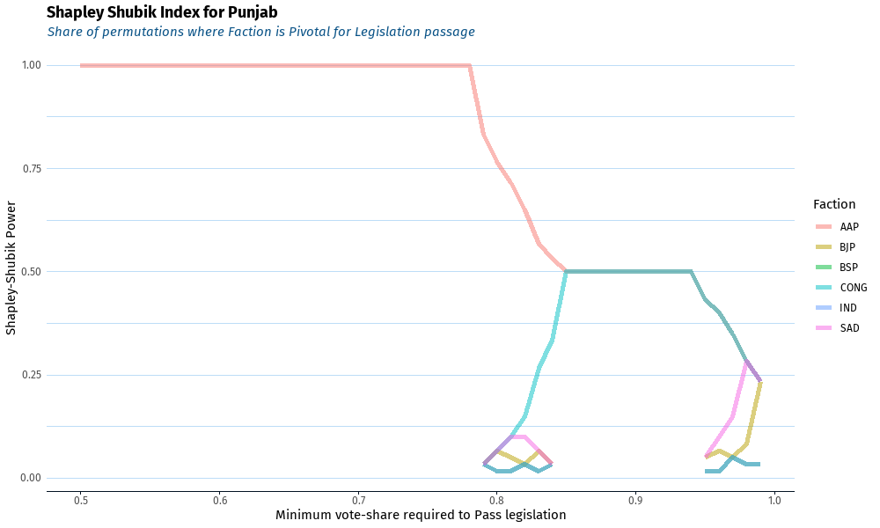
AAP | CONG | SAD | BSP | BJP | IND | Pass | State
1 |  |  |  |  |  | 0.5 | Punjab
1 |  |  |  |  |  | 0.51 | Punjab
1 |  |  |  |  |  | 0.52 | Punjab
1 |  |  |  |  |  | 0.53 | Punjab
1 |  |  |  |  |  | 0.54 | Punjab
1 |  |  |  |  |  | 0.55 | Punjab
1 |  |  |  |  |  | 0.56 | Punjab
1 |  |  |  |  |  | 0.57 | Punjab
1 |  |  |  |  |  | 0.58 | Punjab
1 |  |  |  |  |  | 0.59 | Punjab
1 |  |  |  |  |  | 0.6 | Punjab
1 |  |  |  |  |  | 0.61 | Punjab
1 |  |  |  |  |  | 0.62 | Punjab
1 |  |  |  |  |  | 0.63 | Punjab
1 |  |  |  |  |  | 0.64 | Punjab
1 |  |  |  |  |  | 0.65 | Punjab
1 |  |  |  |  |  | 0.66 | Punjab
1 |  |  |  |  |  | 0.67 | Punjab
1 |  |  |  |  |  | 0.68 | Punjab
1 |  |  |  |  |  | 0.69 | Punjab
1 |  |  |  |  |  | 0.7 | Punjab
1 |  |  |  |  |  | 0.71 | Punjab
1 |  |  |  |  |  | 0.72 | Punjab
1 |  |  |  |  |  | 0.73 | Punjab
1 |  |  |  |  |  | 0.74 | Punjab
1 |  |  |  |  |  | 0.75 | Punjab
1 |  |  |  |  |  | 0.76 | Punjab
1 |  |  |  |  |  | 0.77 | Punjab
1 |  |  |  |  |  | 0.78 | Punjab
0.83333333333 | 0.033333333333 | 0.033333333333 | 0.033333333333 | 0.033333333333 | 0.033333333333 | 0.79 | Punjab
0.76666666667 | 0.066666666667 | 0.066666666667 | 0.016666666667 | 0.066666666667 | 0.016666666667 | 0.8 | Punjab
0.71666666667 | 0.1 | 0.1 | 0.016666666667 | 0.05 | 0.016666666667 | 0.81 | Punjab
0.65 | 0.15 | 0.1 | 0.033333333333 | 0.033333333333 | 0.033333333333 | 0.82 | Punjab
0.56666666667 | 0.26666666667 | 0.066666666667 | 0.016666666667 | 0.066666666667 | 0.016666666667 | 0.83 | Punjab
0.53333333333 | 0.33333333333 | 0.033333333333 | 0.033333333333 | 0.033333333333 | 0.033333333333 | 0.84 | Punjab
0.5 | 0.5 |  |  |  |  | 0.85 | Punjab
0.5 | 0.5 |  |  |  |  | 0.86 | Punjab
0.5 | 0.5 |  |  |  |  | 0.87 | Punjab
0.5 | 0.5 |  |  |  |  | 0.88 | Punjab
0.5 | 0.5 |  |  |  |  | 0.89 | Punjab
0.5 | 0.5 |  |  |  |  | 0.9 | Punjab
0.5 | 0.5 |  |  |  |  | 0.91 | Punjab
0.5 | 0.5 |  |  |  |  | 0.92 | Punjab
0.5 | 0.5 |  |  |  |  | 0.93 | Punjab
0.5 | 0.5 |  |  |  |  | 0.94 | Punjab
0.43333333333 | 0.43333333333 | 0.05 | 0.016666666667 | 0.05 | 0.016666666667 | 0.95 | Punjab
0.4 | 0.4 | 0.1 | 0.016666666667 | 0.066666666667 | 0.016666666667 | 0.96 | Punjab
0.35 | 0.35 | 0.15 | 0.05 | 0.05 | 0.05 | 0.97 | Punjab
0.28333333333 | 0.28333333333 | 0.28333333333 | 0.033333333333 | 0.083333333333 | 0.033333333333 | 0.98 | Punjab
0.23333333333 | 0.23333333333 | 0.23333333333 | 0.033333333333 | 0.23333333333 | 0.033333333333 | 0.99 | Punjab

Goa
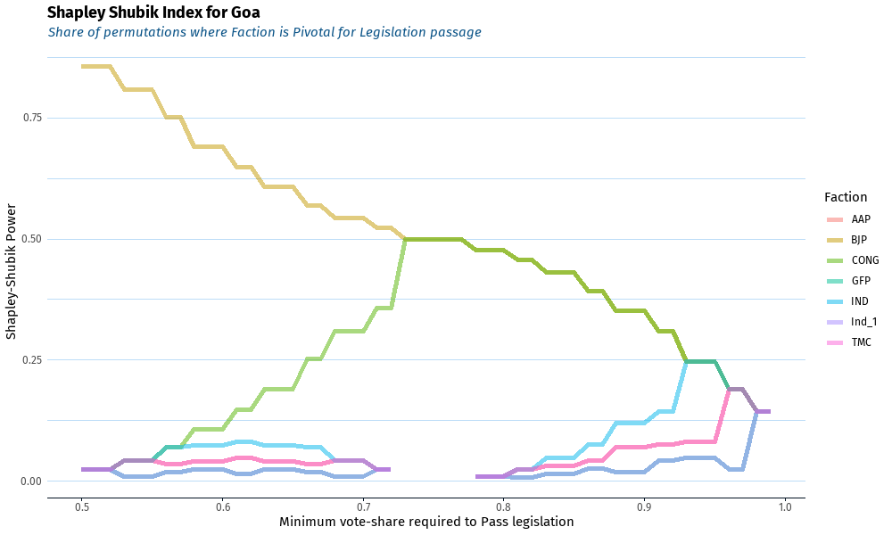
BJP | CONG | GFP | IND | AAP | TMC | Ind_1 | Pass | State
0.85714285714 | 0.02380952381 | 0.02380952381 | 0.02380952381 | 0.02380952381 | 0.02380952381 | 0.02380952381 | 0.5 | Goa
0.85714285714 | 0.02380952381 | 0.02380952381 | 0.02380952381 | 0.02380952381 | 0.02380952381 | 0.02380952381 | 0.51 | Goa
0.85714285714 | 0.02380952381 | 0.02380952381 | 0.02380952381 | 0.02380952381 | 0.02380952381 | 0.02380952381 | 0.52 | Goa
0.80952380952 | 0.042857142857 | 0.0095238095238 | 0.042857142857 | 0.042857142857 | 0.042857142857 | 0.0095238095238 | 0.53 | Goa
0.80952380952 | 0.042857142857 | 0.0095238095238 | 0.042857142857 | 0.042857142857 | 0.042857142857 | 0.0095238095238 | 0.54 | Goa
0.80952380952 | 0.042857142857 | 0.0095238095238 | 0.042857142857 | 0.042857142857 | 0.042857142857 | 0.0095238095238 | 0.55 | Goa
0.75238095238 | 0.069047619048 | 0.019047619048 | 0.069047619048 | 0.035714285714 | 0.035714285714 | 0.019047619048 | 0.56 | Goa
0.75238095238 | 0.069047619048 | 0.019047619048 | 0.069047619048 | 0.035714285714 | 0.035714285714 | 0.019047619048 | 0.57 | Goa
0.69047619048 | 0.10714285714 | 0.02380952381 | 0.07380952381 | 0.040476190476 | 0.040476190476 | 0.02380952381 | 0.58 | Goa
0.69047619048 | 0.10714285714 | 0.02380952381 | 0.07380952381 | 0.040476190476 | 0.040476190476 | 0.02380952381 | 0.59 | Goa
0.69047619048 | 0.10714285714 | 0.02380952381 | 0.07380952381 | 0.040476190476 | 0.040476190476 | 0.02380952381 | 0.6 | Goa
0.64761904762 | 0.14761904762 | 0.014285714286 | 0.080952380952 | 0.047619047619 | 0.047619047619 | 0.014285714286 | 0.61 | Goa
0.64761904762 | 0.14761904762 | 0.014285714286 | 0.080952380952 | 0.047619047619 | 0.047619047619 | 0.014285714286 | 0.62 | Goa
0.60714285714 | 0.19047619048 | 0.02380952381 | 0.07380952381 | 0.040476190476 | 0.040476190476 | 0.02380952381 | 0.63 | Goa
0.60714285714 | 0.19047619048 | 0.02380952381 | 0.07380952381 | 0.040476190476 | 0.040476190476 | 0.02380952381 | 0.64 | Goa
0.60714285714 | 0.19047619048 | 0.02380952381 | 0.07380952381 | 0.040476190476 | 0.040476190476 | 0.02380952381 | 0.65 | Goa
0.56904761905 | 0.25238095238 | 0.019047619048 | 0.069047619048 | 0.035714285714 | 0.035714285714 | 0.019047619048 | 0.66 | Goa
0.56904761905 | 0.25238095238 | 0.019047619048 | 0.069047619048 | 0.035714285714 | 0.035714285714 | 0.019047619048 | 0.67 | Goa
0.54285714286 | 0.30952380952 | 0.0095238095238 | 0.042857142857 | 0.042857142857 | 0.042857142857 | 0.0095238095238 | 0.68 | Goa
0.54285714286 | 0.30952380952 | 0.0095238095238 | 0.042857142857 | 0.042857142857 | 0.042857142857 | 0.0095238095238 | 0.69 | Goa
0.54285714286 | 0.30952380952 | 0.0095238095238 | 0.042857142857 | 0.042857142857 | 0.042857142857 | 0.0095238095238 | 0.7 | Goa
0.52380952381 | 0.35714285714 | 0.02380952381 | 0.02380952381 | 0.02380952381 | 0.02380952381 | 0.02380952381 | 0.71 | Goa
0.52380952381 | 0.35714285714 | 0.02380952381 | 0.02380952381 | 0.02380952381 | 0.02380952381 | 0.02380952381 | 0.72 | Goa
0.5 | 0.5 |  |  |  |  |  | 0.73 | Goa
0.5 | 0.5 |  |  |  |  |  | 0.74 | Goa
0.5 | 0.5 |  |  |  |  |  | 0.75 | Goa
0.5 | 0.5 |  |  |  |  |  | 0.76 | Goa
0.5 | 0.5 |  |  |  |  |  | 0.77 | Goa
0.47619047619 | 0.47619047619 | 0.0095238095238 | 0.0095238095238 | 0.0095238095238 | 0.0095238095238 | 0.0095238095238 | 0.78 | Goa
0.47619047619 | 0.47619047619 | 0.0095238095238 | 0.0095238095238 | 0.0095238095238 | 0.0095238095238 | 0.0095238095238 | 0.79 | Goa
0.47619047619 | 0.47619047619 | 0.0095238095238 | 0.0095238095238 | 0.0095238095238 | 0.0095238095238 | 0.0095238095238 | 0.8 | Goa
0.45714285714 | 0.45714285714 | 0.0071428571429 | 0.02380952381 | 0.02380952381 | 0.02380952381 | 0.0071428571429 | 0.81 | Goa
0.45714285714 | 0.45714285714 | 0.0071428571429 | 0.02380952381 | 0.02380952381 | 0.02380952381 | 0.0071428571429 | 0.82 | Goa
0.43095238095 | 0.43095238095 | 0.014285714286 | 0.047619047619 | 0.030952380952 | 0.030952380952 | 0.014285714286 | 0.83 | Goa
0.43095238095 | 0.43095238095 | 0.014285714286 | 0.047619047619 | 0.030952380952 | 0.030952380952 | 0.014285714286 | 0.84 | Goa
0.43095238095 | 0.43095238095 | 0.014285714286 | 0.047619047619 | 0.030952380952 | 0.030952380952 | 0.014285714286 | 0.85 | Goa
0.39285714286 | 0.39285714286 | 0.02619047619 | 0.07619047619 | 0.042857142857 | 0.042857142857 | 0.02619047619 | 0.86 | Goa
0.39285714286 | 0.39285714286 | 0.02619047619 | 0.07619047619 | 0.042857142857 | 0.042857142857 | 0.02619047619 | 0.87 | Goa
0.35238095238 | 0.35238095238 | 0.019047619048 | 0.11904761905 | 0.069047619048 | 0.069047619048 | 0.019047619048 | 0.88 | Goa
0.35238095238 | 0.35238095238 | 0.019047619048 | 0.11904761905 | 0.069047619048 | 0.069047619048 | 0.019047619048 | 0.89 | Goa
0.35238095238 | 0.35238095238 | 0.019047619048 | 0.11904761905 | 0.069047619048 | 0.069047619048 | 0.019047619048 | 0.9 | Goa
0.30952380952 | 0.30952380952 | 0.042857142857 | 0.14285714286 | 0.07619047619 | 0.07619047619 | 0.042857142857 | 0.91 | Goa
0.30952380952 | 0.30952380952 | 0.042857142857 | 0.14285714286 | 0.07619047619 | 0.07619047619 | 0.042857142857 | 0.92 | Goa
0.24761904762 | 0.24761904762 | 0.047619047619 | 0.24761904762 | 0.080952380952 | 0.080952380952 | 0.047619047619 | 0.93 | Goa
0.24761904762 | 0.24761904762 | 0.047619047619 | 0.24761904762 | 0.080952380952 | 0.080952380952 | 0.047619047619 | 0.94 | Goa
0.24761904762 | 0.24761904762 | 0.047619047619 | 0.24761904762 | 0.080952380952 | 0.080952380952 | 0.047619047619 | 0.95 | Goa
0.19047619048 | 0.19047619048 | 0.02380952381 | 0.19047619048 | 0.19047619048 | 0.19047619048 | 0.02380952381 | 0.96 | Goa
0.19047619048 | 0.19047619048 | 0.02380952381 | 0.19047619048 | 0.19047619048 | 0.19047619048 | 0.02380952381 | 0.97 | Goa
0.14285714286 | 0.14285714286 | 0.14285714286 | 0.14285714286 | 0.14285714286 | 0.14285714286 | 0.14285714286 | 0.98 | Goa
0.14285714286 | 0.14285714286 | 0.14285714286 | 0.14285714286 | 0.14285714286 | 0.14285714286 | 0.14285714286 | 0.99 | Goa

Manipur
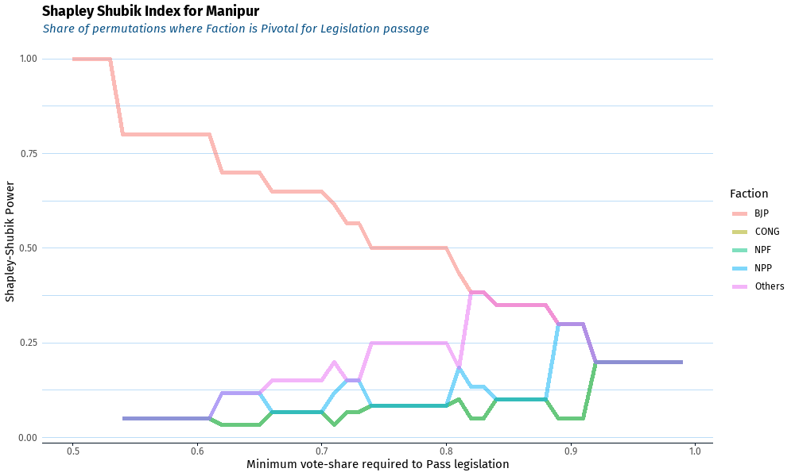
BJP | NPP | CONG | Others | NPF | Pass | State
1 |  |  |  |  | 0.5 | Manipur
1 |  |  |  |  | 0.51 | Manipur
1 |  |  |  |  | 0.52 | Manipur
1 |  |  |  |  | 0.53 | Manipur
0.8 | 0.05 | 0.05 | 0.05 | 0.05 | 0.54 | Manipur
0.8 | 0.05 | 0.05 | 0.05 | 0.05 | 0.55 | Manipur
0.8 | 0.05 | 0.05 | 0.05 | 0.05 | 0.56 | Manipur
0.8 | 0.05 | 0.05 | 0.05 | 0.05 | 0.57 | Manipur
0.8 | 0.05 | 0.05 | 0.05 | 0.05 | 0.58 | Manipur
0.8 | 0.05 | 0.05 | 0.05 | 0.05 | 0.59 | Manipur
0.8 | 0.05 | 0.05 | 0.05 | 0.05 | 0.6 | Manipur
0.8 | 0.05 | 0.05 | 0.05 | 0.05 | 0.61 | Manipur
0.7 | 0.11666666667 | 0.033333333333 | 0.11666666667 | 0.033333333333 | 0.62 | Manipur
0.7 | 0.11666666667 | 0.033333333333 | 0.11666666667 | 0.033333333333 | 0.63 | Manipur
0.7 | 0.11666666667 | 0.033333333333 | 0.11666666667 | 0.033333333333 | 0.64 | Manipur
0.7 | 0.11666666667 | 0.033333333333 | 0.11666666667 | 0.033333333333 | 0.65 | Manipur
0.65 | 0.066666666667 | 0.066666666667 | 0.15 | 0.066666666667 | 0.66 | Manipur
0.65 | 0.066666666667 | 0.066666666667 | 0.15 | 0.066666666667 | 0.67 | Manipur
0.65 | 0.066666666667 | 0.066666666667 | 0.15 | 0.066666666667 | 0.68 | Manipur
0.65 | 0.066666666667 | 0.066666666667 | 0.15 | 0.066666666667 | 0.69 | Manipur
0.65 | 0.066666666667 | 0.066666666667 | 0.15 | 0.066666666667 | 0.7 | Manipur
0.61666666667 | 0.11666666667 | 0.033333333333 | 0.2 | 0.033333333333 | 0.71 | Manipur
0.56666666667 | 0.15 | 0.066666666667 | 0.15 | 0.066666666667 | 0.72 | Manipur
0.56666666667 | 0.15 | 0.066666666667 | 0.15 | 0.066666666667 | 0.73 | Manipur
0.5 | 0.083333333333 | 0.083333333333 | 0.25 | 0.083333333333 | 0.74 | Manipur
0.5 | 0.083333333333 | 0.083333333333 | 0.25 | 0.083333333333 | 0.75 | Manipur
0.5 | 0.083333333333 | 0.083333333333 | 0.25 | 0.083333333333 | 0.76 | Manipur
0.5 | 0.083333333333 | 0.083333333333 | 0.25 | 0.083333333333 | 0.77 | Manipur
0.5 | 0.083333333333 | 0.083333333333 | 0.25 | 0.083333333333 | 0.78 | Manipur
0.5 | 0.083333333333 | 0.083333333333 | 0.25 | 0.083333333333 | 0.79 | Manipur
0.5 | 0.083333333333 | 0.083333333333 | 0.25 | 0.083333333333 | 0.8 | Manipur
0.43333333333 | 0.18333333333 | 0.1 | 0.18333333333 | 0.1 | 0.81 | Manipur
0.38333333333 | 0.13333333333 | 0.05 | 0.38333333333 | 0.05 | 0.82 | Manipur
0.38333333333 | 0.13333333333 | 0.05 | 0.38333333333 | 0.05 | 0.83 | Manipur
0.35 | 0.1 | 0.1 | 0.35 | 0.1 | 0.84 | Manipur
0.35 | 0.1 | 0.1 | 0.35 | 0.1 | 0.85 | Manipur
0.35 | 0.1 | 0.1 | 0.35 | 0.1 | 0.86 | Manipur
0.35 | 0.1 | 0.1 | 0.35 | 0.1 | 0.87 | Manipur
0.35 | 0.1 | 0.1 | 0.35 | 0.1 | 0.88 | Manipur
0.3 | 0.3 | 0.05 | 0.3 | 0.05 | 0.89 | Manipur
0.3 | 0.3 | 0.05 | 0.3 | 0.05 | 0.9 | Manipur
0.3 | 0.3 | 0.05 | 0.3 | 0.05 | 0.91 | Manipur
0.2 | 0.2 | 0.2 | 0.2 | 0.2 | 0.92 | Manipur
0.2 | 0.2 | 0.2 | 0.2 | 0.2 | 0.93 | Manipur
0.2 | 0.2 | 0.2 | 0.2 | 0.2 | 0.94 | Manipur
0.2 | 0.2 | 0.2 | 0.2 | 0.2 | 0.95 | Manipur
0.2 | 0.2 | 0.2 | 0.2 | 0.2 | 0.96 | Manipur
0.2 | 0.2 | 0.2 | 0.2 | 0.2 | 0.97 | Manipur
0.2 | 0.2 | 0.2 | 0.2 | 0.2 | 0.98 | Manipur
0.2 | 0.2 | 0.2 | 0.2 | 0.2 | 0.99 | Manipur

