Modifications to RTM App
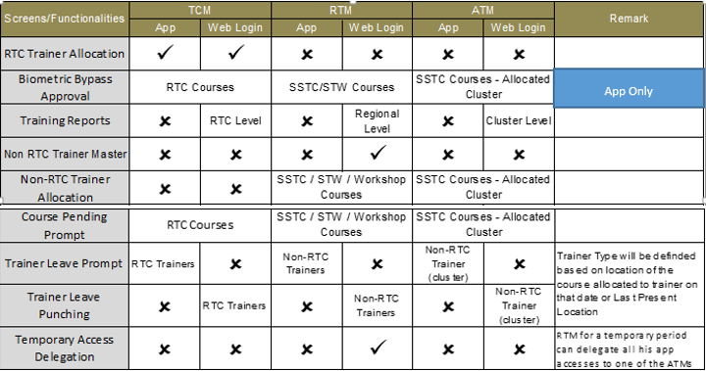
Module | Detailing of Tasks / Sub Tasks | Module Designing | Module Development | Module Testing | Documentation | Deployment on Test / Production / App stores | Total Man Days | Cost
Modifications to current RTM web and Mobile Application | RTM app will also be accsessed by ATM and TCM based on their roles and responsibilities • RTM to do allocation of current and planned courses for RTC and Non RTC Trainer allocation • Trainer to Biometric Attendance Bypass/Approval with reason mention • Training Reports for RTC and Non RTC • Escalation for Course closer pending Promts RTC and Non RTC both. • Trainer leave prompt. • Trainer Leave punching. • Temporary Access Delegation • Multiple Nominations Handling • Approval for cases where verification could not be done through Biometric Attendance | Web-4 Hybrid Mobile-6 | Web- 15 Hybrid Mobile-30 | Web-2 Hybrid Mobile-5 | Web-1 Hybrid Mobile-2 | Web-2 Hybrid Mobile-3 | 70 | 490000

