Sheet1
Batcg Size | No of Epochs | Loss Curve | Accuracy Curve | Test Accu. | Confusion Matrix | Excecution Time(sec)
100 | 100 |  |  | 0.9693 | 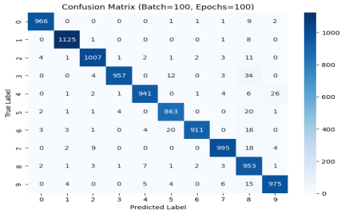 | 149.91 sec
100 | 50 |  |  | 0.9733 |  | 61.73 sec
100 | 10 |  |  | 0.9646 |  | 12.79 sec
10 | 100 |  |  | 0.712 | 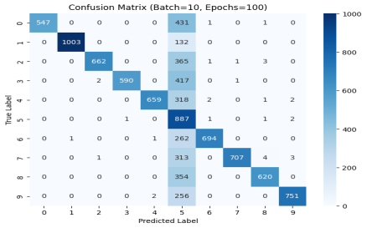 | 831.07 sec
10 | 50 |  |  | 0.8724 | 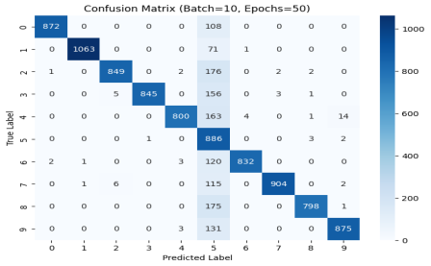 | 426.07 sec
10 | 10 |  |  | 0.9505 | 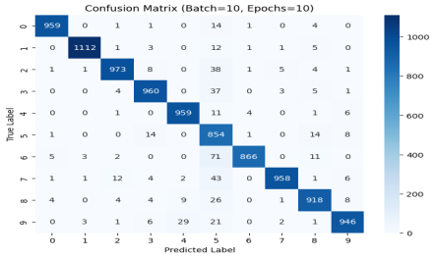 | 83.95 sec
1 | 100 |  |  | 0.3544 | 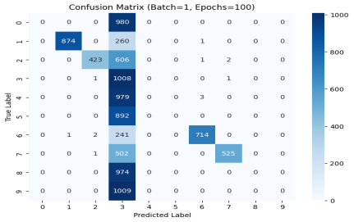 | 7555.32 sec
1 | 50 |  |  | 0.2214 | 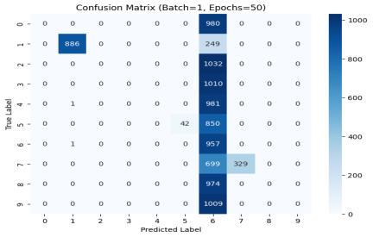 | 3785.77 sec
1 | 10 |  |  | 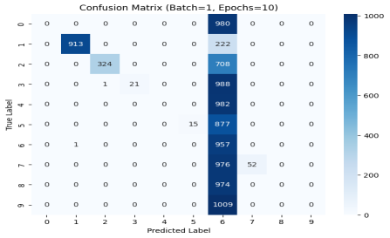 0.2282 |  | 750.41 sec

