Sheet1
Outlook | Temperature | Humidity | Wind | Hours Played | Predicted _Value | Error | MSE Before spilt
Overcast | Mild | High | Strong | 55
Rain | Mild | High | Strong | 15
Sunny | Hot | High | Strong | 15 |  |  |  | n= | 7
Overcast | Hot | High | Weak | 45
Rain | Mild | High | Weak | 30 |  |  |  |  | 226.53
Sunny | Hot | High | Weak | 10 |  |  | MSE @ Left node when Humidity == High
Sunny | Mild | High | Weak | 10
Overcast | Cool | Normal | Strong | 50
Rain | Cool | Normal | Strong | 10
Sunny | Mild | Normal | Strong | 30
Overcast | Hot | Normal | Weak | 40
Rain | Cool | Normal | Weak | 30
Rain | Mild | Normal | Weak | 20
Sunny | Cool | Normal | Weak | 40
 |  |  |  |  | Total Error | 0

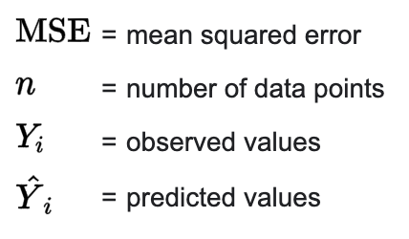
 |  |  |  |  |  |  |  | MSE before spilt | MSE after split | Error Reduction
 |  |  |  |  |  |  |  | 226.53 | 218.365 | 8.165

(mean value)
Humidity
 |  |  |  |  |  |  |  |  |  |  | 14

High
Normal

Outlook | Temperature | Humidity | Wind | Hours Played | Predicted _Value | Error |  | MSE @ Left Node = 281.63 |  | MSE @ RIGHT node = 155.1
Overcast | Mild | High | Strong | 55 | 25.71 | 857.9041 |  | 7 |  | 7
Rain | Mild | High | Strong | 15 | 25.71 | 114.7041
Sunny | Hot | High | Strong | 15 | 25.71 | 114.7041
Overcast | Hot | High | Weak | 45 | 25.71 | 372.1041
Rain | Mild | High | Weak | 30 | 25.71 | 18.4041
Sunny | Hot | High | Weak | 10 | 25.71 | 246.8041
Sunny | Mild | High | Weak | 10 | 25.71 | 246.8041
 |  |  |  | 25.714285714 | Total Error | 1971.4287
 |  |  |  |  | n | 7
 |  |  |  |  | MSE @ Left node | 281.63267143

Outlook | Temperature | Humidity | Wind | Hours Played | Predicted _Value | Error
Overcast | Cool | Normal | Strong | 50 | 31.42 | 345.2164
Rain | Cool | Normal | Strong | 10 | 31.42 | 458.8164
Sunny | Mild | Normal | Strong | 30 | 31.42 | 2.0164
Overcast | Hot | Normal | Weak | 40 | 31.42 | 73.6164
Rain | Cool | Normal | Weak | 30 | 31.42 | 2.0164
Rain | Mild | Normal | Weak | 20 | 31.42 | 130.4164
Sunny | Cool | Normal | Weak | 40 | 31.42 | 73.6164
 |  |  |  | 31.428571429 | Total Error | 1085.7148
 |  |  |  |  | n | 7
 |  |  |  |  | MSE @ Right Node | 155.10211429

