Result
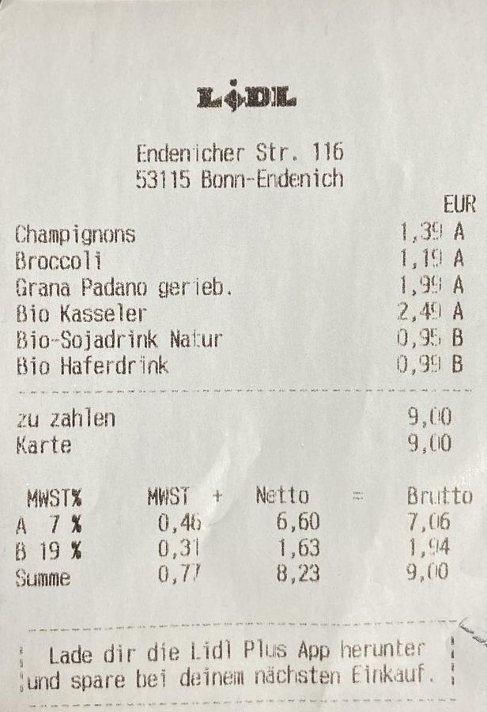
description | total | quantity | product | footprint_per_100g | typical_weight | typical_footprint | value_from | category | Similarity Ratio | footprint
Broccoli | 1,10€ | 1 | Broccoli | 11 | 500 | 55 |  | Obst / Gemüse | 1 | 55
EUR Champignons | 1,30€ | 1 | Champignons | 44 | 250 | 110 |  | Obst / Gemüse | 0.95 | 110
Bio Haferdrink | 0,90€ | 1 | Haferdrink | 6.14 | 1000 | 61.4 |  | Sonstiges | 0.95 | 61.4
Grana Padano gerieb. 139A Bio Kasseler | 2,40€ | 1 | Padano | 235 | 200 | 470 | Grano Padano | Milchprodukte / Eier | 0.9 | 470
Bio-Sojadrink Natur | 0,95€ | 1 |  |  |  |  |  |  | 0
zu zahlen 9,00 |  | 1 |  |  |  |  |  |  | 0
Karte 9,00 |  | 1 |  |  |  |  |  |  | 0
MWSTX MWST + Netto = — Brutto€ 7% 0,46 6,60 7,06 |  | 1 |  |  |  |  |  |  | 0
B 19% 0,31 1,63 1,%94 |  | 1 |  |  |  |  |  |  | 0
Summe 0,77 8,23 9,00 |  | 1 |  |  |  |  |  |  | 0

