Answer
1 | Number of pledges acquired on a monthly basis & by year
Count
Year | Jan | Feb | Mar | Apr | May | Jun | Jul | Aug | Sep | Oct | Nov | Dec | Total | Q1 | Q2 | Q3 | Q4
2017 | - | - | - | - | - | - | - | - | - | - | - | 6170 | 6170 | 0 | 0 | 0 | 6170
2018 | 8779 | 10990 | 17636 | 10535 | 11046 | 13008 | 10204 | 10428 | 8071 | 11964 | 9092 | 4752 | 126505 | 37405 | 34589 | 28703 | 25808
2019 | 6032 | 6498 | 7213 | 6096 | 6640 | 4354 | 6994 | 6907 | 5025 | 4695 | 5918 | 3603 | 69975 | 19743 | 17090 | 18926 | 14216
2020 | 4291 | 4424 | 2045 | - | - | - | - | - | - | - | - | - | 10760 | 10760 | 0 | 0 | 0
Total | 19102 | 21912 | 26894 | 16631 | 17686 | 17362 | 17198 | 17335 | 13096 | 16659 | 15010 | 14525 | 213410 | 67908 | 51679 | 47629 | 46194
Value
Year | Jan | Feb | Mar | Apr | May | Jun | Jul | Aug | Sep | Oct | Nov | Dec | Total | Q1 | Q2 | Q3 | Q4
2017 | - | - | - | - | - | - | - | - | - | - | - | 2,979,100 | 2,979,100 | - | - | - | 2,979,100
2018 | 4,330,665 | 5,360,650 | 8,687,150 | 5,206,400 | 5,369,750 | 6,434,450 | 5,033,250 | 5,183,200 | 3,934,750 | 5,904,580 | 4,551,175 | 2,327,165 | 62,323,185 | 18,378,465 | 17,010,600 | 14,151,200 | 12,782,920
2019 | 3,017,100 | 3,217,165 | 3,606,600 | 3,017,200 | 3,253,900 | 2,170,250 | 3,324,900 | 3,257,000 | 2,470,900 | 2,385,110 | 3,460,560 | 2,118,300 | 35,298,985 | 9,840,865 | 8,441,350 | 9,052,800 | 7,963,970
2020 | 2,577,800 | 2,681,100 | 1,233,300 | - | - | - | - | - | - | - | - | - | 6,492,200 | 6,492,200 | - | - | -
Total | 9,925,565 | 11,258,915 | 13,527,050 | 8,223,600 | 8,623,650 | 8,604,700 | 8,358,150 | 8,440,200 | 6,405,650 | 8,289,690 | 8,011,735 | 7,424,565 | 107,093,470 | 34,711,530 | 25,451,950 | 23,204,000 | 23,725,990
Number of Pldeges acquired : Month on Month

Acquired signup yearly dependency
Number of Pldeges acquired : quarter wise

2 | Average Pledge Size by year

Signup Year | Transaction's Year
 | 2018 | 2019 | 2020 | Overall
2017 | 493 | 464 | 479 | 483
2018 | 499 | 487 | 493 | 493
2019 |  | 486 | 520 | 504
2020 |  |  | 603 | 603
Total | 499 | 486 | 521 | 502

3 | Total Donation amount received by year
Signup Year | Transaction's Year
 | 2018 | 2019 | 2020 | Overall |  | Note
2017 | 1,416,650 | 721,250 | 443,900 | 2,581,800 |  | We are considering only successful transaction here.
2018 | 18,086,721 | 23,004,458 | 13,289,005 | 54,380,184
2019 | - | 13,732,715 | 16,995,855 | 30,728,570
2020 | - | - | 5,179,300 | 5,179,300
Total | 19,503,371 | 37,458,423 | 35,908,060 | 92,869,854

Donations value received by year

Average Gift-Successful Transaction
Signup Year | Transaction's Year
 | 2018 | 2019 | 2020 | Overall
2017 | 491 | 467 | 479 | 482
2018 | 499 | 489 | 495 | 494
2019 |  | 494 | 522 | 509
2020 |  |  | 603 | 603
Total | 498 | 490 | 521 | 503

4 | Based on the historical data arrive at December 2020's expected donation transactions/amount and their conversion probability

Acquired Pledges-Count | 2018 | 2019 | 2020 | Period |  | Acquired Pledges-Value | 2018 | 2019 | 2020
Jan | 405 | 6796 | 8127 | 1 |  | Jan | 201200 | 3401491 | 3637475
Feb | 1044 | 6706 | 8053 | 2 |  | Feb | 521551 | 3355611 | 4191991
Mar | 1766 | 6826 | 8198 | 3 |  | Mar | 879501 | 3415276 | 4341586
Apr | 1768 | 7040 | 8202 | 4 |  | Apr | 880201 | 3524421 | 4370236
May | 3632 | 7034 | 7490 | 5 |  | May | 1807851 | 3522365 | 3986136
Jun | 4159 | 7150 | 7219 | 6 |  | Jun | 2069851 | 3574265 | 3835931
Jul | 4844 | 7246 | 7009 | 7 |  | Jul | 2413701 | 3622815 | 3719781
Aug | 5042 | 8047 | 6734 | 8 |  | Aug | 2511251 | 3655265 | 3568786
Sep | 5525 | 7241 | 6566 | 9 |  | Sep | 2758151 | 3622765 | 3479086
Oct | 5757 | 7538 | 5938 | 10 |  | Oct | 2876501 | 3506415 | 3133436
Nov | 6243 | 7763 | 5714 | 11 |  | Nov | 3116151 | 3634065 | 3014376
Dec | 6797 | 7791 | 0 | 12 |  | Dec | 3404911 | 3539075 | 0
Total | 46982 | 87178 | 79250 |  |  | Total | 23440821 | 42373829 | 41278820

Forecast -For Dec 2020 | Donation Count | 8778
 | Donation Value | 4396609
 | Average Gift | 500.894
 | Conversion Probablity | 10.0%

5 | Prepare a month 12 retention rate for 2018 Pledges

Year | Total Pledge Acquired for the Year | Jan | Mar | Apr | May | Jun | Jul | Aug | Sep | Oct | Nov | Dec
Count | 126505 | 8412 | 8135 | 7787 | 9176 | 9390 | 9786 | 10581 | 9923 | 10093 | 10370 | 8533
Value | 62,323,185 | 4,108,946 | 4058967 | 3885211 | 4578861 | 4679961 | 4877511 | 4926861 | 4947911 | 4997411 | 5116261 | 4204216
ADS | 493 | 488.46 | 498.9510756 | 498.93553358 | 499.00403226 | 498.39840256 | 498.41722869 | 465.63283244 | 498.63055528 | 495.13633211 | 493.37135969 | 492.70080863
 | Retention Rate % | 6.65% | 6.43% | 6.16% | 7.25% | 7.42% | 7.74% | 8.36% | 7.84% | 7.98% | 8.20% | 6.75%
 | Attrition Rate % | 93% | 94% | 94% | 93% | 93% | 92% | 92% | 92% | 92% | 92% | 93%

Pledge Acquire in 2018 - Retention vs Attrition Rate

More Information using Python
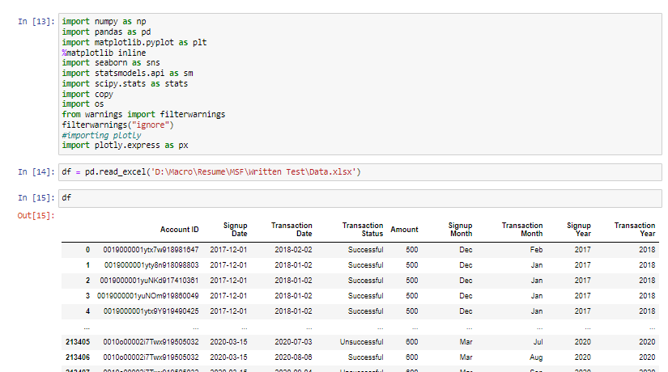

this comes from 5 number summary

