MAS_MARK_LAYOUT
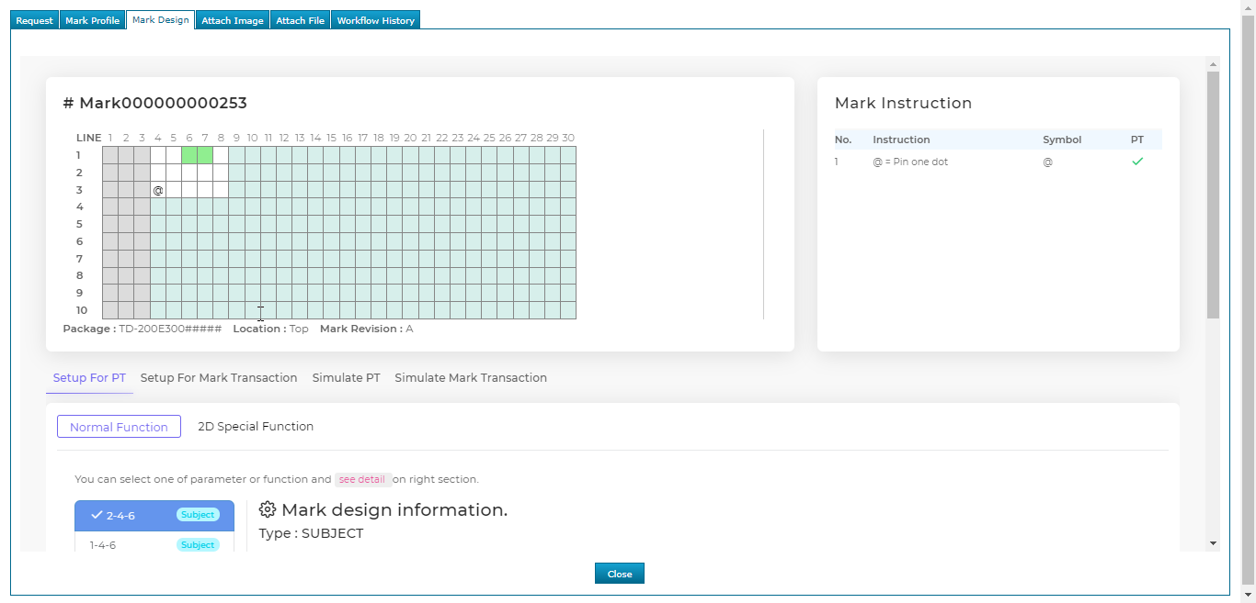
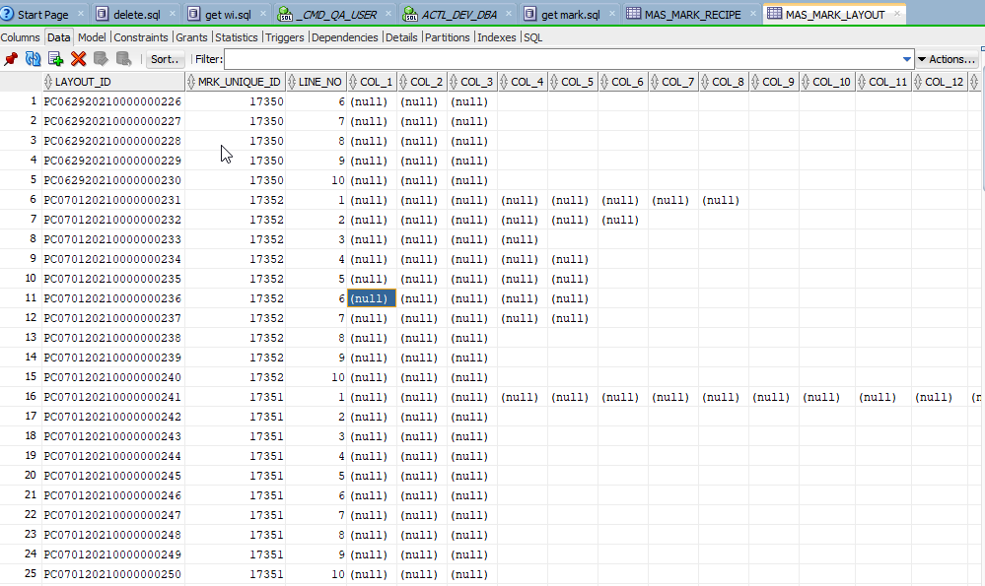
LAYOUT_ID | MRK_UNIQUE_ID | LINE_NO | COL_1 | COL_2 | COL_3 | COL_4 | COL_5 | COL_6 | COL_7 | COL_8 | COL_9 | COL_10 | COL_11 | COL_12 | COL_13 | COL_14 | COL_15 | COL_16 | COL_17 | COL_18 | COL_19 | COL_20 | COL_21 | COL_22 | COL_23 | COL_24 | COL_25 | COL_26 | COL_27 | COL_28 | COL_29 | COL_30
PC052920210000000031 | 1 | 1
PC052920210000000032 | 1 | 2
PC052920210000000033 | 1 | 3 |  |  |  |  |  | +
PC052920210000000034 | 1 | 4
PC052920210000000035 | 1 | 5
PC052920210000000036 | 1 | 6
PC052920210000000037 | 1 | 7
PC052920210000000038 | 1 | 8
PC052920210000000039 | 1 | 9
PC052920210000000040 | 1 | 10
...
 |  |  |  |  |  | สีขาวไม่จ้องใส่ whitespace

