1. Title Page
[Project Name]

Project Name: : Instacart Basket Analysis
Date: 03/07/2025
Analyst Name: Nasim Mahdinazhad

Contents:
Population Flow
Consistency checks
Wrangling steps
Column derivations
Visualizations
Recommendations

2. Population Flow
Title page

Population flow

Exclusion flag
Condition: max_order <
Obervations to be removed:
Final total count of order_products_all:

Orders_products_combined
Orders_products_merged
Orders_products_all

Total:
Total:
Total:

1.) The grey boxes in the first row of the population flow represent the original data sets as they were when you downloaded them. In the Total fields you need to add the count of the rows when you imported the data set into Jupyter.
2.) The second row of boxes (coloured) represents the data sets after you manipulated them, e.g., removed missing values and duplicates. In the Total fields you need to add the count of the rows after conducting these operations. This offers a visual oveview of how the data flows throughout the data consistency checks.
3.) The third row, where also the arrows are coloured, represents the merges you performed between the datasets. In the Total fields you need to add the count of the rows in the merged datasets, so that you end up with the final dataset (in the red box). Keep in mind the final dataset should be without exclusions (based on the exclusion flag).

3. Consistency checks
 |  |  |  | Title page
Consistency checks

Dataset | Missing values | Missing values treatment | Duplicates
orders | 0 | NA | 0
products | 16 in column 'product_name' | Excluded | 5
orders_products_prior | 0 | NA | 0
customers | 11259 in column 'first_name' | Column deleted for privacy protection | 0

4. Wrangling steps
 |  |  |  | Title page
Wrangling steps

Columns dropped | Columns renamed | Columns' type changed | Comment/Reason
customer['first_name'] | customer['First Name' : 'first_name'] | orders['order_id'] : int32
customer['last_name'] | customer['Surnam' : 'last_name'] | orders["user_id'] : int32
 | customer['Gender' : 'gender'] | orders['order_number'] : int8
 | customer['STATE' : 'state'] | orders['dorder_dow'] : int8
 | customer['Age' : 'age'] | orders['order_hour_of_day'] : int8
 | customer['n_dependants' : 'num_dependents'] | orders['days_since_prior_order'] : float16
 | orders['order_dow :order_days_of_week'] | orders_products_prior['product_id'] : int32
 |  | orders_products_prior['reordered'] : int8
 |  | orders_products_prior['add_to_cart_order'] : int32
 |  | orders_products_prior['order_id'] : int32
 |  | customers['user_id'] : int32
 |  | customers['age'] : int8
 |  | customers['n_dependents'] : int8
 |  | customers['income'] : int32

5. Column derivations
 |  |  |  | Title page

Column derivations and aggregations

In this tab you should add tables below that the frequences of flags/label variables that you produced after deriving them. NB: don't do this for continuous variables, only for flags.
Dataset | New column | Column/s it was derived from | Conditions
orders_products_all | price_range_loc' | prices' | If 'prices' > 15, then 'price_range' = 'High-range product', if 'prices' between 5 and 15, then 'price_range' = 'Mid-range product', if 'prices' < 5, then 'price_range' = 'Low-range product'
orders_products_merge | 'busiest_days’ | 'order_dow’ | If order placed on Saturday or Sunday, then flagged ‘Busiest days’. If order placed on Monday, Thursday or Friday, then flagged ‘Regularly busy’. If order placed on Tuesday or Wednesday, then flagged ‘Least busy days’.
orders_products_merge | 'busiest_period_of_day’ | 'order_hour_of_day’ | If order placed in six busiest hours, then flagged ‘Most orders’. If order placed in six least busy hours, then flagged ‘Fewest orders’. Else flagged ‘Average orders’.
 | 'max_order’ | 'order_number’ | Return highest order number for each user.
 | 'loyalty_flag’ | 'max_order’ | If number of orders in the top quartile (>43 orders) then flagged ‘Loyal customer’. If in the bottom quartile (≤13 orders) then flagged ‘New customer’. Else flagged ‘Regular customer’.
 | spending_flag’ | 'prices’ | If average 'prices' for 'user_id' < 10, then 'Low Spender', if >=10 then 'High Spender'
 | 'order_frequency_flag’ | 'days_since_prior_order’ | Returns the median number of days since a user's previous order for each user.
 | 'region’ | 'state’ | Returns the HHS region associated with each State.
 | age_group’ | 'age’ | Groups users by ages, 'under18', '18-29 years', '30-44years', '45-59 years', '60 and over years'.
 | Dependency_status' | num_dependent' | If num_dependent is 0 then single, otherwise has dependent
 | income_group' | income' | Groups of income level: Low (26K–49K) ,Middle (50K–149K) ,High (150K and above)
 | low_spent_exclusion_flag' | 'max_order' | customers with fewer than 5 orders as 'low_spent' (True), others as 'high_spent' (False)

6. Visualizations
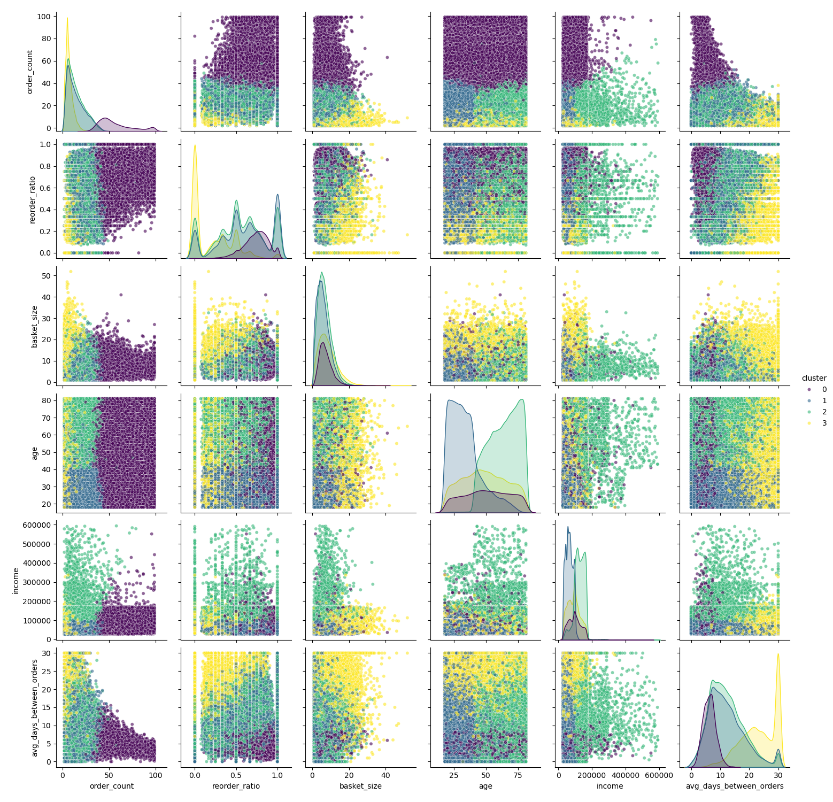
 |  |  | Title page

Visualisations

In this tab you should include all the visualtions from Exercises 4.9 and 4.10, alongside the questions from the project brief that they answer. Include any commentary on the relationship between different variables.

1) | Daily Order Frecuency & Busiest Days of the Week. |  |  | Interpretations


 | Q. | What are the busiest days of the week and hours of the day?
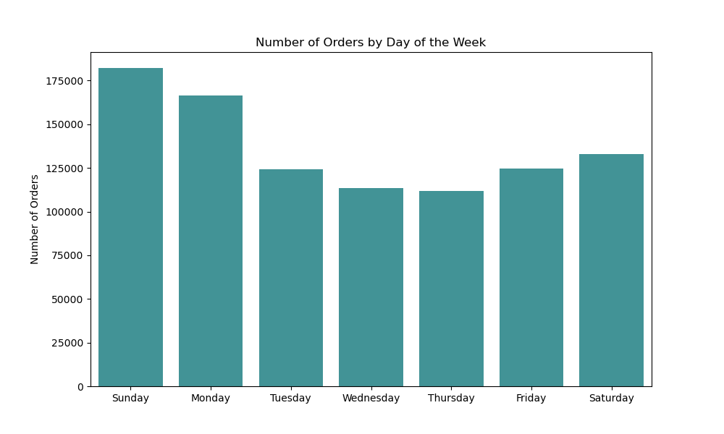
illustrates the distribution of orders across different hours of the day. Order frequency is very low around midnight, indicating minimal activity during that time. Starting around 7 to 8 a.m., the number of orders begins to rise, reaching its peak at 10 a.m. This high order volume continues steadily through the afternoon, up until around 5 p.m. (17:00). After that, the number of orders gradually declines toward the end of the day.
Additionally, the highest spending occurs over the weekend followed by Monday, suggesting that customers tend to place larger or more considered orders when they have more free time and when they start their first day of the week.

2) | Daily and Weekly Expenditure

 | Q: | Are there particular times of the day when people spend the most money?
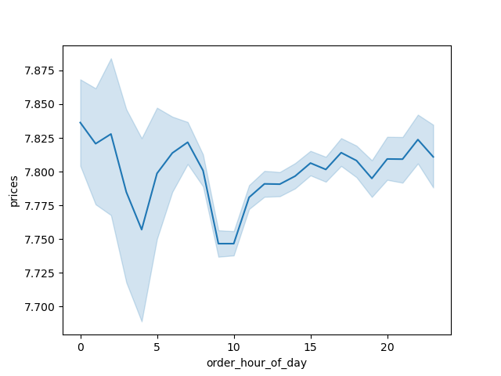
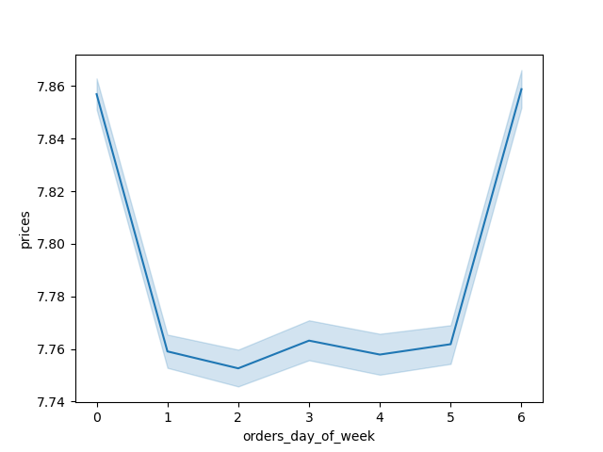

There is a difference in the expenditure depending on the hour of the day.

3) | Product Popularity

 | Q: | Which departments have the highest frequency of product orders?

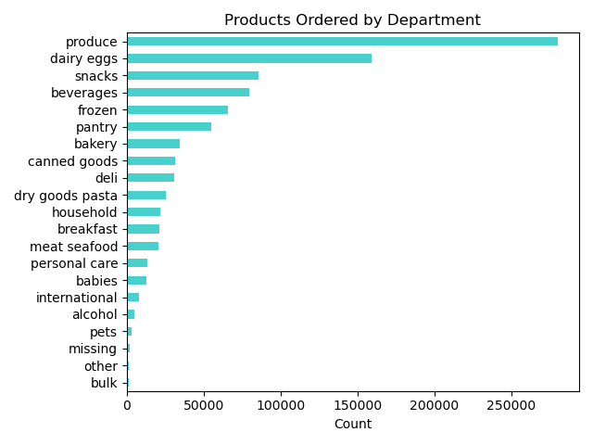

The most popular prdoducts are 'Produce' and 'dairy' followed by 'snacks' with the highest order frequency in our dataset by far

4) | Customer Loyalty Groups

 | Q: | How are users grouped based on their level of brand loyalty?(i.e., how frequent do they return to Instacart)?
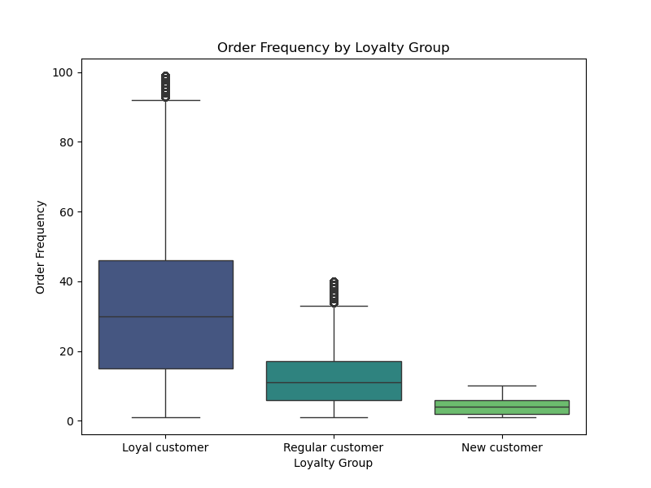
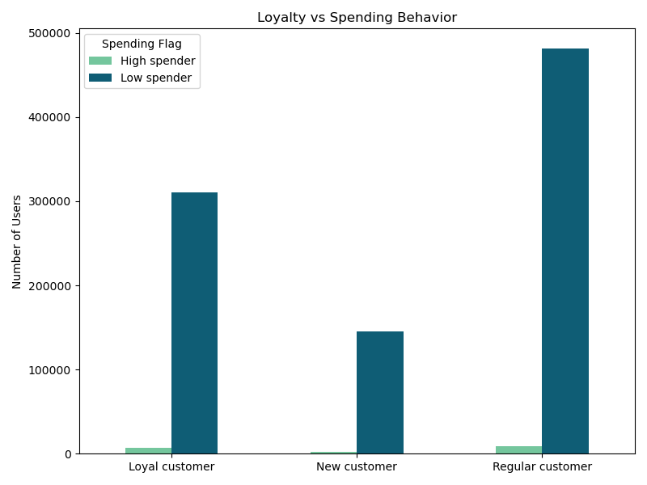

The boxplots show the frequncy of orders by different groups. No, surprise that Loyal costomers have the highest frequency of ordering which was expected.How are ordering All three groups of customer exhibit a tendency toward low spending, with Regular customers spending the least, followed by Loyal customers.of customers in the system?

5) | Customer Profiles

 | Q1: | What is the age range of different loyalty groups?

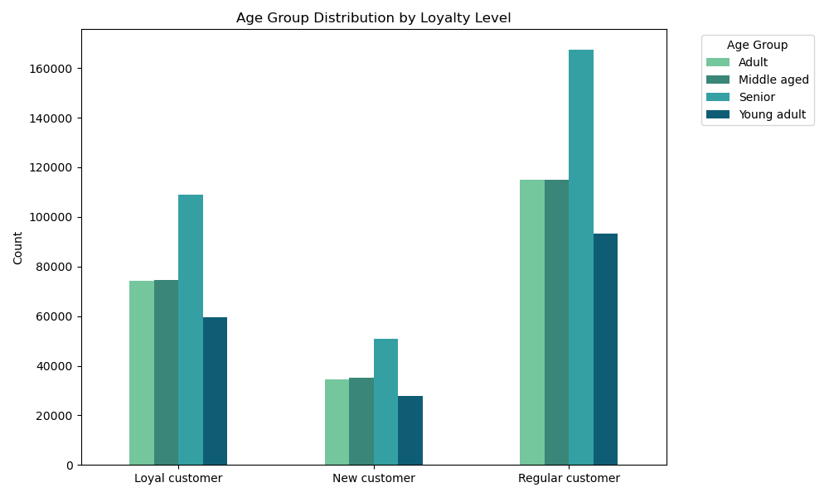
The chart shows that in all three loyalty groups, seniors represent the largest proportion of members, while young adults have the smallest. Middle-aged and adult groups appear to be similar in size.

 | Q2: | What is the family status of different loyalty groups?
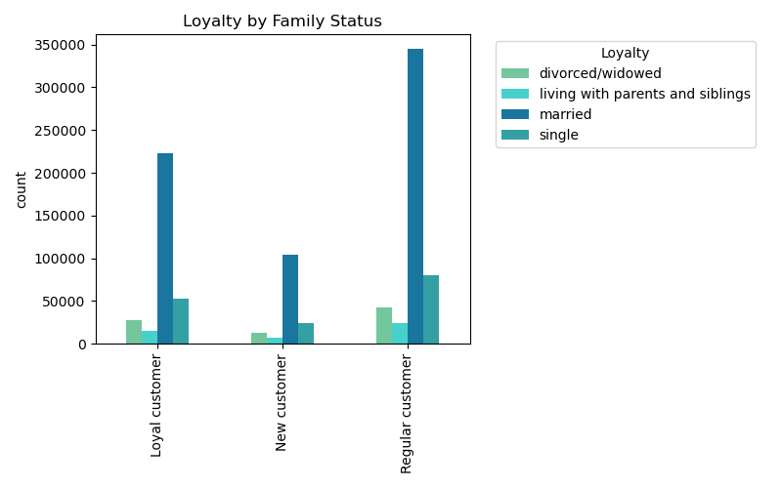
The chart indicates that across all three loyalty groups, married individuals make up the largest share of members, while those living with their parents represent the smallest group. Additionally, the divorced or widowed segment is smaller than the single population.

 | Q3: | What is the income status of different loyalty groups?

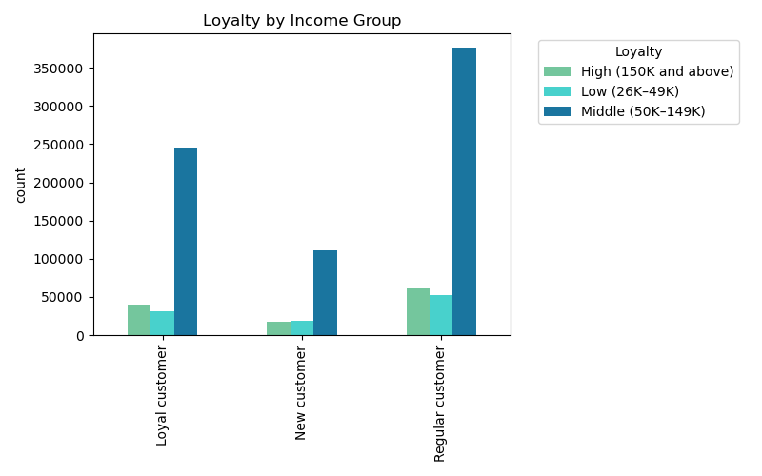
The chart indicates that across all three loyalty groups, the middle-income class accounts for the largest share of members. In contrast, the high-income group represents a notably small segment, while the low-income group is the smallest overall. However, the difference in member count between the high- and low-income groups is quite minimal.

 | Q4: | What is the relationship between age and income across different family status?
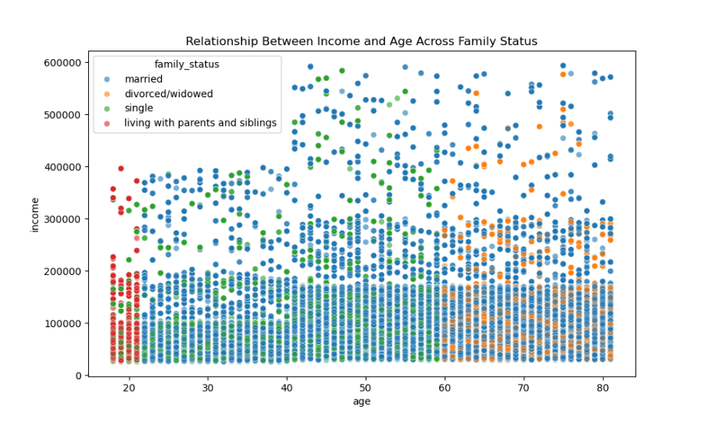

The chart shows that married customers span a wide range of ages above 21 and have varying income levels. Those aged 21 to 40 tend to fall within the lower income bracket, earning up to $100,000. In contrast, married individuals aged 40 to 80 generally have incomes up to around $200,000. The proportion of customers living with their parents is relatively small, mostly concentrated around age 20. Meanwhile, divorced or widowed customers are primarily between 60 and 80 years old, with most earning up to $200,000.

6) | Ordering Habits Across Age, Family Status, and Regions

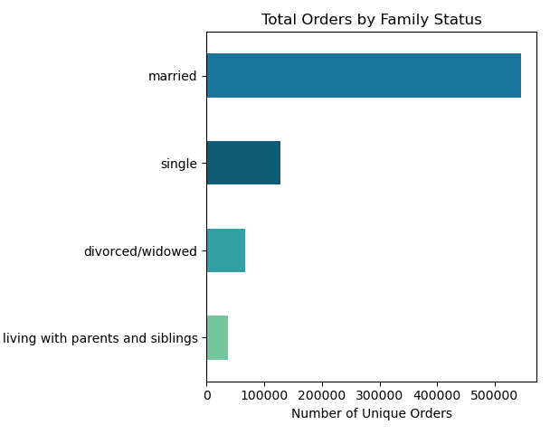
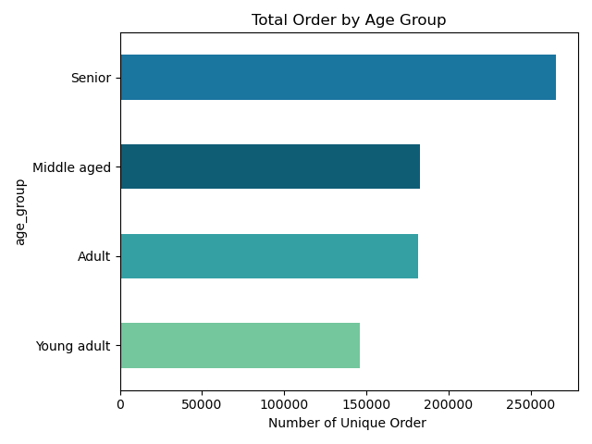
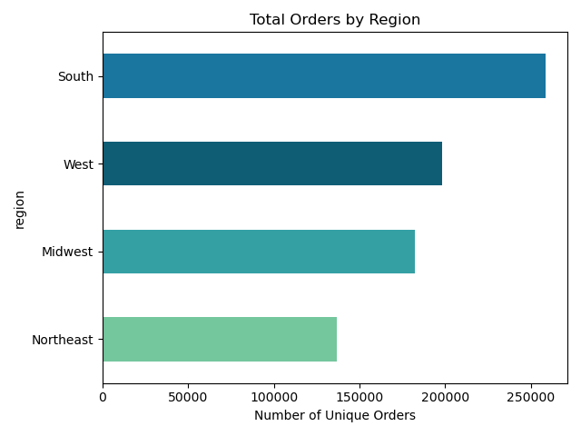
The bar charts shows that married and senior customers have the highest number of orders.
The largest number of orders is the south region.

6) | Distrinution of Department Products Based on Income and Family Status

 | Q1: | Which products are more popular based on family status?

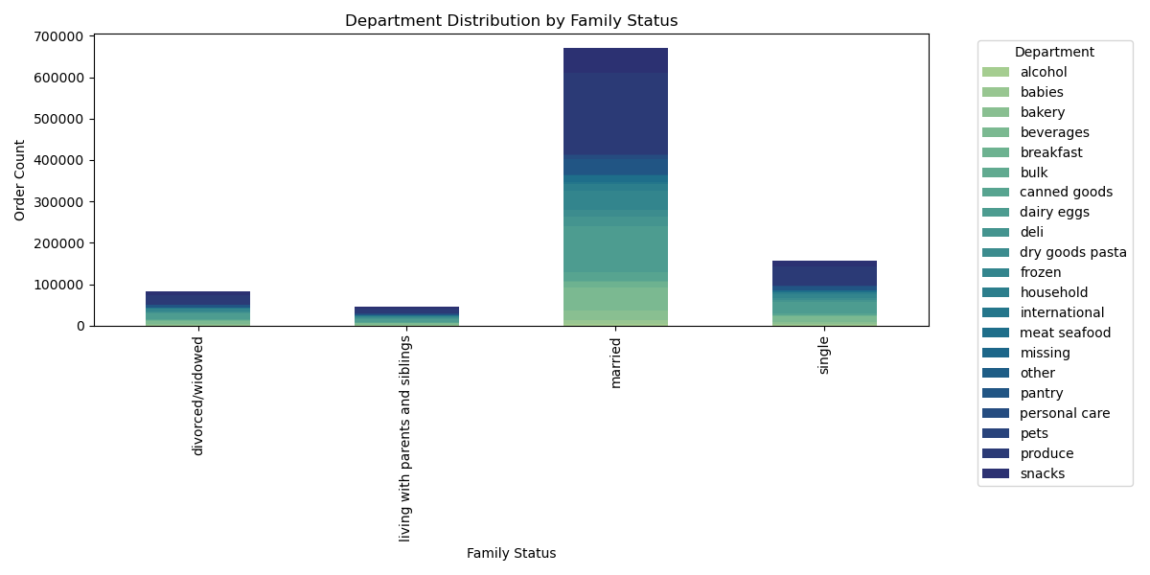
The chart shows that snacks, produce, pet supplies, personal care, and pantry items are among the most frequently ordered products across different groups. This suggests that customers with varying family statuses tend to have similar product preferences in their shopping baskets.

 | Q2: | Which products are more popular based on income status?

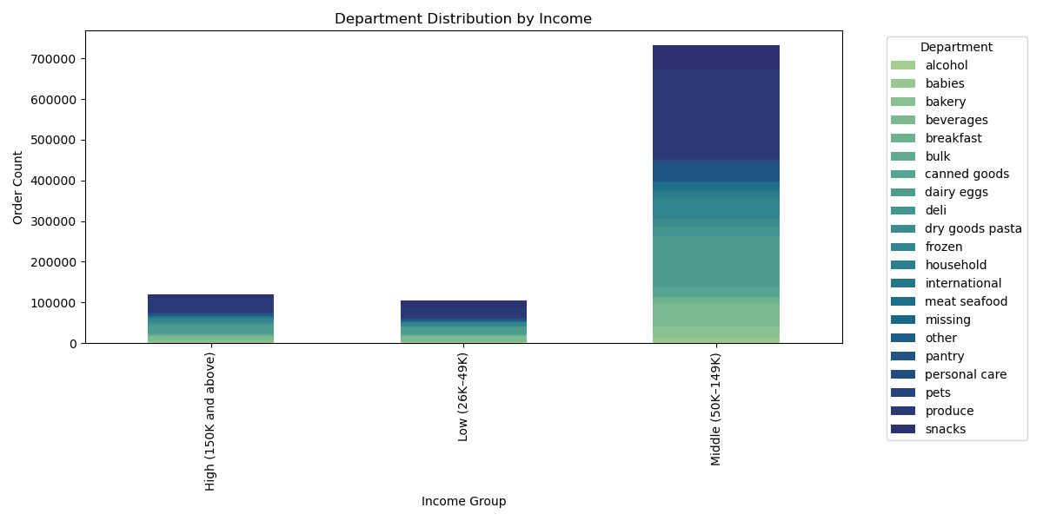
There appears to be no significant difference in product choices across different family status and income groups. Items such as snacks, produce, pet supplies, personal care, and pantry goods consistently rank among the most frequently ordered products in all groups.

 | Q3: | Which products are more popular based in different regions?

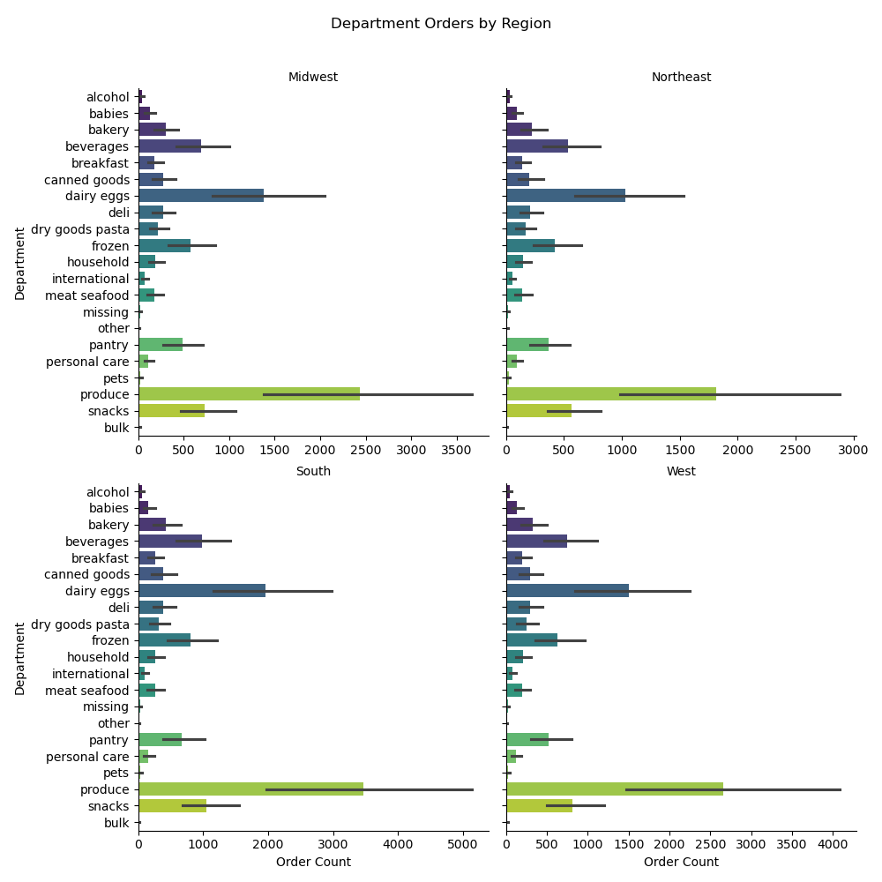

Produce, dairy & eggs, snacks, and beverages are the most popular product categories across all four regions, indicating that customer preferences remain consistent regardless of geographic location.

7) | Cluster Analaysis

 | Q: | What differences can you find in ordering habits of different customer profiles?
 |  | Consider the price of orders, the frequency of orders, the products customers are ordering, and anything else .

7. Recommendations
Recommendations

In this tab you should include any recommendations you would made to Instcart in terms of their marketing strategy based on the questions posed in the brief. Every key question has been covered in the Tasks of the Exercises - here you need to add an item - a visualisation or table/crosstable that is showing the answer in the data, acompanied by a comment from you. Please, list the questions below and add the answer underneath.

Question |  | Answer | Recommendations
What are the busiest days of the week and hours of the day? |  | a) Order Timing Throughout the Day
 |  |  | Staff fully from 10 AM to 4 PM to handle peak orders.
 |  | Most orders are placed between 10:00 AM and 4:00 PM.
 |  |  | Run promotions during these busy hours to boost sales.
 |  | Activity tends to be minimal during early morning and late-night hours.
 |  |  | Prepare inventory for high demand on Sundays and Mondays.
 |  | b) Order Volume by Day
 |  |  | Focus marketing campaigns on Sundays to increase spending.
 |  | The highest number of orders typically comes in on Sundays and Mondays.
 |  |  | Analyze top-selling products on weekends to guide stocking and promos.
 |  | Wednesdays and Fridays generally see fewer orders.

 |  | c) Weekly Spending Patterns

 |  | Customer spending reaches its peak on weekends, with Sunday showing the highest expenditure.

Are there particular times of the day when people spend the most money? |  | From 12 am to 5 am the payments remarkably drop,then it gradually increase between the hours 5 to 8, and then again it drop till 10 am.
 |  | Then it gradually increases till At 5:00 and 10:00 am customers pay the least. | Focus marketing efforts during the rising spending window of 5 AM to 8 AM.
 |  |  | Consider targeted offers after 10 AM when spending starts to pick up again.

Are there Certain types of products that are more popular than others? |  | produce' , 'dairy' followed by 'snacks' , 'beverages', and 'frozen' products are the highly ordered categories. | Keep produce and dairy well-stocked to meet high demand.
 |  |  | Promote snacks and beverages in marketing campaigns to boost sales.
 |  |  | Monitor inventory levels closely for frozen products to avoid shortages.

How are ordering behaviors of different types of customers in the system? |  | Loyal Customers Order Most Frequently
 |  | Among all loyalty groups, loyal customers place orders most often, which aligns with their level of engagement. | Promote product bundles to loyal customers to boost basket size.

 |  | Overall Spending Is Low Across Groups | Target regular customers with re-engagement offers and loyalty program invites.
 |  | All customer groups tend to be low spenders, regardless of how frequently they order.
 |  |  | Use personalized campaigns to recommend premium products post-purchase.
 |  | Regular Customers Spend the Least
 |  | Regular customers are the largest low spender group, followed by loyal customers, suggesting that higher order frequency doesn’t
 |  | always translate to higher spending.

 |  |  | Focus marketing efforts in the South, where order volume is highest — prioritize regional campaigns,
 |  |  | influencers, and delivery speed here.
 | Are there differences in ordering habits based on customer's region? | The largest number of orders is from the south region.
 |  | Customer preferences for product categories remain consistent regardless of geographic location, indicating similar | Maintain a unified product strategy across regions, since product preferences are consistent.
 |  | shopping habits across different regions.
 |  |  | Test localized promotions (e.g., regional holidays or events) in the South to further increase engagement and conversion.

 |  |  | Use regional data to optimize ad spend, allocating more budget to high-performing areas like the South while
 |  |  | monitoring ROI in others.

Is there a connection between age and family status in terms of ordering habits? |  | Married and Senior Customers Are the Most Active | Target married and senior customers with loyalty perks or subscription offers — they’re your most engaged shoppers.
 |  | Married individuals and senior customers place the highest number of orders, highlighting strong engagement and consistent
 |  | shopping behavior within these groups. | Highlight convenience and value in campaigns aimed at seniors and families (e.g., time-saving bundles, home delivery).

 |  | Product Preferences Are Consistent Across Demographics | Use consistent product messaging across demographics, as preferences are similar — emphasize core categories
 |  | There is no significant difference in product choices across family status or income levels. | like pantry, produce, and personal care.
 |  | Core categories like snacks, produce, pet supplies, personal care, and pantry goods remain top choices for all groups.
 |  |  | Test age-based personalization in email or app content (e.g., family meal ideas vs. wellness products for seniors).

 |  |  | Test age-based personalization in email or app content (e.g., family meal ideas vs. wellness products for seniors).

What different classifications does the demographic information and age suggest? |  | Age Distribution:
 |  | Seniors constitute the largest portion of members in all loyalty groups, while young adults are the smallest.
 |  | Middle-aged and adult segments are roughly equal in size.

 |  | Marital Status:
 |  | Married individuals make up the majority across all groups. Those living with parents are the smallest segment, |  | Prioritize seniors and married families for loyalty rewards, premium services, or convenience-focused offers.
 |  | with divorced or widowed members being fewer than single individuals.
 |  |  |  | Promote family-sized bundles and convenience products to middle-aged married customers.
 |  | Income Levels:
 |  | The middle-income class dominates membership across loyalty groups. High-income members represent a small segment, |  | Offer budget-friendly options and digital promotions to attract younger married adults.
 |  | and low-income members are the smallest overall, though the difference between high- and low-income groups is slight.
 |  |  |  | Use consistent product offerings, since preferences don’t vary much by demographic.
 |  | Detailed Insights:
 |  | Married customers cover a wide age range (21+ years) with varied incomes: |  | Focus on awareness or future growth through student offers or intro discounts.

 |  | Ages 21–40 mostly earn up to $100,000.
 |  | Ages 40–80 generally earn up to $200,000.

 |  | Customers living with parents are mainly around age 20 and form a small group.
 |  | Divorced or widowed customers are mostly aged 60–80, with incomes typically up to $200,000.

What difference can be found in ordering habits of different customer profiles? |  | Differences in Ordering Habits Across Customer Profiles |  | Cluster 1: Steady, Reliable Buyers
 |  | The pair plot reveals clear distinctions in ordering behaviors among the identified customer clusters: |  | Moderate frequency, average basket size, balanced reordering.

 |  | Cluster 0 consists of high-frequency, high-value shoppers. These customers place frequent orders, have |  | Bundling Offers: Promote value packs or “buy more, save more” deals to increase basket size.
 |  | large basket sizes, and shorter intervals between purchases, making them valuable repeat buyers.
 |  |  |  | Engagement Campaigns: Use targeted email campaigns to suggest complementary products.
 |  | Cluster 1 represents steady and consistent buyers. They show moderate order frequency, average basket
 |  | sizes, and balanced reorder behavior, indicating reliability without extremes. |  | Customer Surveys: Gather feedback to identify what might move them toward Cluster 0 behavior.

 |  | Cluster 2 is characterized by low engagement. These customers order infrequently, purchase fewer
 |  | items per order, and demonstrate minimal loyalty to specific products. |  | Cluster 2: Low-Engagement, Price-Sensitive Shoppers
 |  |  |  | Infrequent orders, low basket size, low product loyalty.
 |  | Cluster 3 shows a unique pattern. Though they order rarely and maintain long gaps between purchases,
 |  | they consistently reorder the same products, suggesting strong brand or product loyalty within a niche. |  | Win-Back Campaigns: Use time-triggered discounts or “We miss you” emails to re-engage them.

 |  | These behavioral differences underline the importance of tailored customer strategies: |  | Introductory Offers: Attract them with aggressive discounts or free shipping thresholds.
 |  | retain and reward high-value buyers (Cluster 0), nurture the steady base (Cluster 1), activate low-
 |  | engagement users (Cluster 2), and support loyal but infrequent shoppers (Cluster 3). |  | Awareness Boost: Targeted ads highlighting popular or trending items to stimulate interest.

 |  |  |  | Cluster 3: Infrequent but Loyal to Specific Products
 |  |  |  | Rare purchases, long gaps, high reorder consistency.

 |  |  |  | Reorder Reminders: Send timely reorder emails or SMS based on previous buying cycles.

 |  |  |  | Product Replenishment Plans: Offer subscription services or “buy again” buttons for convenience.

 |  |  |  | Niche Content: Highlight content or blogs focused on their preferred product categories.

