גיליון1
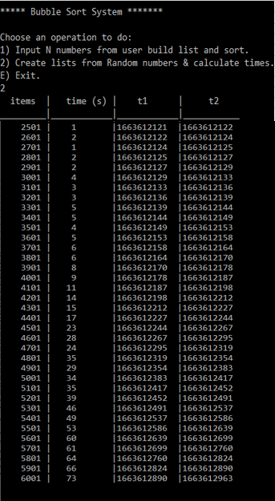
 | Output of C Program - Bubble Sort Random Items |  |  |  | infograph

Bubble Sort
items | time (s) | t1 | t2
_ _____|________|_______|___________ |  | items | time
2501 | 1 |1663612121 |1663612122 |  | 2501 | 1
2601 | 2 |1663612122 |1663612124 |  | 2601 | 2
2701 | 1 |1663612124 |1663612125 |  | 2701 | 1
2801 | 2 |1663612125 |1663612127 |  | 2801 | 2
2901 | 2 |1663612127 |1663612129 |  | 2901 | 2
3001 | 4 |1663612129 |1663612133 |  | 3001 | 4
3101 | 3 |1663612133 |1663612136 |  | 3101 | 3
3201 | 3 |1663612136 |1663612139 |  | 3201 | 3
3301 | 5 |1663612139 |1663612144 |  | 3301 | 5
3401 | 5 |1663612144 |1663612149 |  | 3401 | 5
3501 | 4 |1663612149 |1663612153 |  | 3501 | 4
3601 | 5 |1663612153 |1663612158 |  | 3601 | 5
3701 | 6 |1663612158 |1663612164 |  | 3701 | 6
3801 | 6 |1663612164 |1663612170 |  | 3801 | 6
3901 | 8 |1663612170 |1663612178 |  | 3901 | 8
4001 | 9 |1663612178 |1663612187 |  | 4001 | 9
4101 | 11 |1663612187 |1663612198 |  | 4101 | 11
4201 | 14 |1663612198 |1663612212 |  | 4201 | 14
4301 | 15 |1663612212 |1663612227 |  | 4301 | 15
4401 | 17 |1663612227 |1663612244 |  | 4401 | 17
4501 | 23 |1663612244 |1663612267 |  | 4501 | 23
4601 | 24 |1663612267 |1663612295 |  | 4601 | 24
4701 | 28 |1663612295 |1663612319 |  | 4701 | 28
4801 | 32 |1663612319 |1663612354 |  | 4801 | 32
4901 | 32 |1663612354 |1663612383 |  | 4901 | 32
5001 | 34 |1663612383 |1663612417 |  | 5001 | 34
5101 | 35 |1663612417 |1663612452 |  | 5101 | 35
5201 | 39 |1663612452 |1663612491 |  | 5201 | 39
5301 | 46 |1663612491 |1663612537 |  | 5301 | 46
5401 | 49 |1663612537 |1663612586 |  | 5401 | 49
5501 | 53 |1663612586 |1663612639 |  | 5501 | 53
5601 | 60 |1663612639 |1663612699 |  | 5601 | 60
5701 | 61 |1663612699 |1663612760 |  | 5701 | 61
5801 | 64 |1663612760 |1663612824 |  | 5801 | 64
5901 | 66 |1663612824 |1663612890 |  | 5901 | 66
 |  |  |  |  |  | תרגיל מדידת זמנים באלגוריתם של מיון בועות בשפת C
 |  |  |  | 2022-09-19 |  | מגיש: נסר אלדין נסר

 |  |  |  |  |  | Zionest Bootcamp

