screenshots
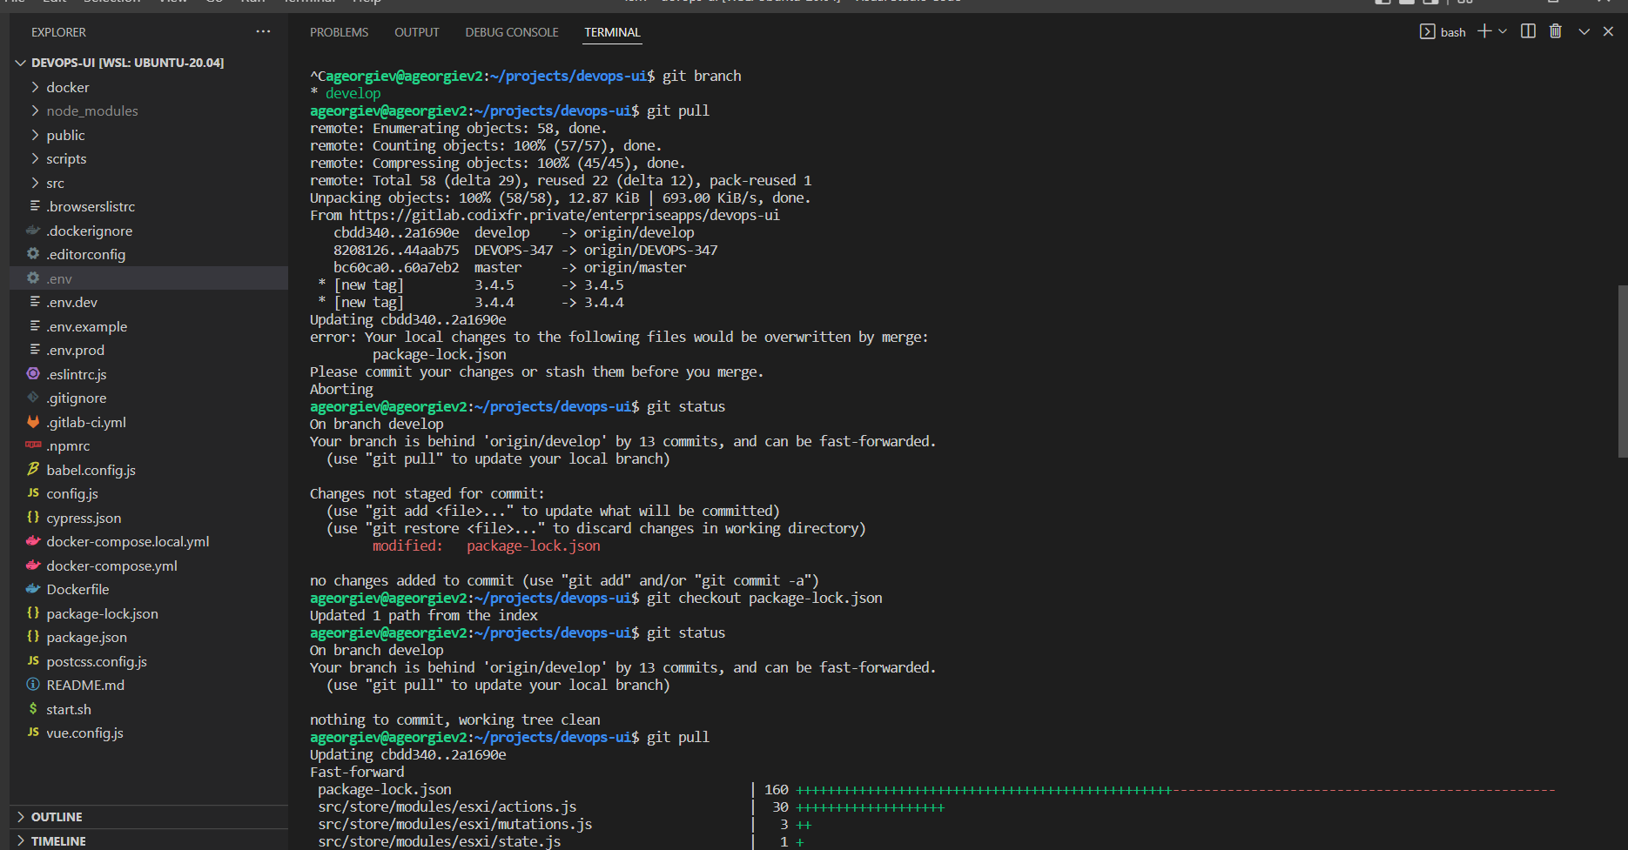
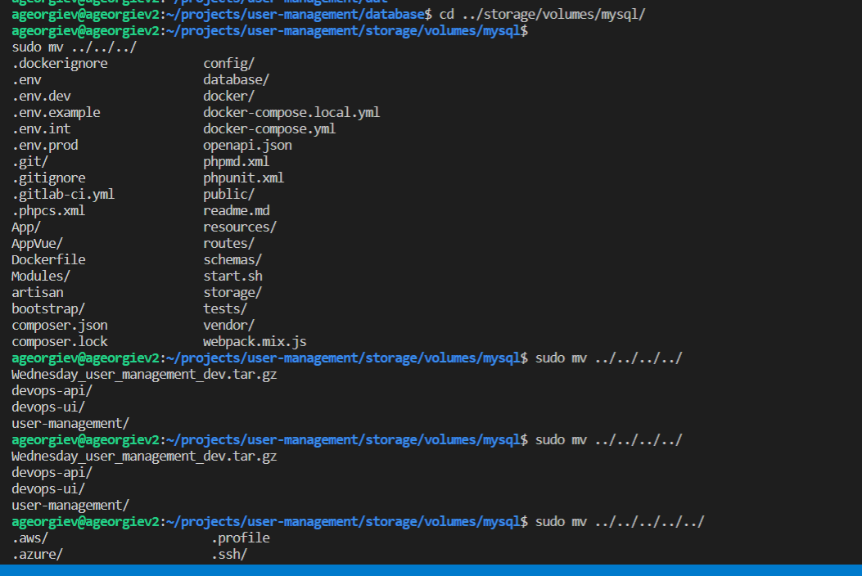
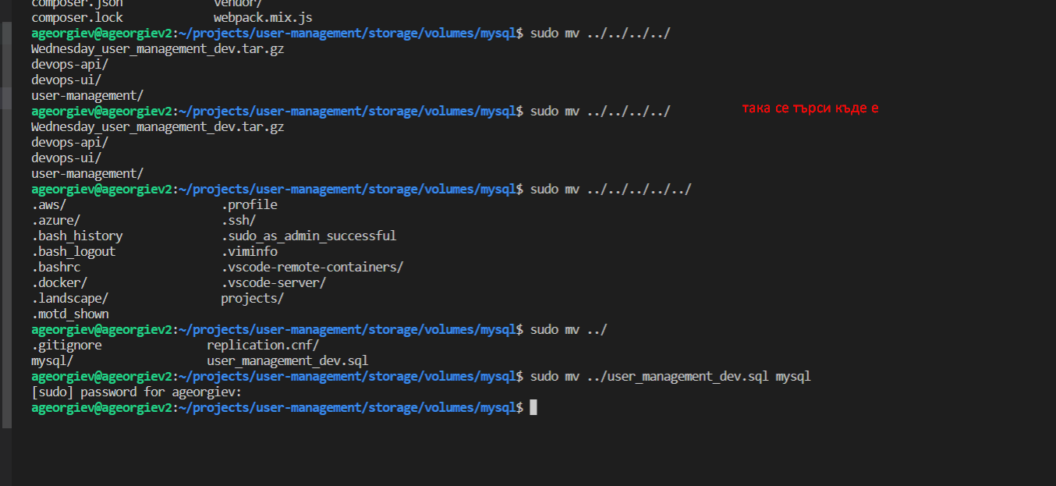
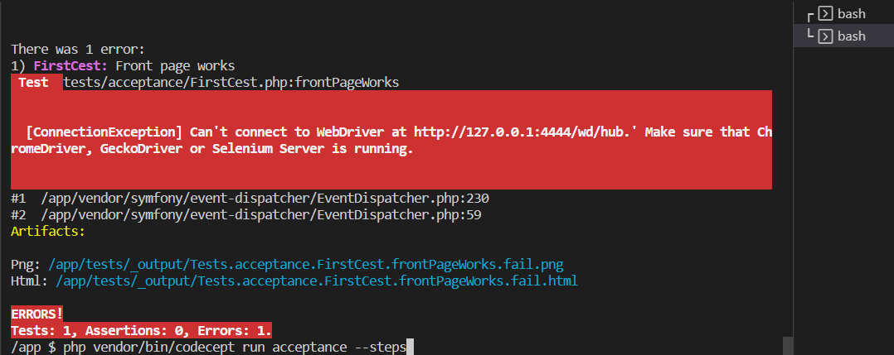

 | /app $ vendor/bin/codecept run acceptance
 |  | при този проблем Цецо каза че трябва да се вкара селениум уеб драйвъра в контейнера ...

 | HEADLESS CHROME BROWSER

 | To enable headless mode (launch tests without showing a window) for Chrome browser using Selenium use this config in acceptance.suite.yml:

 | { Snip }
 | modules:
 | enabled:
 | - WebDriver:
 | url: 'http://localhost/'
 | browser: chrome
 | capabilities:
 | chromeOptions:
 | args: ["--headless", "--disable-gpu"]

 | HEADLESS SELENIUM IN DOCKER

 | Docker can ship Selenium Server with all its dependencies and browsers inside a single container. Running tests inside Docker is as easy as pulling official selenium image and starting a container with Chrome:

 | { Snip }
 | docker run --net=host selenium/standalone-chrome

 | By using --net=host allow Selenium to access local websites.

 | създавам папка проекти
 | влизам в папка проекти
 | git clone https://gitlab.codixfr.private/enterpriseapps/devops-api.git
 | създавам сертификат и го катвам с : cat ca.crt >> /etc/ssl/certs/ca-certificates.crt
 | sudo cat ca.crt >> /etc/ssl/certs/ca-certificates.crt
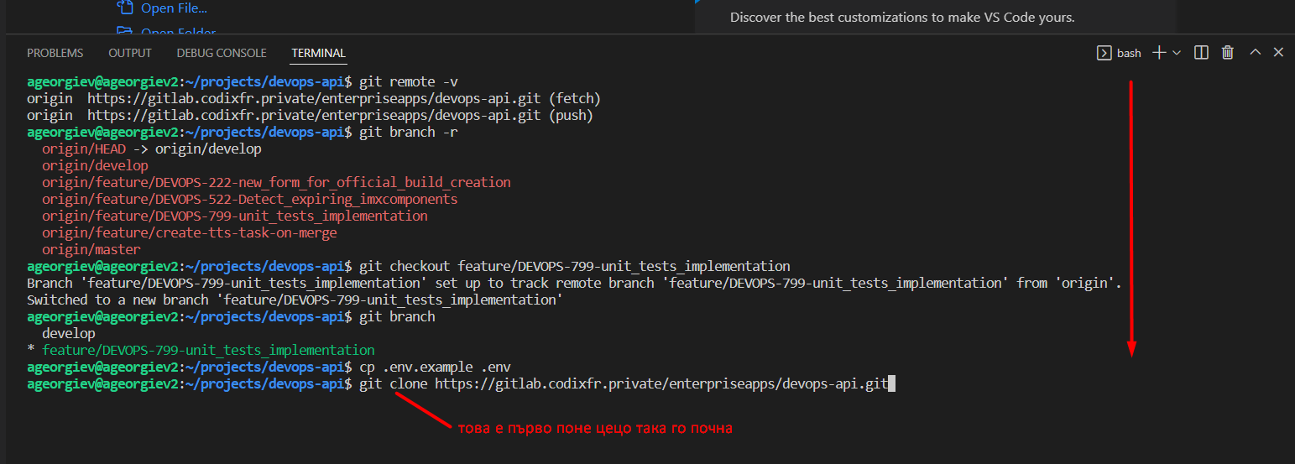

 | след това се оправя юзър мениджмънта и юи
 | конфигурират се ама още не знам как
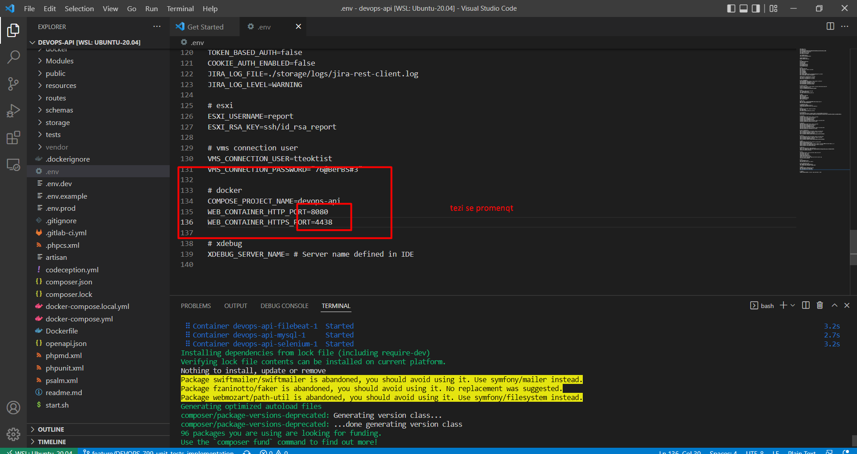

разархивираната база се мести в папката :

 | cd ../storage/volumes/mysql/
 | sudo mv ../../../
 | sudo mv ../user_management_dev.sql mysql | първо указваш пътя до файла и после къде да отиде

