Question 1
Conduct a hypothesis test to see whether there is a difference in the conversion rate between the two groups. What are the resulting p-value and conclusion?

Determine Null and Alternative Hypothesis ??
Null Hypothesis (H0): NO difference in conversion rate between A (Control) and B (Treatment) group. ie pControl = pTest
Alternative Hypothesis(H1) : Tthere will be a difference in conversion rate between A (Control) and B (Treatment) group. ie pControl ≠ pTest

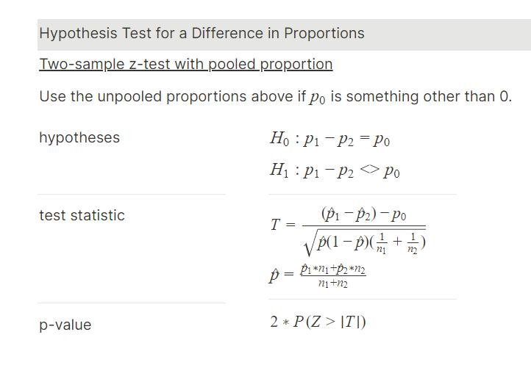

Null Hypothesis(H0) |  | p1-p2=p0
Alternative Hypothesis(H1) |  | p1-p2<>p0
p1=conversion rate of group A |  | 0.03923

p2=conversion rate of group B |  | 0.04630

n1=total users in group A |  | 24343
n1=total users in group B |  | 24600

The pooled proportion (p^) formula is:

p1*n1 |  | 955
p2*n2 |  | 1139
n1+n2 |  | 48943
pooled proportion (p^) |  | (p1*n1+p2*n2)/(n1+n2) | 0.04278

The Standard Error is calculated using the following formula:

(1-p^) |  | 0.95722
p^(1-p^) |  | 0.040954
1/n1 |  | 0.000041080
1/n2 |  | 0.0000406504
1/n1+1/n2 |  | 0.000081730
p^(1-p^)(1/n1+1/n2) |  | 0.0000033472

Standard Error (SE) |  | √p^(1-p^)(1/n1+1/n2) | 0.0018295

The Test Statistic (Z Score) is calculated using the following formula:

p0 in this formula is the true population proportion, which is 0 (null value) |  |  | 0
(treatment - control) = (p2-p1) |  |  | 0.00707
SE |  |  | 0.0018295

Test Statistic | (p1 - p2) / Standard Error |  | -3.86429177

The p-value is calculated using the following formula [2 * NORM.S.DIST(-(the z score )) ]:

NORM.S.DIST |  |  | 0.000055706
p-value = 2 * NORM.S.DIST(-(the z score )) |  |  | 0.0001114

Conclusion:

Since the p-value is much smaller than the significance level (α = 0.05), we reject the null hypothesis (H0). There is strong evidence to suggest that there is a statistically significant
difference in the conversion rates between Group A (Control group)and Group B(Treatment group). The conversion rate for one group is significantly different from the other group.

Question 2
What is the 95% confidence interval for the difference in the conversion rate between the treatment and control (treatment-control)?
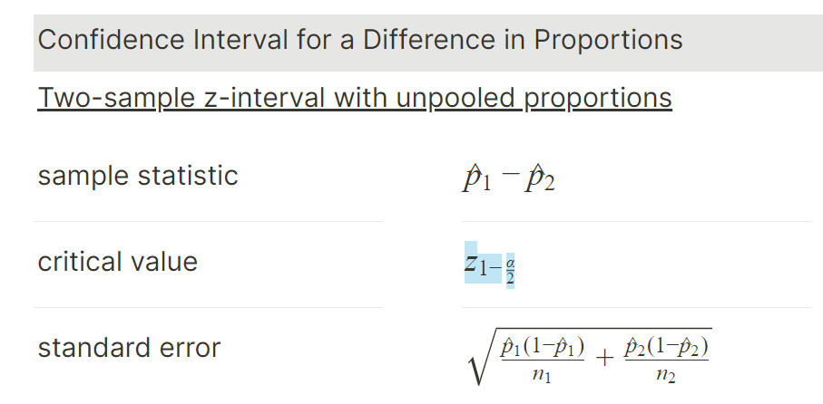

p1=conversion rate of group A |  | =' | 0.03923

p1=conversion rate of group B |  | =' | 0.04630

For a 95% confidence level
Alpha α |  | =' | 0.05
the critical value is approximately |  | =' | 1.96

Sample statistic |  | =' | 0.00707

Standard Error | (SE) | =' | 0.0018295
 |  |  |  |  | 0.00707
The margin of error (MOE) for the difference in proportions: |  |  | =' critical value * SE

 |  |  | ≈ 1.96*0.0018295

 |  |  | 0.003585

Finally, we can construct the confidence interval:

95% Confidence Interval = (p2 - p1) ± MOE

95% Confidence Interval |  | 0.01065 |  | Upper Bond = Sample Stats + Margin of Error
 |  | 0.00348 |  | Lower Bond = Sample Stat - Margin of Error

 |  | 95% Confidence Interval ≈ (0.00348, 0.01065)

The 95% confidence interval for the difference in the conversion rate between the treatment (Group B) and control (Group A) is approximately (0.00348, 0.01065). This means that we are
95% confident that the true difference in conversion rates between the two groups lies within this interval. Since the interval does not contain zero, we can conclude that the difference in
conversion rates between the treatment and control groups is statistically significant at the 95% confidence level.

Question 3
Conduct a hypothesis test to see whether there is a difference in the average amount spent per user between the two groups. What are the resulting p-value and conclusion?
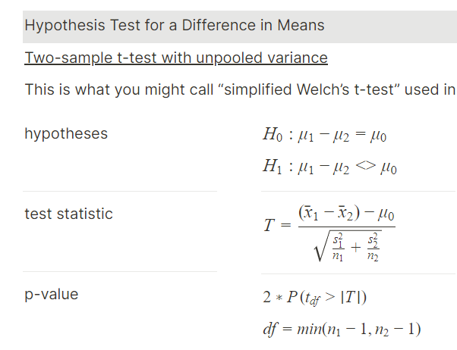

Control Users - A |  | Test/Treatment Users - B
Mean (x̄1) | 3.375 | Mean (x̄2) | 3.391
Std Dev (s1) | 25.94 | Std Dev (s2) | 25.414
n1 | 955 | n2 | 1139

Test Statistic (T)

x̄1-x̄2 | -0.016
s1^2/n1 | 0.7043940891
s2^2/n2 | 0.5670561604
s1^2/n1 + s2^2/n2 | 1.27145025
√s1^2/n1 + s2^2/n2 | 1.127586028

Test Statistic (T) | -0.01449865 | 0.0144987

Degrees of Freedom DF =min (N1 - 1) , (N2 - 1)) = 955-1 |  |  | 954 | (since between the two number of users group A has less users compared to group B)
(degrees of freedom is the minimum n-1 between the groups)

the p-value for a t-distribution: |  | =' T.DIST.2T(test stat, df) | 0.988435

Since p-value > α, i.e.0988 > 0.05 ,H0 cannot be rejected.
Therefore, we fail to reject the null hypothesis, which states that the average amount spent per user in Group A is equal to the average amount spent per user in Group B.

Question 4
What is the 95% confidence interval for the difference in the average amount spent per user between the treatment and the control (treatment-control)?

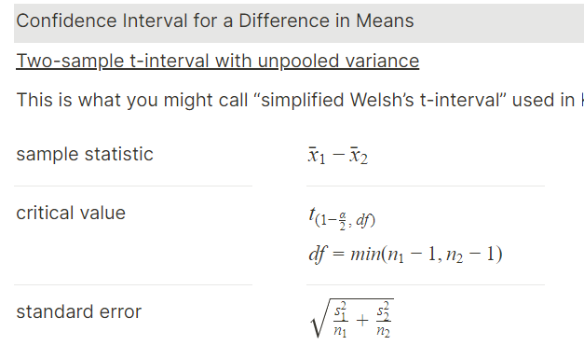

Control Users - A |  |  |  | Test/Treatment Users - B
Mean (x̄1) | 3.375 |  |  | Mean (x̄2) | 3.391
Std Dev (s1) | 25.936 |  |  | Std Dev (s2) | 25.414 |  | 0.00707
n1 | 24343 |  |  | n2 | 24600

The Standard Error is calculated using the following formula:

x̄1-x̄2 |  | -0.016 | 0.016
s1^2/n1 |  | 0.027634
s2^2/n2 |  | 0.026255
s1^2/n1 + s2^2/n2 |  | 0.053889
√s1^2/n1 + s2^2/n2 |  | 0.232141
Standard Error | (SE) | 0.232141
 |  |  |  |  |  |  |  | 0.296338577
For a 95% confidence level
Alpha α |  | =' 0.05 |  |  |  |  |  | 0.294909
Degrees of Freedom DF =min (N1 - 1) , (N2 - 1)) = 955-1 |  |  |  | 24342 |  | (since between the two number of users group A has less users compared to group B)
(degrees of freedom is the minimum n-1 between the groups)

Using a t-table or statistical software, the critical value for a 95% confidence level and 954 degrees of freedom is approximately 1.961.
 |  |  |  |  |  |  |  | 0.001429576983
The margin of error (MOE) for the difference in proportions: |  |  | =' critical value * SE
 |  |  | ≈ 1.96*.232141
 |  |  | 0.4549954952
 |  |  | 0.455

Finally, we can construct the confidence interval:

95% Confidence Interval = (x̄2 - x̄1) ± MOE

95% Confidence Interval |  | -0.439 |  |  | Lower Bond = Sample Stat - Margin of Error
 |  | 0.471 |  |  | Upper Bond = Sample Stats + Margin of Error

