Reporte ejecutivo
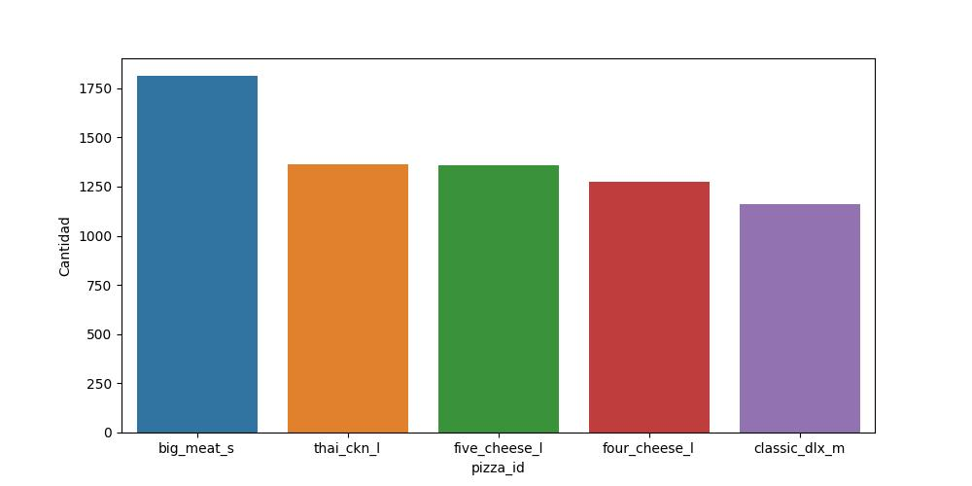
En la siguiente gráfica se muestran los 5 ingredientes menos usados | En la siguiente gráfica se muestran los 5 ingredientes más usados
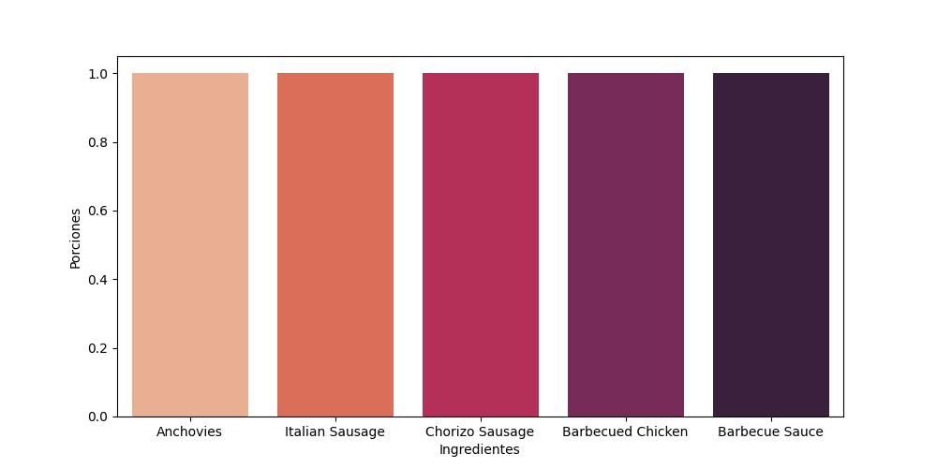
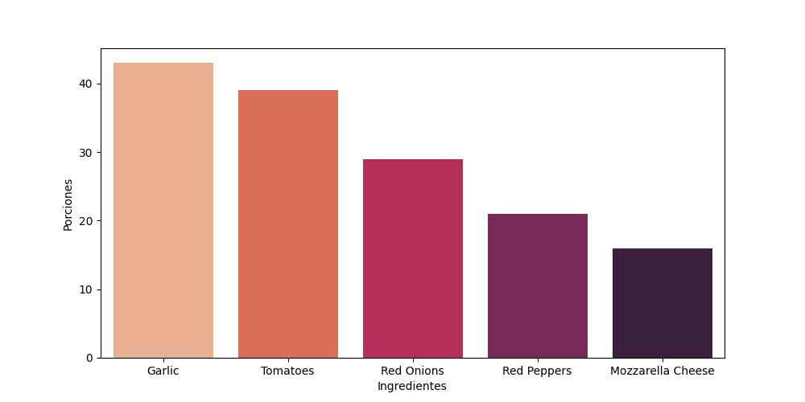

En la siguiente gráfica se muestran las 5 pizzas más baratas | En la siguiente gráfica se muestran las 5 pizzas más caras
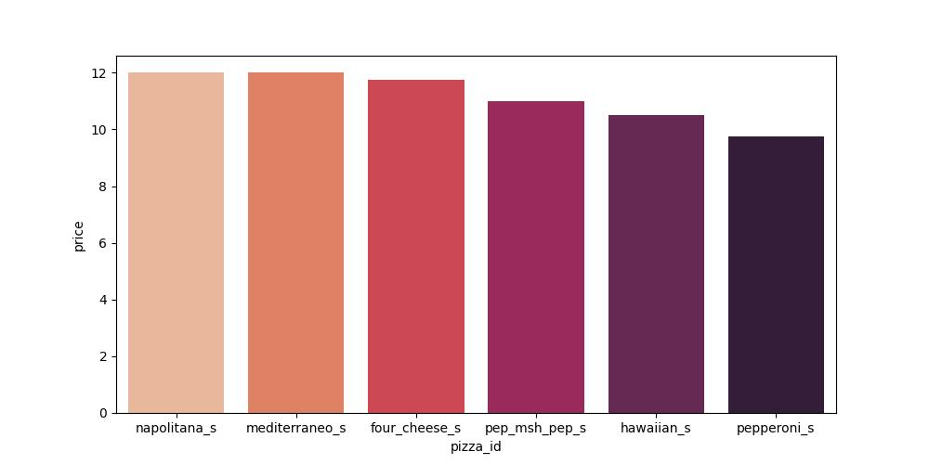
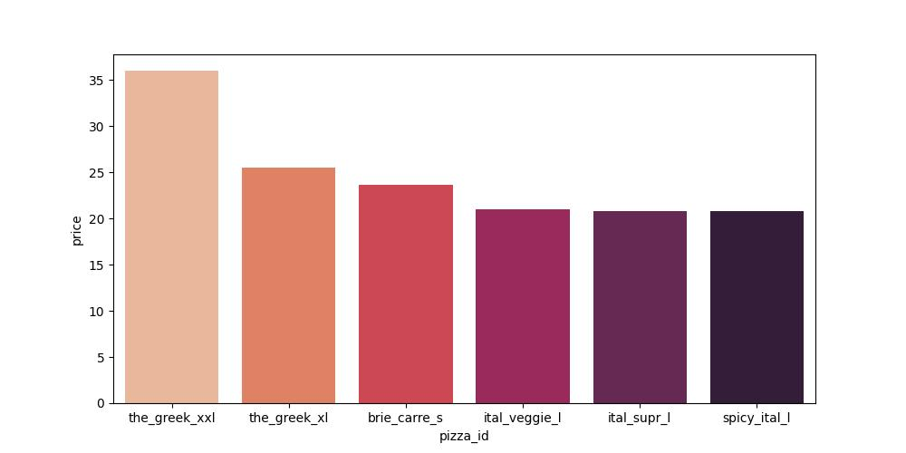

En la siguiente gráfica se muestran las 5 pizzas más vendidas

