Reporte ejecutivo
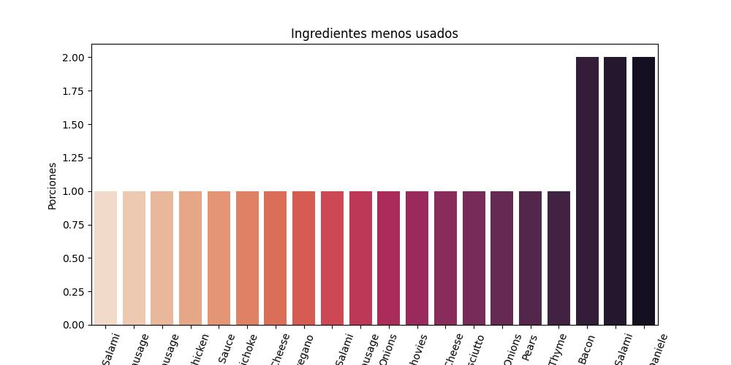
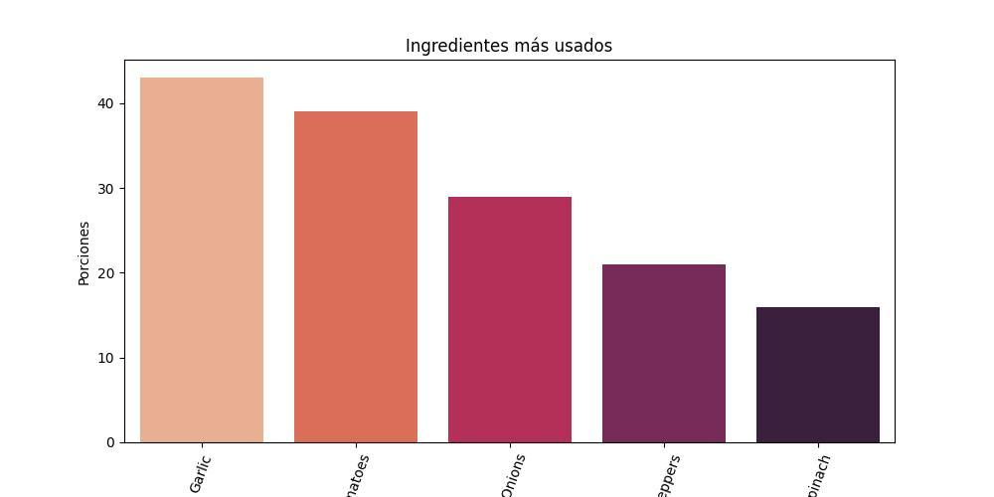
En la siguiente gráfica se muestran los 20 ingredientes menos usados | En la siguiente gráfica se muestran los 5 ingredientes más usados

