Sheet1
Fit Curve 1 | Fit Curve 1
Independent Variable | Line Fit of B
Fitted Values | Fitted Values
350 | -6.09234
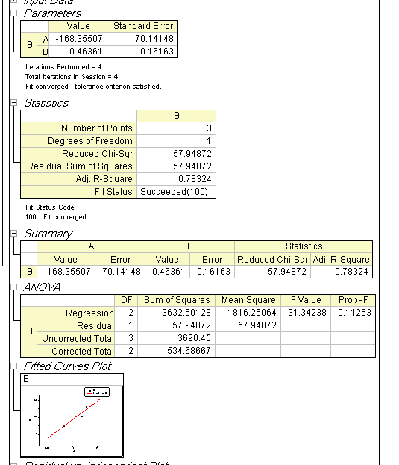
351.51515 | -5.38991
353.0303 | -4.68747
354.54545 | -3.98504
356.06061 | -3.2826
357.57576 | -2.58016
359.09091 | -1.87773
360.60606 | -1.17529
362.12121 | -0.47286
363.63636 | 0.22958
365.15152 | 0.93202
366.66667 | 1.63445
368.18182 | 2.33689
369.69697 | 3.03932
371.21212 | 3.74176
372.72727 | 4.4442
374.24242 | 5.14663
375.75758 | 5.84907
377.27273 | 6.5515
378.78788 | 7.25394
380.30303 | 7.95638
381.81818 | 8.65881
383.33333 | 9.36125
384.84848 | 10.06368
386.36364 | 10.76612
387.87879 | 11.46856
389.39394 | 12.17099
390.90909 | 12.87343
392.42424 | 13.57586
393.93939 | 14.2783
395.45455 | 14.98074
396.9697 | 15.68317
398.48485 | 16.38561
400 | 17.08804
401.51515 | 17.79048
403.0303 | 18.49292
404.54545 | 19.19535
406.06061 | 19.89779
407.57576 | 20.60023
409.09091 | 21.30266
410.60606 | 22.0051
412.12121 | 22.70753
413.63636 | 23.40997
415.15152 | 24.11241
416.66667 | 24.81484
418.18182 | 25.51728
419.69697 | 26.21971
421.21212 | 26.92215
422.72727 | 27.62459
424.24242 | 28.32702
425.75758 | 29.02946
427.27273 | 29.73189
428.78788 | 30.43433
430.30303 | 31.13677
431.81818 | 31.8392
433.33333 | 32.54164
434.84848 | 33.24407
436.36364 | 33.94651
437.87879 | 34.64895
439.39394 | 35.35138
440.90909 | 36.05382
442.42424 | 36.75625
443.93939 | 37.45869
445.45455 | 38.16113
446.9697 | 38.86356
448.48485 | 39.566
450 | 40.26843
451.51515 | 40.97087
453.0303 | 41.67331
454.54545 | 42.37574
456.06061 | 43.07818
457.57576 | 43.78061
459.09091 | 44.48305
460.60606 | 45.18549
462.12121 | 45.88792
463.63636 | 46.59036
465.15152 | 47.29279
466.66667 | 47.99523
468.18182 | 48.69767
469.69697 | 49.4001
471.21212 | 50.10254
472.72727 | 50.80497
474.24242 | 51.50741
475.75758 | 52.20985
477.27273 | 52.91228
478.78788 | 53.61472
480.30303 | 54.31716
481.81818 | 55.01959
483.33333 | 55.72203
484.84848 | 56.42446
486.36364 | 57.1269
487.87879 | 57.82934
489.39394 | 58.53177
490.90909 | 59.23421
492.42424 | 59.93664
493.93939 | 60.63908
495.45455 | 61.34152
496.9697 | 62.04395
498.48485 | 62.74639
500 | 63.44882

