Service
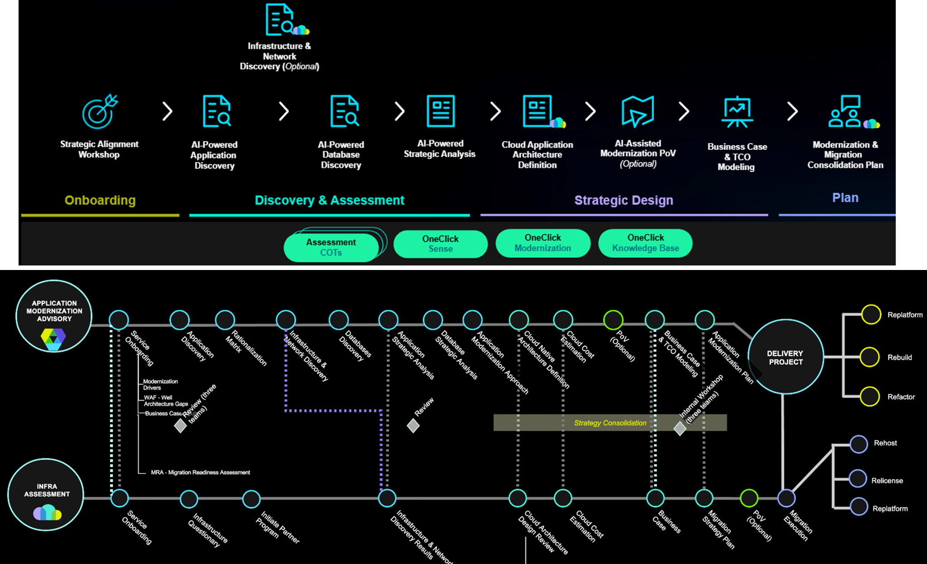
Application Modernization
AIPAM-AD-ModernizationAdvisory.CustomerDeck.pptx

