Hoja1
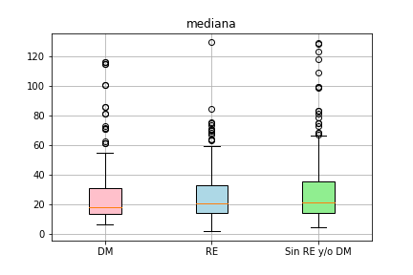
 | 300x300 |  |  |  |  |  |  |  |  |  |  |  |  |  |  |  |  |  |  | 50x50 |  |  |  |  |  |  |  |  |  |  |  |  |  |  |  |  |  | 150x150
 | HS(V) |  |  | H(S)V |  |  | RG(B) |  |  | (HSV) |  |  | Estiramiento_HS(V) |  |  | Estiramiento_H(S)V |  |  |  | HS(V) |  |  | H(S)V |  |  | RG(B) |  |  | (HSV) |  |  | Estiramiento_HS(V) |  |  | Estiramiento_H(S)V |  |  | HS(V) |  |  | H(S)V |  |  | RG(B) |  |  | (HSV) |  |  | Estiramiento_HS(V) |  |  | Estiramiento_H(S)V
Carac | DM vs RE (p) | DM vs NO (p) | RE vs NO (p) | DM vs RE (p) | DM vs NO (p) | RE vs NO (p) | DM vs RE (p) | DM vs NO (p) | RE vs NO (p) | DM vs RE (p) | DM vs NO (p) | RE vs NO (p) | DM vs RE (p) | DM vs NO (p) | RE vs NO (p) | DM vs RE (p) | DM vs NO (p) | RE vs NO (p) | Carac | DM vs RE (p) | DM vs NO (p) | RE vs NO (p) | DM vs RE (p) | DM vs NO (p) | RE vs NO (p) | DM vs RE (p) | DM vs NO (p) | RE vs NO (p) | DM vs RE (p) | DM vs NO (p) | RE vs NO (p) | DM vs RE (p) | DM vs NO (p) | RE vs NO (p) | DM vs RE (p) | DM vs NO (p) | RE vs NO (p) | DM vs RE (p) | DM vs NO (p) | RE vs NO (p) | DM vs RE (p) | DM vs NO (p) | RE vs NO (p) | DM vs RE (p) | DM vs NO (p) | RE vs NO (p) | DM vs RE (p) | DM vs NO (p) | RE vs NO (p) | DM vs RE (p) | DM vs NO (p) | RE vs NO (p) | DM vs RE (p) | DM vs NO (p) | RE vs NO (p)
Energia | 3.0225697851E-20 |  |  | 6.928639225E-18 |  |  | 2.318829732E-20 |  |  | 2.98711984E-09 |  |  | 4.3693458864E-20 |  |  |  |  |  | Energia | 3.6070812241E-52 |  |  |  |  |  | 2.7315625172E-54
Entropia |  | 9.4060935194E-35 |  | 1.672543854E-17 | 4.0353087699E-34 |  |  | 6.9261574996E-36 |  |  |  |  |  | 6.2142243057E-35 |  |  |  |  | Entropia
valorpicoHFOUR |  |  | 2.1063832469E-39 |  |  | 4.0425527765E-38 |  |  | 7.2222362348E-39 |  |  |  |  |  | 1.0423585247E-37 |  |  | 1.0894288713E-37 | valorpicoHFOUR
ASM | 6.6092012906E-19 |  |  | 1.7891499295E-17 |  |  | 5.1536628071E-19 |  |  | 5.0980968896E-09 |  |  | 1.8701880455E-19 |  |  |  |  |  | ASM | 5.7322580338E-44 |  |  |  |  |  | 2.1417274651E-46
kurtosHFOUR | 1.5258612315E-18 |  |  |  |  |  | 9.4993987111E-19 |  |  |  |  |  | 6.2342865185E-16 |  |  |  |  |  | kurtosHFOUR | 1.4270818386E-55 |  |  | 6.6151810584E-42 |  | 3.8167649258E-50 | 2.7788979643E-55
sSIMDWHT | 1.0840539491E-17 |  |  |  |  |  |  |  |  |  |  |  | 3.5558443649E-18 |  |  |  |  |  | sSIMDWHT | 8.6964709535E-61 |  | 2.7995161917E-66 |  |  |  |  |  | 1.7402124145E-82
asimetriaHFOUR | 1.5978565127E-17 |  |  |  |  |  | 6.7783261456E-18 |  |  |  |  |  | 9.8418346755E-15 |  |  |  |  |  | asimetriaHFOUR | 1.2925838145E-62 |  |  | 8.2548388347E-48 |  | 1.760169472E-53 | 6.272524436E-63
EntropiaSF |  | 5.1309619491E-34 |  |  | 3.5801737376E-50 |  |  |  |  |  |  |  |  | 8.7987883414E-35 |  |  | 2.9133003618E-32 |  | EntropiaSF
sumasHDFT |  | 2.9991063246E-33 | 6.0352856484E-36 |  | 2.9991545383E-33 | 6.0346771952E-36 |  | 2.9991063246E-33 | 6.0352856484E-36 |  |  |  |  | 2.9991063246E-33 | 6.0352856484E-36 |  | 2.9992059463E-33 | 6.0347501055E-36 | sumasHDFT
mediaHDFT |  | 2.9991063246E-33 |  |  | 2.9991545383E-33 |  |  | 2.9991063246E-33 | 6.0352856484E-36 |  |  |  |  |  |  |  | 2.9992059463E-33 |  | mediaHDFT
sumasHFOUR |  | 3.0039284171E-33 | 6.0351372387E-36 |  | 2.9991545383E-33 | 6.0227824206E-36 |  | 3.0073332651E-33 | 6.0378135565E-36 |  |  |  |  | 3.0028688519E-33 | 6.0341920268E-36 |  | 2.9986106644E-33 | 6.0186719329E-36 | sumasHFOUR
destanHFOUR |  |  | 4.6313832644E-38 |  |  | 1.2762131067E-37 |  |  | 6.8437518218E-38 |  |  |  |  |  | 4.1333176428E-37 |  |  | 2.2393796877E-37 | destanHFOUR |  | 3.3031350725E-35
mediaHFOUR |  |  | 6.0351372387E-36 |  |  | 6.0227824206E-36 |  | 3.0073332651E-33 |  |  |  |  |  | 2.9991063246E-33 | 6.0341920268E-36 |  | 2.9986106644E-33 | 6.0186719329E-36 | mediaHFOUR
sSIMN |  |  |  | 6.5752109417E-23 |  |  | 1.2503566446E-15 |  |  |  |  |  |  |  |  | 2.7379962981E-14 |  |  | sSIMN
asimetriaHDFT |  |  |  | 2.6525452951E-16 |  |  |  |  |  |  |  |  |  |  |  | 3.6433795913E-15 |  |  | asimetriaHDFT |  |  |  |  | 1.332583373E-32
HomogeneidadSF |  |  |  | 5.569229061E-16 |  |  |  |  |  |  |  |  |  |  |  |  |  |  | HomogeneidadSF
mediaHOP |  |  |  |  |  |  |  |  |  | 7.013153919E-14 |  |  |  |  |  |  |  |  | mediaHOP
varHOP |  |  |  |  |  |  |  |  |  | 1.6058381918E-07 |  |  |  |  |  |  |  |  | varHOP
Homogeneidad |  |  |  |  |  |  |  |  |  | 2.6895416935E-07 |  |  |  |  |  |  |  |  | Homogeneidad
l2HOP |  |  |  |  |  |  |  |  |  |  | 2.9712653123E-42 |  |  |  |  |  |  |  | l2HOP
sumasHOP |  |  |  |  |  |  |  |  |  |  | 3.9987866365E-42 |  |  |  |  |  |  |  | sumasHOP
l2 |  |  |  |  |  |  |  |  |  |  | 2.1652108054E-39 | 4.1981826205E-41 |  |  |  |  |  |  | l2
l2waveletLL |  |  |  |  |  |  |  |  |  |  | 4.5880846463E-39 | 7.9878928765E-41 |  |  |  |  |  |  | l2waveletLL
l2bajas |  |  |  |  |  |  |  |  |  |  | 4.5880846463E-39 | 7.9878928765E-41 |  |  |  |  |  |  | l2bajas
difwaveletHH |  |  |  |  |  |  |  |  |  |  |  | 6.1212174973E-40 |  |  |  |  |  |  | difwaveletHH
difwaveletLH |  |  |  |  |  |  |  |  |  |  |  | 1.7464672646E-39 |  |  |  |  |  |  | difwaveletLH
kurtosHDFT |  |  |  |  |  |  |  |  |  |  |  |  |  |  |  | 7.9515454934E-16 |  |  | kurtosHDFT
ASMDFT |  |  |  |  |  |  |  |  |  |  |  |  |  |  |  | 4.6835580278E-15 |  |  | ASMDFT
 |  |  |  |  |  |  |  |  |  |  |  |  |  |  |  |  |  |  | errorCuadraticoDWHT |  | 1.0912175322E-49 |  |  |  |  |  | 1.9521308247E-54
 |  |  |  |  |  |  |  |  |  |  |  |  |  |  |  |  |  |  | errorCuadraticoN |  | 2.7309145127E-38
 |  |  |  |  |  |  |  |  |  |  |  |  |  |  |  |  |  |  | pendientereEDFT |  | 1.9446313545E-35 | 6.9322464891E-70 |  | 1.4317701272E-41 | 5.4264333754E-51 |  | 5.2288575129E-64 | 8.7861654932E-78
 | 3.0225697851E-20 | 9.4060935194E-35 | 2.1063832469E-39 | 6.5752109417E-23 | 3.5801737376E-50 | 4.0425527765E-38 | 2.318829732E-20 | 6.9261574996E-36 | 7.2222362348E-39 | 7.013153919E-14 | 2.9712653123E-42 | 4.1981826205E-41 | 4.3693458864E-20 | 6.2142243057E-35 | 1.0423585247E-37 | 7.9515454934E-16 | 2.9986106644E-33 | 1.0894288713E-37 | destanEDFT |  |  | 6.9450393262E-76 |  |  |  |  | 2.6998039037E-64 | 1.2397656158E-82
 |  |  |  |  |  |  |  |  |  |  |  |  |  |  |  |  |  |  | mediaEDFT |  |  | 1.7680725146E-56 |  | 5.0672920347E-41 |  |  |  | 1.538564081E-59
 |  |  |  |  |  |  |  |  |  |  |  |  |  |  |  |  |  |  | medianaHFOUR |  |  |  | 2.1618954622E-47 |  | 3.6899073209E-107
 |  |  |  |  |  |  |  |  |  |  |  |  |  |  |  |  |  |  | valorpicoHDFT |  |  |  |  | 1.3353189419E-39
min re vs dm | 6.5752109417E-23 | sSIMN | H(S)V |  |  |  |  |  |  |  |  |  |  |  |  |  |  |  | min re vs dm
dm vs no | 3.5801737376E-50 | EntropiaSF | H(S)V |  |  |  |  |  |  |  |  |  |  |  |  |  |  |  | dm vs no
re vs no | 4.1981826205E-41 | l2 | ((H)SV) |  |  |  |  |  |  |  |  |  |  |  |  |  |  |  | re vs no

mediana | 0.97012841802
medianaEDTF |  |  | 0.97679864157
Homogeneidad |  | 0.97833743378

 |  |  |  | Más separable DM vs RE |  |  |  |  | Más separable DM vs NO |  |  |  |  | Más separable DM vs NO
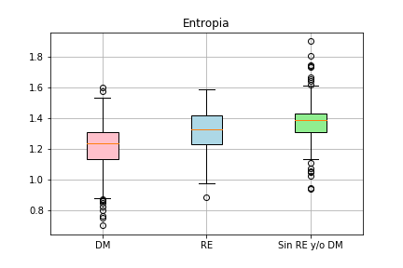
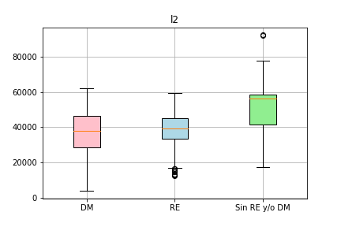
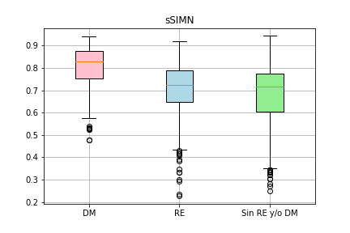

No separable

