LM1117
Vout=1.25(1+R2/R1)
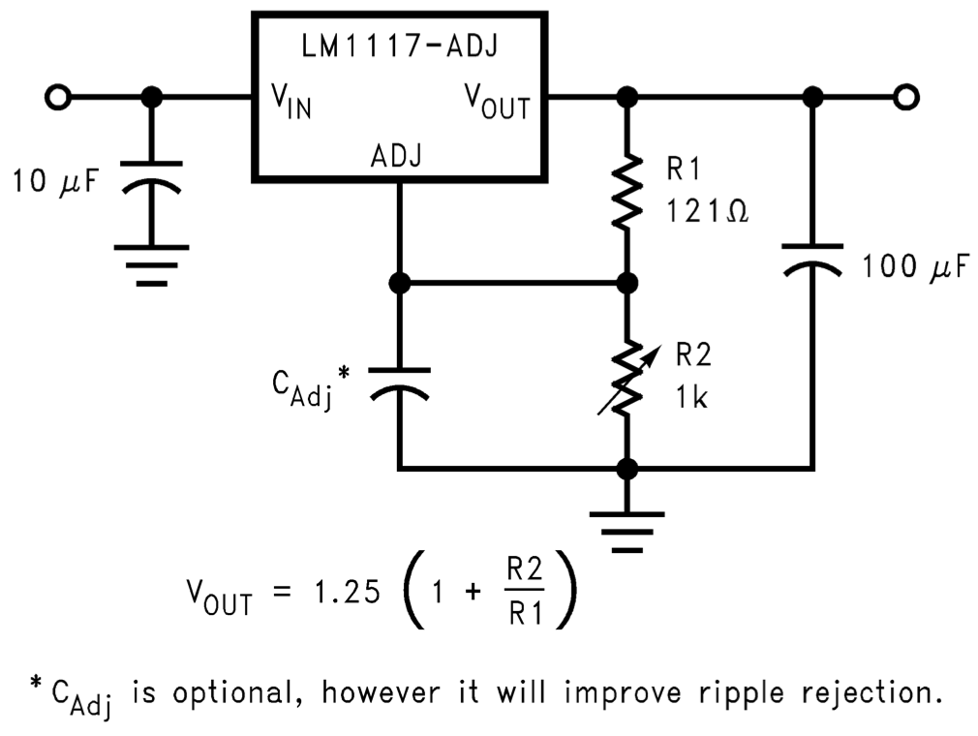
Vout | 1.25 | 1 | R2 | R1
3.3195364238 |  |  | 10000 | 6040
 |  |  | 10k | 6.04k

