Sheet1
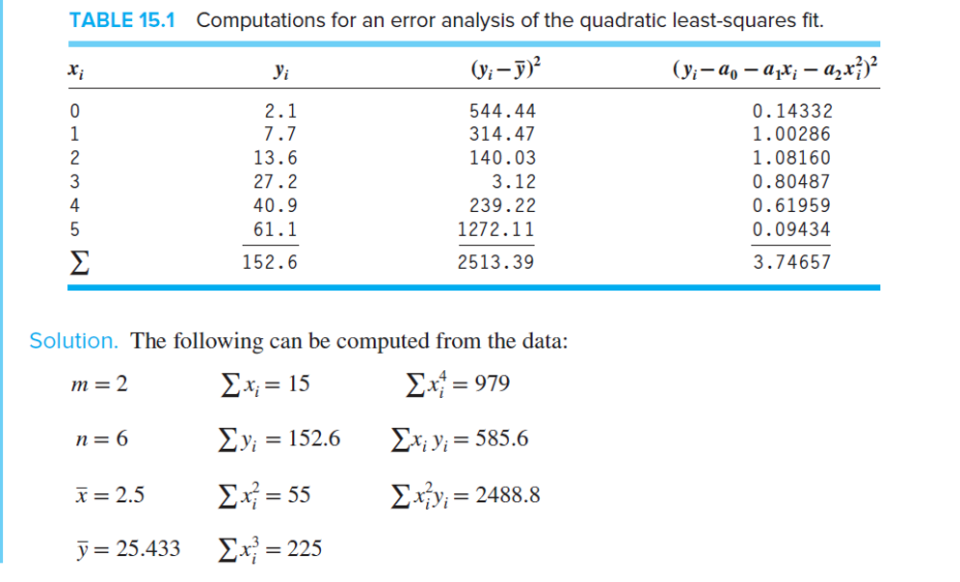
note: ganti x y aja
 | x | y | x^2 | x^3 | x^4 | xy | x^2 y
 | 0 | 2.1 | 0 | 0 | 0 | 0 | 0
 | 1 | 7.7 | 1 | 1 | 1 | 7.7 | 7.7
 | 2 | 13.6 | 4 | 8 | 16 | 27.2 | 54.4
 | 3 | 27.2 | 9 | 27 | 81 | 81.6 | 244.8
 | 4 | 40.9 | 16 | 64 | 256 | 163.6 | 654.4
 | 5 | 61.1 | 25 | 125 | 625 | 305.5 | 1527.5
sum | 15 | 152.6 | 55 | 225 | 979 | 585.6 | 2488.8
avg | 2.5 | 25.43333333
n | 6
matrix | 6 | 15 | 55 |  | a0 |  | 152.6
 | 15 | 55 | 225 |  | a0 |  | 585.6
 | 55 | 225 | 979 |  | a2 |  | 2488.8
concat params
[[6,15,55],[15,55,225],[55,225,979]]
[152.6,585.6,2488.8]
copas ke piton hehe
N = np.array([[6,15,55],[15,55,225],[55,225,979]])
r = np.array([152.6,585.6,2488.8])

