Sheet1
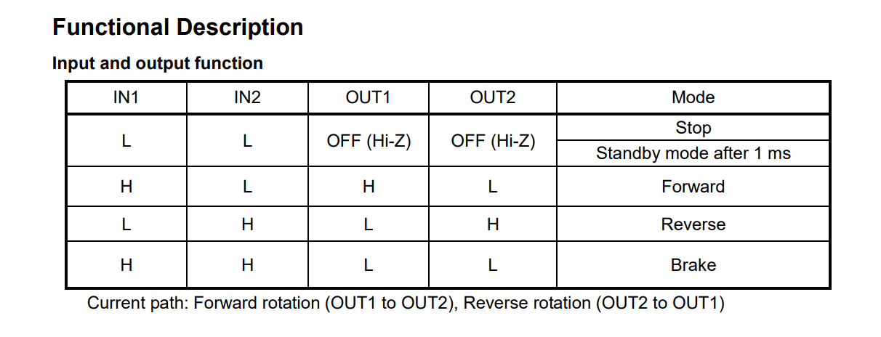
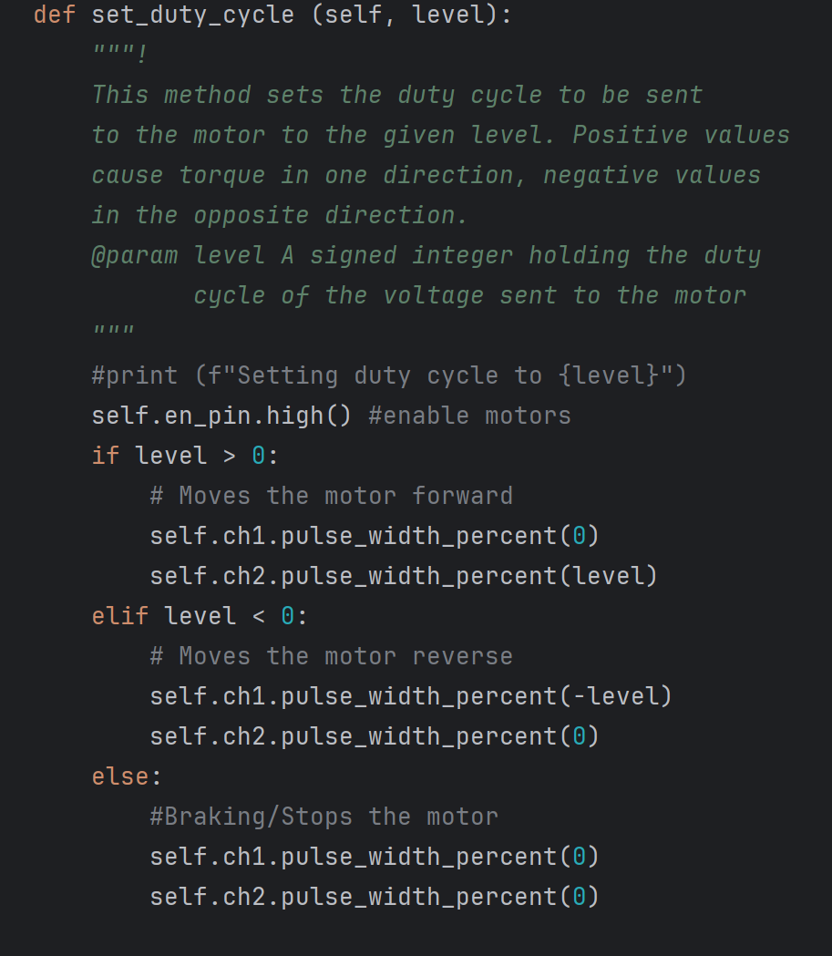
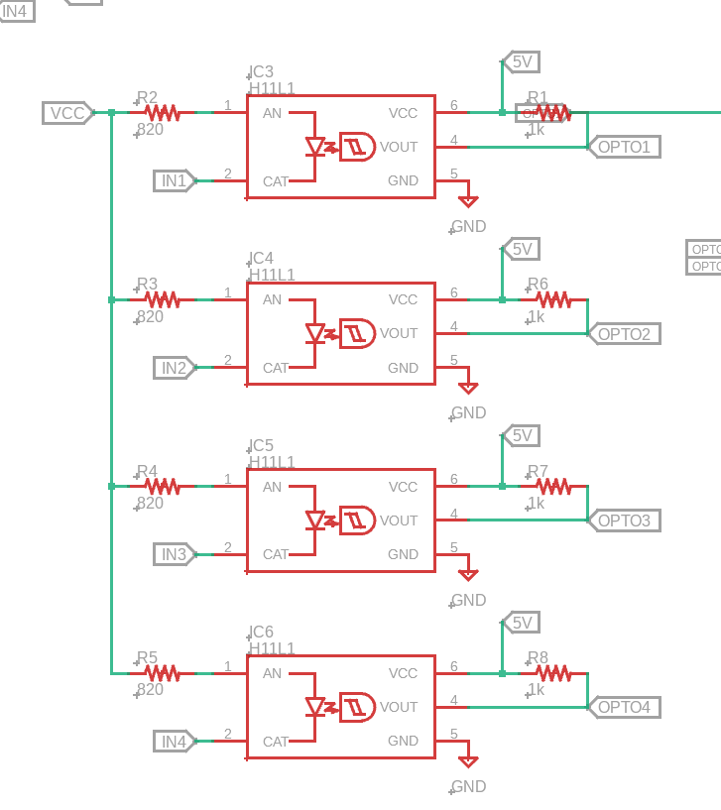
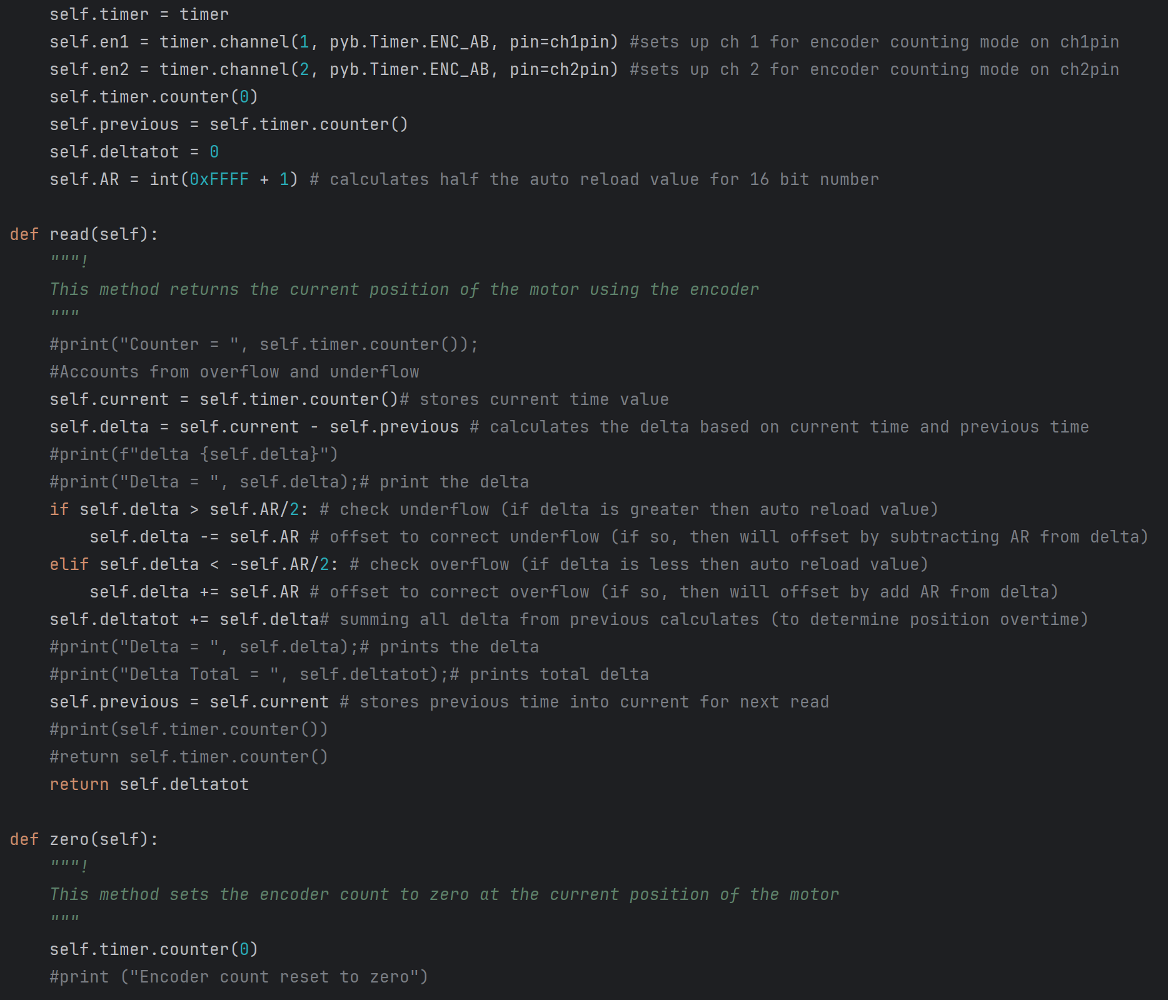
MCU Pins |  | Motor Driver Inputs |  | Motor Driver Outputs |  | Mode
IN1 | IN2 | IN1 | IN2 | OUT1 | OUT2
1 | 1 | L | L | OFF | OFF | Stop
0 | 1 | H | L | H | L | Forward
1 | 0 | L | H | L | H | Reverse
0 | 0 | H | H | L | L | Brake

Sheet2
