All-Time List
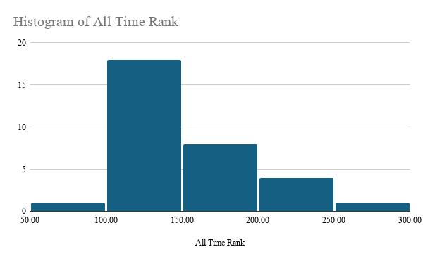
 |  | Top 32 All-Time LIST
Player | Total Points From All Criteria | Player | Total Points From All Criteria | All Time Rank
Allen Iverson | 128.48 | Michael Jordan | 250.28 | 1
Bill Russell | 200.35 | Kareem Abdul-Jabbar | 233.04 | 2
Bob Cousy | 131.93 | LeBron James | 226.39 | 3
Chris Paul | 117.76 | Bill Russell | 202.35 | 4
David Robinson | 139.32 | Kobe Bryant | 200.04 | 5
Dirk Nowitzki | 106.59 | Wilt Chamberlain | 195.28 | 6
Dominique Wilkins | 94.08 | Tim Duncan | 192.82 | 7
Dwyane Wade | 113.85 | Magic Johnson | 184.13 | 8
Gary Payton | 118.92 | Larry Bird | 179.22 | 9
Hakeem Olajuwon | 161.64 | Shaquille O'Neal | 174.43 | 10
Isiah Thomas | 105.41 | Hakeem Olajuwon | 158.64 | 11
Jason Kidd | 113.5 | Stephen Curry | 157.72 | 12
Jerry West | 148.84 | Julius Erving | 152.18 | 13
John Havlicek | 136.16 | Jerry West | 148.84 | 14
John Stockton | 98.29 | Kevin Garnett | 147.69 | 15
Julius Erving | 154.12 | David Robinson | 144.32 | 16
Kareem Abdul-Jabbar | 225.54 | Giannis Antetokounmpo | 143.31 | 17
Karl Malone | 136.05 | John Havlicek | 141.66 | 18
Kevin Garnett | 147.69 | Karl Malone | 141.55 | 19
Kobe Bryant | 201.54 | Bob Cousy | 131.93 | 20
Larry Bird | 179.22 | Moses Malone | 130.35 | 21
LeBron James | 222.89 | Oscar Robertson | 129.73 | 22
Magic Johnson | 184.13 | Allen Iverson | 129.48 | 23
Michael Jordan | 251.78 | Chris Paul | 126.26 | 24
Oscar Robertson | 128.23 | Nikola JokiÄ‡ | 125.7 | 25
Shaquille O'Neal | 169.43 | Gary Payton | 119.42 | 26
Stephen Curry | 159.22 | Dwyane Wade | 119.35 | 27
Tim Duncan | 182.82 | Jason Kidd | 117.05 | 28
Wilt Chamberlain |  | Dirk Nowitzki | 106.59 | 29
Giannis Antetokounmpo | 146.31 | Isiah Thomas | 105.41 | 30
Nikola JokiÄ‡ | 127.2 | John Stockton | 104.79 | 31
Moses Malone | 133.35 | Dominique Wilkins | 95.08 | 32
Wilt Chamberlain | 194.78

