FORTUNE 1
PROJECT NAME : | NEXLOGIC
SITE NAME : | Valenzuela Pole Site
ADDRESS : | ALONG FORTUNE
DATE TAKEN : | MAY 22 2026
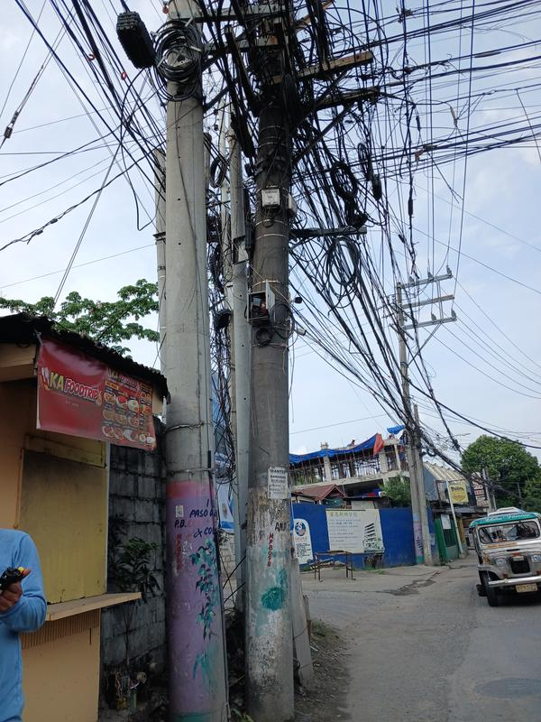 |  | 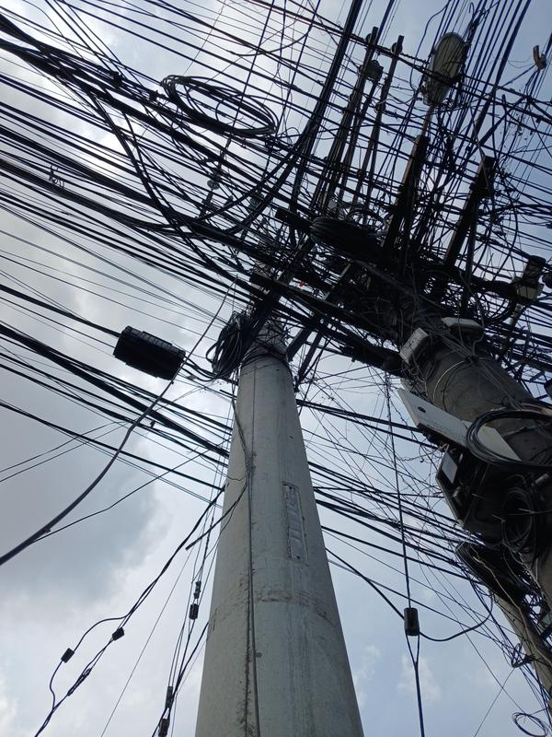 | LOCAL LOOP | MERALCO
 |  |  | POLE TAG NO. | NPT 14.7036657775576, 120.986602176837
 |  |  | ITEM NO.
 |  |  | 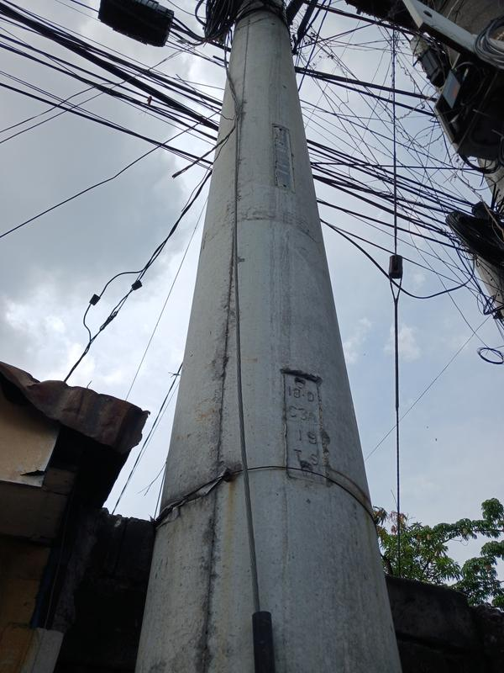

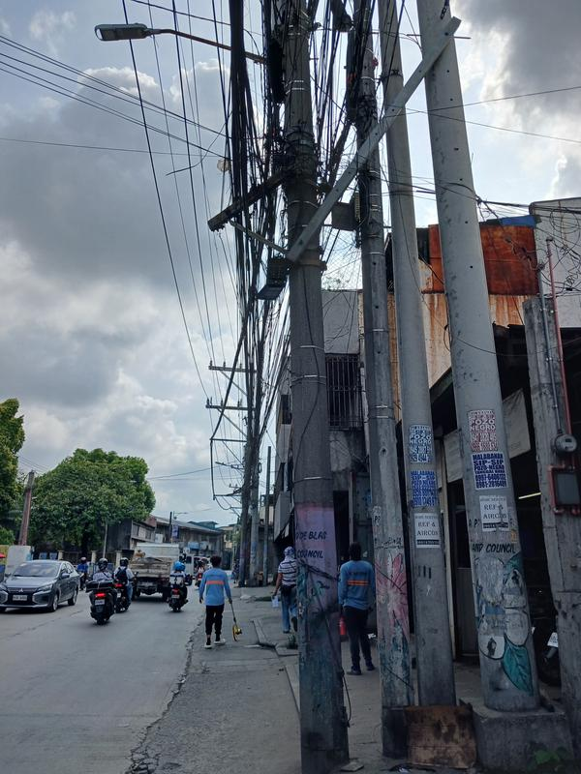 |  | 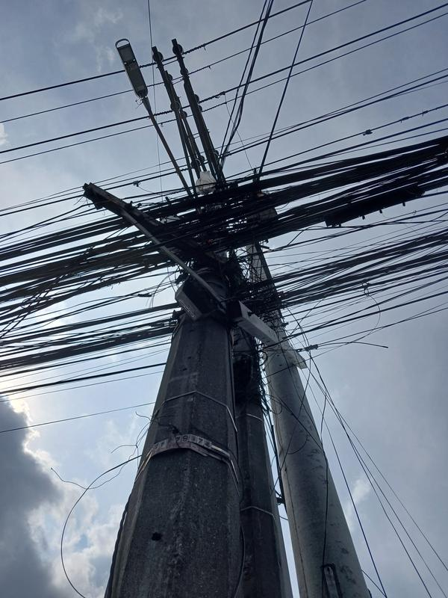 | LOCAL LOOP | MERALCO
 |  |  | POLE TAG NO. | Q4-0023 14.7038438089702, 120.986811031513
 |  |  | ITEM NO.
 |  |  | 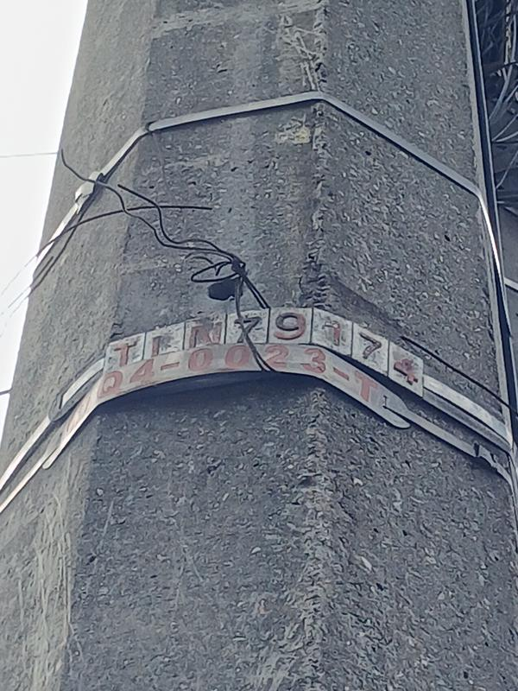

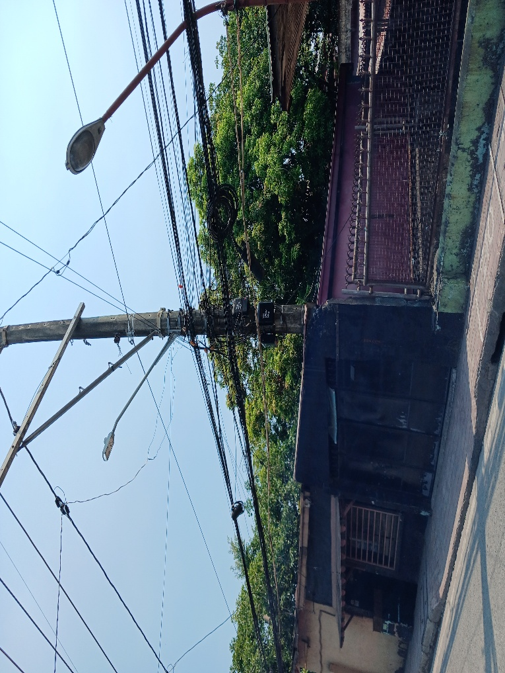

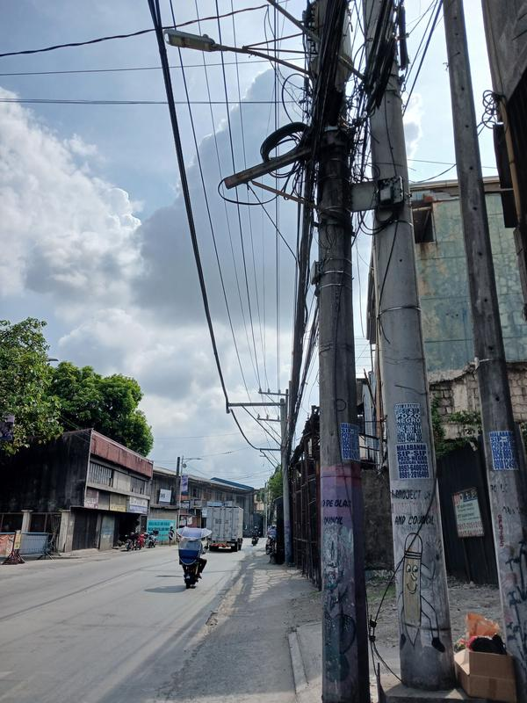 |  | 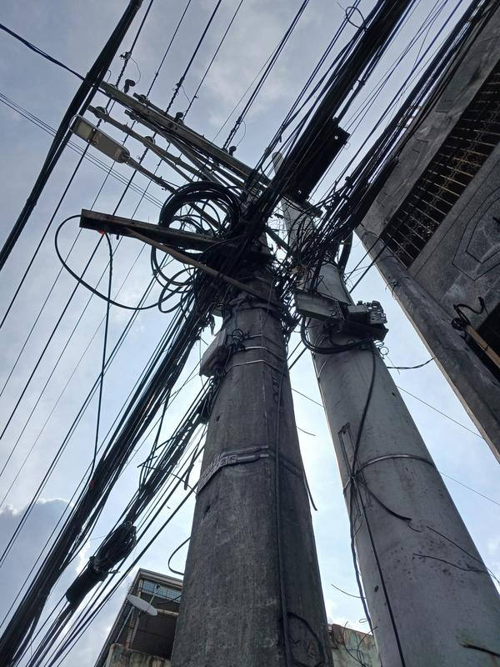 | LOCAL LOOP | MERALCO
 |  |  | POLE TAG NO. | Q455 14.7040628888772, 120.986985077076
 |  |  | ITEM NO.
 |  |  | 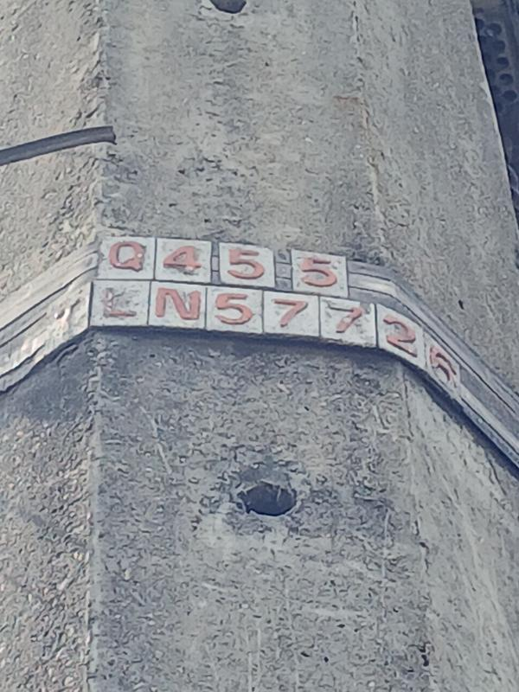

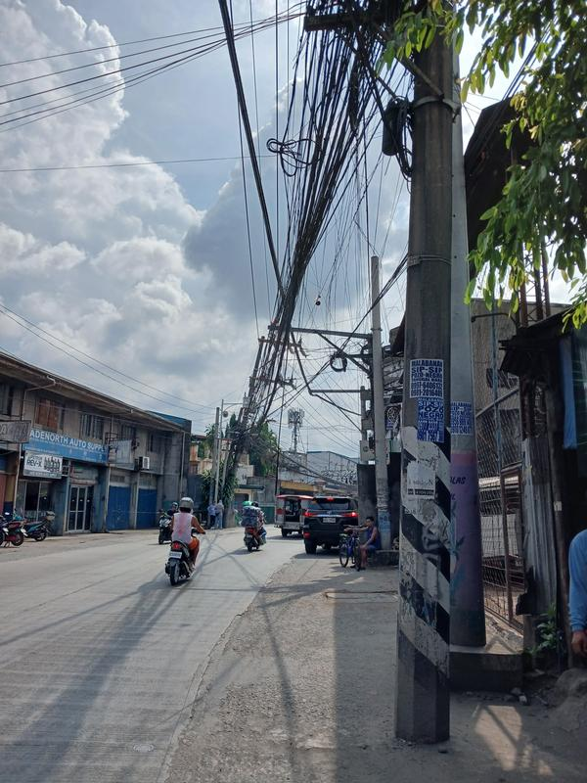 |  | 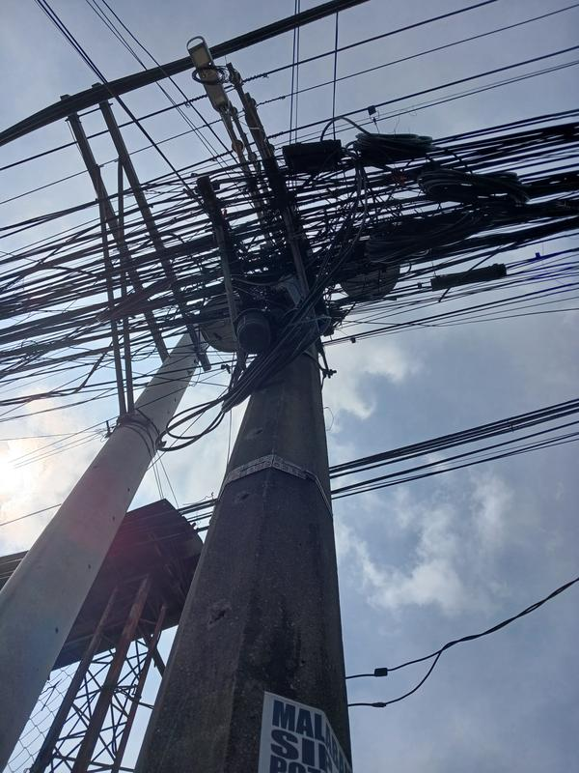 | LOCAL LOOP | MERALCO
 |  |  | POLE TAG NO. | Q4-1012 14.7043691391577, 120.987293113882
 |  |  | ITEM NO.
 |  |  | 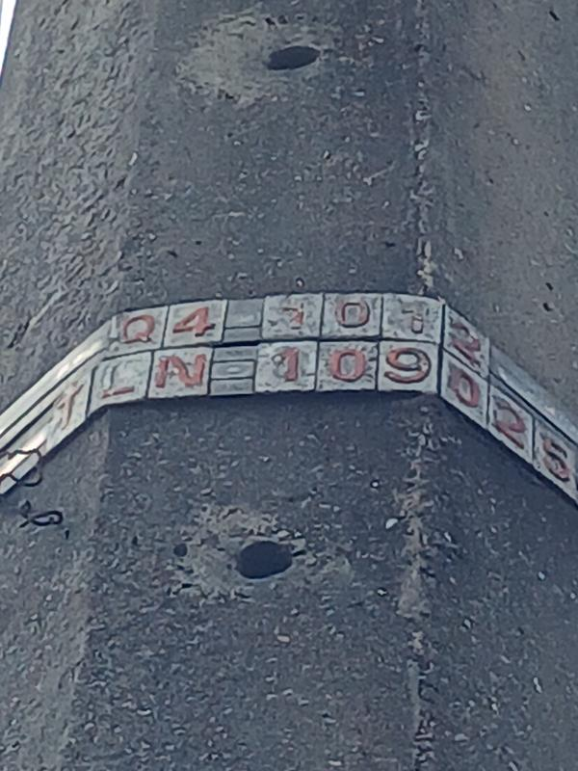

FORTUNE 2
PROJECT NAME : | NEXLOGIC
SITE NAME : | Valenzuela Pole Site
ADDRESS : | ALONG FORTUNE
DATE TAKEN : | MAY 22 2026
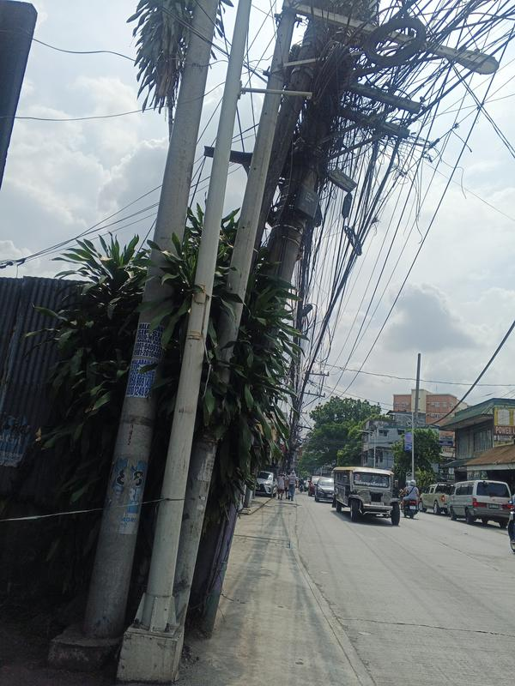 |  | 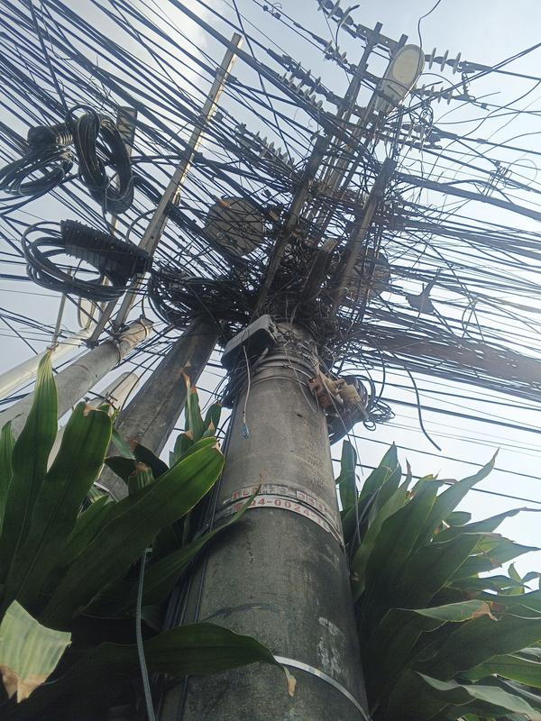 | LOCAL LOOP | MERALCO
 |  |  | POLE TAG NO. | Q4-0024-T 14.7045930648397, 120.987554760211
 |  |  | ITEM NO.
 |  |  | 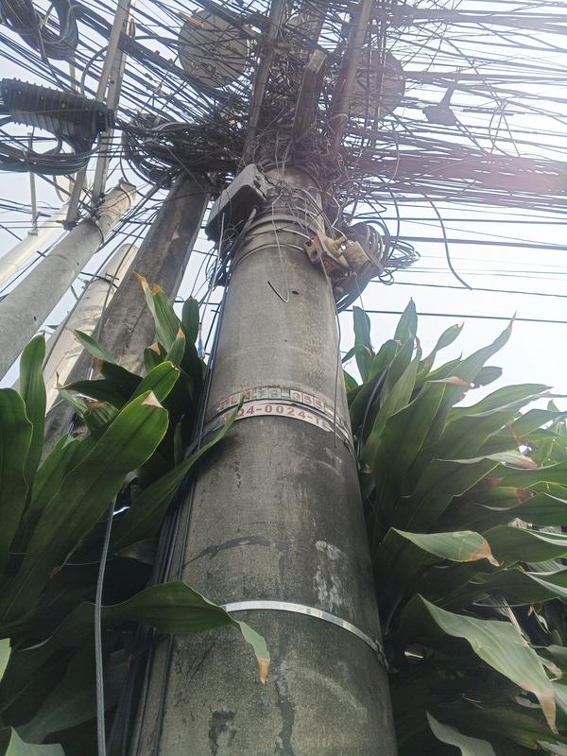

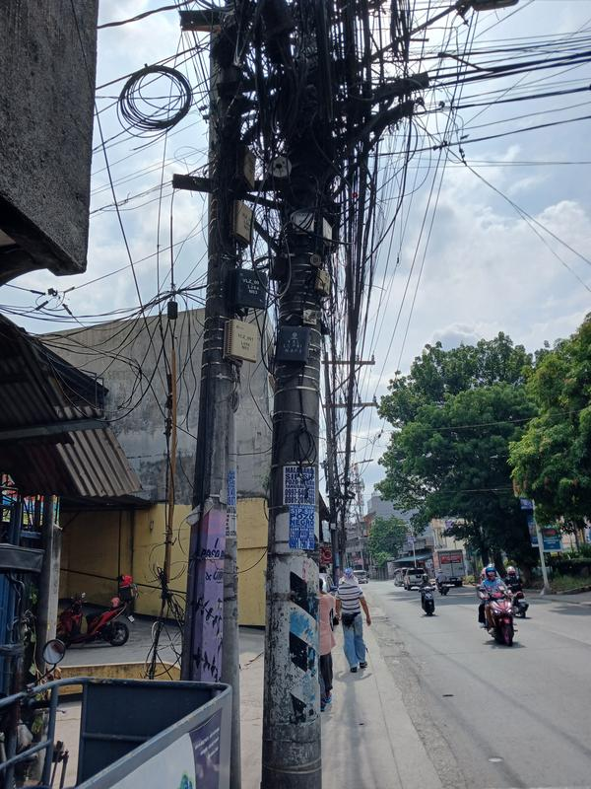 |  | 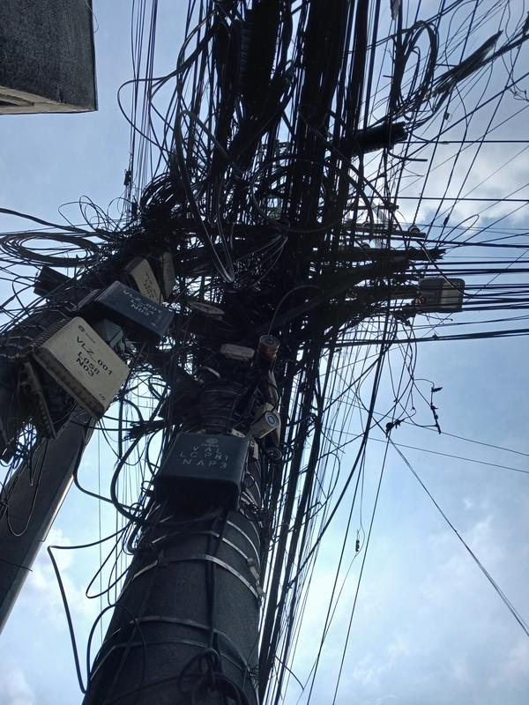 | LOCAL LOOP | MERALCO
 |  |  | POLE TAG NO. | NPT 14.7047616370066, 120.987931122002
 |  |  | ITEM NO.
 |  |  | 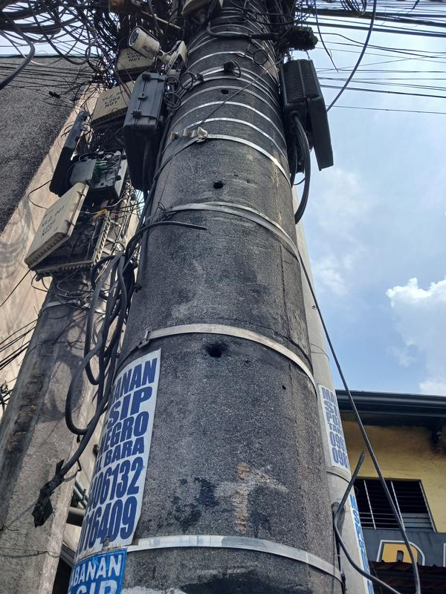

 |  |  | LOCAL LOOP | MERALCO
 |  |  | POLE TAG NO. | Q4-0024-T 14.7045930648397, 120.987554760211
 |  |  | ITEM NO.

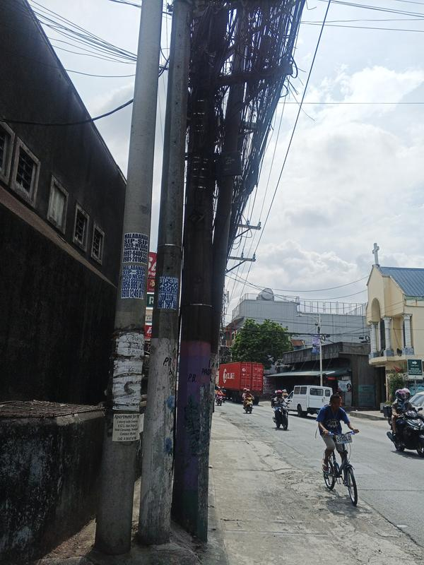 |  | 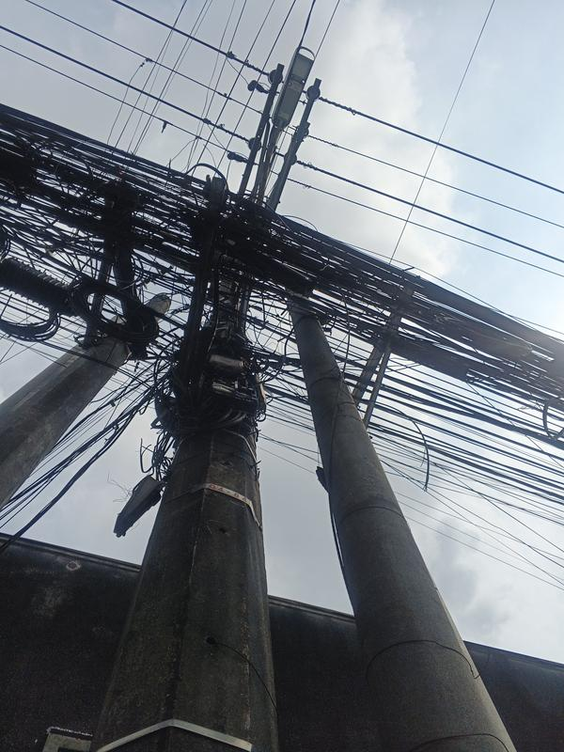 | LOCAL LOOP | MERALCO
 |  |  | POLE TAG NO. | Q4-0481 14.7049722205828, 120.988430647507
 |  |  | ITEM NO.
 |  |  | 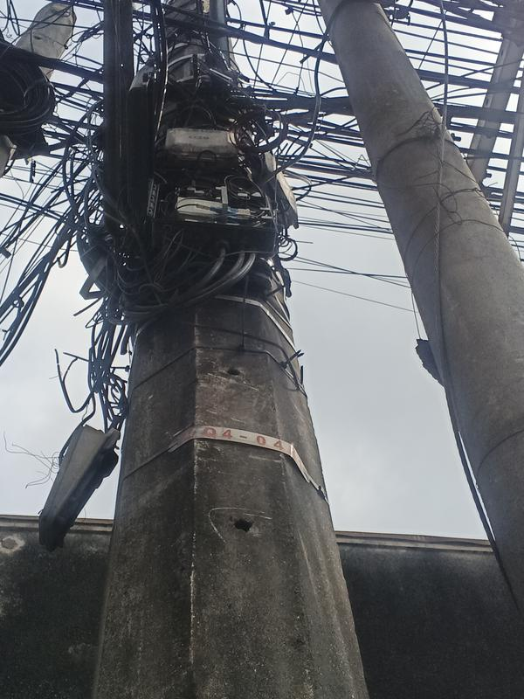

FORTUNE 3
PROJECT NAME : | NEXLOGIC
SITE NAME : | Valenzuela Pole Site
ADDRESS : | ALONG FORTUNE
DATE TAKEN : | MAY 22 2026
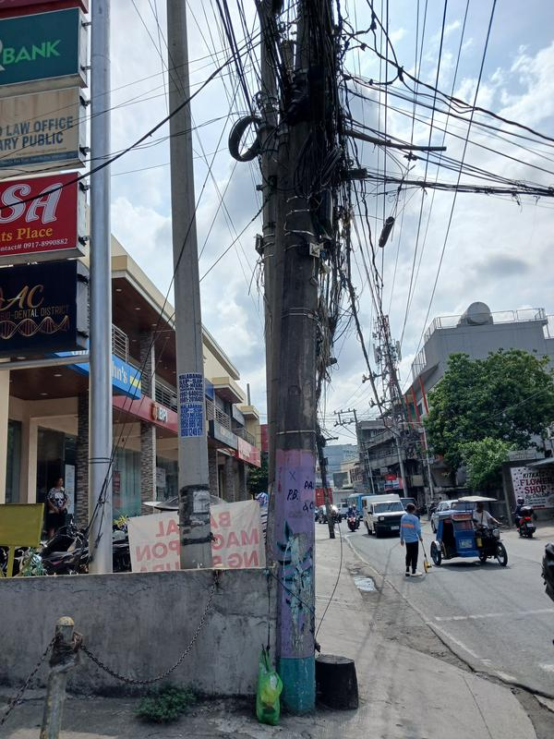 |  | 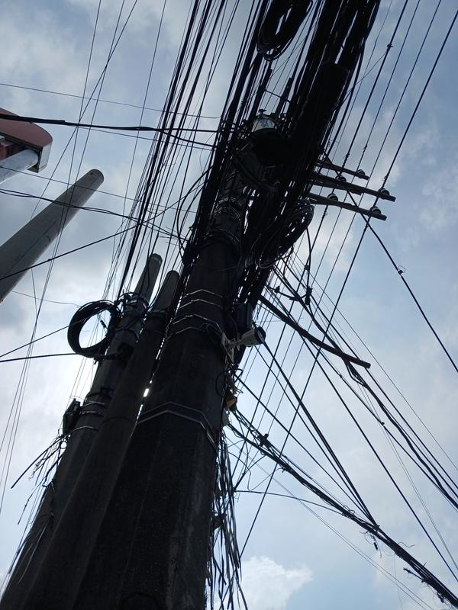 | LOCAL LOOP | MERALCO
 |  |  | POLE TAG NO. | Q4-0057 14.7051074102422, 120.988674293619
 |  |  | ITEM NO.
 |  |  | 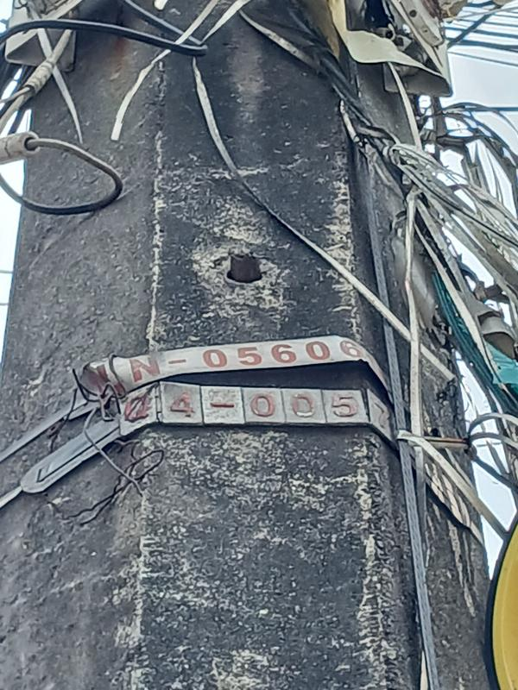

 |  |  | LOCAL LOOP | MERALCO
 |  |  | POLE TAG NO. | Q4-0481 14.7049722205828, 120.988430647507
 |  |  | ITEM NO.

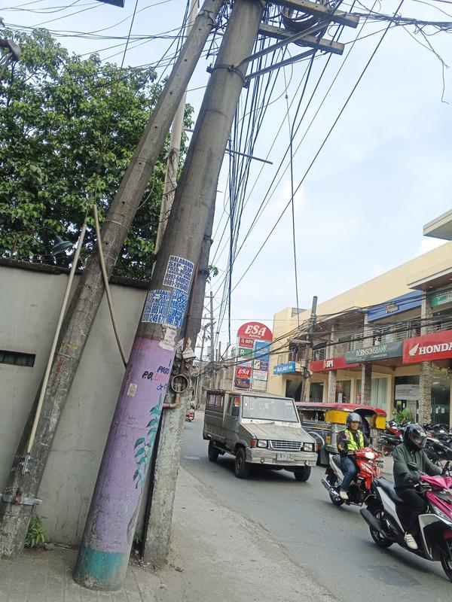 |  | 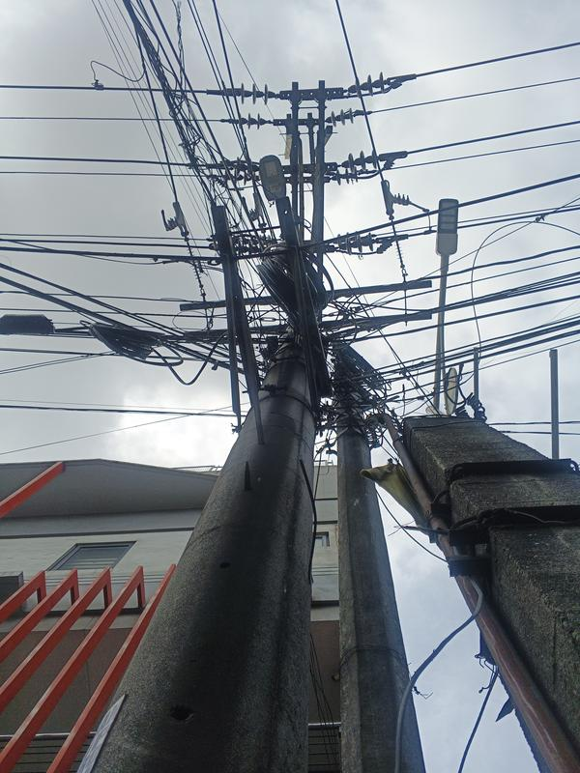 | LOCAL LOOP | MERALCO
 |  |  | POLE TAG NO. | NPT 14.70523221989, 120.989077042496
 |  |  | ITEM NO.

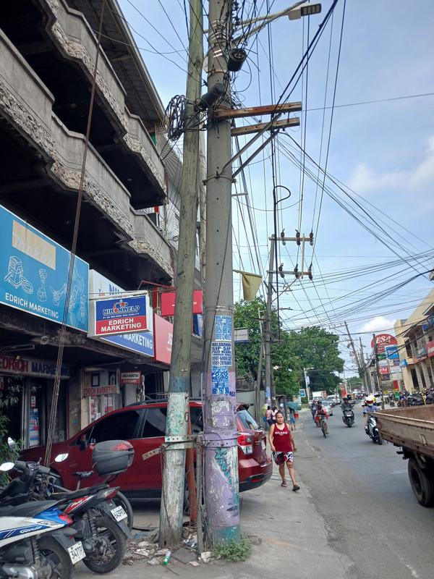 |  | 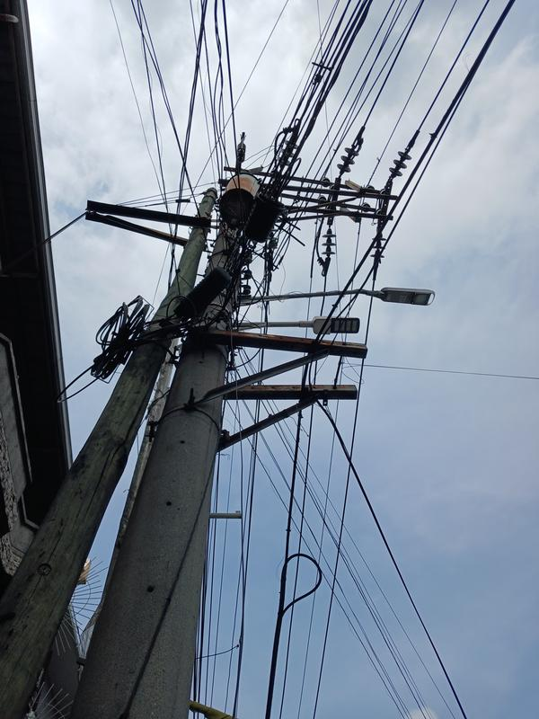 | LOCAL LOOP | MERALCO
 |  |  | POLE TAG NO. | Q4-27T 14.7053652398752, 120.989283964096
 |  |  | ITEM NO.
 |  |  | 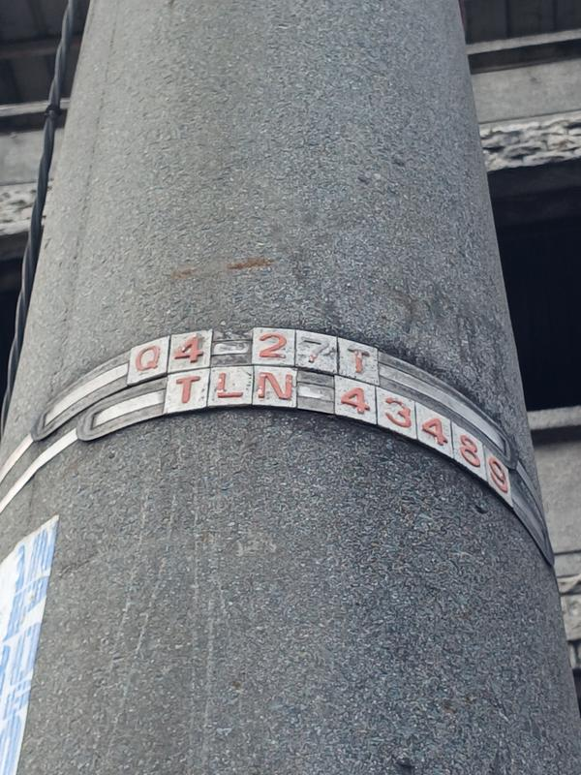

FORTUNE 4
PROJECT NAME : | NEXLOGIC
SITE NAME : | Valenzuela Pole Site
ADDRESS : | ALONG FORTUNE
DATE TAKEN : | MAY 22 2026
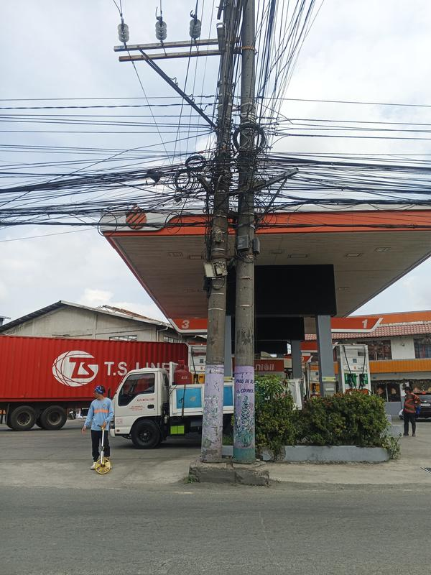 |  | 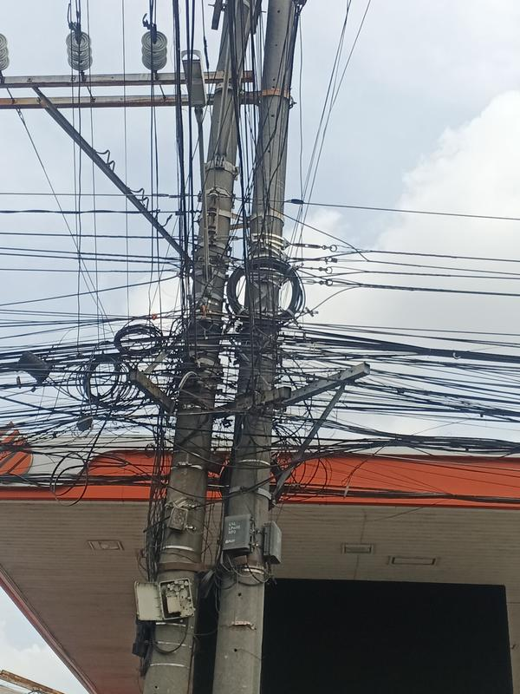 | LOCAL LOOP | MERALCO
 |  |  | POLE TAG NO. | Q4-1450 14.705675011052, 120.989520015217
 |  |  | ITEM NO.
 |  |  | 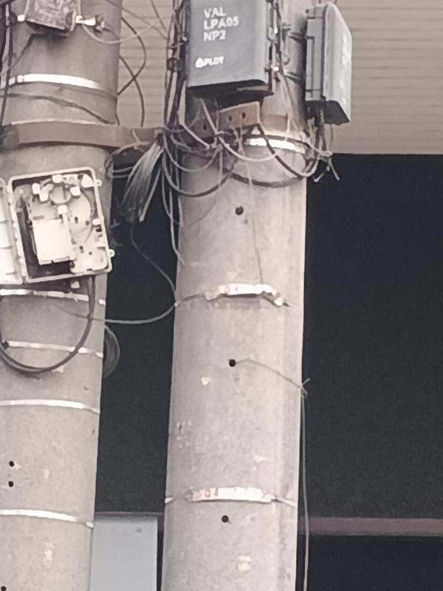

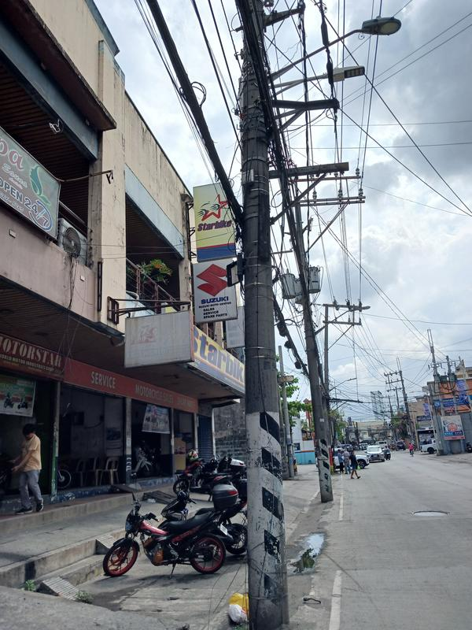 |  | 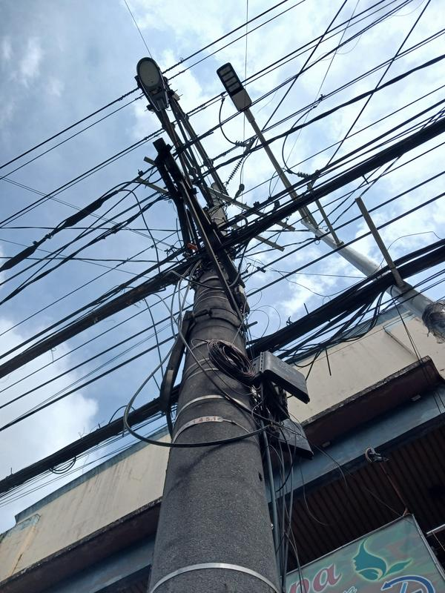 | LOCAL LOOP | MERALCO
 |  |  | POLE TAG NO. | Q4-1451 14.7060806498599, 120.989926882143
 |  |  | ITEM NO.
 |  |  | 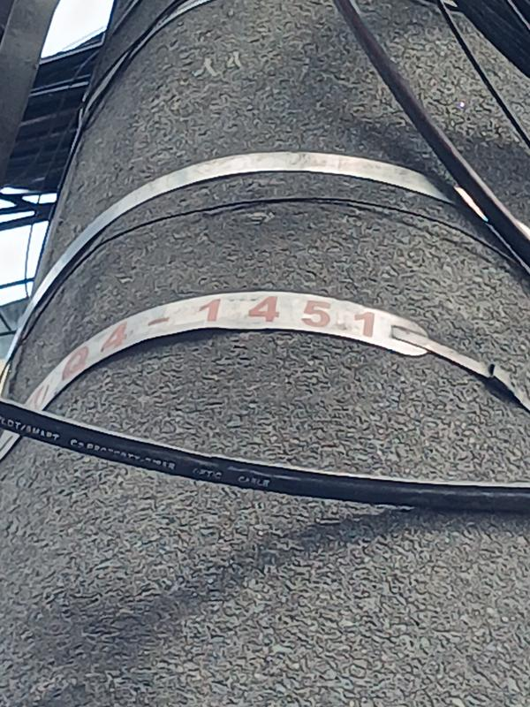

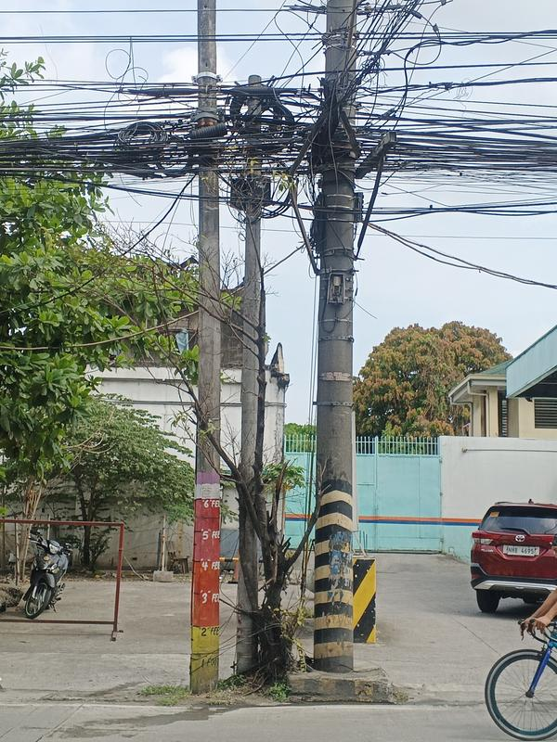 |  | 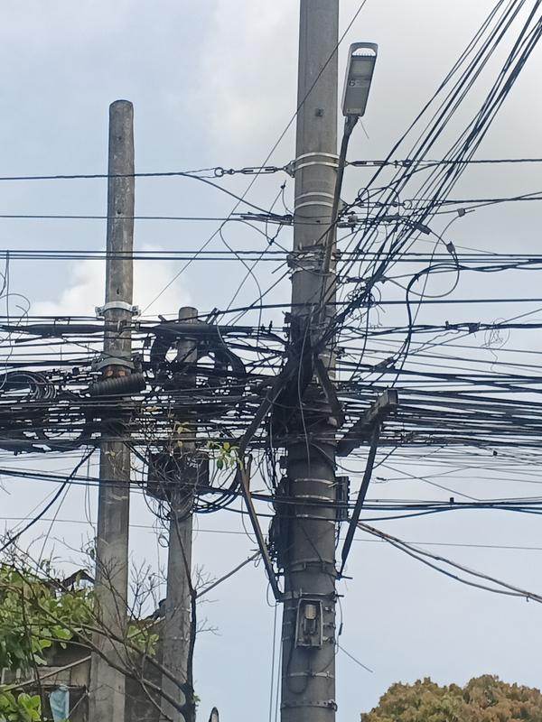 | LOCAL LOOP | MERALCO
 |  |  | POLE TAG NO. | Q4-28T 14.7062966527432, 120.990166351506
 |  |  | ITEM NO.
 |  |  | 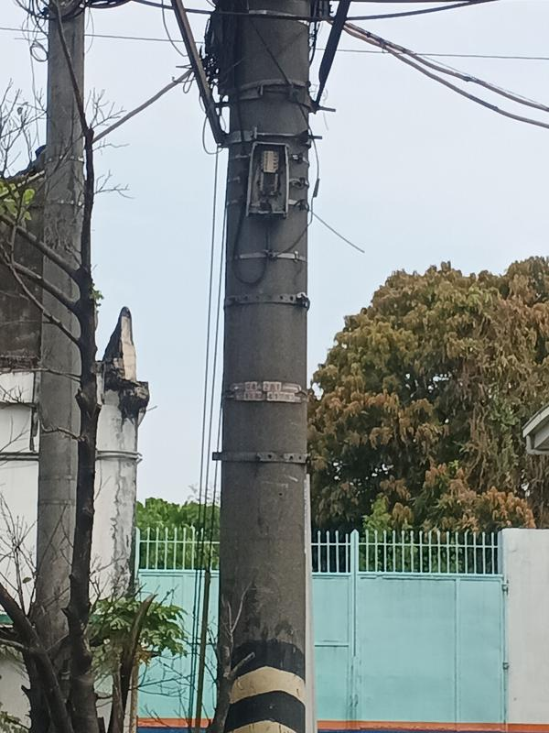

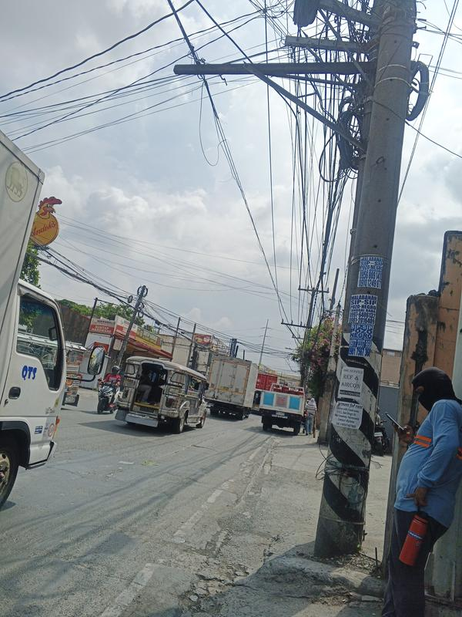 |  | 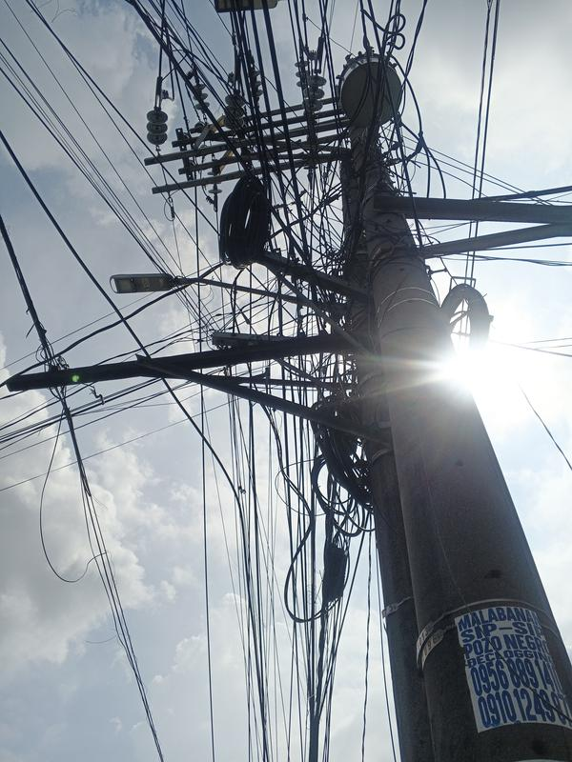 | LOCAL LOOP | MERALCO
 |  |  | POLE TAG NO. | Q4-0096 14.7065460612844, 120.990522209865
 |  |  | ITEM NO.
 |  |  | 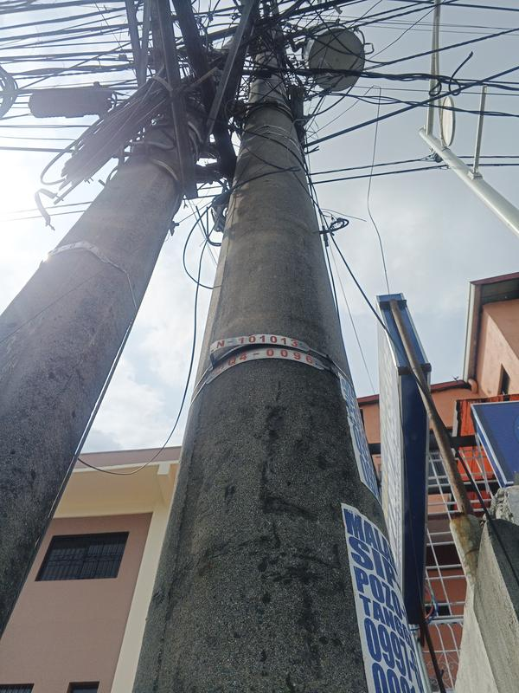

FORTUNE 5
PROJECT NAME : | NEXLOGIC
SITE NAME : | Valenzuela Pole Site
ADDRESS : | ALONG FORTUNE
DATE TAKEN : | MAY 22 2026
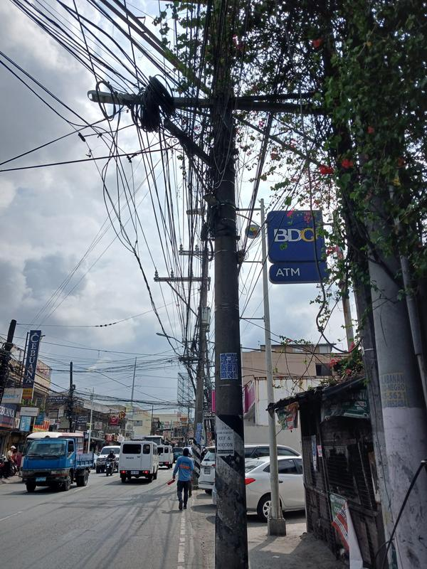 |  | 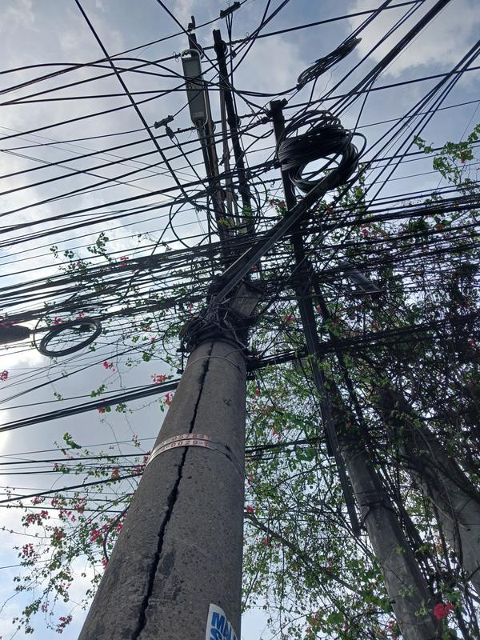 | LOCAL LOOP | MERALCO
 |  |  | POLE TAG NO. | Q4-0029-T 14.7067597304645, 120.990747557135
 |  |  | ITEM NO.
 |  |  | 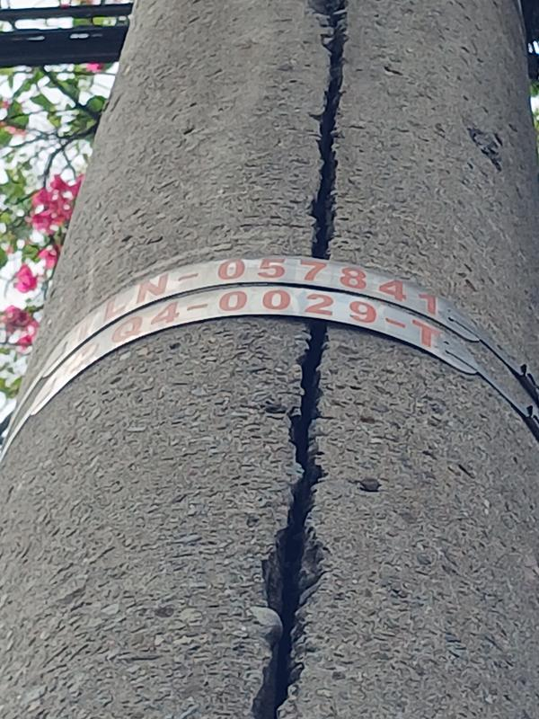

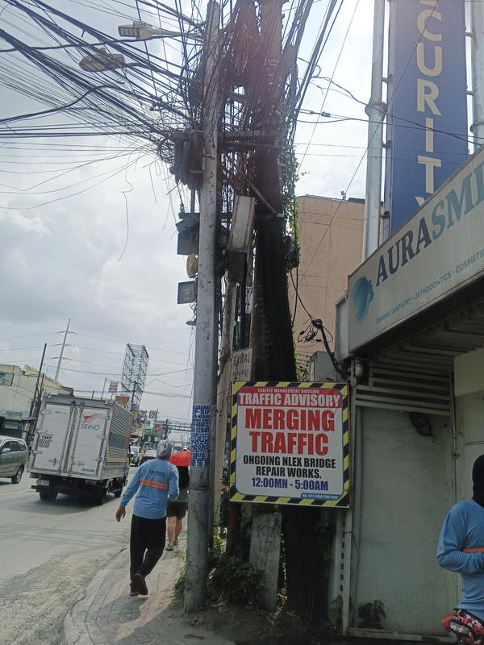 |  | 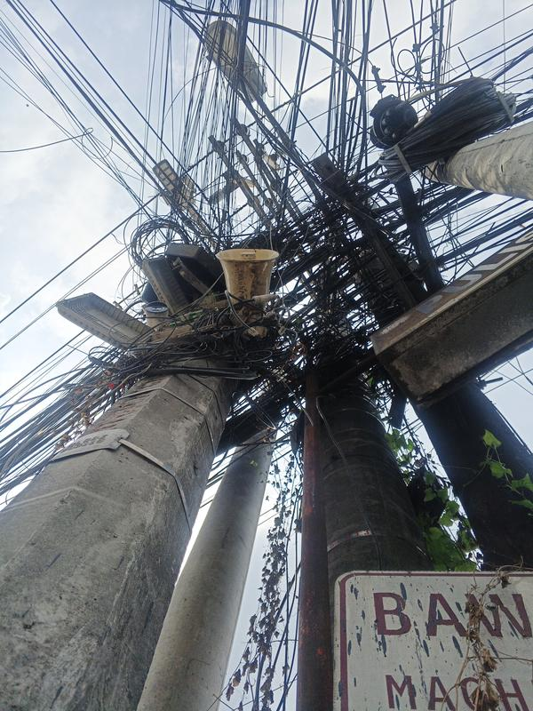 | LOCAL LOOP | MERALCO
 |  |  | POLE TAG NO. | Q5-1131 14.7070505881053, 120.991089692296
 |  |  | ITEM NO.
 |  |  | 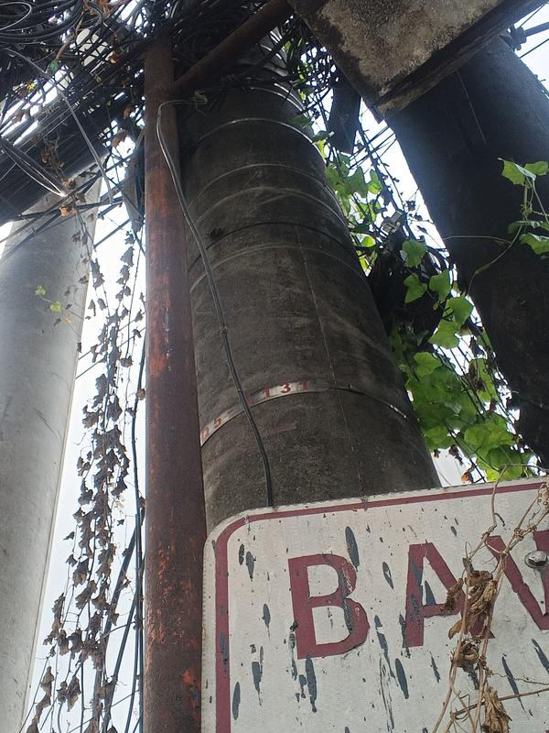

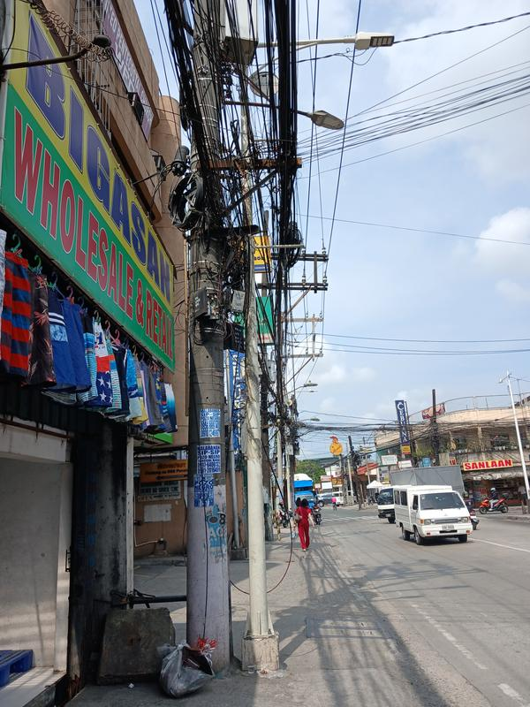 |  | 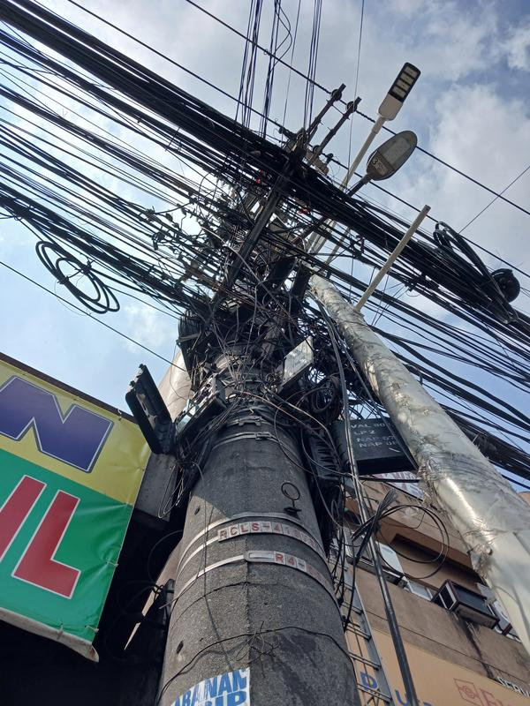 | LOCAL LOOP | MERALCO
 |  |  | POLE TAG NO. | R4-0001T 14.7072160173604, 120.991333982219
 |  |  | ITEM NO.
 |  |  | 

 |  |  | LOCAL LOOP | MERALCO
 |  |  | POLE TAG NO. | Q5-1131 14.7070505881053, 120.991089692296
 |  |  | ITEM NO.

FORTUNE 6
PROJECT NAME : | NEXLOGIC
SITE NAME : | Valenzuela Pole Site
ADDRESS : | ALONG FORTUNE
DATE TAKEN : | MAY 22 2026
 |  |  | LOCAL LOOP | MERALCO
 |  |  | POLE TAG NO. | Q5-1131 14.7070505881053, 120.991089692296
 |  |  | ITEM NO.

 |  |  | LOCAL LOOP | MERALCO
 |  |  | POLE TAG NO. | Q5-5080 14.7077449, 120.9921618
 |  |  | ITEM NO.
 |  |  | 

 |  |  | LOCAL LOOP | MERALCO
 |  |  | POLE TAG NO. | R4-3 14.7075578473918, 120.991881148212
 |  |  | ITEM NO.
 |  |  | 

 |  |  | LOCAL LOOP | MERALCO
 |  |  | POLE TAG NO. | Q5-1136 14.7079448352514, 120.992414827503
 |  |  | ITEM NO.
 |  |  | 

FORTUNE 7
PROJECT NAME : | NEXLOGIC
SITE NAME : | Valenzuela Pole Site
ADDRESS : | ALONG FORTUNE
DATE TAKEN : | MAY 22 2026
 |  |  | LOCAL LOOP | MERALCO
 |  |  | POLE TAG NO. | NPT 14.7080679092336, 120.992627109951
 |  |  | ITEM NO.
 |  |  | 

 |  |  | LOCAL LOOP | MERALCO
 |  |  | POLE TAG NO. | NPT 14.7085305, 120.9931062
 |  |  | ITEM NO.
 |  |  | 

 |  |  | LOCAL LOOP | MERALCO
 |  |  | POLE TAG NO. | NPT 14.7085305, 120.9931062
 |  |  | ITEM NO.

 |  |  | LOCAL LOOP | MERALCO
 |  |  | POLE TAG NO. | NPT 14.708471200125, 120.993673084204
 |  |  | ITEM NO.
 |  |  | 

FORTUNE 8
PROJECT NAME : | NEXLOGIC
SITE NAME : | Valenzuela Pole Site
ADDRESS : | ALONG FORTUNE
DATE TAKEN : | MAY 22 2026
 |  |  | LOCAL LOOP | MERALCO
 |  |  | POLE TAG NO. | NPT 14.7089703975328, 120.993224822246
 |  |  | ITEM NO.

 |  |  | LOCAL LOOP | MERALCO
 |  |  | POLE TAG NO. | NPT 14.7089689, 120.9934457
 |  |  | ITEM NO.

 |  |  | LOCAL LOOP | MERALCO
 |  |  | POLE TAG NO. | R5-0010-T 14.709328, 120.9939815
 |  |  | ITEM NO.
 |  |  | 

 |  |  | LOCAL LOOP | MERALCO
 |  |  | POLE TAG NO. | S5-0872 14.7096457211657, 120.994351238404
 |  |  | ITEM NO.
 |  |  | 

FORTUNE 9
PROJECT NAME : | NEXLOGIC
SITE NAME : | Valenzuela Pole Site
ADDRESS : | ALONG FORTUNE
DATE TAKEN : | MAY 22 2026
 |  |  | LOCAL LOOP | MERALCO
 |  |  | POLE TAG NO. | S5-0872 14.7096457211657, 120.994351238404
 |  |  | ITEM NO.

 |  |  | LOCAL LOOP | MERALCO
 |  |  | POLE TAG NO. | NPT 14.7103734760162, 120.995099056725
 |  |  | ITEM NO.

 |  |  | LOCAL LOOP | MERALCO
 |  |  | POLE TAG NO. | R5-009-T 12.0119012110582, 120.9010007
 |  |  | ITEM NO.
 |  |  | 

 |  |  | LOCAL LOOP | MERALCO
 |  |  | POLE TAG NO. | R5-8T 14.71055, 120.9952555
 |  |  | ITEM NO.
 |  |  | 

FORTUNE 10
PROJECT NAME : | NEXLOGIC
SITE NAME : | Valenzuela Pole Site
ADDRESS : | ALONG FORTUNE
DATE TAKEN : | MAY 22 2026
 |  |  | LOCAL LOOP | MERALCO
 |  |  | POLE TAG NO. | TLN-509614 14.7111562005622, 120.995901816052
 |  |  | ITEM NO.
 |  |  | 

 |  |  | LOCAL LOOP | MERALCO
 |  |  | POLE TAG NO. | TLN-509614 14.7111562005622, 120.995901816052
 |  |  | ITEM NO.

 |  |  | LOCAL LOOP | MERALCO
 |  |  | POLE TAG NO. | TLN-509614 14.7111562005622, 120.995901816052
 |  |  | ITEM NO.

 |  |  | LOCAL LOOP | MERALCO
 |  |  | POLE TAG NO. | TLN-509614 14.7111562005622, 120.995901816052
 |  |  | ITEM NO.

FORTUNE 11
PROJECT NAME : | NEXLOGIC
SITE NAME : | Valenzuela Pole Site
ADDRESS : | ALONG FORTUNE
DATE TAKEN : | MAY 22 2026
 |  |  | LOCAL LOOP | MERALCO
 |  |  | POLE TAG NO. | R5-0008T 14.711628842808, 120.996547329192
 |  |  | ITEM NO.
 |  |  | 

 |  |  | LOCAL LOOP | MERALCO
 |  |  | POLE TAG NO. | R5-117T 14.7124141718261, 120.997583630147
 |  |  | ITEM NO.
 |  |  | 

 |  |  | LOCAL LOOP | MERALCO
 |  |  | POLE TAG NO. | R5-117T 14.7124141718261, 120.997583630147
 |  |  | ITEM NO.

 |  |  | LOCAL LOOP | MERALCO
 |  |  | POLE TAG NO. | R5-117T 14.7124141718261, 120.997583630147
 |  |  | ITEM NO.

FORTUNE 12
PROJECT NAME : | NEXLOGIC
SITE NAME : | Valenzuela Pole Site
ADDRESS : | ALONG FORTUNE
DATE TAKEN : | MAY 22 2026
 |  |  | LOCAL LOOP | MERALCO
 |  |  | POLE TAG NO. | R5-0007 14.7129418178382, 120.998316913878
 |  |  | ITEM NO.
 |  |  | 

 |  |  | LOCAL LOOP | MERALCO
 |  |  | POLE TAG NO. | R5-0003T 14.7132503611197, 120.998765624144
 |  |  | ITEM NO.
 |  |  | 

 |  |  | LOCAL LOOP | MERALCO
 |  |  | POLE TAG NO. | NPT 14.7135562479194, 120.999197228911
 |  |  | ITEM NO.

 |  |  | LOCAL LOOP | MERALCO
 |  |  | POLE TAG NO. | NPT 14.7140413764697, 120.999878210519
 |  |  | ITEM NO.
 |  |  | 

FORTUNE 13
PROJECT NAME : | NEXLOGIC
SITE NAME : | Valenzuela Pole Site
ADDRESS : | ALONG FORTUNE
DATE TAKEN : | MAY 22 2026
 |  |  | LOCAL LOOP | MERALCO
 |  |  | POLE TAG NO. | R5-29T 14.7142962848636, 121.000203838115
 |  |  | ITEM NO.
 |  |  | 

 |  |  | LOCAL LOOP | MERALCO
 |  |  | POLE TAG NO. | NPT 14.7148398148123, 121.000944151549
 |  |  | ITEM NO.

 |  |  | LOCAL LOOP | MERALCO
 |  |  | POLE TAG NO. | R5-0035 14.7154150687893, 121.001554781496
 |  |  | ITEM NO.
 |  |  | 

 |  |  | LOCAL LOOP | MERALCO
 |  |  | POLE TAG NO. | R5-0035 14.7154150687893, 121.001554781496
 |  |  | ITEM NO.

FORTUNE 14
PROJECT NAME : | NEXLOGIC
SITE NAME : | Valenzuela Pole Site
ADDRESS : | ALONG FORTUNE
DATE TAKEN : | MAY 22 2026
 |  |  | LOCAL LOOP | MERALCO
 |  |  | POLE TAG NO. | R5-1286 14.7107959612066, 120.995441523163
 |  |  | ITEM NO.
 |  |  | 

 |  |  | LOCAL LOOP | MERALCO
 |  |  | POLE TAG NO. | NPT 14.7115155496052, 120.996342448122
 |  |  | ITEM NO.
 |  |  | 

 |  |  | LOCAL LOOP | MERALCO
 |  |  | POLE TAG NO. | R5-0017 14.7118983963802, 120.996854940328
 |  |  | ITEM NO.
 |  |  | 

 |  |  | LOCAL LOOP | MERALCO
 |  |  | POLE TAG NO. | NPT 14.7121947903028, 120.997247284357
 |  |  | ITEM NO.
 |  |  | 

FORTUNE 15
PROJECT NAME : | NEXLOGIC
SITE NAME : | Valenzuela Pole Site
ADDRESS : | ALONG FORTUNE
DATE TAKEN : | MAY 22 2026
 |  |  | LOCAL LOOP | MERALCO
 |  |  | POLE TAG NO. | R5-0086T 14.7126720643453, 120.9978690578
 |  |  | ITEM NO.
 |  |  | 

 |  |  | LOCAL LOOP | MERALCO
 |  |  | POLE TAG NO. | R5-401 14.7138869146046, 120.999504351733
 |  |  | ITEM NO.
 |  |  | 

 |  |  | LOCAL LOOP | MERALCO
 |  |  | POLE TAG NO. | R5-0023 14.7146087342957, 121.000552066657
 |  |  | ITEM NO.
 |  |  | 

 |  |  | LOCAL LOOP | MERALCO
 |  |  | POLE TAG NO. | R5-24 14.7151547181081, 121.001283306637
 |  |  | ITEM NO.
 |  |  | 

FORTUNE 16
PROJECT NAME : | NEXLOGIC
SITE NAME : | Valenzuela Pole Site
ADDRESS : | ALONG FORTUNE
DATE TAKEN : | MAY 22 2026
 |  |  | LOCAL LOOP | MERALCO
 |  |  | POLE TAG NO. | 6-5 14.7155671478483, 121.001339289525
 |  |  | ITEM NO.
 |  |  | 

 |  |  | LOCAL LOOP | MERALCO
 |  |  | POLE TAG NO. | Q4-0023 14.7038438089702, 120.986811031513
 |  |  | ITEM NO.

 |  |  | LOCAL LOOP | MERALCO
 |  |  | POLE TAG NO. | Q455 14.7040628888772, 120.986985077076
 |  |  | ITEM NO.

 |  |  | LOCAL LOOP | MERALCO
 |  |  | POLE TAG NO. | Q4-1012 14.7043691391577, 120.987293113882
 |  |  | ITEM NO.

