TDF
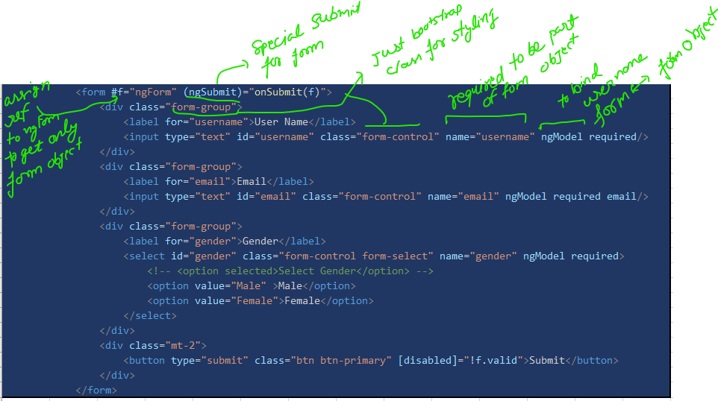
 |  |  |  | <form #f="ngForm" (ngSubmit)="onSubmit(f)">
 |  |  |  | <div class="form-group">
 |  |  |  | <label for="username">User Name</label>
 |  |  |  | <input type="text" id="username" class="form-control" name="username" ngModel required/>
 |  |  |  | </div>
 |  |  |  | <div class="form-group">
 |  |  |  | <label for="email">Email</label>
 |  |  |  | <input type="text" id="email" class="form-control" name="email" ngModel required email/>
 |  |  |  | </div>
 |  |  |  | <div class="form-group">
 |  |  |  | <label for="gender">Gender</label>
 |  |  |  | <select id="gender" class="form-control form-select" name="gender" ngModel required>
 |  |  |  | <!-- <option selected>Select Gender</option> -->
 |  |  |  | <option value="Male" >Male</option>
 |  |  |  | <option value="Female">Female</option>
 |  |  |  | </select>
 |  |  |  | </div>
 |  |  |  | <div class="mt-2">
 |  |  |  | <button type="submit" class="btn btn-primary" [disabled]="!f.valid">Submit</button>
 |  |  |  | </div>
 |  |  |  | </form>

accessing form object with help of viewchild
export class TemplateDrivenFormComponent implements AfterViewChecked{

@ViewChild("f") formObject!:NgForm;

ngAfterViewChecked(): void { |  | benefit we can get form data without submiting if any value change
console.log(this.formObject.value)
}
onSubmit(){
console.log(this.formObject.value)
}

// onSubmit(f){
// console.log(f.value)
// }
}

Form Object
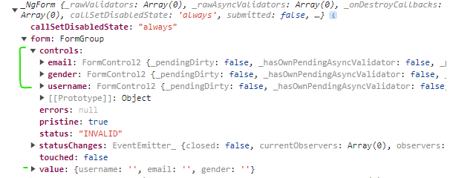
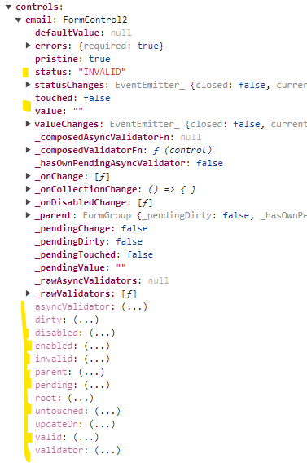

validation and help-text

<form #f="ngForm" (ngSubmit)="onSubmit()">
<div class="form-group">
<label for="username">User Name</label>
<input type="text" id="username" class="form-control" name="username" ngModel required/>
<span class="help-text" *ngIf="f.controls['username']?.touched && !f.controls['username']?.valid">Required Field!</span>
OR | <input type="text" id="username" class="form-control" name="username" #username="ngModel" ngModel required/>
 | <span class="help-text" *ngIf="username?.touched && !username?.valid">Required Field!</span>
</div>
<div class="form-group">
<label for="email">Email</label>
<input type="text" id="email" class="form-control" name="email" ngModel required email/>
<span class="help-text" *ngIf="f.controls['email']?.touched && !f.controls['email']?.valid">Required Field!</span>
OR | <input type="text" id="email" class="form-control" name="email" #email="ngModel" ngModel required email/>
 | <span class="help-text" *ngIf="email?.touched && !email?.valid">Required Field!</span>
</div>
<div class="form-group">
<label for="gender">Gender</label>
<select id="gender" class="form-control form-select" name="gender" ngModel required>
OR | <select id="gender" class="form-control form-select" name="gender" #gender="ngModel" ngModel required>
<!-- <option selected>Select Gender</option> -->
<option value="Male" >Male</option>
<option value="Female">Female</option>
</select>
<span class="help-text" *ngIf="f.controls['gender']?.touched && !f.controls['gender']?.valid">Required Field!</span>
OR | <span class="help-text" *ngIf="gender?.touched && !gender?.valid">Required Field!</span>
</div>
<div class="mt-2">
<button type="submit" class="btn btn-primary" [disabled]="!f.valid">Submit</button>
</div>
</form>
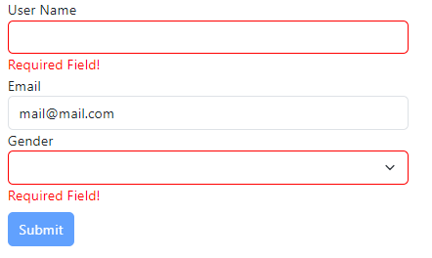
 | input.ng-invalid.ng-touched{
 | border: 1px solid red;
 | }
 | select.ng-invalid.ng-touched{
 | border: 1px solid red;
 | }
 | span{
 | color: red;
 | }

one-way binding for setting-up default value
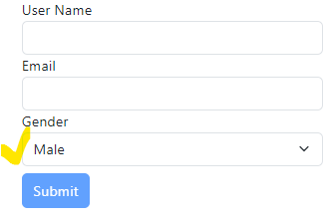
<select id="gender" class="form-control form-select" name="gender" [ngModel]="gender" required>
<!-- <option selected>Select Gender</option> -->
<option value="Male" >Male</option>
<option value="Female">Female</option>
</select>

ngModelGroup- Grouping object

<div ngModelGroup="userdata" #userdata="ngModelGroup">
<div class="form-group">
<label for="username">User Name</label>
<input type="text" id="username" class="form-control" name="username" #username="ngModel" ngModel required/>
<!-- <span class="help-text" *ngIf="username?.touched && !username?.valid">Required Field!</span> -->
</div>
<div class="form-group">
<label for="email">Email</label>
<input type="text" id="email" class="form-control" name="email" #email="ngModel" ngModel required email/>
<!-- <span class="help-text" *ngIf="email?.touched && !email?.valid">Required Field!</span> -->
</div>
</div>
<span class="help-text" *ngIf="userdata.touched && !userdata?.valid">User Name and Email is Required!</span>

SetValue and PatchValue to LoadForm

ngAfterViewInit(): void {
setTimeout(() => {
if(this.formObject.controls["userdata"]){
this.formObject.form.setValue({
gender:this.gender,
userdata:{
username:'Naushad',
email:'email@mail.com'
},

})
}

this.formObject.form.patchValue({
userdata:{
username:'Naushad2',
email:'email@mail.com'
}
})
// this.cdr.detectChanges()
}, 1);
}

reset
<div *ngIf="submitted==true"> |  |  | onSubmit(){
<h3>User Data</h3> |  |  | this.submitted=true
<table class="table table-striped table-inverse table-responsive"> |  |  | this.users.push({
<thead style="color:gray;"> |  |  | id:Number(Math.floor(Math.random()*1000+1000).toString()+this.users.length.toString()),
<tr> |  |  | name:this.formObject.value.userdata.username,
<th>Id</th> |  |  | email:this.formObject.value.userdata.email,
<th>Name</th> |  |  | gender:this.formObject.value.gender
<th>Email</th> |  |  | })
<th>Gender</th> |  |  | this.reset()
</tr> |  |  | }
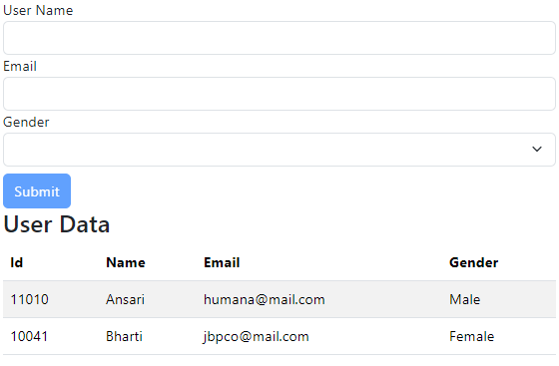
</thead>
<tbody>
@for (user of users; track $index) {
<tr>
<td>{{user.id}}</td>
<td>{{user.name}}</td>
<td>{{user.email}}</td>
<td>{{user.gender}}</td>
</tr>
}
</tbody>
</table>
</div>

Reactive
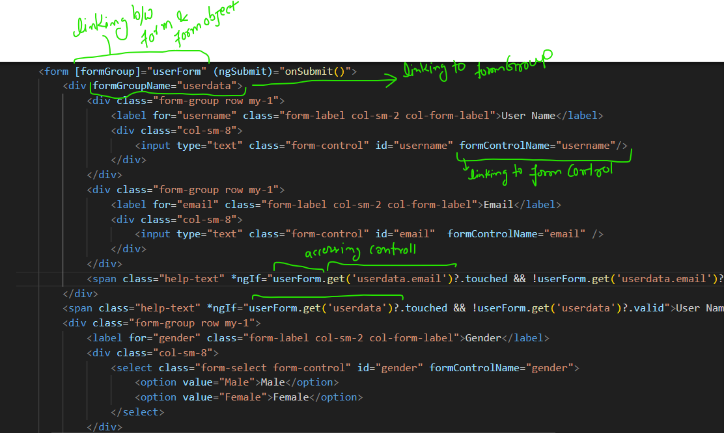

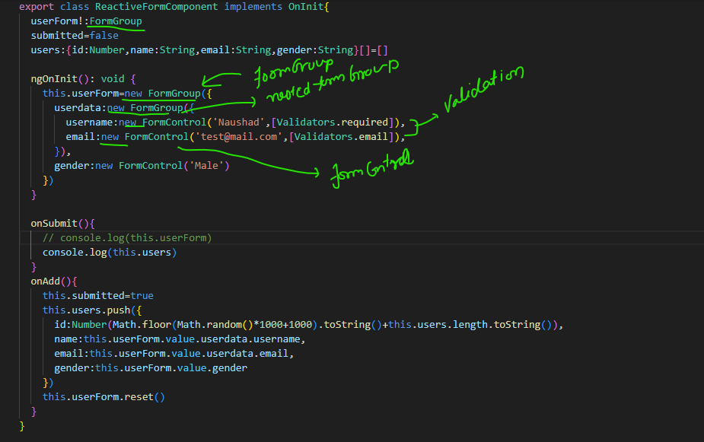

FormArray(dynamically add control)

custome validation

ngOnInit(): void {
this.userForm=new FormGroup({
userdata:new FormGroup({
username:new FormControl('Naushad',[Validators.required]),
email:new FormControl('test@mail.com',[Validators.email]),
}),
gender:new FormControl('Male'),
hobby:new FormControl(null,[this.onAlreadyHobby.bind(this) as ValidatorFn]),
hobbies:new FormArray([])
})
}

onAlreadyHobby(control:FormControl):{[s:string]:boolean}|null{
console.log(this.addedHobbies)
if(this.addedHobbies.includes(control.value)){

return {isAlreadyAdded:true}
}else return null
}

<div class="form-group row my-1">
<label class="form-label col-sm-2 col-form-label">Hobbies</label>
<div class="col-sm-6">
<!-- <input type="text" class="form-control" #hobby /> -->
<input type="text" class="form-control" #hobby id="hobby" formControlName="hobby" />
</div>
<div class="col-sm-2">
<button type="button" class="btn btn-warning float-end" (click)="onAddHobby(hobby.value);hobby.value=''">Add Hobby</button>
</div>

</div>
<span class="help-text"
*ngIf="userForm.get('hobby')?.touched && userForm.get('hobby')?.errors?.isAlreadyAdded">Hobby already added!</span>

Async Custom Validation
ngOnInit(): void {
this.userForm=new FormGroup({
userdata:new FormGroup({
username:new FormControl('Naushad',[Validators.required]),
email:new FormControl('test@mail.com',[Validators.email],[this.isRestrictedEmail as AsyncValidatorFn]),
}),
gender:new FormControl('Male'),
hobby:new FormControl(null,[this.onAlreadyHobby.bind(this) as ValidatorFn]),
hobbies:new FormArray([])
})
}

isRestrictedEmail(control:FormControl):Promise<ValidationErrors|null>{
return new Promise((resolve,reject)=>{
setTimeout(()=>{
if(control.value=="test@test.com"){
resolve({IsRestricted:true})
}else resolve(null)
},200)
})
}

<div class="form-group row my-1">
<label for="email" class="form-label col-sm-2 col-form-label">Email</label>
<div class="col-sm-8">
<input type="text" class="form-control" id="email" formControlName="email" />
</div>
</div>
<span class="help-text" *ngIf="userForm.get('userdata.email')?.touched && userForm.get('userdata.email')?.errors?.IsRestricted">Email is Invalid!</span>

