Basic
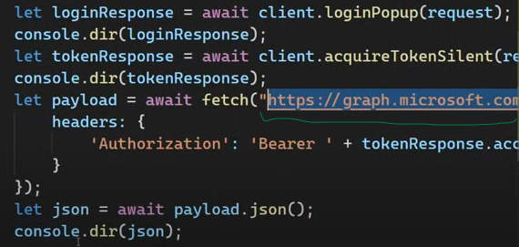
https://www.youtube.com/watch?v=P3vkerr1nW8&list=PLtvmFy4Ed_DJDJ3_Fz0UEOyneemO5yVdH&index=12
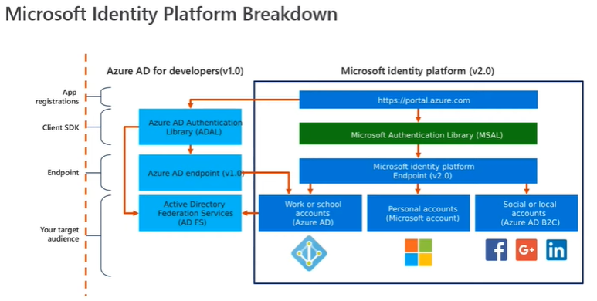

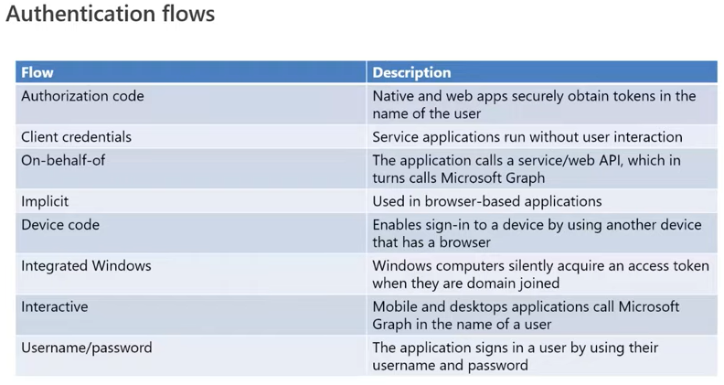

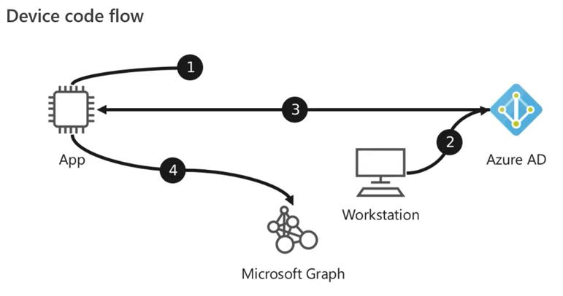

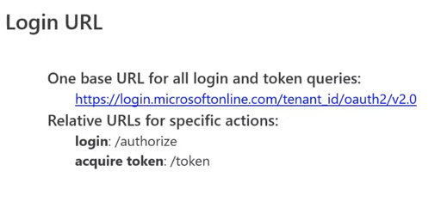
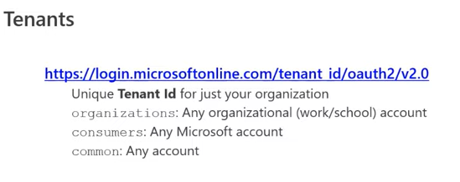

mannual auth
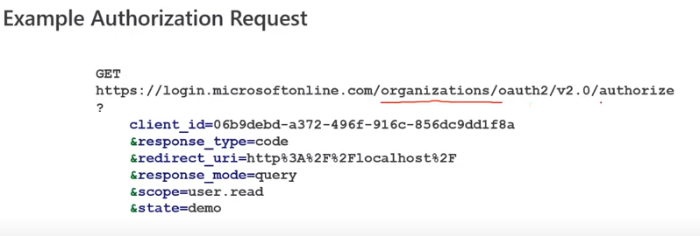

mannual token
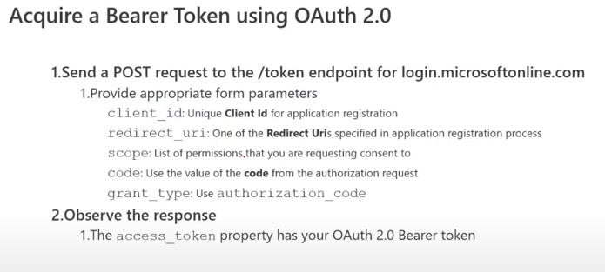

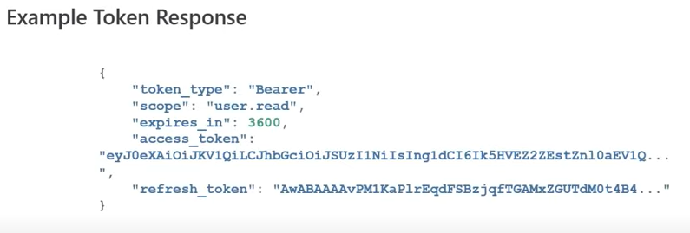

MSAL auth
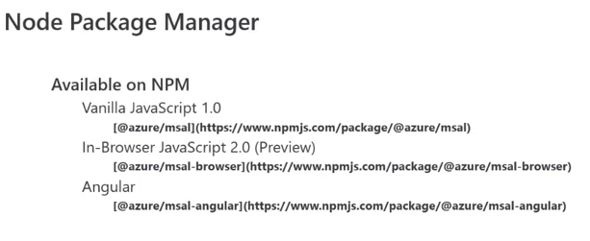

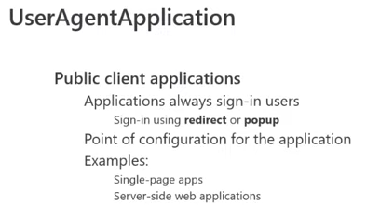

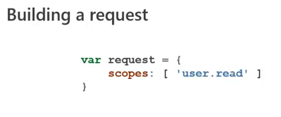

token

use graph api for mail/personal info

Auth-Code-PKCE
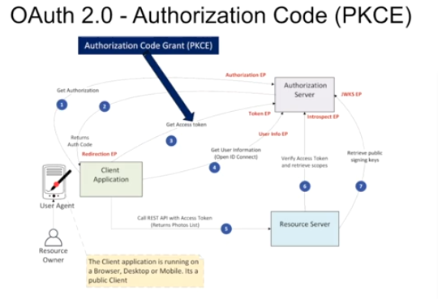
https://www.youtube.com/watch?v=YxAwGAnmNqQ&list=PLNo4-V5Z4f-vnu8jp7rNIQSuC1Ypewo5i&index=3&t=943s

 | Proof Key For Code Exchange

client-cred_server-auth
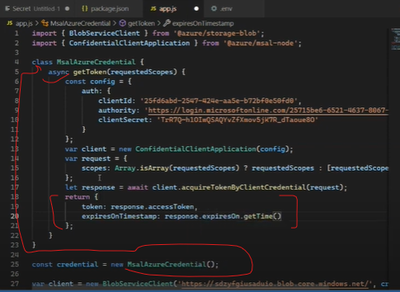
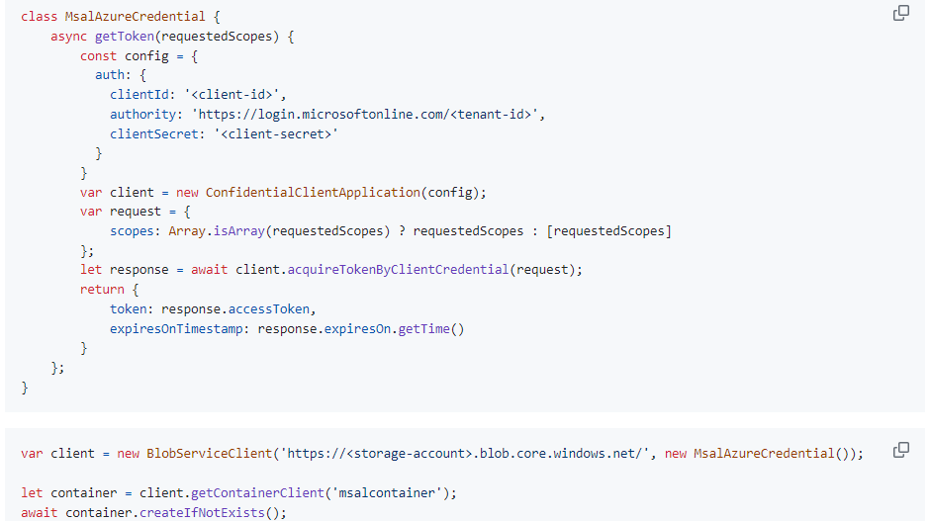
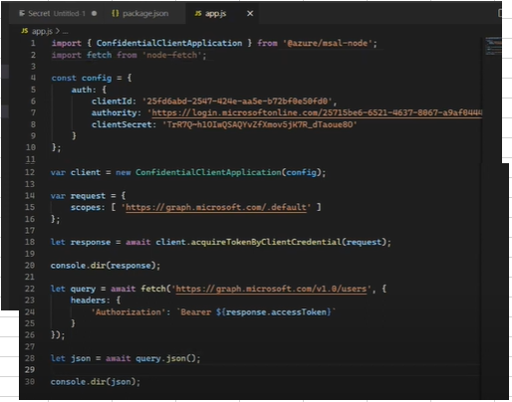
https://www.youtube.com/watch?v=Zv07Inbs0MY&list=PLtvmFy4Ed_DJDJ3_Fz0UEOyneemO5yVdH&index=2
 | https://github.com/msusdev/microsoft_identity_platform_dev/blob/main/presentations/azure_resources_msaljs.md

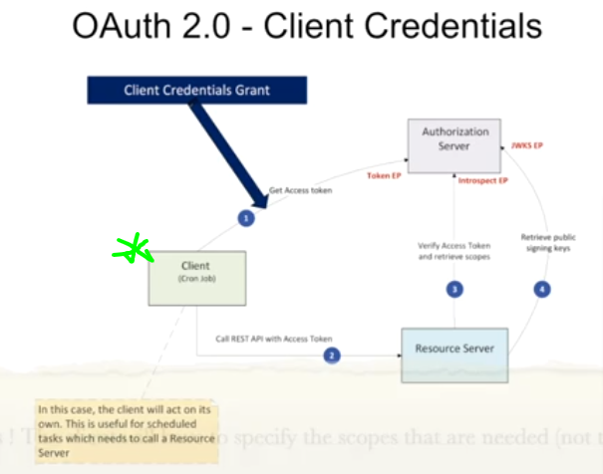

athorizing BlobStorage

App resistration/creating service principe
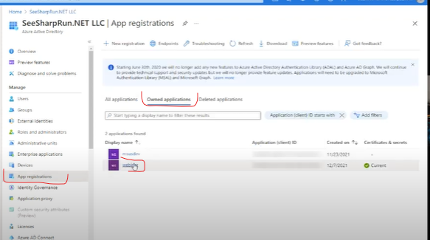
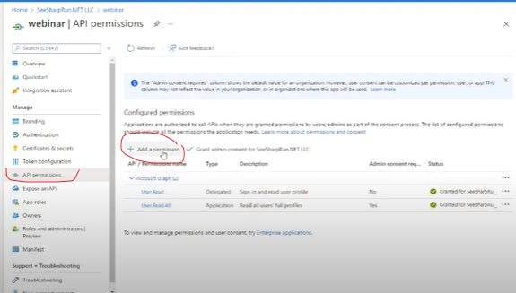

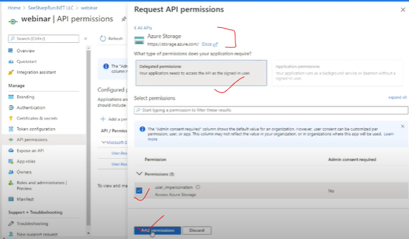

assining role to service principle for storage account
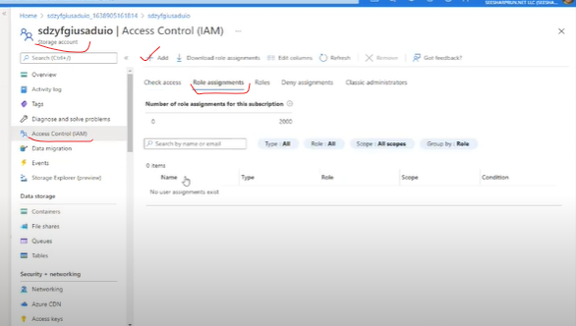
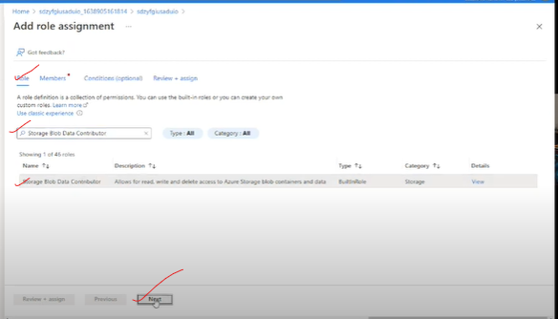

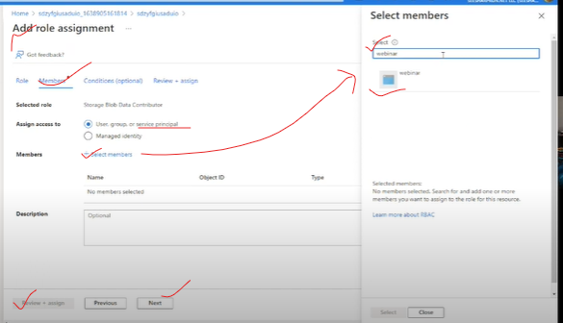

creating conatiner using defaultCreadential that take client_id,client_secret,tenent_id from .env file

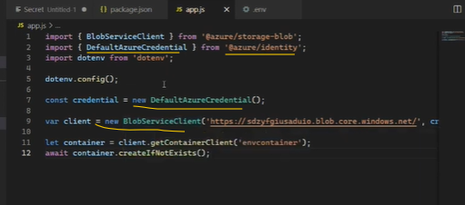

But we can implement our own credentialClass so that we can use credential mannually

