SAML-Basic
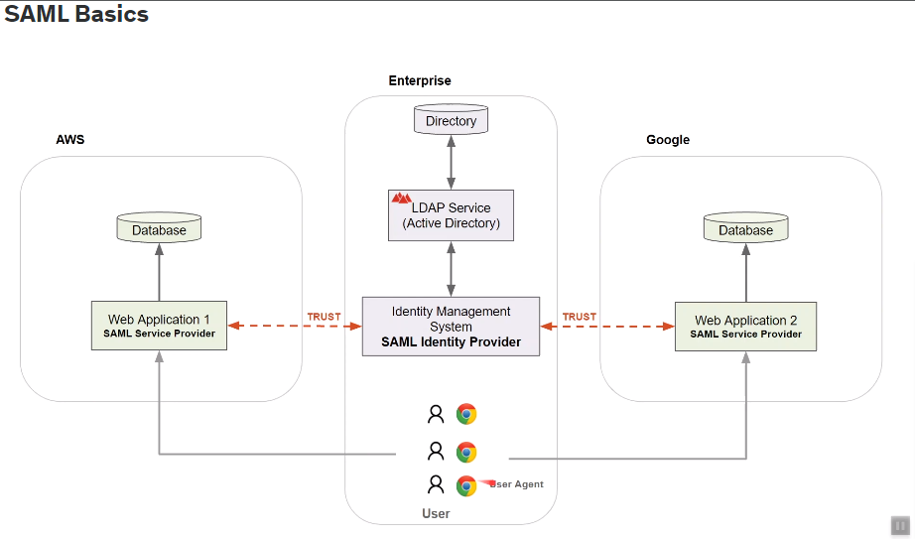

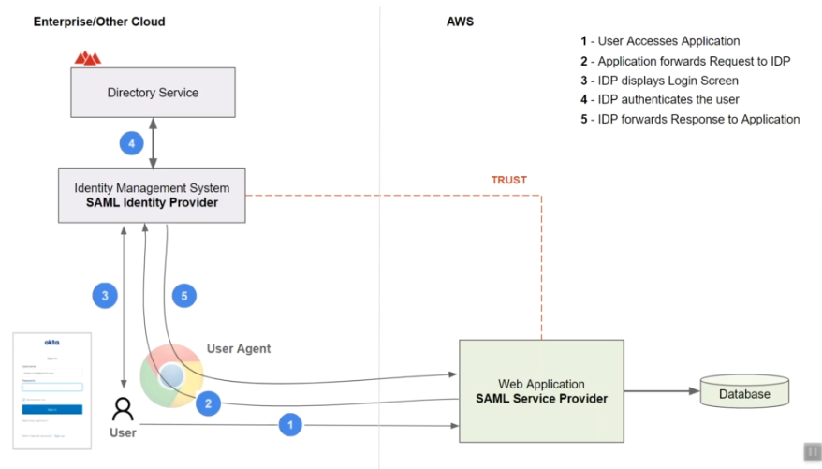

SAML-Prob
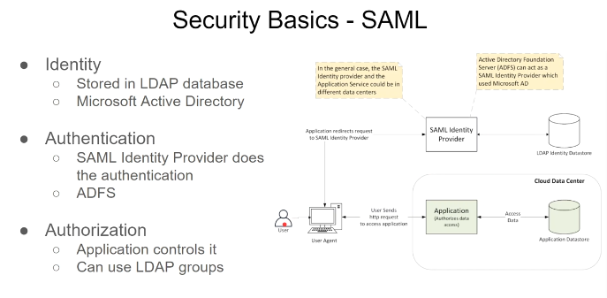

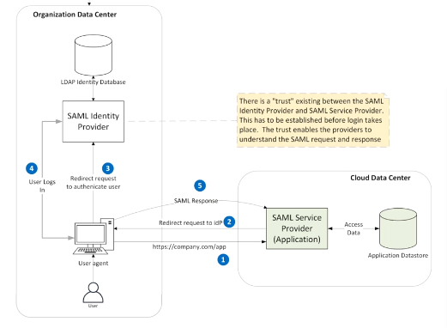

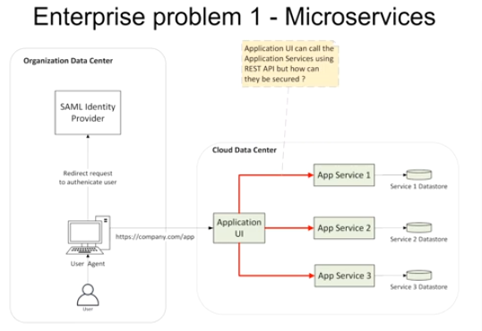
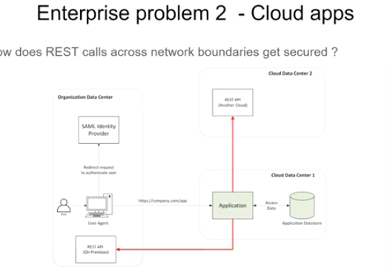

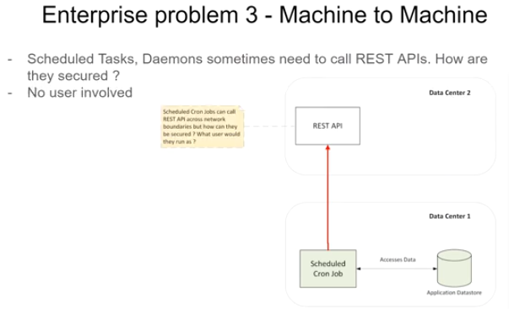
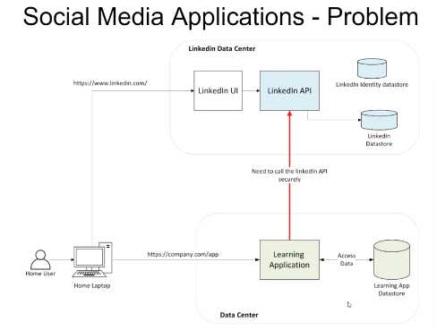

Oauth2.0
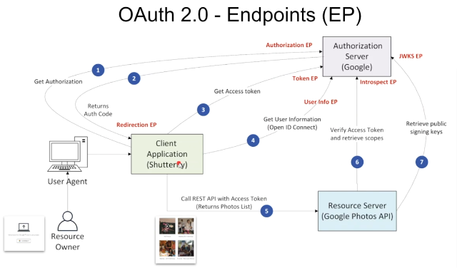
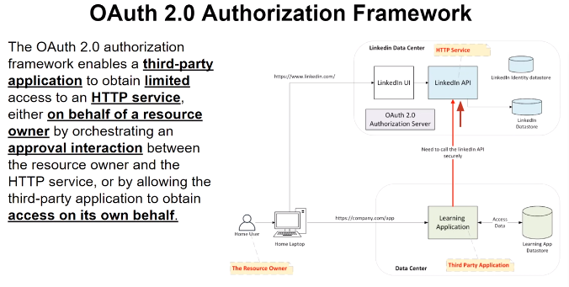

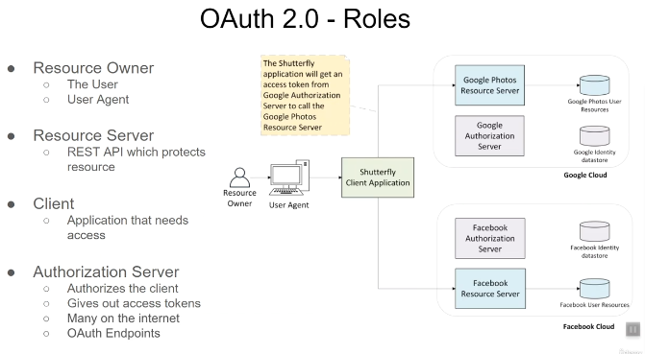

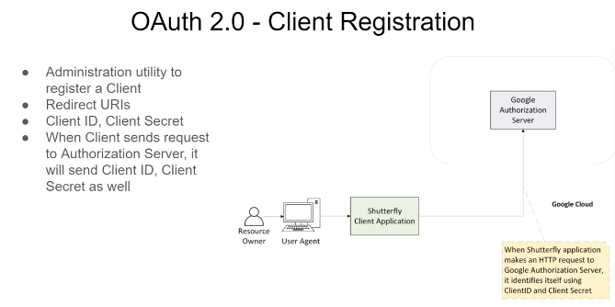

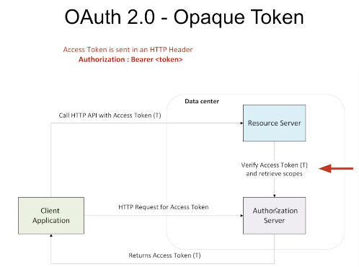

structured token
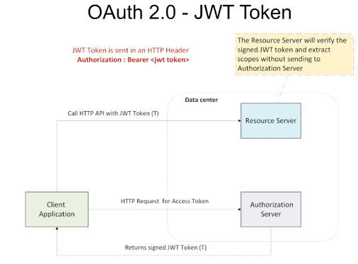

scope
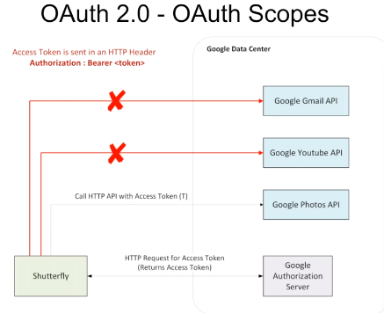

oauth endpoint

grantType
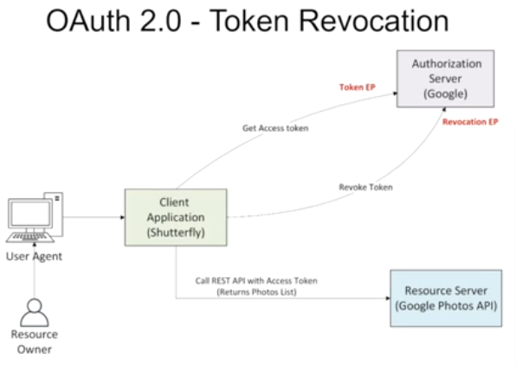
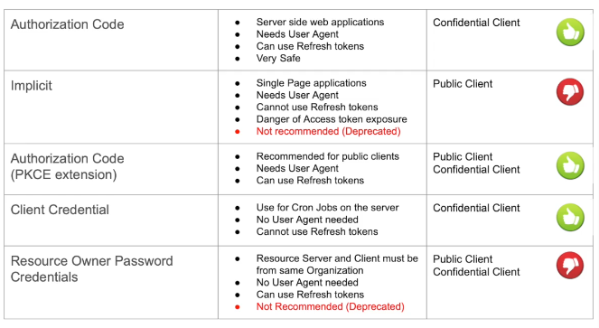
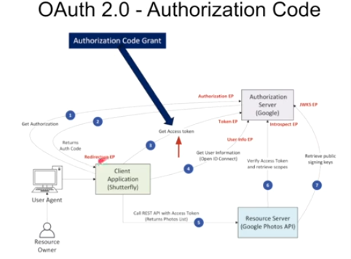

prooof key of code exchange
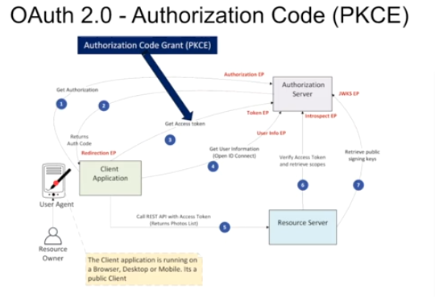

implicit
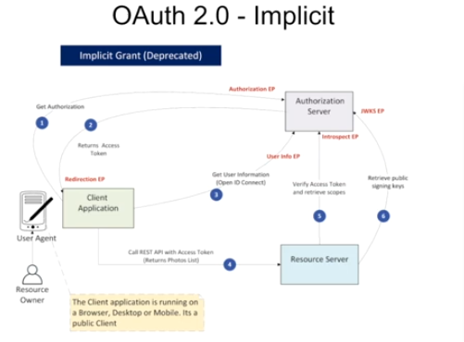

client credential
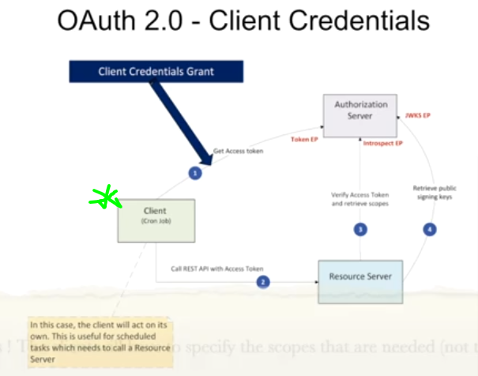

resource owner password credential
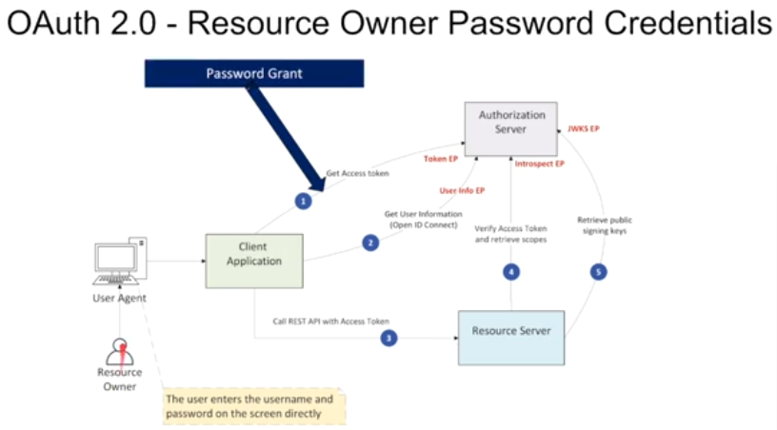

Refresh token
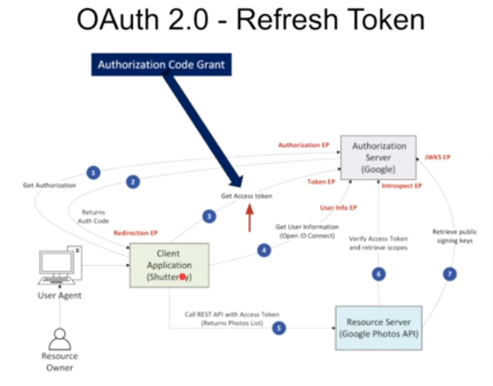

token revocation

google
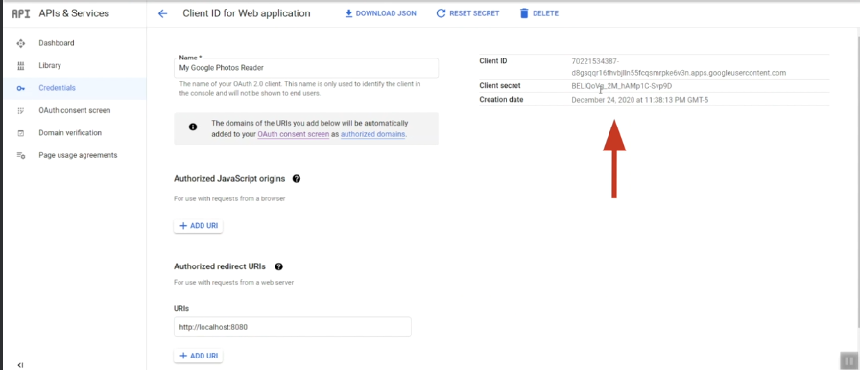
 |  |  |  | =============================================================================
 |  |  |  | STEP 1 : Construct Authorization Request for grant type = Authorization code
 |  |  |  | =============================================================================

 |  |  |  | ENDPOINT =>
 |  |  |  | HTTP TYPE =>

 |  |  |  | https://accounts.google.com/o/oauth2/v2/auth?response_type=code&client_id=<CLIENTID>&scope=openid%20profile%20email%20https://www.googleapis.com/auth/photoslibrary.readonly&state=state123&redirect_uri=http://localhost:8080&access_type=offline&prompt=consent

 |  |  |  | response_type | https://developers.google.com/identity/protocols/oauth2/web-server
 |  |  |  | client_id | const http = require('http');
 |  |  |  | scope | const https = require('https');
 |  |  |  | state | const url = require('url');
 |  |  |  | redirect_uri | const { google } = require('googleapis');
 |  |  |  | access_type
 |  |  |  | prompt | /**
 |  |  |  |  | * To use OAuth2 authentication, we need access to a CLIENT_ID, CLIENT_SECRET, AND REDIRECT_URI.
 |  |  |  |  | * To get these credentials for your application, visit
 |  |  |  | ============================================================================= | * https://console.cloud.google.com/apis/credentials.
 |  |  |  | STEP 2 : Send Authorization Request and extract Code | */
steps |  |  |  | ============================================================================= | const oauth2Client = new google.auth.OAuth2(
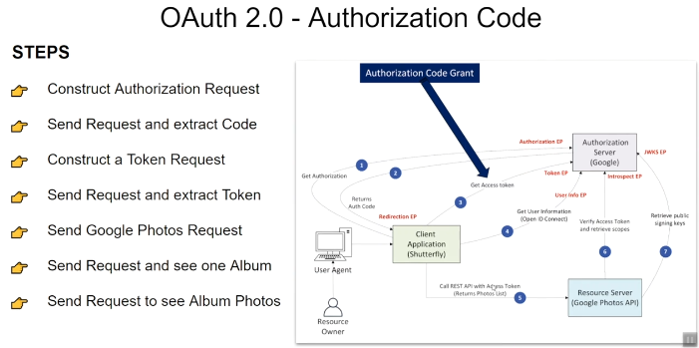
 |  |  |  |  | YOUR_CLIENT_ID,
 |  |  |  | => Start the Web Server (Optional) | YOUR_CLIENT_SECRET,
 |  |  |  | => Use Google Chrome to send request and capture the Authorization code | YOUR_REDIRECT_URL
 |  |  |  |  | );

 |  |  |  |  | // Access scopes for read-only Drive activity.
 |  |  |  |  | const scopes = [
 |  |  |  | ============================================================================= | 'https://www.googleapis.com/auth/drive.metadata.readonly'
 |  |  |  | STEP 3 : Construct a Token Request | ];
 |  |  |  | ============================================================================
 |  |  |  |  | // Generate a url that asks permissions for the Drive activity scope
 |  |  |  | ENDPOINT => https://oauth2.googleapis.com/token | const authorizationUrl = oauth2Client.generateAuthUrl({
 |  |  |  | HTTP TYPE => POST | // 'online' (default) or 'offline' (gets refresh_token)
 |  |  |  |  | access_type: 'offline',
 |  |  |  | grant_type | /** Pass in the scopes array defined above.
 |  |  |  | client_id | * Alternatively, if only one scope is needed, you can pass a scope URL as a string */
 |  |  |  | client_secret | scope: scopes,
 |  |  |  | code | // Enable incremental authorization. Recommended as a best practice.
endpoint |  |  |  | redirect_uri | include_granted_scopes: true
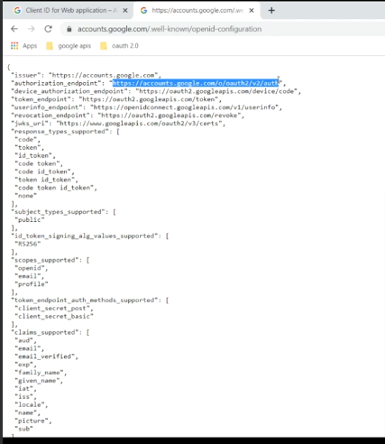
 |  |  |  |  | });
 |  |  |  | =============================================================================
 |  |  |  | STEP 4 : Send Token Request and extract Token | /* Global variable that stores user credential in this code example.
 |  |  |  | ============================================================================= | * ACTION ITEM for developers:
 |  |  |  |  | * Store user's refresh token in your data store if
 |  |  |  | => Note that Google does not return Access Token as JWT token (ID Token is returned as JWT) | * incorporating this code into your real app.
 |  |  |  |  | * For more information on handling refresh tokens,
 |  |  |  |  | * see https://github.com/googleapis/google-api-nodejs-client#handling-refresh-tokens
 |  |  |  | ============================================================================= | */
 |  |  |  | STEP 5 : Send Google Photos API Request - Get All Albums | let userCredential = null;
 |  |  |  | =============================================================================
 |  |  |  |  | async function main() {
 |  |  |  | ENDPOINT => | const server = http.createServer(async function (req, res) {
 |  |  |  | HTTP TYPE => | // Example on redirecting user to Google's OAuth 2.0 server.
 |  |  |  |  | if (req.url == '/') {
 |  |  |  |  | res.writeHead(301, { "Location": authorizationUrl });
 |  |  |  | ============================================================================= | }
 |  |  |  | STEP 6 : Send Google Photos API Request - Get one Album
 |  |  |  | ============================================================================= | // Receive the callback from Google's OAuth 2.0 server.
 |  |  |  |  | if (req.url.startsWith('/oauth2callback')) {
 |  |  |  | ENDPOINT => | // Handle the OAuth 2.0 server response
 |  |  |  | HTTP TYPE => | let q = url.parse(req.url, true).query;

 |  |  |  |  | if (q.error) { // An error response e.g. error=access_denied
 |  |  |  | ============================================================================= | console.log('Error:' + q.error);
 |  |  |  | STEP 7 : Send Google Photos API Request - See Photos of an Album | } else { // Get access and refresh tokens (if access_type is offline)
 |  |  |  | ============================================================================= | let { tokens } = await oauth2Client.getToken(q.code);
 |  |  |  |  | oauth2Client.setCredentials(tokens);
 |  |  |  | ENDPOINT =>
 |  |  |  | HTTP TYPE => | /** Save credential to the global variable in case access token was refreshed.
 |  |  |  |  | * ACTION ITEM: In a production app, you likely want to save the refresh token
 |  |  |  | WAIT for more than 1 hour and demonstrate that the access token is invalid | * in a secure persistent database instead. */
 |  |  |  |  | userCredential = tokens;
 |  |  |  | =============================================================================
 |  |  |  | STEP 8 : Get Token Info (should fail because token has expired) | // Example of using Google Drive API to list filenames in user's Drive.
 |  |  |  | ============================================================================= | const drive = google.drive('v3');
 |  |  |  |  | drive.files.list({
 |  |  |  | *** This is used by the Resource Server | auth: oauth2Client,
 |  |  |  |  | pageSize: 10,
grant type = Authorization code |  |  |  | ENDPOINT => https://www.googleapis.com/oauth2/v1/tokeninfo | fields: 'nextPageToken, files(id, name)',
 |  |  |  | HTTP TYPE => POST | }, (err1, res1) => {
 |  |  |  |  | if (err1) return console.log('The API returned an error: ' + err1);
 |  |  |  | access_token= | const files = res1.data.files;
get access token |  |  |  |  | if (files.length) {
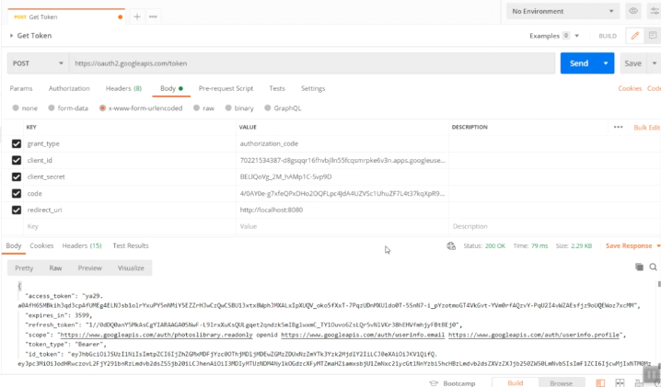
 |  |  |  | ============================================================================= | console.log('Files:');
 |  |  |  | STEP 8 : Refresh Token | files.map((file) => {
 |  |  |  | ============================================================================= | console.log(`${file.name} (${file.id})`);
 |  |  |  |  | });
 |  |  |  | ENDPOINT => | } else {
 |  |  |  | HTTP TYPE => | console.log('No files found.');
 |  |  |  |  | }
 |  |  |  | grant_type | });
 |  |  |  | client_id | }
 |  |  |  | client_secret | }
 |  |  |  | refresh_token
 |  |  |  |  | // Example on revoking a token
 |  |  |  | => Get a new access token and call the API | if (req.url == '/revoke') {
 |  |  |  |  | // Build the string for the POST request
 |  |  |  | ============================================================================= | let postData = "token=" + userCredential.access_token;
 |  |  |  | STEP 9 : Send User Info Request
 |  |  |  | ============================================================================= | // Options for POST request to Google's OAuth 2.0 server to revoke a token
 |  |  |  |  | let postOptions = {
 |  |  |  | *** This is used by the Client only if access token has openid scope | host: 'oauth2.googleapis.com',
 |  |  |  |  | port: '443',
 |  |  |  | ENDPOINT => https://openidconnect.googleapis.com/v1/userinfo | path: '/revoke',
 |  |  |  | HTTP TYPE => | method: 'POST',
refresh token |  |  |  |  | headers: {
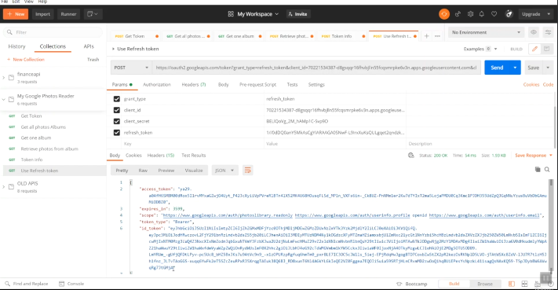
 |  |  |  | Auth Header => | 'Content-Type': 'application/x-www-form-urlencoded',
 |  |  |  |  | 'Content-Length': Buffer.byteLength(postData)
 |  |  |  | ============================================================================= | }
 |  |  |  | STEP 10 : Send request to get JWKS | };
 |  |  |  | =============================================================================
 |  |  |  |  | // Set up the request
 |  |  |  | ENDPOINT => | const postReq = https.request(postOptions, function (res) {
 |  |  |  | HTTP TYPE => | res.setEncoding('utf8');
 |  |  |  |  | res.on('data', d => {
 |  |  |  |  | console.log('Response: ' + d);
 |  |  |  |  | });
 |  |  |  |  | });

 |  |  |  |  | postReq.on('error', error => {
 |  |  |  |  | console.log(error)
 |  |  |  |  | });

 |  |  |  |  | // Post the request with data
 |  |  |  |  | postReq.write(postData);
access token verification |  | access_token is opaque(string) token | tokeninfo EP |  | postReq.end();
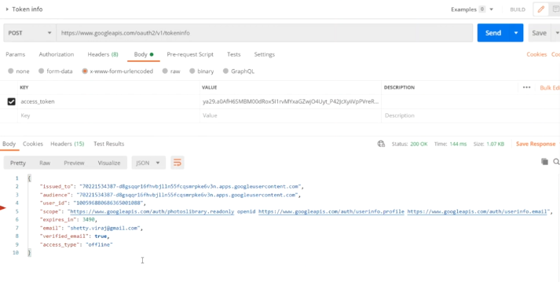
 |  |  |  |  | }
 |  |  |  |  | res.end();
 |  |  |  |  | }).listen(80);
 |  |  |  |  | }
 |  |  |  |  | main().catch(console.error);

more user info | userinfo endpoint
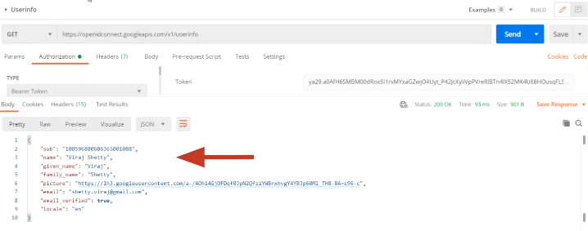

token_id (JWT structure) contain more info based on scope mentioned while authorization
could be decoded by public key(resides in token_id)

implicit grant type

https://accounts.google.com/o/oauth2/v2/auth

response_type
client_id
scope
state
redirect_uri
access_type
prompt

Oauth_enterprise-Okta
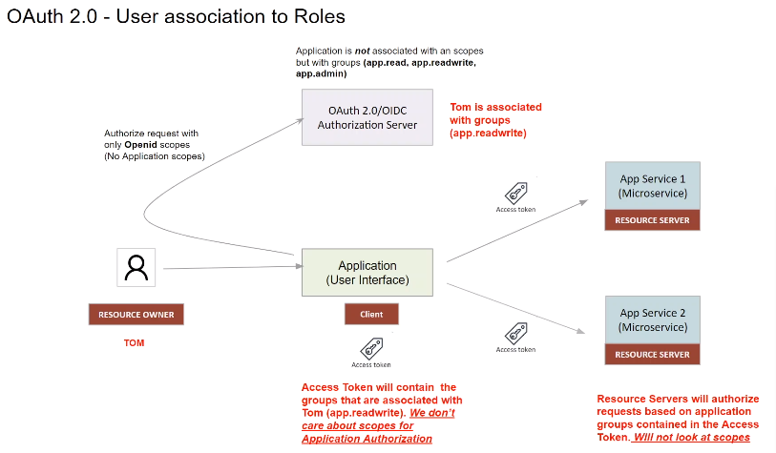
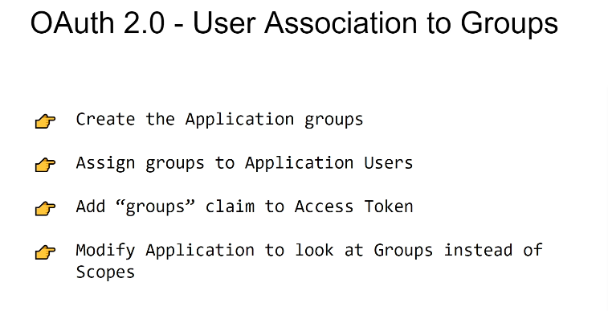
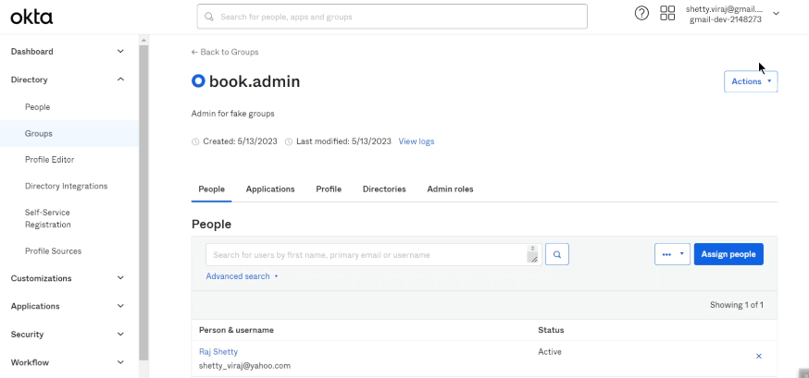
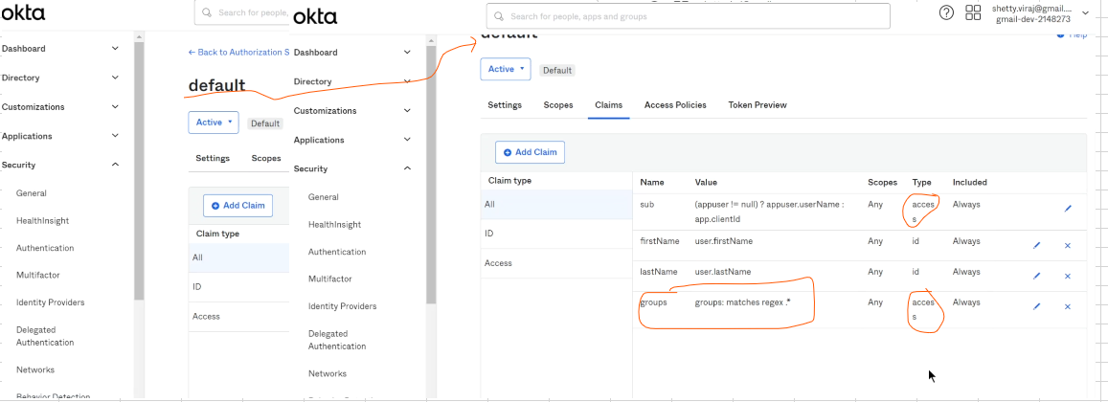
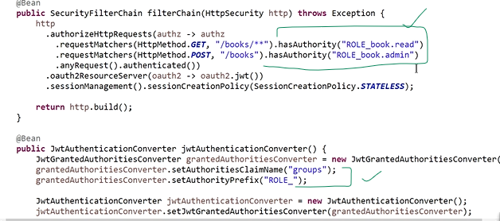
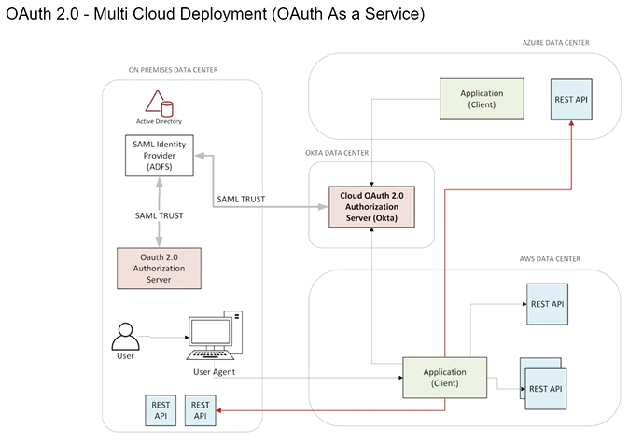
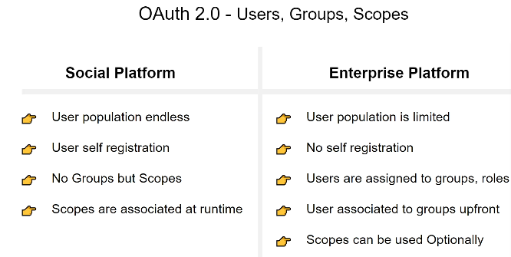

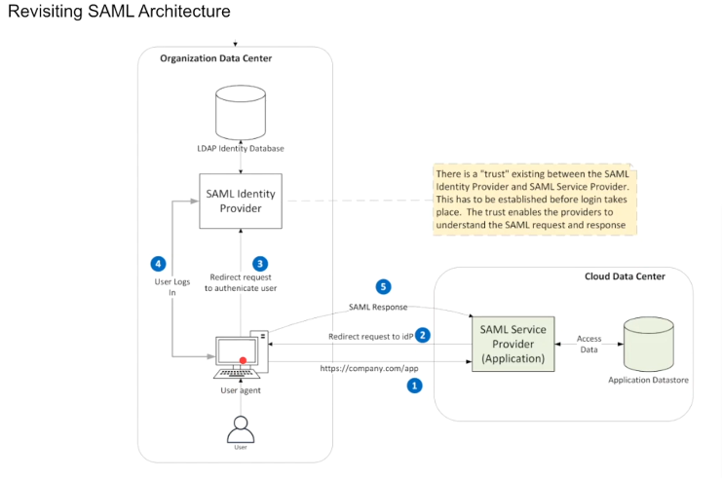

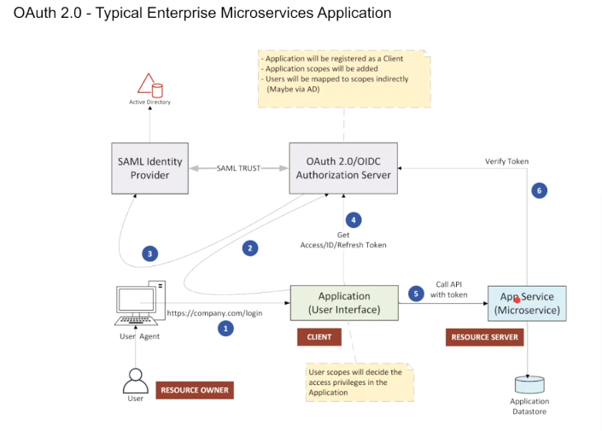

role based access control

