AD
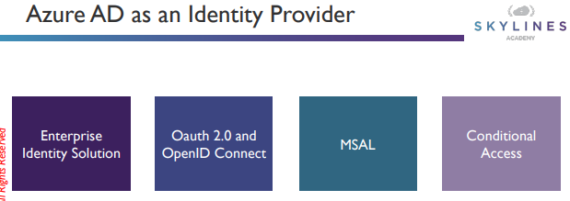
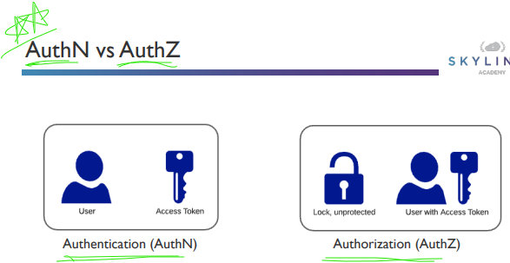

RBAC
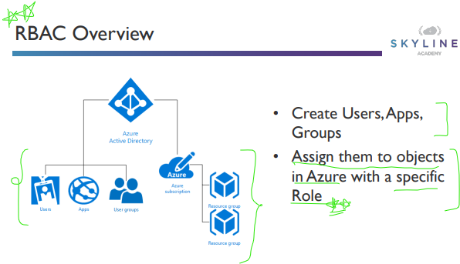
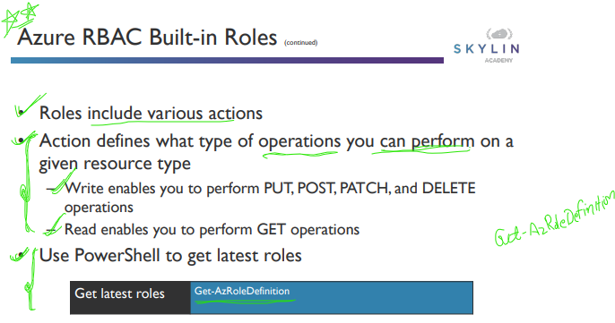

app-registration
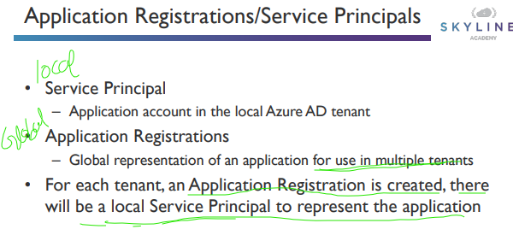

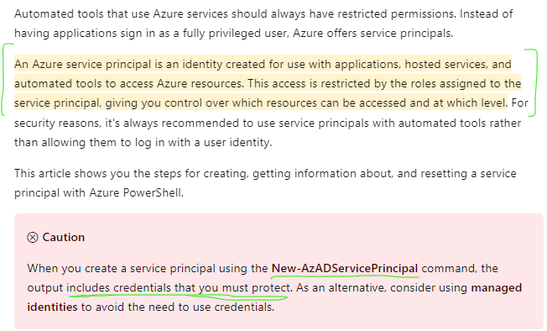

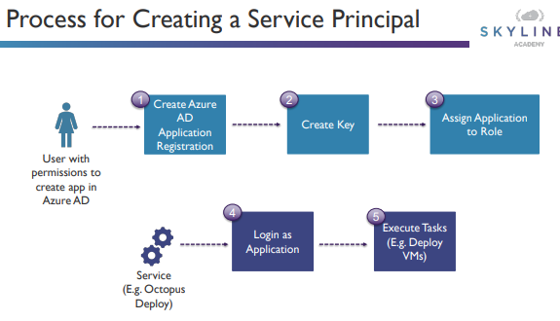

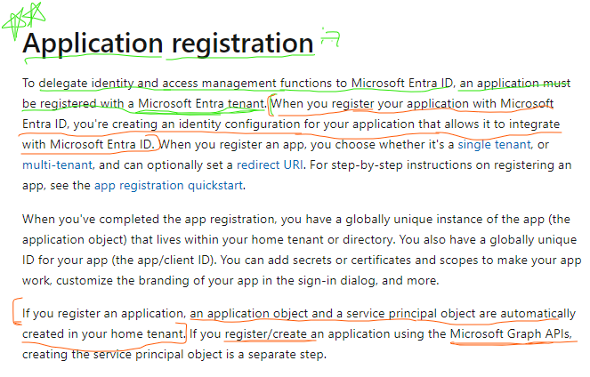

applicationObject-ServicePrinci
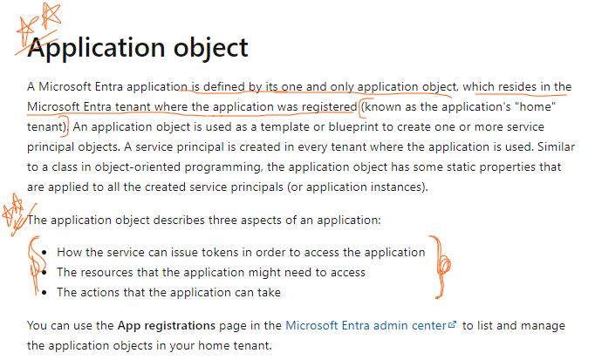
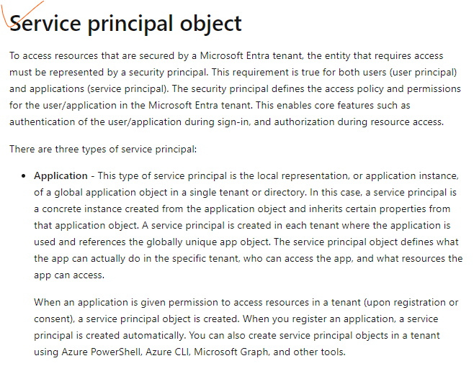

ManagedIdentity
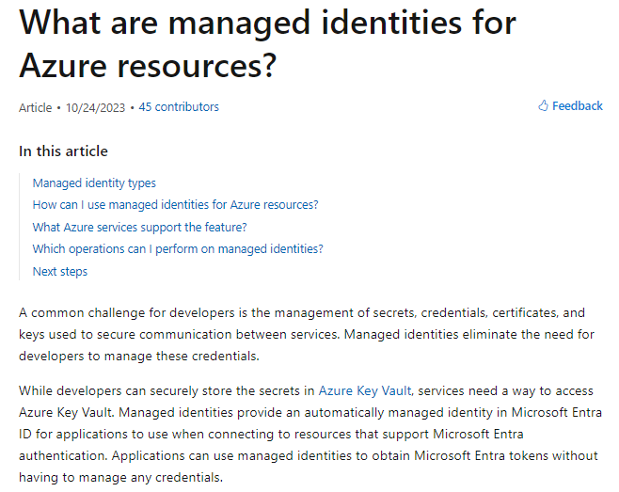
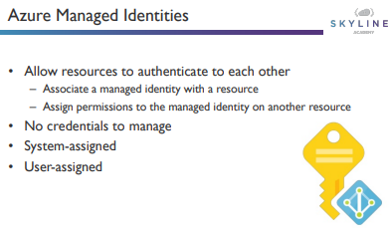
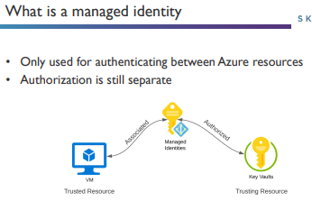
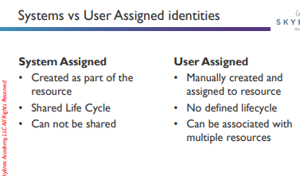

Az-ApplicationObject
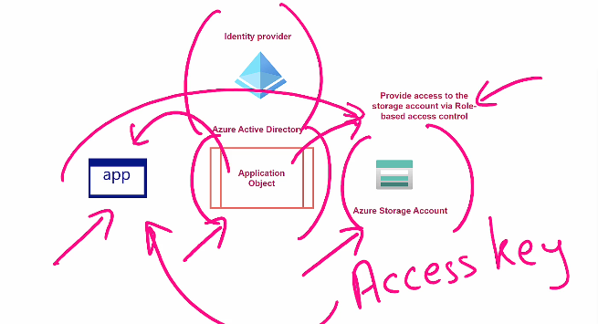

RBAC for application object

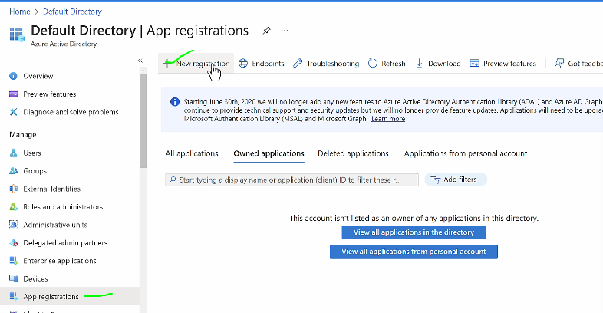

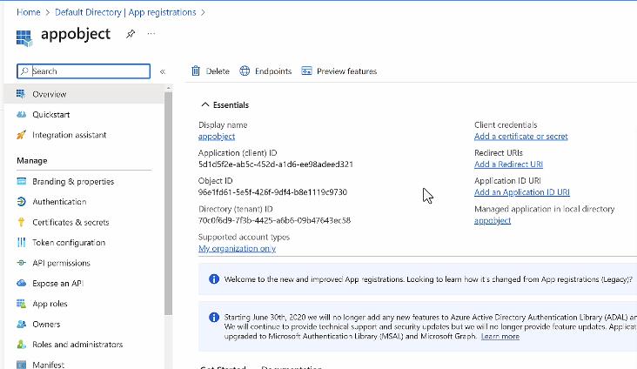

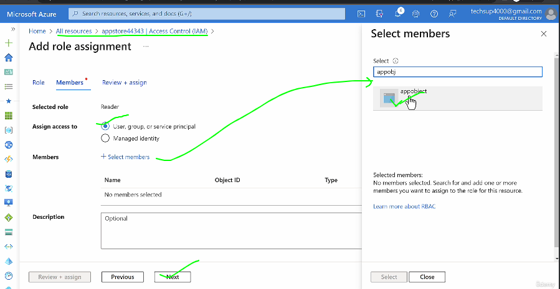

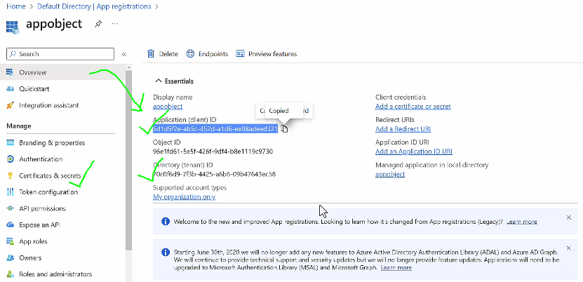
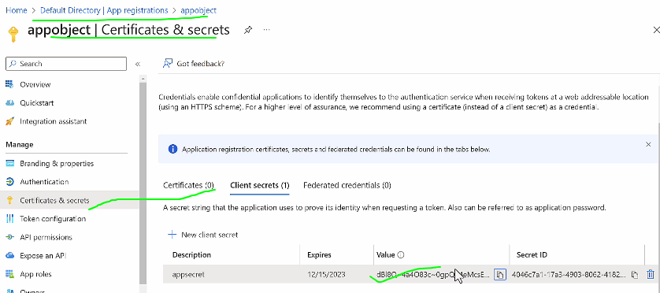

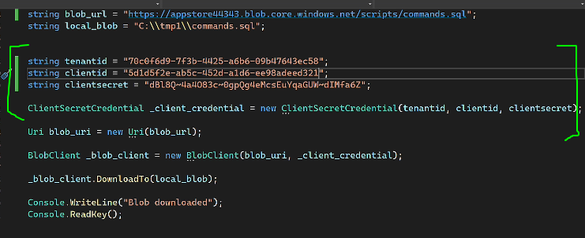

manage identity
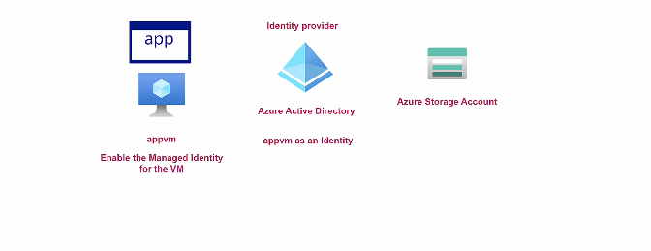

AZURE Managed identity(system assigned)(it will atomatically created and will be deleted on resource delete)

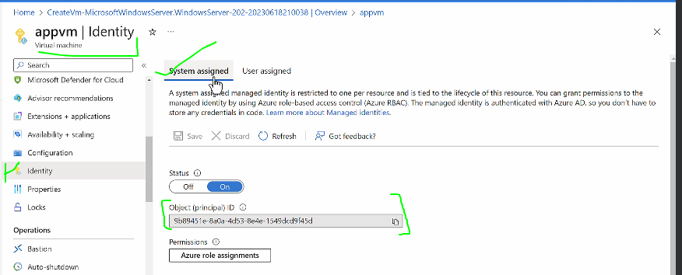

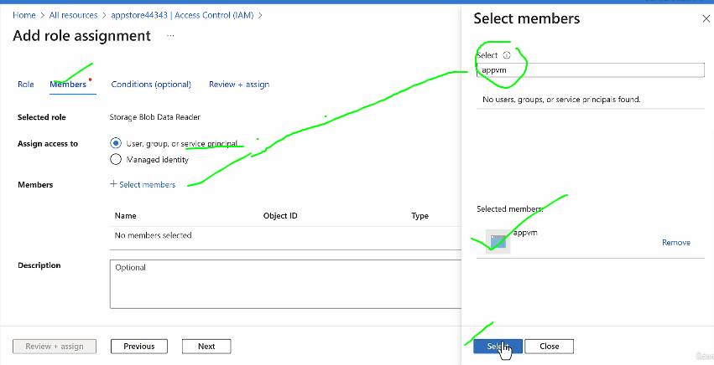
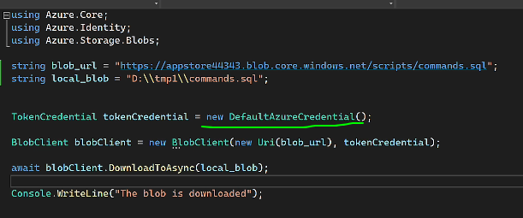

user assigned managed identity (it will be not atomatically deleted)(it can be used for multiple resources,no need to create user assigned identity for each resource)

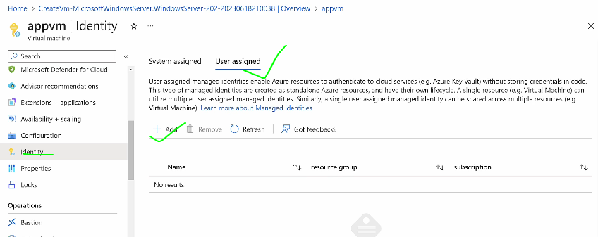

Application Object vs Service Principle
 | In Azure Active Directory (Azure AD), the concepts of service principals and application objects are fundamental for managing applications and their access. Here’s a detailed comparison: ### Application Object 1. **Definition**: - An application object is a global representation of an application in the Azure AD directory. 2. **Purpose**: - It serves as a template or blueprint for creating service principals. The application object defines the identity, permissions, and configuration of the application. 3. **Uniqueness**: - There is only one application object per application in a directory. 4. **Key Components**: - **Application ID**: A unique identifier for the application object. - **Metadata**: Includes information such as the application's name, logo, and URLs. - **Permissions**: Specifies the API permissions that the application needs. - **Configuration**: Contains the application’s configuration settings, such as reply URLs, logout URLs, etc. 5. **Location**: - Resides in the tenant where the application was registered. ### Service Principal 1. **Definition**: - A service principal is a security identity used by applications or services to access specific Azure resources. 2. **Purpose**: - It defines the access policy and permissions for the application across various Azure AD tenants. 3. **Uniqueness**: - A service principal is unique to a specific tenant. Multiple service principals can be created from a single application object, each in different tenants. 4. **Key Components**: - **Service Principal ID**: A unique identifier for the service principal. - **Application ID**: The ID of the corresponding application object. - **Permissions/Roles**: Specifies the permissions and roles assigned to the service principal within the tenant. - **Credentials**: Contains keys or certificates used for authentication. 5. **Location**: - Resides in the tenant where

Az-AD
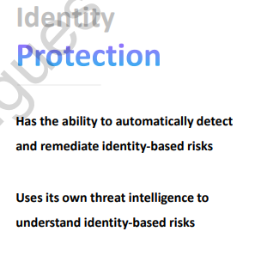
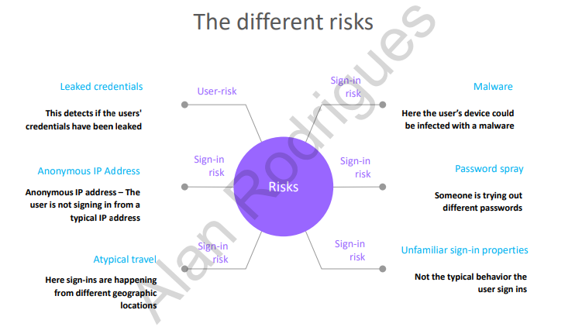
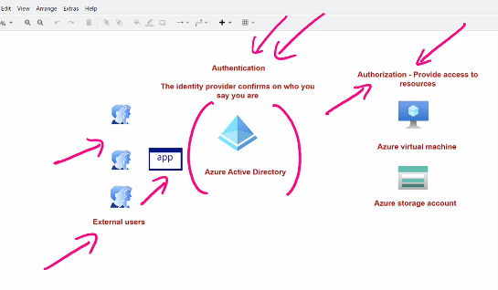

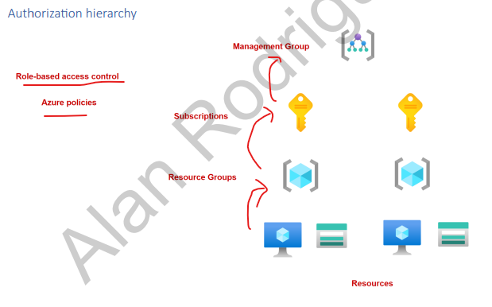

user principle
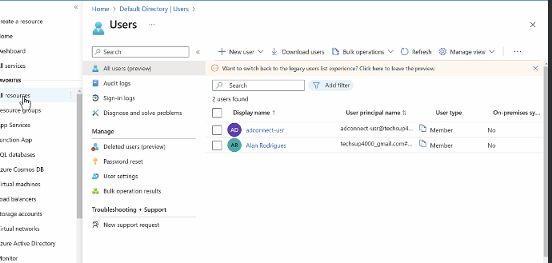
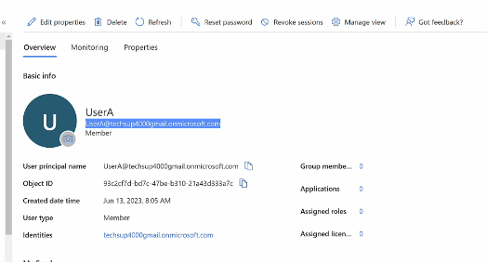

RBAC AT VM(RESOURCE)
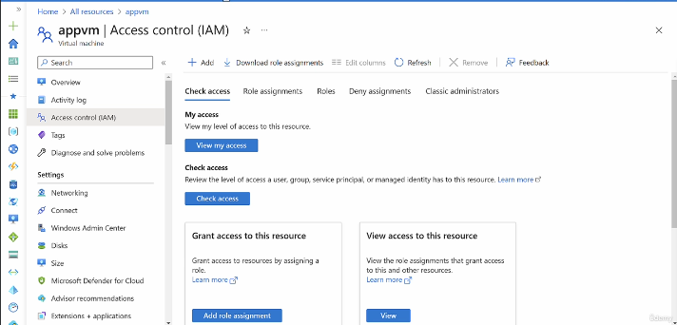
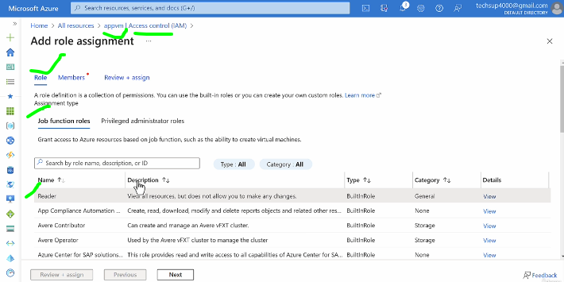

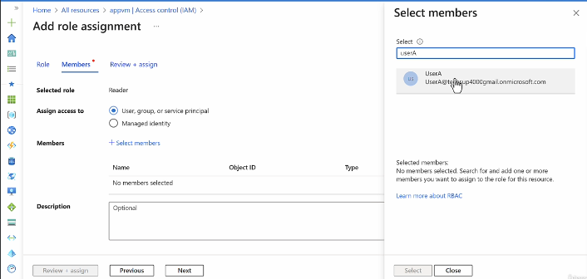

RBAC FOR Resouce Group

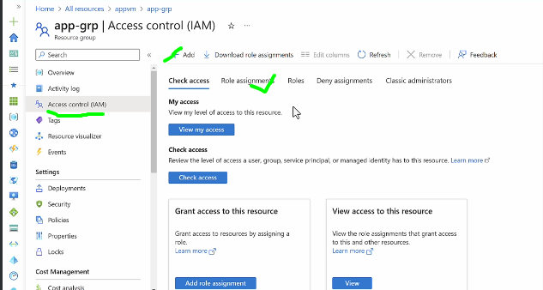
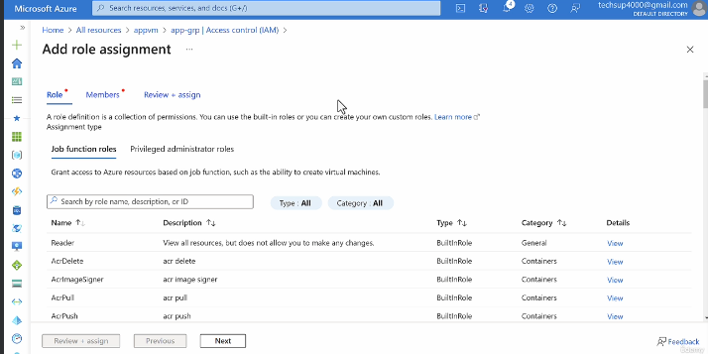

AD Role (withing azure active directory)
https://learn.microsoft.com/en-us/entra/identity/role-based-access-control/permissions-reference#application-developer
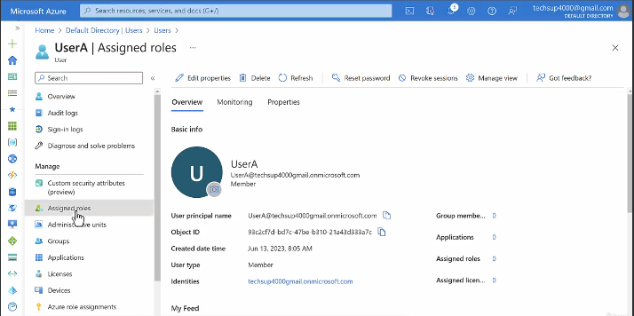
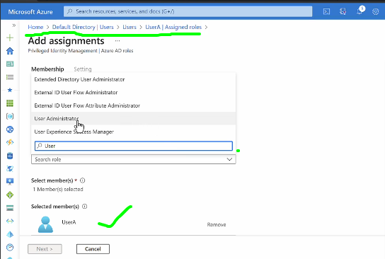

Azure priviledge access on azure AD or RBAC

https://learn.microsoft.com/en-us/entra/id-governance/privileged-identity-management/pim-configure

SETTING ELIGBLIE
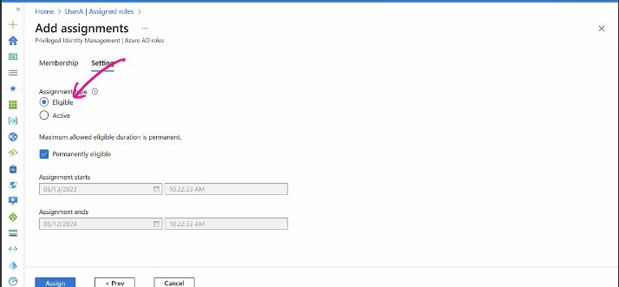
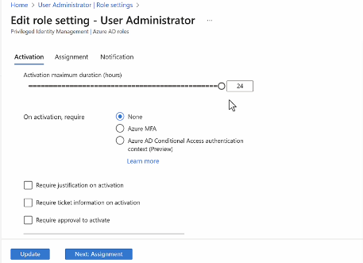

Priviledge Identity management | requesting eligble role
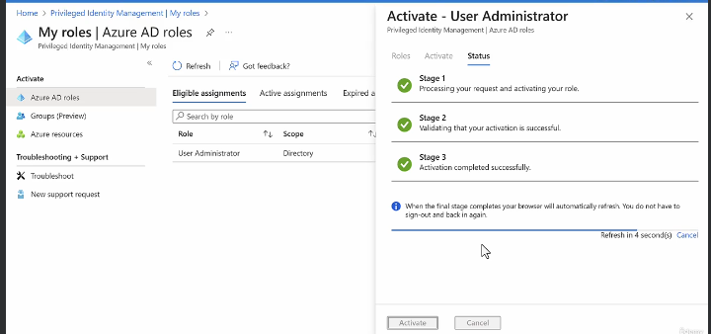
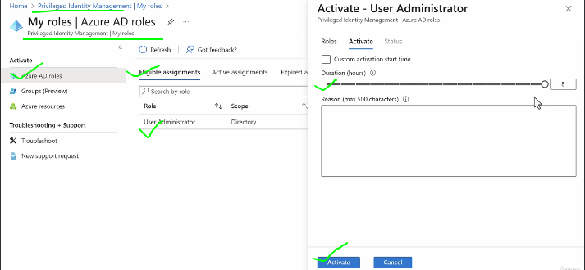

Eligble for RBAC

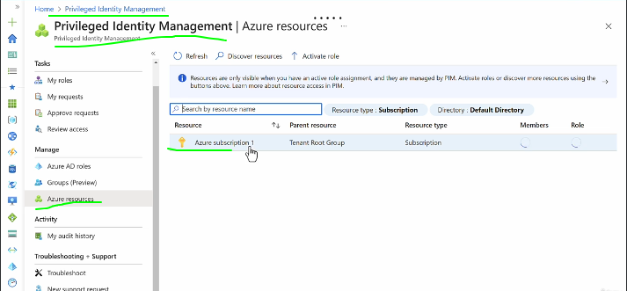

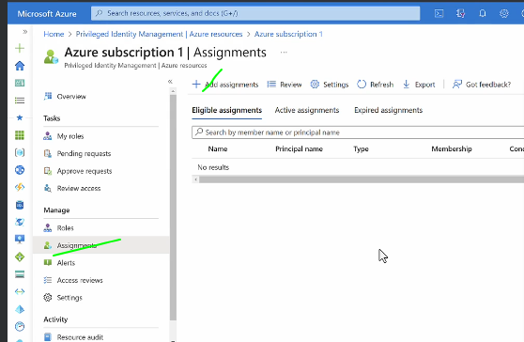

EXTERNAL IDENTITY

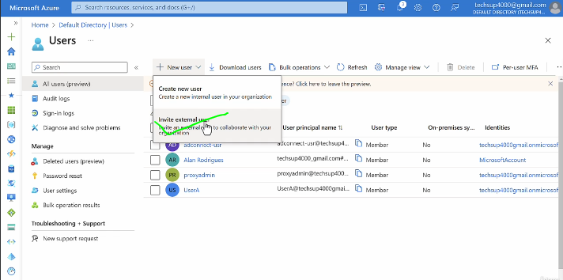
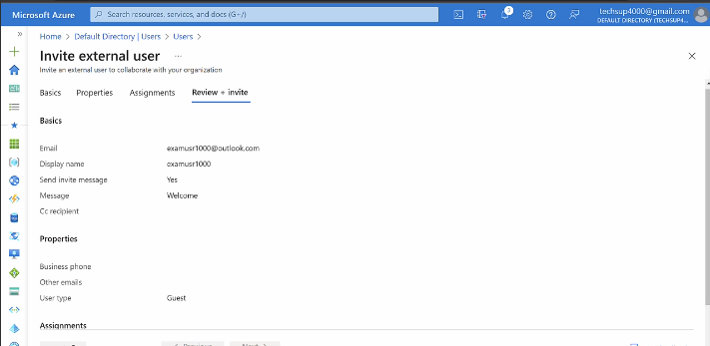

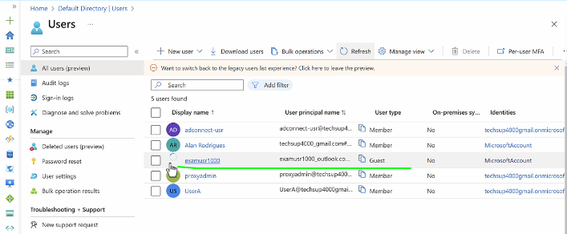
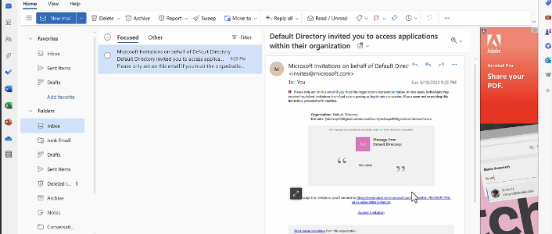

AD Access review (Identity Governance)
https://learn.microsoft.com/en-us/entra/id-governance/access-reviews-overview
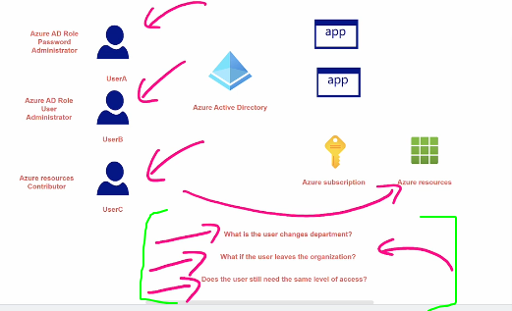

Performing Access Review







Access Review for Role



Identity Protection

