Cosmos
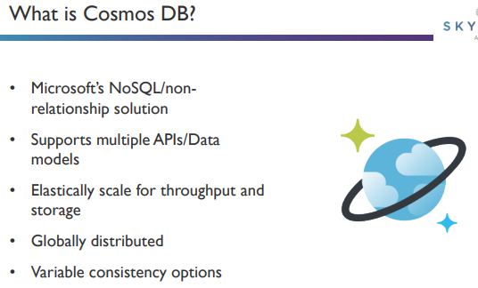
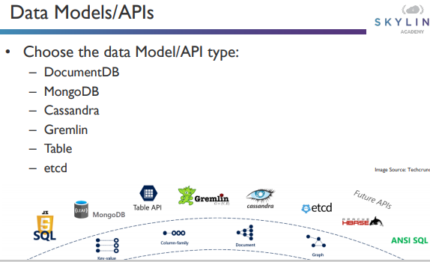

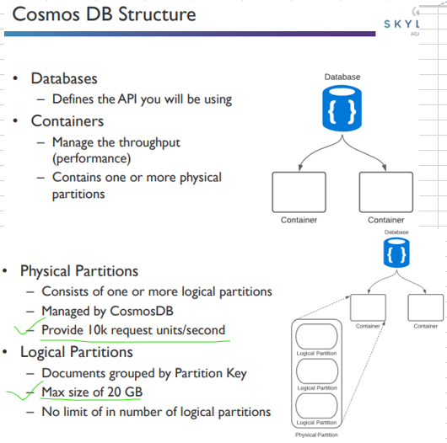

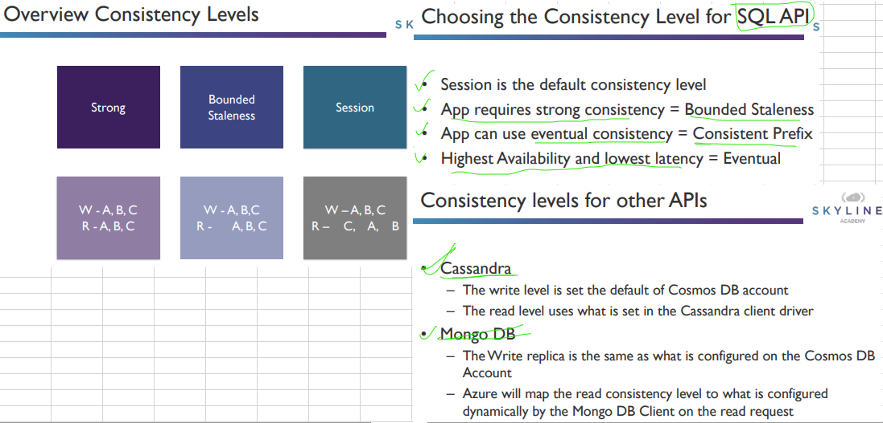

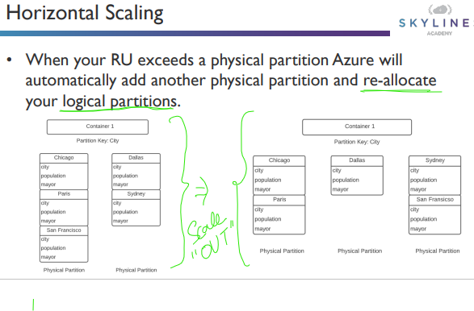

ServerSide
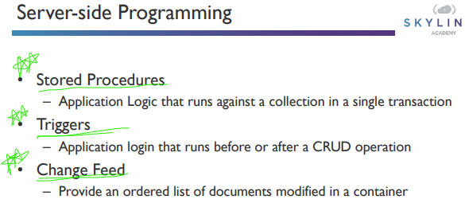

StoredProcedure
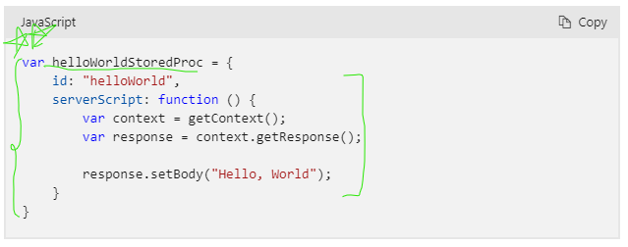

The following example shows how to register a stored procedure by using the JavaScript SDK:
const container = client.database("myDatabase").container("myContainer");
const sprocId = "spCreateToDoItems";
await container.scripts.storedProcedures.create({
id: sprocId,
body: require(`../js/${sprocId}`)
});

The following code shows how to call a stored procedure by using the JavaScript SDK:
const newItem = [{
category: "Personal",
name: "Groceries",
description: "Pick up strawberries",
isComplete: false
}];
const container = client.database("myDatabase").container("myContainer");
const sprocId = "spCreateToDoItems";
const {resource: result} = await container.scripts.storedProcedure(sprocId).execute(newItem, {partitionKey: newItem[0].category});

Trigger
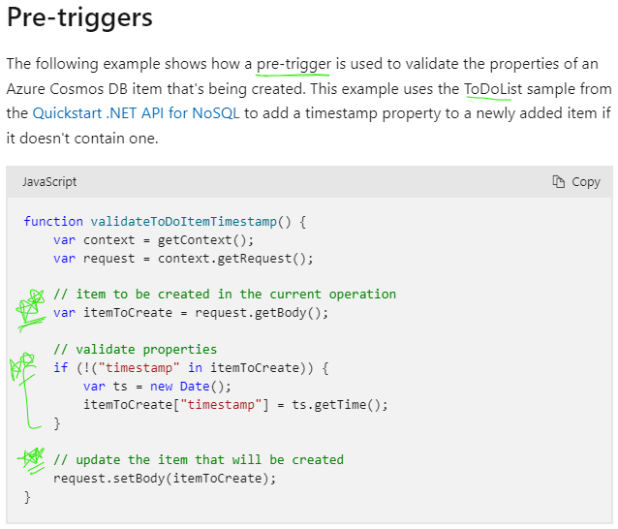
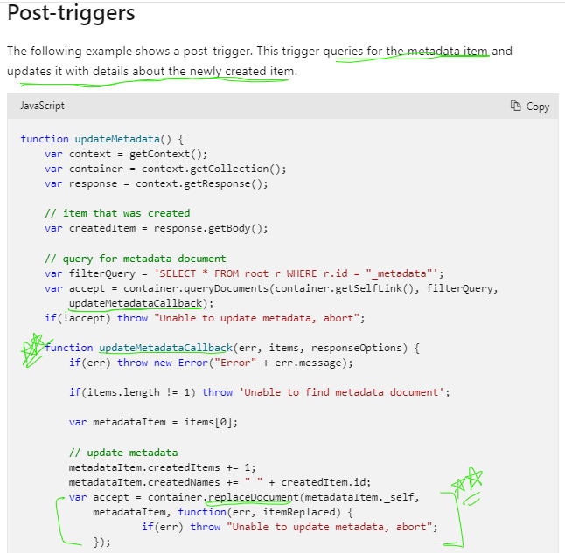

The following code shows how to register a pretrigger using the JavaScript SDK:
const container = client.database("myDatabase").container("myContainer");
const triggerId = "trgPreValidateToDoItemTimestamp";
await container.scripts.triggers.create({
id: triggerId,
body: require(`../js/${triggerId}`),
triggerOperation: "create",
triggerType: "pre"
});

The following code shows how to call a pretrigger using the JavaScript SDK:
const container = client.database("myDatabase").container("myContainer");
const triggerId = "trgPreValidateToDoItemTimestamp";
await container.items.create({
category: "Personal",
name: "Groceries",
description: "Pick up strawberries",
isComplete: false
}, {preTriggerInclude: [triggerId]});

