Function
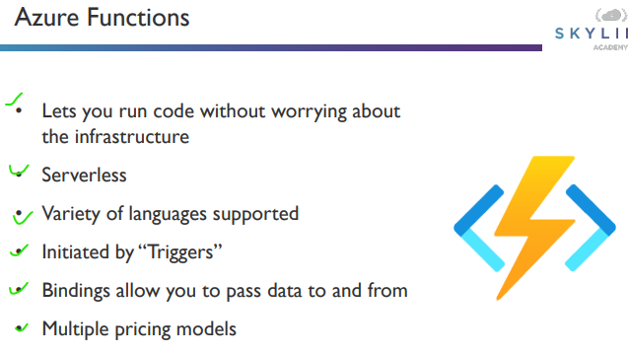
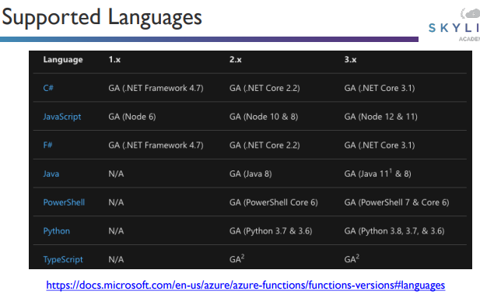

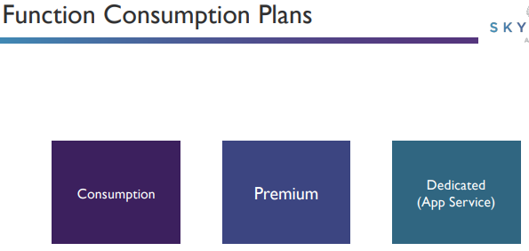

Trigger
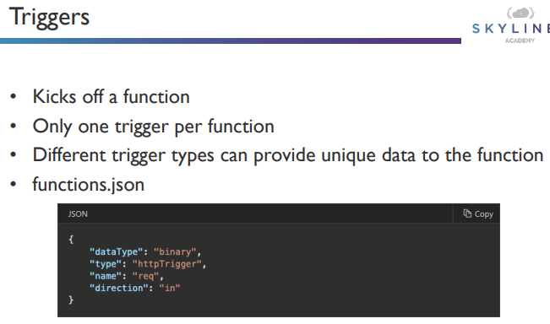
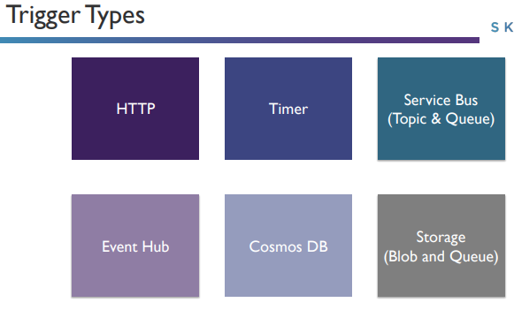

Binding
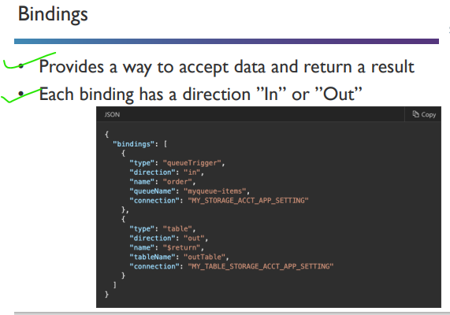

module.exports = async function (context, message) {
context.log('Node.js queue trigger function processed work item', message);
// OR access using context.bindings.<name>
// context.log('Node.js queue trigger function processed work item', context.bindings.myQueueItem);
context.log('expirationTime =', context.bindingData.expirationTime);
context.log('insertionTime =', context.bindingData.insertionTime);
context.log('nextVisibleTime =', context.bindingData.nextVisibleTime);
context.log('id =', context.bindingData.id);
context.log('popReceipt =', context.bindingData.popReceipt);
context.log('dequeueCount =', context.bindingData.dequeueCount);
};

Durable
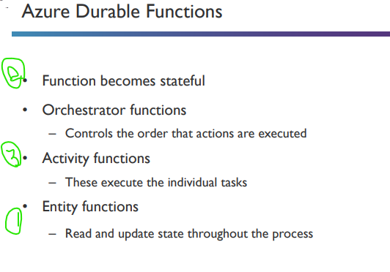

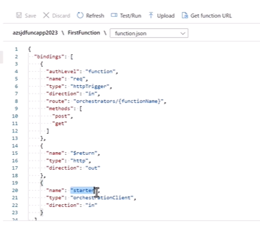
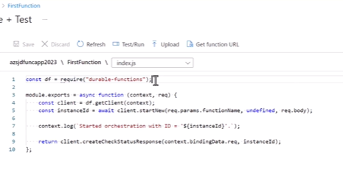

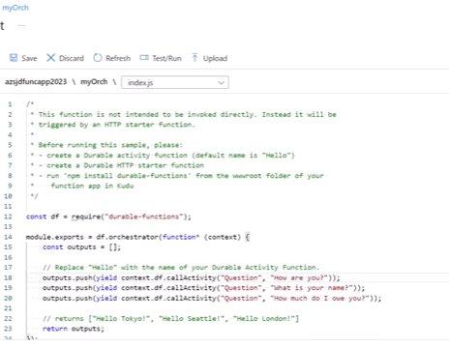

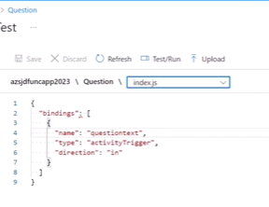
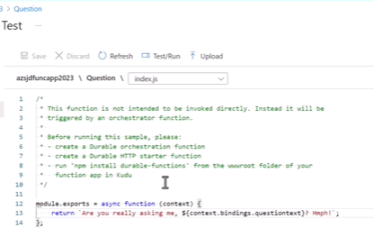

Fn-Chaining
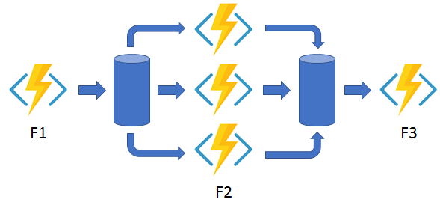
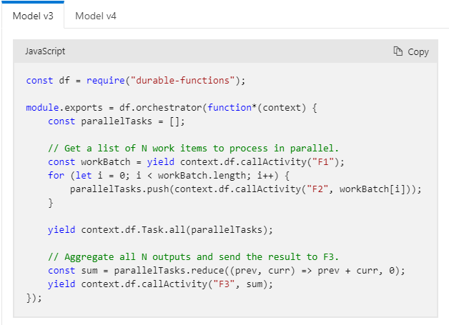
function chainning

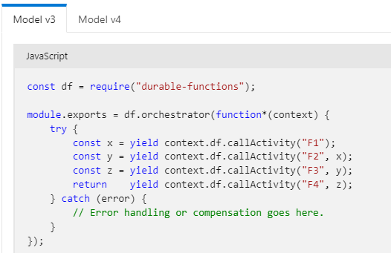

Fan Out/ fan In

Monitor
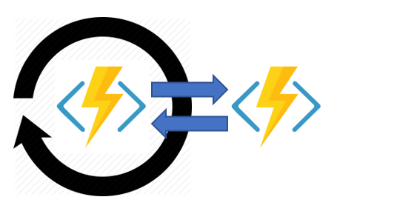
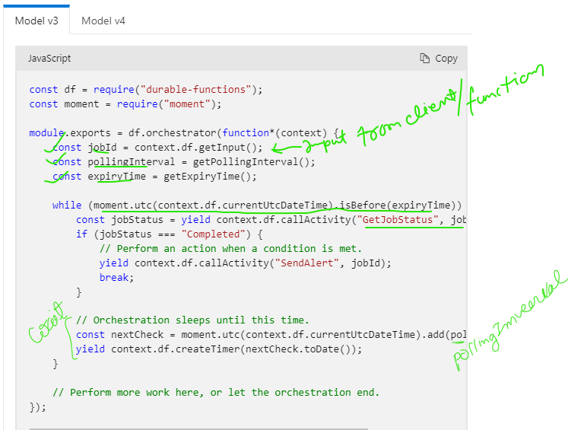
Monitor

Human-interaction
Human Interaction
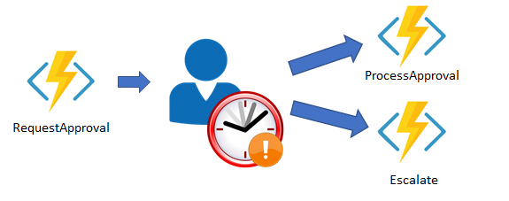

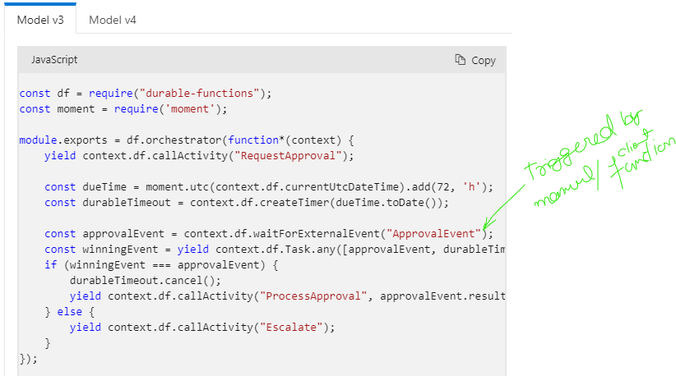

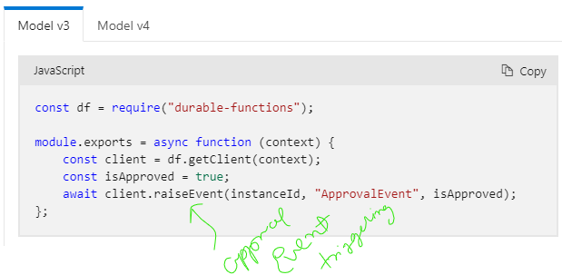

 | const instanceId = context.df.instanceId;

Aggregator

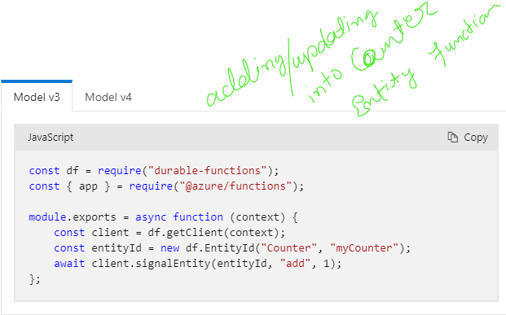
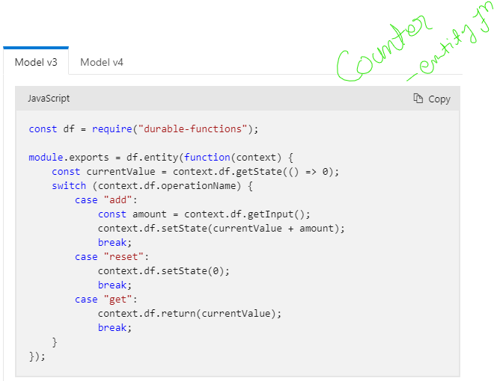
Aggregator (stateful entities)

