Intro
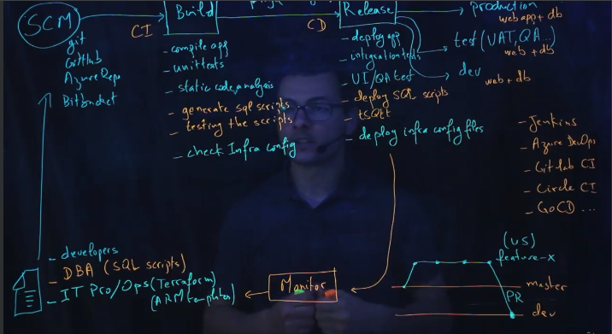

1_Kubernate-CI_CD
# trigger:
# - master | https://github.com/Nau1994/ProductsStoreOnKubernetes/tree/main/charts/productsstore
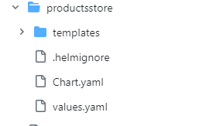
pr:
branches:
include:
- dev

resources:
- repo: self

variables:
tag: '$(Build.BuildId)' | https://github.com/Nau1994/ProductsStoreOnKubernetes/tree/main/kubernetes
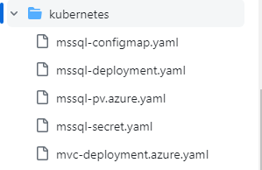
stages:
- stage: Build
displayName: Build image
jobs:
- job: Build
displayName: Build
pool:
vmImage: 'ubuntu-latest'

steps:
- task: Docker@2
displayName: Build an image
inputs:
containerRegistry: 'DockerHubConnnection'
repository: 'houssemdocker/products-web'
command: 'build'
Dockerfile: '**/Dockerfile'
tags: '$(tag)'

- task: Docker@2
displayName: Push an image
inputs:
containerRegistry: 'DockerHubConnnection'
repository: 'houssemdocker/products-web'
command: 'push'
Dockerfile: '**/Dockerfile'
tags: '$(tag)'

- stage: Deploy
displayName: Deploy Helm
jobs:
- job: Deploy
displayName: Deploy
pool:
vmImage: 'ubuntu-latest'

steps:

- task: HelmInstaller@1
inputs:
helmVersionToInstall: '3.2.3'

- task: HelmDeploy@0
inputs:
connectionType: 'Azure Resource Manager'
azureSubscription: 'Visual Studio Enterprise(17b12858-3960-4e6f-a663-a06fdae23428)'
azureResourceGroup: 'aks-demo'
kubernetesCluster: 'aks-demo'
command: 'upgrade'
chartType: 'FilePath'
chartPath: 'charts/productsstore'
releaseName: 'productsstore'
arguments: '--set web.image.tag=$(tag) --set web.image.name=products-web --set namespace=helm-app'

2_Kubernate-CI_CD
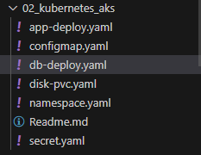
trigger: none
# - main |  | https://github.com/Nau1994/docker-kubernetes-course/tree/main/02_kubernetes_aks

pool:
vmImage: ubuntu-latest

variables:
acr_name: acr4aks13579
tag: 1.0.0-$(Build.BuildId)

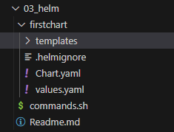
steps:
 |  | https://github.com/Nau1994/docker-kubernetes-course/tree/main/03_helm
- task: AzureCLI@2
displayName: Docker Build & Push
inputs:
azureSubscription: 'Microsoft-Azure-NonProd'
scriptType: 'bash'
scriptLocation: 'inlineScript'
inlineScript: |
docker build -t $(acr_name).azurecr.io/webapp:$(tag) app-dotnet
az acr login -n $(acr_name)
docker push $(acr_name).azurecr.io/webapp:$(tag)

- task: qetza.replacetokens.replacetokens-task.replacetokens@3 | not required for helm
displayName: 'Replace Image TAG'
inputs:
rootDirectory: '02_kubernetes_aks'
targetFiles: 'app-deploy.yaml'
encoding: 'auto'
writeBOM: true
actionOnMissing: 'warn'
keepToken: false
tokenPrefix: '__'
tokenSuffix: '__'
useLegacyPattern: false
enableTransforms: false
enableTelemetry: true

- script: cat 02_kubernetes_aks/app-deploy.yaml
displayName: View app-deploy.yaml
 | - task: HelmDeploy@0
- task: Kubernetes@1 | displayName: Deploy Helm Chart
displayName: Kubernetes Deploy | inputs:
inputs: | connectionType: 'Azure Resource Manager'
connectionType: 'Azure Resource Manager' | azureSubscription: 'aks-spn-ca'
azureSubscriptionEndpoint: 'Microsoft-Azure-NonProd' | azureResourceGroup: 'rg-aks-cluster'
azureResourceGroup: 'rg-aks' | kubernetesCluster: 'aks-cluster'
kubernetesCluster: 'aks-cluster-dev' | namespace: 'qa'
namespace: 'default' | command: 'upgrade'
command: 'apply' | chartType: 'FilePath'
useConfigurationFile: true | chartPath: '$(System.ArtifactsDirectory)/drop/helm_chart'
configuration: '02_kubernetes_aks' | releaseName: 'first-app'
secretType: 'dockerRegistry' | overrideValues: 'image.tag="1.21.0", --namespace qa'
containerRegistryType: 'Azure Container Registry' | arguments: '--create-namespace'

Complete Pipeine
Build
trigger: none
# - main

pool:
vmImage: ubuntu-latest

variables:
tag: 1.0.0-$(Build.BuildId)

parameters:
- name: pool_image
displayName: Pool Image
type: string
default: ubuntu-latest
values:
- windows-latest
- ubuntu-latest
- macOS-latest
- name: runCompletePipeline
displayName: Run All Tasks ?
type: boolean
default: false

stages:
- stage: Build
displayName: Build & Push Image
jobs:

- job: ScanAndTest
displayName: Scan & Test Code
pool:
vmImage: 'ubuntu-latest'

steps:

- task: Bash@3
displayName: install checkov
enabled: ${{ parameters.runCompletePipeline}}
inputs:
targetType: 'inline'
script: |
ls $(pwd)/app/dockerfile/java
#docker run --tty --volume $(pwd)/app/dockerfile/java:/dfile bridgecrew/checkov --directory /dfile
# docker run --tty --volume /app/dockerfile/java:/dfile bridgecrew/checkov --directory /dfile
sudo apt update
sudo apt install software-properties-common
sudo add-apt-repository ppa:deadsnakes/ppa
sudo apt install python3.7
sudo apt install python3-pip
sudo python3.7 -m pip install -U checkov
workingDirectory: '$(System.DefaultWorkingDirectory)'

- task: Bash@3
displayName: Scan Dockerfile
enabled: ${{ parameters.runCompletePipeline}}
continueOnError: true
inputs:
targetType: 'inline'
script: |
checkov --directory app-dotnet
workingDirectory: '$(System.DefaultWorkingDirectory)'

- task: Bash@3
displayName: Scan YAML Manifest
enabled: ${{ parameters.runCompletePipeline}}
continueOnError: true
inputs:
targetType: 'inline'
script: |
checkov --directory 02_kubernetes_aks
workingDirectory: '$(System.DefaultWorkingDirectory)'

- task: Bash@3
displayName: 'Run Unit Tests'
enabled: ${{ parameters.runCompletePipeline}}
inputs:
targetType: 'inline'
script: 'echo Run Unit Tests..'

- task: Bash@3
displayName: 'Scan Code'
enabled: ${{ parameters.runCompletePipeline}}
inputs:
targetType: 'inline'
script: 'echo Scan Application Code with SonarQube, Codecov..'

- job: Build
displayName: Build Image
dependsOn: ScanAndTest
pool:
vmImage: 'ubuntu-latest'

steps:

- task: Bash@3
displayName: Build Container
inputs:
targetType: 'inline'
script: |
docker build -t acrforakscluster.azurecr.io/webapp:$(tag) app-dotnet

- task: Bash@3
displayName: Scan Container
enabled: ${{ parameters.runCompletePipeline}}
inputs:
targetType: 'inline'
script: |
docker run --rm -v /var/run/docker.sock:/var/run/docker.sock -v $HOME/Library/Caches:/root/.cache/ aquasec/trivy --exit-code 0 --severity MEDIUM,HIGH,CRITICAL --ignore-unfixed acrforakscluster.azurecr.io/webapp:$(tag)

- task: AzureCLI@2
displayName: Push Container to ACR
inputs:
azureSubscription: 'aks-spn-ca'
scriptType: 'bash'
scriptLocation: 'inlineScript'
inlineScript: |
az acr login -n acrforakscluster

docker push acrforakscluster.azurecr.io/webapp:$(tag)

- task: AzureCLI@2
displayName: '[Optional] Build Container inside ACR'
enabled: ${{ parameters.runCompletePipeline}}
inputs:
azureSubscription: 'aks-spn-ca'
scriptType: 'bash'
scriptLocation: 'inlineScript'
inlineScript: |
az acr login -n acrforakscluster

az acr build -r acrforakscluster -t webapp:$(tag) app-dotnet

- task: qetza.replacetokens.replacetokens-task.replacetokens@4
displayName: Replace TAG in YAML Deployment
inputs:
targetFiles: '02_kubernetes_aks/app-deploy.yaml'
encoding: 'auto'
tokenPattern: 'rm'
writeBOM: true
actionOnMissing: 'warn'
keepToken: false
actionOnNoFiles: 'continue'
enableTransforms: false
useLegacyPattern: false
enableTelemetry: true

- task: Bash@3
displayName: Verify TAG Updated
inputs:
targetType: 'inline'
script: 'cat 02_kubernetes_aks/app-deploy.yaml'

- task: PublishBuildArtifacts@1
displayName: Upload YAML manifest
inputs:
PathtoPublish: '02_kubernetes_aks'
ArtifactName: 'drop\manifest'
publishLocation: 'Container'

- task: PublishBuildArtifacts@1
displayName: Upload Helm Chart
inputs:
PathtoPublish: '03_helm/firstchart'
ArtifactName: 'drop\helm_chart'
publishLocation: 'Container'

Release
- stage: Release_DEV
displayName: Deploy to DEV
jobs:
- job: Deploy
displayName: 'Deploy to DEV'
pool:
vmImage: 'ubuntu-latest'

steps:

- task: DownloadBuildArtifacts@1
displayName: Download Artifacts
inputs:
buildType: 'current'
downloadType: 'single'
artifactName: 'drop\manifest'
downloadPath: '$(System.ArtifactsDirectory)'

- task: Kubernetes@1
displayName: Deploy YAML Manifest
inputs:
connectionType: 'Azure Resource Manager'
azureSubscriptionEndpoint: 'aks-spn-ca'
azureResourceGroup: 'rg-aks-cluster'
kubernetesCluster: 'aks-cluster'
namespace: 'default'
command: 'apply'
useConfigurationFile: true
configuration: '$(System.ArtifactsDirectory)/drop/manifest'
secretType: 'dockerRegistry'
containerRegistryType: 'Azure Container Registry'

- job: Test
displayName: 'Integration Tests DEV'
dependsOn: Deploy
pool:
vmImage: 'ubuntu-latest'

steps:
- task: Bash@3
displayName: 'Run Integration Tests'
inputs:
targetType: 'inline'
script: 'echo Run Integration Tests..'

- stage: Release_QA
displayName: Deploy to QA
jobs:
- job: Deploy
displayName: Deploy to QA
pool:
vmImage: 'ubuntu-latest'

steps:

- task: DownloadBuildArtifacts@1
displayName: Download Artifacts
inputs:
buildType: 'current'
downloadType: 'single'
artifactName: 'drop\helm_chart'
downloadPath: '$(System.ArtifactsDirectory)'

- task: HelmDeploy@0
displayName: Deploy Helm Chart
inputs:
connectionType: 'Azure Resource Manager'
azureSubscription: 'aks-spn-ca'
azureResourceGroup: 'rg-aks-cluster'
kubernetesCluster: 'aks-cluster'
namespace: 'qa'
command: 'upgrade'
chartType: 'FilePath'
chartPath: '$(System.ArtifactsDirectory)/drop/helm_chart'
releaseName: 'first-app'
overrideValues: 'image.tag="1.21.0", --namespace qa'
arguments: '--create-namespace'

- job: Test
displayName: 'Integration Tests QA'
dependsOn: Deploy
pool:
vmImage: 'ubuntu-latest'

steps:
- task: Bash@3
displayName: 'Run Integration Tests'
inputs:
targetType: 'inline'
script: 'echo Run Integration Tests..'

- stage: Release_PROD
displayName: Deploy to PROD
jobs:

- job: waitForValidation
displayName: Wait for external validation
pool: server
timeoutInMinutes: 4320 # job times out in 3 days
steps:
- task: ManualValidation@0
timeoutInMinutes: 1 # 1440 # task times out in 1 day
enabled: ${{ parameters.runCompletePipeline}}
inputs:
notifyUsers: 'someone@example.com'
instructions: |
Please validate the build configuration and resume
Tag: $(tag)
onTimeout: 'resume'

- job: Deploy
displayName: Deploy to PROD
dependsOn: waitForValidation
pool:
vmImage: 'ubuntu-latest'

steps:

- task: DownloadBuildArtifacts@1
displayName: Download Artifacts
inputs:
buildType: 'current'
downloadType: 'single'
artifactName: 'drop\helm_chart'
downloadPath: '$(System.ArtifactsDirectory)'

- task: AzureCLI@2
displayName: 'Deploy Helm Chart'
inputs:
azureSubscription: 'aks-spn-ca'
scriptType: 'bash'
scriptLocation: 'inlineScript'
workingDirectory: '$(System.ArtifactsDirectory)/drop/helm_chart'
inlineScript: |
az aks get-credentials --resource-group rg-aks-cluster --name aks-cluster

kubectl cluster-info

helm upgrade -f values.yaml --set image.tag="1.20.0" --set service.type=LoadBalancer my-app . --install --namespace prod --create-namespace

- job: Test
displayName: 'Integration Tests PROD'
dependsOn: Deploy
pool:
vmImage: 'ubuntu-latest'

steps:
- task: Bash@3
displayName: 'Run Integration Tests'
inputs:
targetType: 'inline'
script: 'echo Run Integration Tests..'

- task: AzureCLI@2
displayName: 'Scan Cluster Config'
# enabled: ${{ parameters.runCompletePipeline}}
inputs:
azureSubscription: 'aks-spn-ca'
scriptType: 'bash'
scriptLocation: 'inlineScript'
inlineScript: |
az aks get-credentials --resource-group rg-aks-cluster --name aks-cluster
kubectl cluster-info

# Deploy job.yaml to scan Kubernetes config and job-aks.yaml to scan specific AKS config
kubectl apply -f https://raw.githubusercontent.com/aquasecurity/kube-bench/main/job.yaml
sleep 10s # Waits 10 seconds.
# Pod logs outputs Kubernetes scan results and Job outputs AKS specific results
POD=$(kubectl get pods --selector app=kube-bench -o name)
kubectl logs $POD
kubectl delete -f https://raw.githubusercontent.com/aquasecurity/kube-bench/main/job.yaml

sleep 10s

kubectl apply -f https://raw.githubusercontent.com/aquasecurity/kube-bench/main/job-aks.yaml
sleep 10s
JOB=$(kubectl get jobs --selector job-name=kube-bench -o name)
kubectl logs $JOB
# TODO upload the scan results
kubectl delete -f https://raw.githubusercontent.com/aquasecurity/kube-bench/main/job-aks.yaml

terraform-CICD
# trigger:
# - master

pool:
vmImage: 'ubuntu-latest'

variables:
subscription: Visual Studio Enterprise(17b12858-3960-4e6f-a663-a06fdae23428)
resourceGroup: resourcegroup-tfstate
storageAccount: terraformtfstateskip
container: tfstate
tfstateFile: terraform.tfstate
anyTfChanges: false

steps:

- task: TerraformInstaller@0
displayName: install Terraform v0.12.28
inputs:
terraformVersion: '0.12.28'

- task: TerraformTaskV1@0
displayName: terraform init
inputs:
provider: 'azurerm'
command: 'init'
workingDirectory: '$(System.DefaultWorkingDirectory)/skip-step'
backendServiceArm: '$(subscription)'
backendAzureRmResourceGroupName: '$(resourceGroup)'
backendAzureRmStorageAccountName: '$(storageAccount)'
backendAzureRmContainerName: '$(container)'
backendAzureRmKey: '$(tfstateFile)'

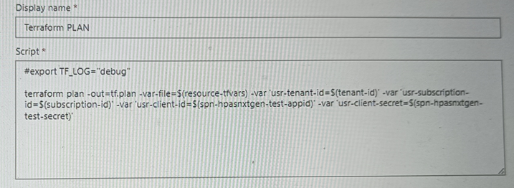
- task: TerraformTaskV1@0
displayName: terraform plan -out=tfplan
inputs:
provider: 'azurerm'
command: 'plan'
workingDirectory: '$(System.DefaultWorkingDirectory)/skip-step'
commandOptions: '-out=tfplan'
# commandOptions: '-detailed-exitcode -out=tfplan'
environmentServiceNameAzureRM: '$(subscription)'

- task: PowerShell@2
displayName: detect any terraform change
inputs:
workingDirectory: '$(System.DefaultWorkingDirectory)/skip-step'
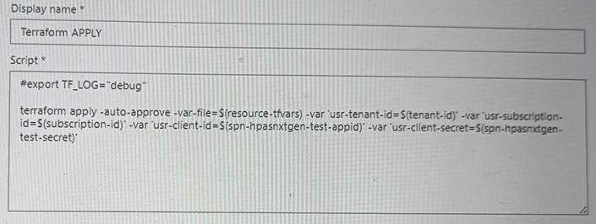
targetType: 'inline'
script: |
# Write-Host "LASTEXITCODE : $LASTEXITCODE"
$plan = $(terraform show -json tfplan | ConvertFrom-Json)
$actions = $plan.resource_changes.change.actions
Write-Host "Terraform actions : $actions"
if (($actions -contains 'create') -or ($actions -contains 'delete') -or ($actions -contains 'update'))
{
Write-Host "Terraform will perform the following actions : $actions"
Write-Host "##vso[task.setvariable variable=anyTfChanges;]true"
}
else
{
Write-Host "There is no change detected in Terraform tfplan file"
} | - task: CmdLine@2 | - task: AzureKeyVault@2
 | displayName: 'Add environment variables from file' | inputs:
- task: TerraformTaskV1@0 | inputs: | azureSubscriptionEndpoint: 'YourAzureServiceConnection'
displayName: terraform apply tfplan | script: | | keyVaultName: 'YourKeyVaultName'
condition: eq(variables.anyTfChanges, true) | set -o allexport | secretsFilter: '*'
inputs: | source path/to/your/file.env
provider: 'azurerm' | set +o allexport | - script: |
command: 'apply' |  | export YOUR_SECRET=$(echo $(YOUR_SECRET) | base64 --decode)
workingDirectory: '$(System.DefaultWorkingDirectory)/skip-step' |  | displayName: 'Set environment variable from Key Vault secret'
commandOptions: 'tfplan'
environmentServiceNameAzureRM: '$(subscription)'

AZ-key-vault
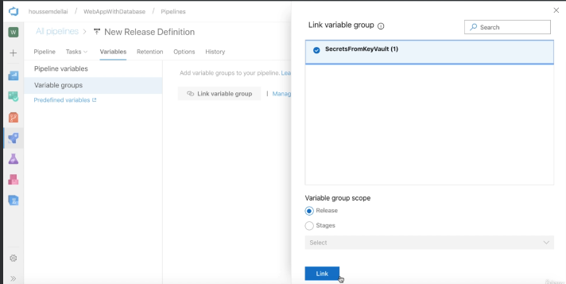
OPTION-1(USING AzureKeyVault Task) | OPTION-2(using linking with variable group)
trigger:
- main

pool:
vmImage: ubuntu-latest

steps:
- task: AzureKeyVault@2
displayName: Get Secrets from Key Vault
inputs:
azureSubscription: 'spn-keyvault-devops'
KeyVaultName: 'keyvault019'
SecretsFilter: '*' # 'DatabasePassword'
RunAsPreJob: false

- task: CmdLine@2
displayName: Write Secret into File
inputs:
script: |
echo $(DatabasePassword)
echo $(DatabasePassword) > secret.txt
cat secret.txt

- task: CopyFiles@2
displayName: Copy Secrets File
inputs:
Contents: secret.txt
targetFolder: '$(Build.ArtifactStagingDirectory)'

- task: PublishBuildArtifacts@1
displayName: Publish Secrets File
inputs:
PathtoPublish: '$(Build.ArtifactStagingDirectory)'
ArtifactName: 'drop'
publishLocation: 'Container'

1) Create Azure Key Vault with Secrets and persmissions |  | 2) Create Service Principal to access Key Vault from Azure DevOps Pipelines
The following script will create a Key Vault and Secret: |  | # create a service principal
# create the variables |  | SPN=$(az ad sp create-for-rbac -n "spn-keyvault-devops")
KEYVAULT_RG="rg-keyvault-devops"
KEYVAULT_NAME="keyvault019" |  | echo $SPN | jq .
SUBSCRIPTION_ID=$(az account show --query id -o tsv)
 |  | SPN_APPID=$(echo $SPN | jq .appId)
# create new resource group
az group create -n rg-keyvault-devops -l westeurope |  | SPN_ID=$(az ad sp list --display-name "spn-keyvault-devops" --query [0].objectId --out tsv)
 |  | <!-- SPN_ID=$(az ad sp show --id $SPN_APPID --query objectId --out tsv) -->
# create key vault with RBAC option (not Access Policy)
az keyvault create --name $KEYVAULT_NAME \ |  | # assign RBAC role to the service principal
--resource-group $KEYVAULT_RG \ |  | az role assignment create --role "Key Vault Secrets User" \
--enable-rbac-authorization |  | --scope $KEYVAULT_ID \
# assign RBAC role to the current user to manage secrets |  | --assignee-object-id $SPN_ID
USER_ID=$(az ad signed-in-user show --query objectId -o tsv)

KEYVAULT_ID=$(az keyvault show --name $KEYVAULT_NAME \
--resource-group $KEYVAULT_RG \
--query id \
--output tsv)

az role assignment create --role "Key Vault Secrets Officer" \
--scope $KEYVAULT_ID \
--assignee-object-id $USER_ID
# create a secret
az keyvault secret set --name "DatabasePassword" \
--value "mySecretPassword" \
--vault-name $KEYVAULT_NAME

template-TF
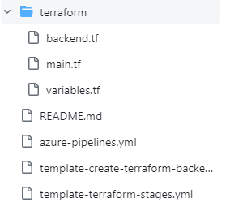
https://github.com/Nau1994/AzureDevOpsPipelines-Templates/tree/master/terraform

azure-pipelines.yml
trigger:
- master

variables:
backendServiceArm: 'AZURE_5_SUBSCRIPTION'
backendAzureRmResourceGroupName: 'resourcegroup-devops-tfstate'
backendAzureRmStorageAccountName: 'terraform0tfstate0'
backendAzureRmContainerName: 'tfstate'
location: 'westeurope'
tfBackendEnvironment: tf_backend
devEnvironment: dev
testEnvironment: test
prodEnvironment: prod
tfWorkingDirectory: 'terraform'

stages:
- template: template-create-terraform-backend.yml
parameters:
environment: ${{ variables.tfBackendEnvironment }}
environmentDisplayName: Create TF Backend
backendServiceArm: ${{ variables.backendServiceArm }}
backendAzureRmResourceGroupName: ${{ variables.backendAzureRmResourceGroupName }}
backendAzureRmStorageAccountName: ${{ variables.backendAzureRmStorageAccountName }}
backendAzureRmContainerName: ${{ variables.backendAzureRmContainerName }}
location: ${{ variables.location }}
dependsOn: []

- template: template-terraform-stages.yml
parameters:
environment: ${{ variables.devEnvironment }}
environmentDisplayName: Dev
backendServiceArm: ${{ variables.backendServiceArm }}
backendAzureRmResourceGroupName: ${{ variables.backendAzureRmResourceGroupName }}
backendAzureRmStorageAccountName: ${{ variables.backendAzureRmStorageAccountName }}
backendAzureRmContainerName: ${{ variables.backendAzureRmContainerName }}
backendAzureRmKey: $(devEnvironment).tfstate
workingDirectory: $(tfWorkingDirectory)
dependsOn: ['${{ variables.tfBackendEnvironment }}']

- template: template-terraform-stages.yml
parameters:
environment: ${{ variables.testEnvironment }}
environmentDisplayName: Test
backendServiceArm: ${{ variables.backendServiceArm }}
backendAzureRmResourceGroupName: ${{ variables.backendAzureRmResourceGroupName }}
backendAzureRmStorageAccountName: ${{ variables.backendAzureRmStorageAccountName }}
backendAzureRmContainerName: ${{ variables.backendAzureRmContainerName }}
backendAzureRmKey: $(testEnvironment).tfstate
workingDirectory: $(tfWorkingDirectory)
dependsOn: ['${{ variables.tfBackendEnvironment }}']

- template: template-terraform-stages.yml
parameters:
environment: ${{ variables.prodEnvironment }}
environmentDisplayName: Production
backendServiceArm: ${{ variables.backendServiceArm }}
backendAzureRmResourceGroupName: ${{ variables.backendAzureRmResourceGroupName }}
backendAzureRmStorageAccountName: ${{ variables.backendAzureRmStorageAccountName }}
backendAzureRmContainerName: ${{ variables.backendAzureRmContainerName }}
backendAzureRmKey: $(prodEnvironment).tfstate
workingDirectory: $(tfWorkingDirectory)
dependsOn: ['${{ variables.tfBackendEnvironment }}', '${{ variables.devEnvironment }}', '${{ variables.testEnvironment }}']

template-create-terraform-backend.yml (to deploy required resouces that insure and hold TF States)
# parameters values will be passed from the main/parent yaml template.
parameters:
environment: terraform_backend_tfstate
environmentDisplayName: Terraform Backend
backendServiceArm: ''
backendAzureRmResourceGroupName: 'resourcegroup-tfstate'
backendAzureRmStorageAccountName: 'terraformtfstate'
backendAzureRmContainerName: 'tfstate'
location: 'westeurope'
dependsOn: []

stages:

- stage: ${{ parameters.environment }}
displayName: ${{ parameters.environmentDisplayName }}
dependsOn: []
jobs:
- job: Create_TF_Backend
displayName: TF Backend to save State
pool:
vmImage: ubuntu-latest

steps:
- task: AzureCLI@2
displayName: Create Storage Container for tfstate
inputs:
azureSubscription: ${{ parameters.backendServiceArm }}
scriptType: 'bash'
scriptLocation: 'inlineScript'
inlineScript: |
# Create the resource group
az group create \
-n ${{ parameters.backendAzureRmResourceGroupName }} \
-l ${{ parameters.location }}

echo "Resource group ${{ parameters.backendAzureRmResourceGroupName }} created."

# Create the storage account
az storage account create \
-g ${{ parameters.backendAzureRmResourceGroupName }} \
-l ${{ parameters.location }} \
--name ${{ parameters.backendAzureRmStorageAccountName }} \
--sku Standard_LRS \
--encryption-services blob

echo "Storage account ${{ parameters.backendAzureRmStorageAccountName }} created."

# Retrieve the storage account key
ACCOUNT_KEY=$(az storage account keys list --resource-group ${{ parameters.backendAzureRmResourceGroupName }} --account-name ${{ parameters.backendAzureRmStorageAccountName }} --query [0].value -o tsv)

echo "Storage account key retrieved."

# Create a storage container (for the Terraform State)
az storage container create \
--name ${{ parameters.backendAzureRmContainerName }} \
--account-name ${{ parameters.backendAzureRmStorageAccountName }} \
--account-key $ACCOUNT_KEY

echo "Storage container ${{ parameters.backendAzureRmContainerName }} created."

template-terraform-stages.yml (to deploy actual resources)
# parameters values will be passed from the main/parent yaml template.
parameters:
environment: dev
environmentDisplayName: Development
backendServiceArm: ''
backendAzureRmResourceGroupName: 'resourcegroup-tfstate'
backendAzureRmStorageAccountName: 'terraformtfstate'
backendAzureRmContainerName: 'tfstate'
backendAzureRmKey: 'dev.tfstate'
workingDirectory: 'terraform'
anyTfChanges: false
dependsOn: []

stages:

- stage: ${{ parameters.environment }}
displayName: Deploy to ${{ parameters.environmentDisplayName }}
dependsOn: ${{ parameters.dependsOn }}
jobs:
- job: Terraform_Plan
displayName: Terraform Init, Plan & Apply
pool:
vmImage: ubuntu-latest

steps:

- task: TerraformInstaller@0
displayName: install Terraform v0.12.28
inputs:
terraformVersion: '0.12.28'

- task: TerraformTaskV1@0
displayName: terraform init with Azure backend
inputs:
provider: 'azurerm'
command: 'init'
workingDirectory: ${{ parameters.workingDirectory }}
backendServiceArm: ${{ parameters.backendServiceArm }}
backendAzureRmResourceGroupName: ${{ parameters.backendAzureRmResourceGroupName }}
backendAzureRmStorageAccountName: ${{ parameters.backendAzureRmStorageAccountName }}
backendAzureRmContainerName: ${{ parameters.backendAzureRmContainerName }}
backendAzureRmKey: ${{ parameters.backendAzureRmKey }}

- task: TerraformTaskV1@0
displayName: terraform plan -var environment=${{ parameters.environment }} -out=${{ parameters.backendAzureRmKey }}
inputs:
provider: 'azurerm'
command: 'plan'
workingDirectory: ${{ parameters.workingDirectory }}
commandOptions: '-var environment=${{ parameters.environment }} -out=${{ parameters.backendAzureRmKey }}'
environmentServiceNameAzureRM: ${{ parameters.backendServiceArm }}

- task: PowerShell@2
displayName: detect any terraform change in the plan
inputs:
workingDirectory: ${{ parameters.workingDirectory }}
targetType: 'inline'
script: |
$plan = $(terraform show -json ${{ parameters.backendAzureRmKey }} | ConvertFrom-Json)
$actions = $plan.resource_changes.change.actions
Write-Host "Terraform actions : $actions"
if (($actions -contains 'create') -or ($actions -contains 'delete') -or ($actions -contains 'update'))
{
Write-Host "Terraform will perform the following actions : $actions"
Write-Host "##vso[task.setvariable variable=anyTfChanges;]true"
}
else
{
Write-Host "There is no change detected in Terraform tfplan file"
}

- task: TerraformTaskV1@0
displayName: terraform apply ${{ parameters.backendAzureRmKey }}
condition: eq(variables.anyTfChanges, true)
inputs:
provider: 'azurerm'
command: 'apply'
workingDirectory: ${{ parameters.workingDirectory }}
commandOptions: ${{ parameters.backendAzureRmKey }}
environmentServiceNameAzureRM: ${{ parameters.backendServiceArm }}

