Into
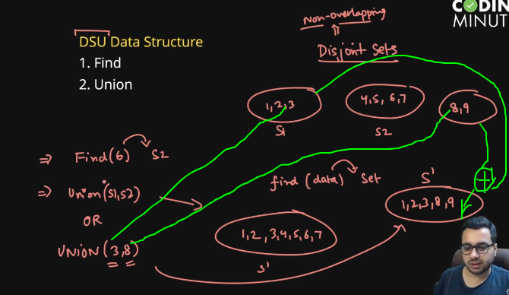

visualization
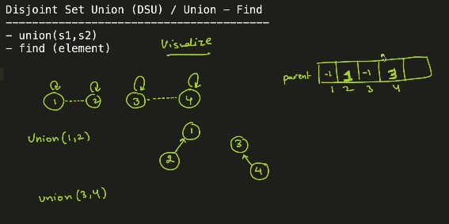

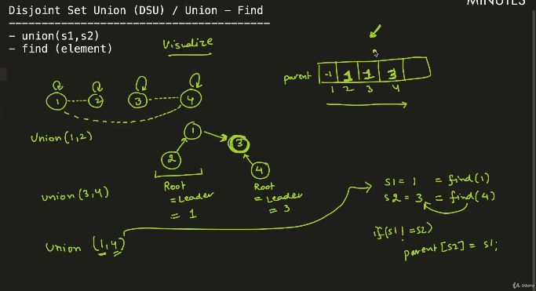

CycleDetect
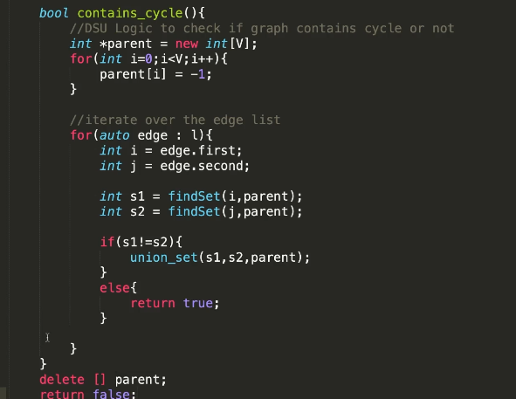
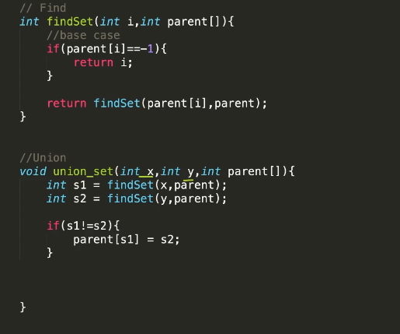

UbyRank
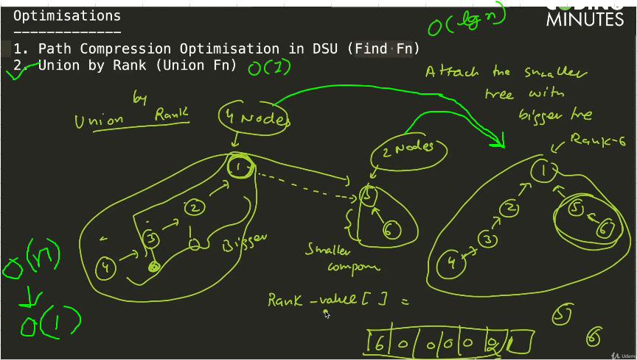

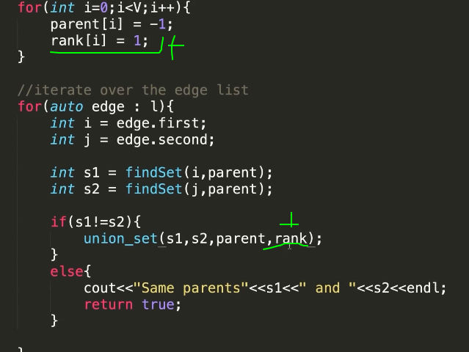
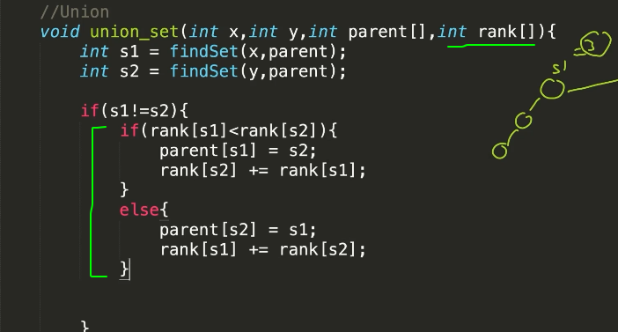

PathCompression
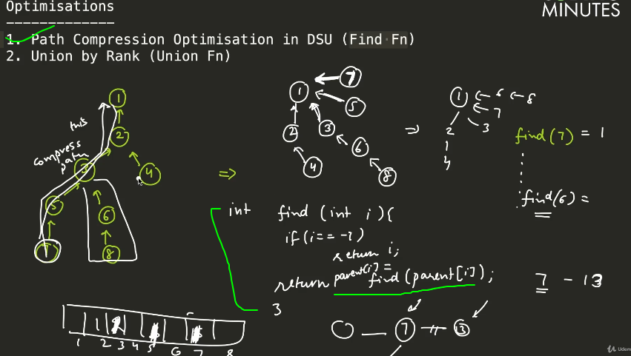

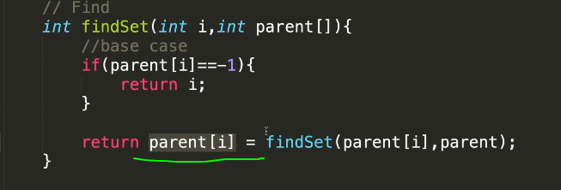

DSU
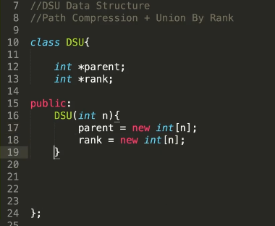
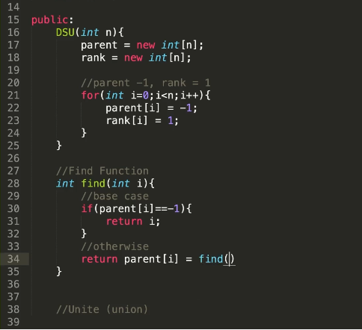
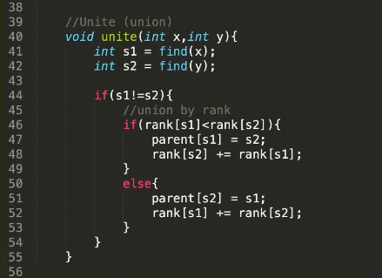

class DSU{
parent={}
rank={}

find(node){
if(this.parent[node]) return this.parent[node]=this.find(this.parent[node])
return node
}

union(s,d){

let s_parent=this.find(s)
let d_parent=this.find(d)
if(!this.rank[s_parent]) this.rank[s_parent]=1
if(!this.rank[d_parent]) this.rank[d_parent]=1

if(s_parent==d_parent){
console.log(`cycle detected: ${s}-${d}`)
}else if(this.rank[s_parent]>this.rank[d_parent]){
this.parent[d_parent]=s_parent
this.rank[s_parent]+=this.rank[d_parent]
}else{
this.parent[s_parent]=d_parent
this.rank[d_parent]+=this.rank[s_parent]
}

}
}

let gr=new DSU()
gr.union(1,2)
gr.union(2,3)
gr.union(3,5)
gr.union(3,4)
gr.union(4,0)
gr.union(4,5)
gr.union(5,6)
gr.union(0,1)

