Intro
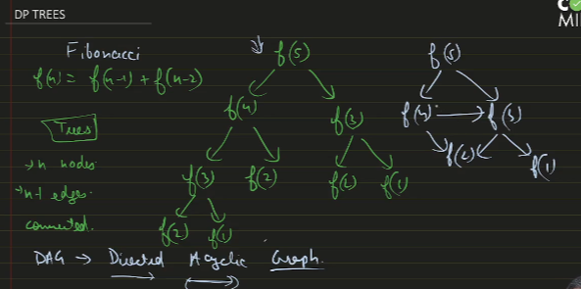

VertexCover
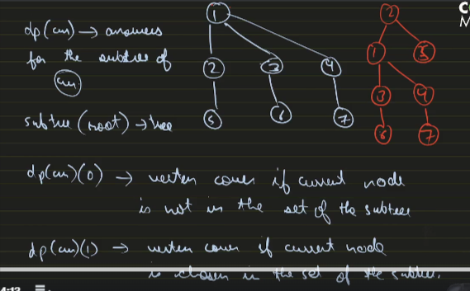
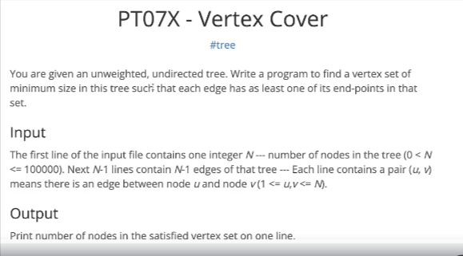

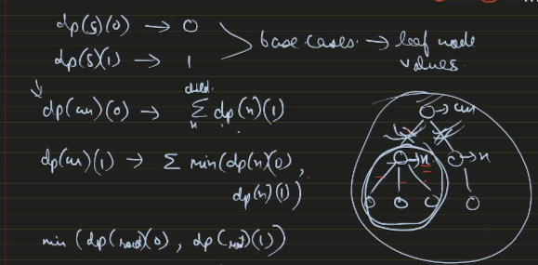

#include<bits/stdc++.h> |  | int main()
 |  | {
using namespace std; |  | freopen("input.txt", "r", stdin);
 |  | freopen("output.txt", "w", stdout);
const int N = 1e5 + 1;
 |  | int n;
vector<int> gr[N]; |  | cin >> n;
int memo[N][2];
 |  | // corrected n-1 as edge count
int dp(int cur, bool take, int par) { |  | for (int i = 0; i < n - 1; i++) {
 |  | int x, y;
if (memo[cur][take] != -1) return memo[cur][take]; |  | cin >> x >> y;
 |  | gr[x].push_back(y);
int ans = take; | //base case | gr[y].push_back(x);
for (auto x : gr[cur]) { |  | }
if (x != par) {
// x is only the child vertex |  | memset(memo, -1, sizeof(memo));
if (take) { |  | cout << min(dp(1, 0, -1), dp(1, 1, -1));
ans += min(dp(x, 0, cur),
dp(x, 1, cur)); |  | return 0;
} |  | }
else {
ans += dp(x, 1, cur);
}
}
}
return memo[cur][take] = ans;
}

Diameter


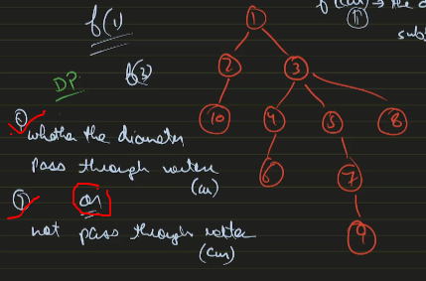

#include<bits/stdc++.h> | int main()
 | {
using namespace std; | // freopen("input.txt", "r", stdin);
 | // freopen("output.txt", "w", stdout);
const int N = 2e5 + 1;
 | int n;
vector<int> gr[N]; | cin >> n;
int f[N], g[N];
 | for (int i = 0; i < n - 1; i++) {
void dfs(int cur, int par) { | int x, y;
int max_1 = 0, max_2 = 0; | cin >> x >> y;
 | gr[x].push_back(y);
for (auto x : gr[cur]) { | gr[y].push_back(x);
if (x != par) { | }
dfs(x, cur);
 | dfs(1, -1);
// g for the cur node
g[cur] = max(g[x] + 1, g[cur]); | cout << f[1];
f[cur] = max(f[x], f[cur]);
 | return 0;
// max 2 values of g[x] | }
if (g[x] + 1 > max_1) {
max_2 = max_1;
max_1 = g[x] + 1;
}
else if (g[x] + 1 > max_2) {
max_2 = g[x] + 1;
}
}
}

f[cur] = max(f[cur], max_1 + max_2);

}

